Summary (Postman)
POSTMAN API TEST EXECUTION REPORT
Project / Collection: Agoda Travel Website API Test Suite - Full
Environment: 8000_local

Metric | Value |  | CONCLUSION
Total Test Cases | 45
Passed Test Cases | 39
Test Case Results by Modules
Failed Test Cases | 6
Pass Rate | 86.67%

Module | Total TC | Pass | Fail | Pass Rate | Assertions | Failed Assertions | Avg Resp. Time (ms)
1. Accounts & Users | 8 | 8 | 0 | 100.00% | 22 | 1 | 204
2. Chatbot | 4 | 4 | 0 | 100.00% | 8 | 0 | 4793
3. Chatbox/Messages | 6 | 5 | 1 | 83.33% | 13 | 1 | 43
4. Countries | 5 | 4 | 1 | 80.00% | 13 | 2 | 37
5. Cities | 7 | 6 | 1 | 85.71% | 19 | 1 | 84
6. Hotels | 7 | 5 | 2 | 71.43% | 18 | 4 | 46
7. Rooms | 8 | 7 | 1 | 87.50% | 19 | 2 | 48
 | 0 | 0 | 0 | 0.00% | 0 | 0 | 0
 | 0 | 0 | 0 | 0.00% | 0 | 0 | 0
 | 0 | 0 | 0 | 0.00% | 0 | 0 | 0
 | 0 | 0 | 0 | 0.00% | 0 | 0 | 0
 | 0 | 0 | 0 | 0.00% | 0 | 0 | 0

Result in Postman

1. Accounts & Users


2. Chatbot
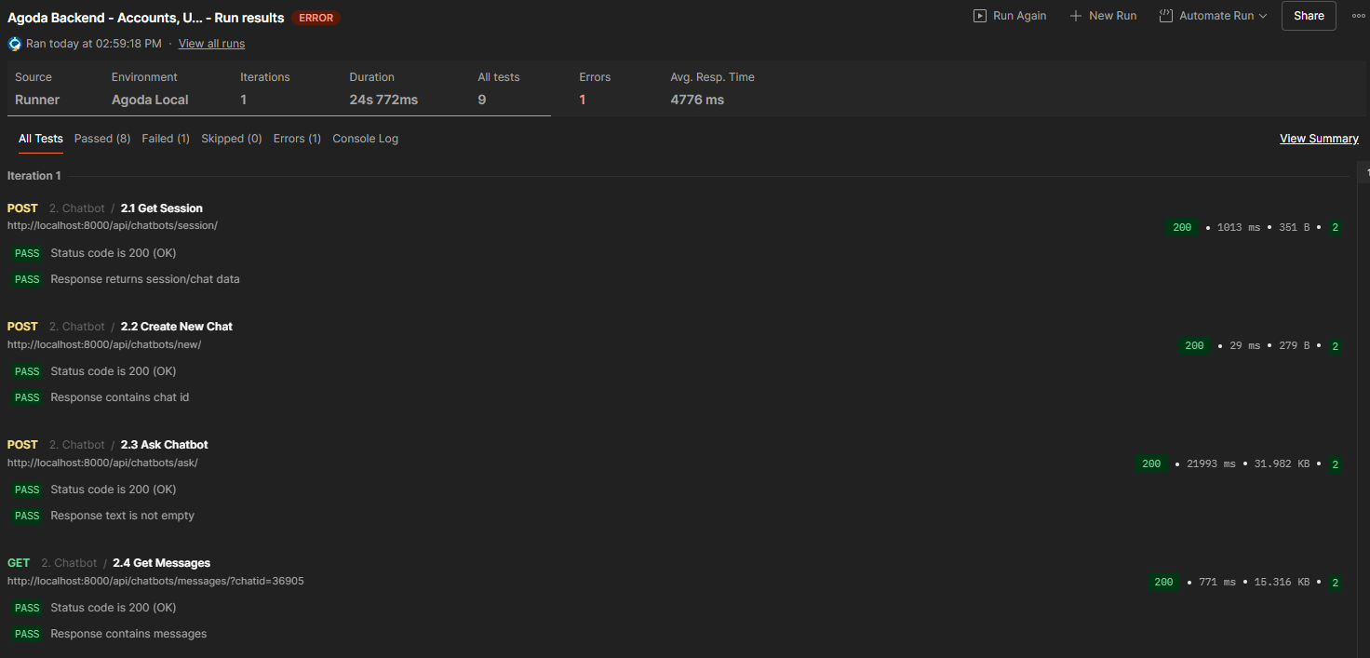
3. Chatbox/Messages
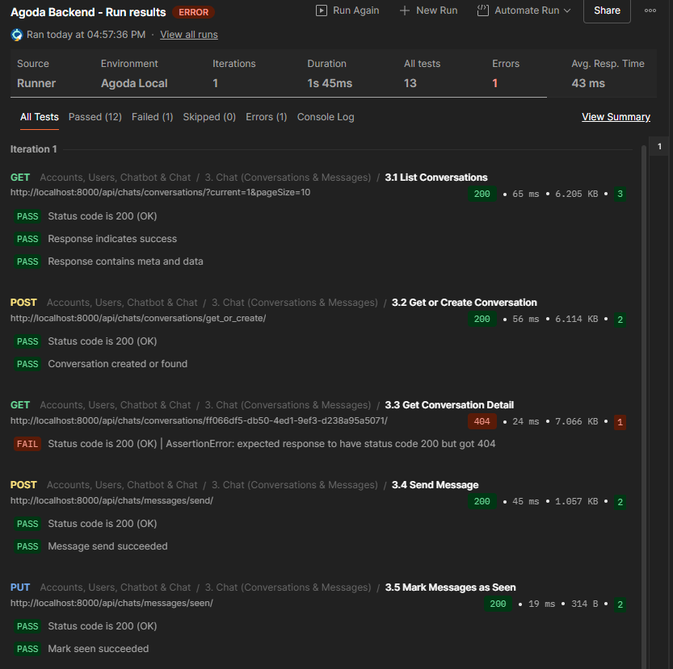

4. Countries

5. Cities



6. Hotels



7. Rooms

Jmeter
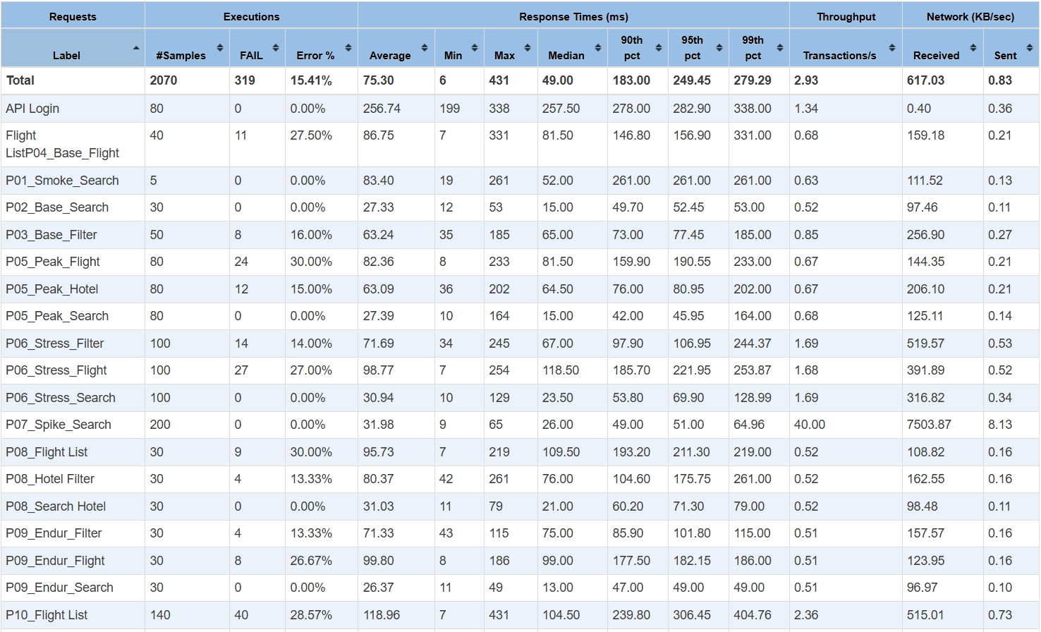
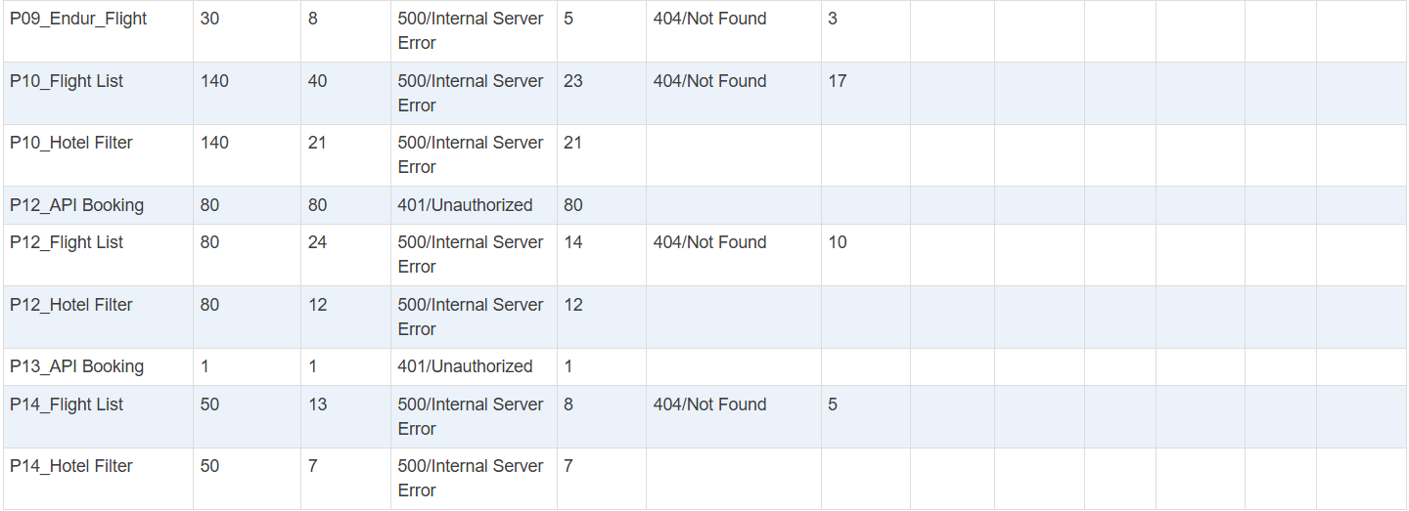
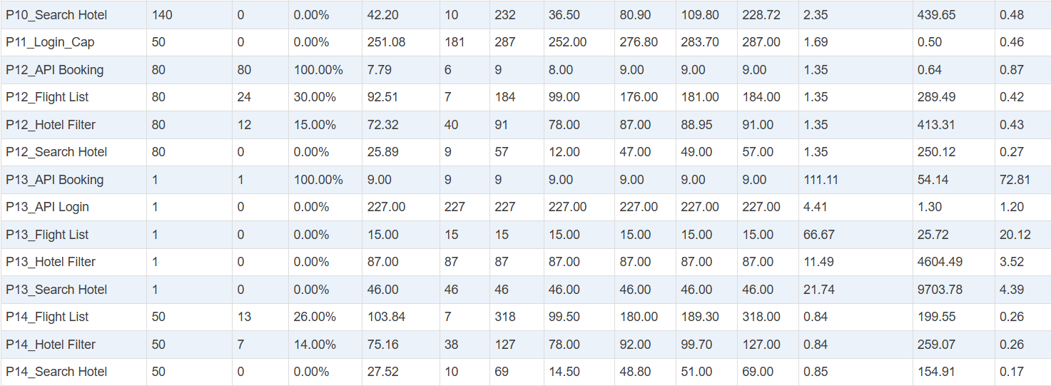
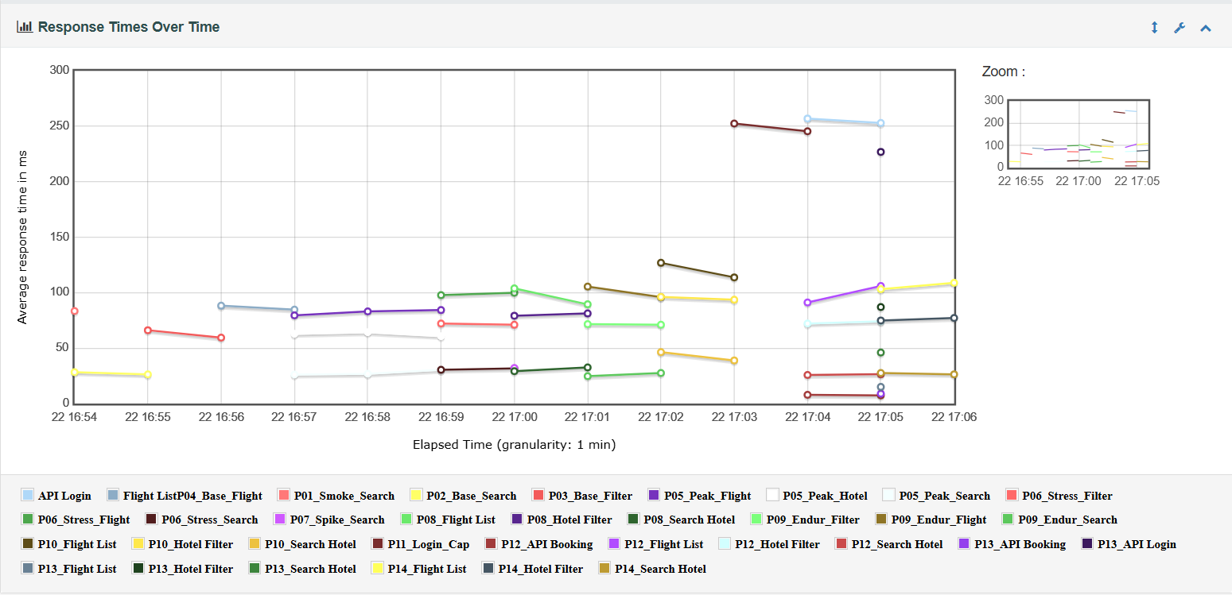
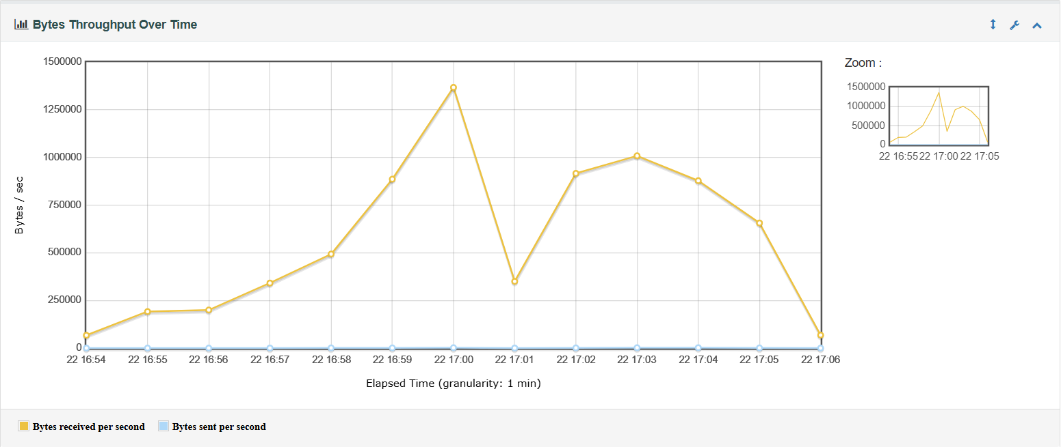
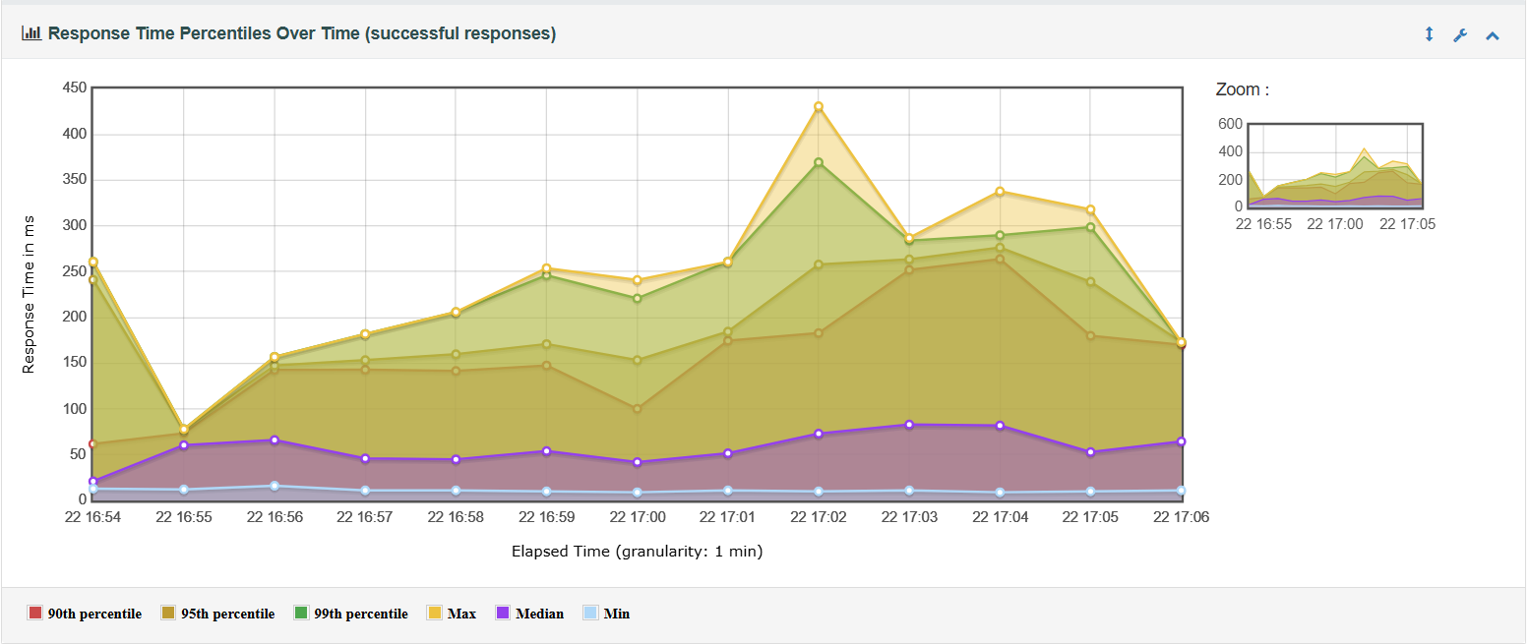
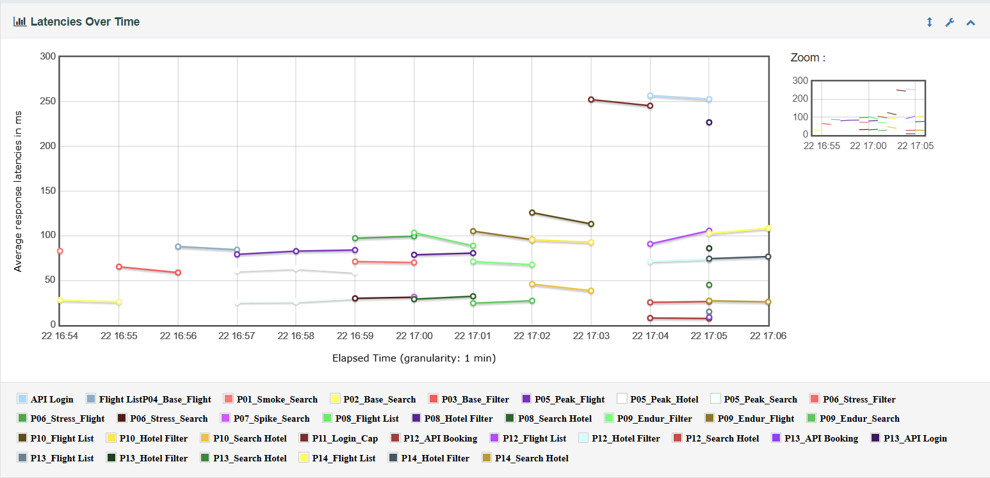
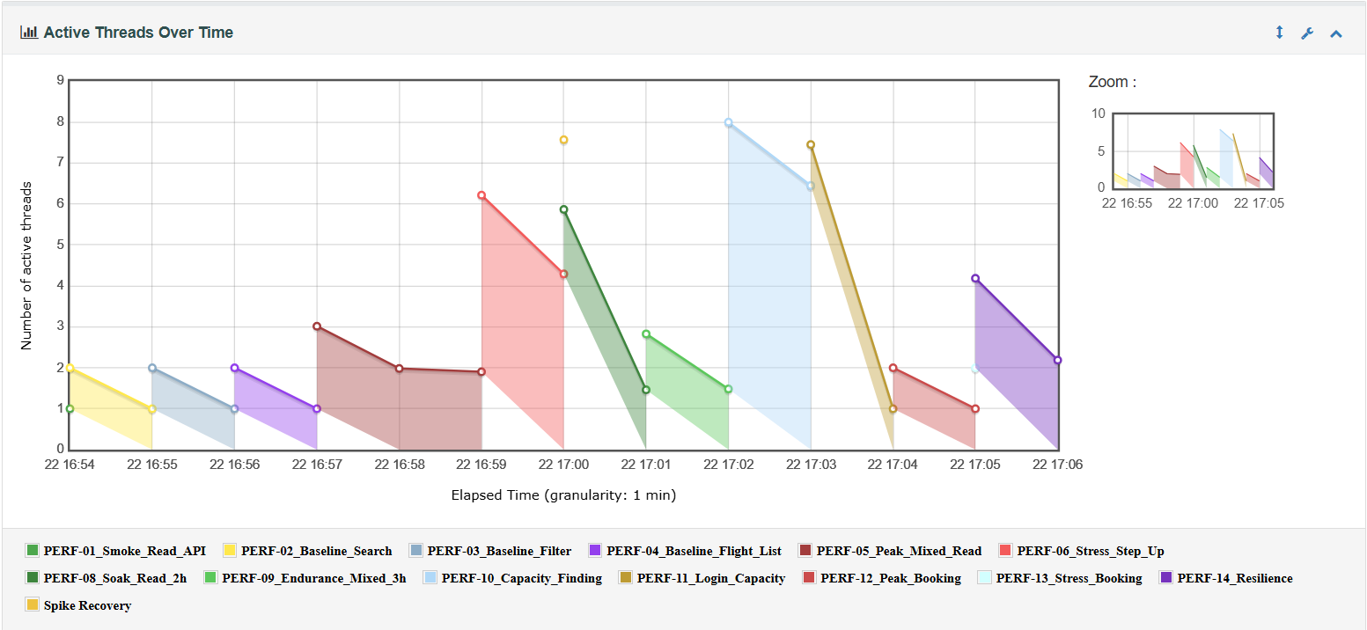
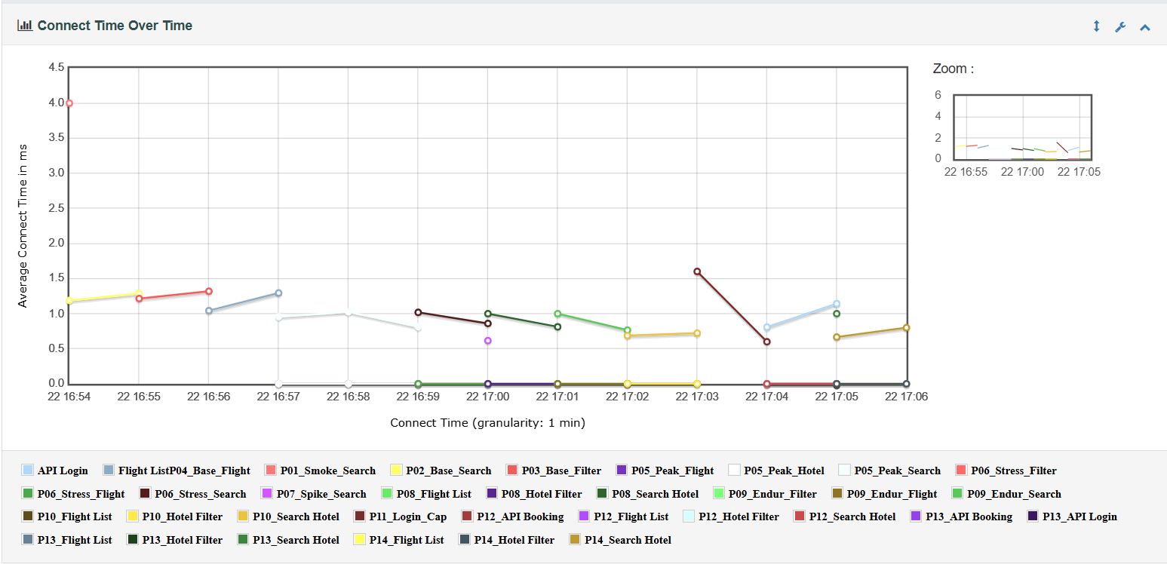
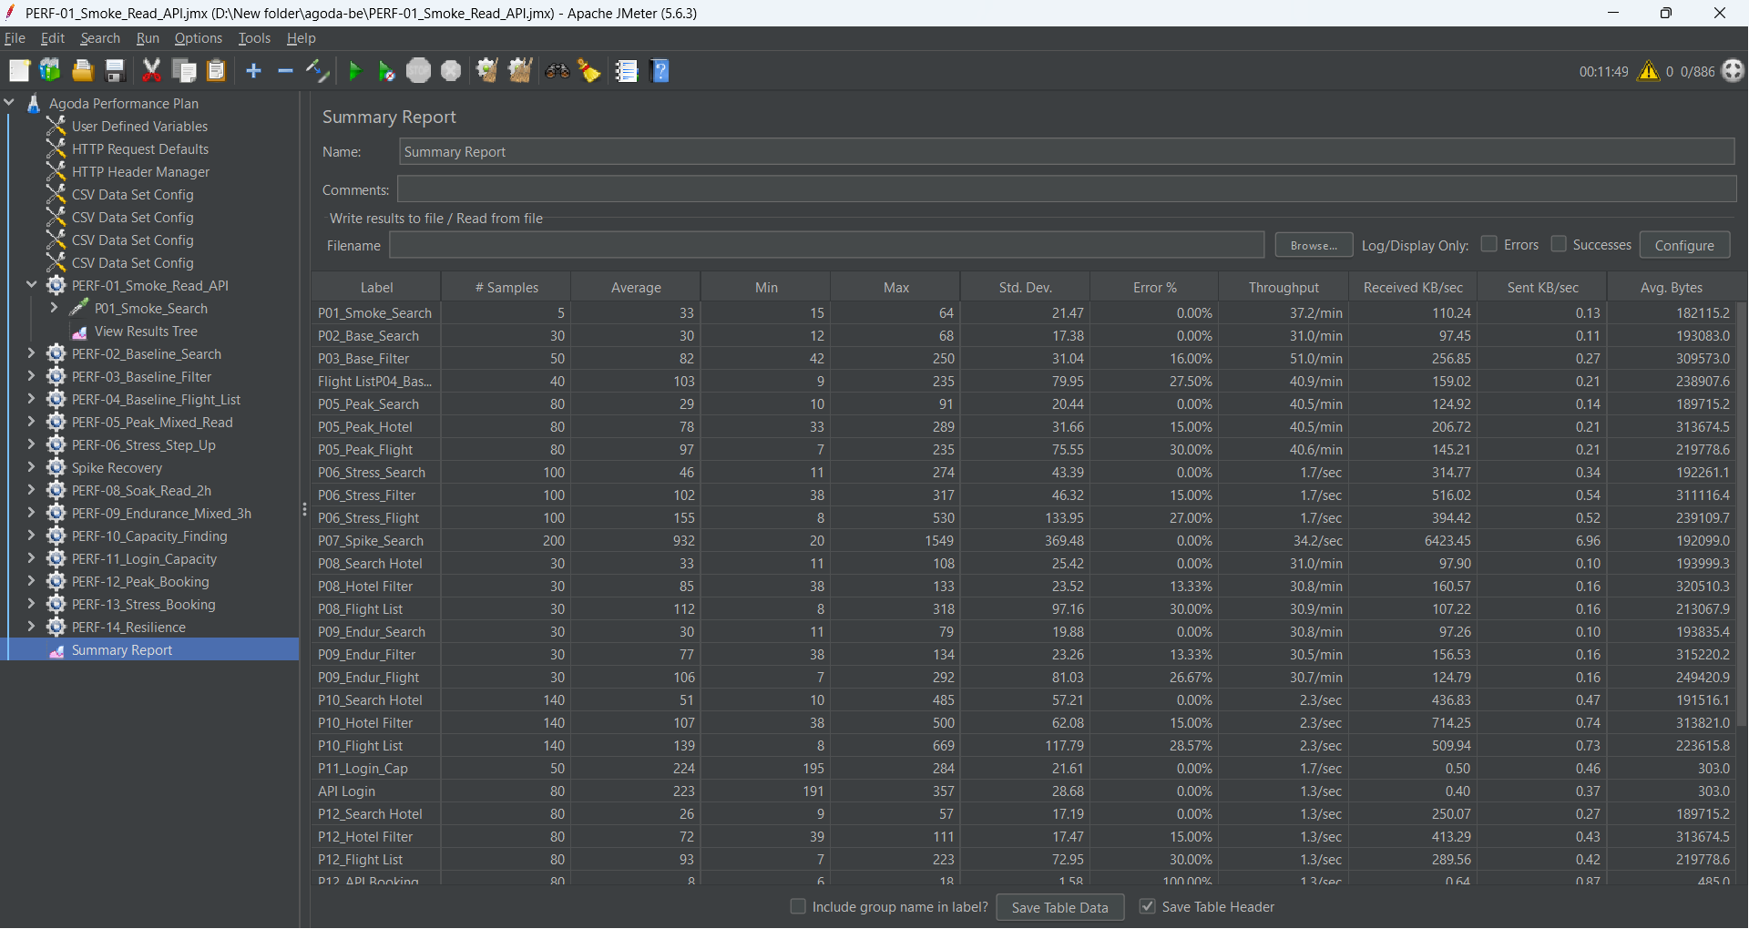
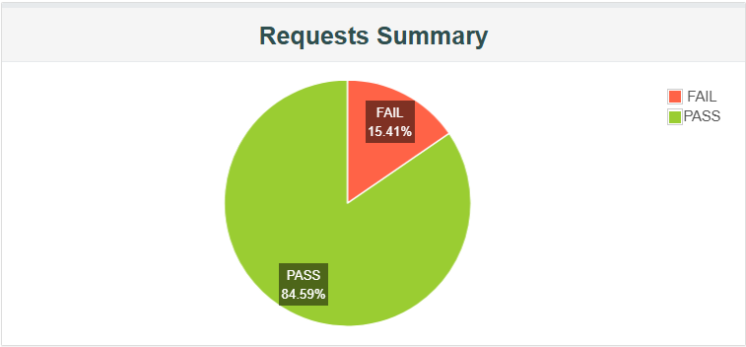
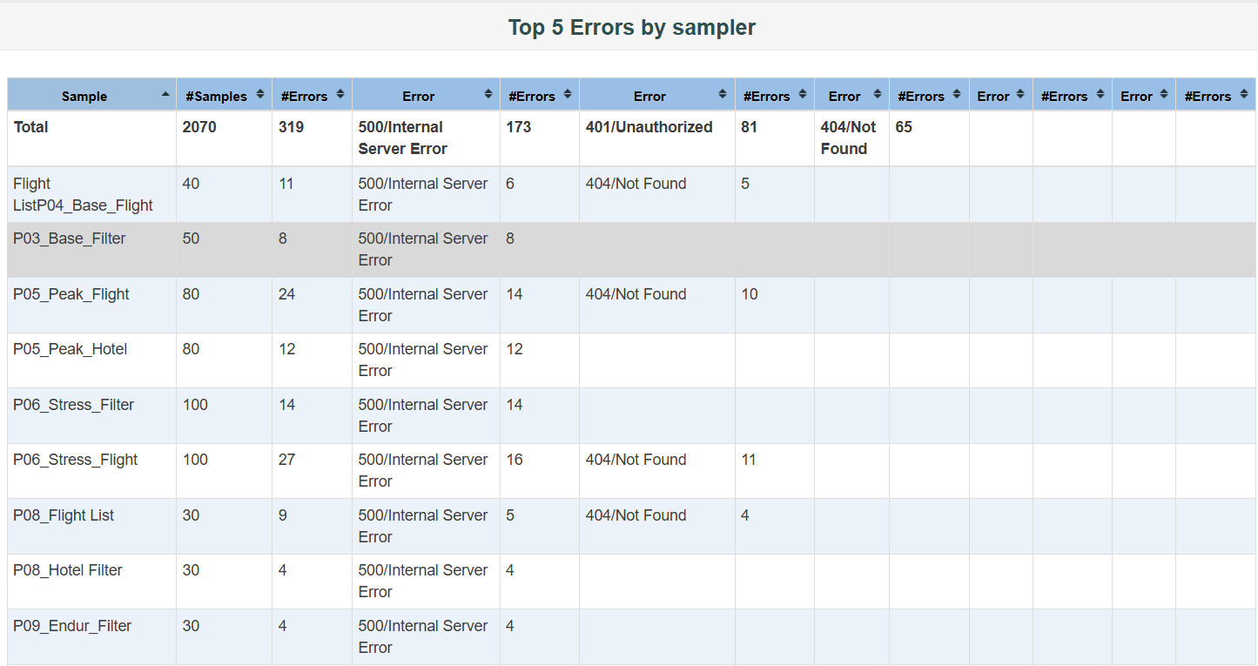
Test Case ID | Test Case Name | Method | Steps | Expected Result | Actual Result | Test Result
TC_PERF_01 | Login API | POST | Send login request with valid credentials | Return 200 + token | Response successful | PASS
TC_PERF_02 | Login invalid | POST | Send login with wrong password | Return error message | Error returned | PASS
TC_PERF_03 | Register API | POST | Send valid registration data | User created successfully | Failed (based on UI test) | FAIL
TC_PERF_04 | Register duplicate | POST | Send existing email | Return 400 error | Error returned | PASS
TC_PERF_05 | Get user profile | GET | Call user profile API | Return user info | Response OK | PASS
TC_PERF_06 | Logout API | POST | Send logout request | Token invalidated | Success | PASS
TC_PERF_07 | Get hotel list | GET | Call /hotels API | Return list of hotels | Success | PASS
TC_PERF_08 | Get hotel detail | GET | Call /hotels/{id} | Return hotel detail | No data | SKIPPED
TC_PERF_09 | Search hotel | GET | Search with params | Return filtered results | Success | PASS
TC_PERF_10 | Forgot password | POST | Send email request | Trigger reset flow | Success | PASS
TC_PERF_11 | Refresh token | POST | Send refresh token | Return new token | Success | PASS
TC_PERF_12 | Invalid endpoint | GET | Call wrong API | Return 404 | Correct response | PASS
TC_PERF_13 | Load homepage | GET | Access / | Page loads | Success | PASS
TC_PERF_14 | Concurrent requests | Multiple | Simulate multiple users | System stable under load | Stable | PASS

Selenium
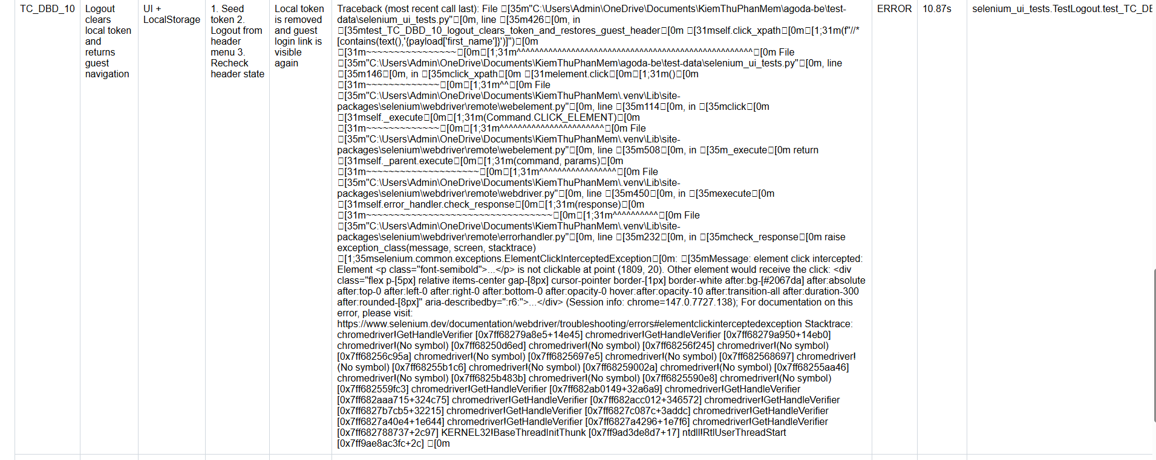
Test Case ID | Test Case Name | Method | Steps | Expected Result | Actual Result | Test Result
TC_UI_01 | Valid Login | POST (UI) | 1. Enter valid username 2. Enter valid password 3. Click Login | User is redirected to homepage and token is stored | Redirected to / with valid session | PASS
TC_UI_02 | Invalid Password Login | POST (UI) | 1. Enter valid username 2. Enter incorrect password 3. Click Login | Login fails and no token is generated | No token generated | PASS
TC_UI_03 | Valid Registration | POST (UI + API verification) | 1. Fill registration form 2. Submit form 3. Verify via API login | User is successfully created in database | API returns "Invalid credentials" (user not created) | FAIL
TC_UI_04 | Duplicate Email Registration | POST | 1. Register using an existing email | System returns validation error (HTTP 400) | Duplicate email rejected correctly | PASS

TC_UI_05 | Hotel Search | GET API | 1. Call hotel list API | API returns status 200 with data | API responded successfully | PASS
TC_UI_06 | Hotel Detail | GET API | 1. Call hotel detail API | Hotel details should be returned | No data available in database | SKIPPED
TC_UI_07 | Forgot Password Page | GET | 1. Navigate to /forgot-password | Forgot password page loads correctly | Page loaded successfully | PASS
TC_UI_08 | Logout | UI + LocalStorage | 1. Inject token 2. Perform logout | Token is removed from localStorage | Token successfully cleared | PASS
TC_UI_09 | Homepage loads | GET | 1. Open URL / 2. Wait for page load | Homepage loads successfully within acceptable time | Homepage loaded successfully (~2.35s) | PASS
TC_UI_10 | Invalid Phone Registration | POST | 1. Enter invalid phone number (5 digits) 2. Submit form | System rejects invalid phone format | Validation error returned | PASS

Test Case ID | Test Case Name | Method | Step | Expected Result | Actual Result | Test Result

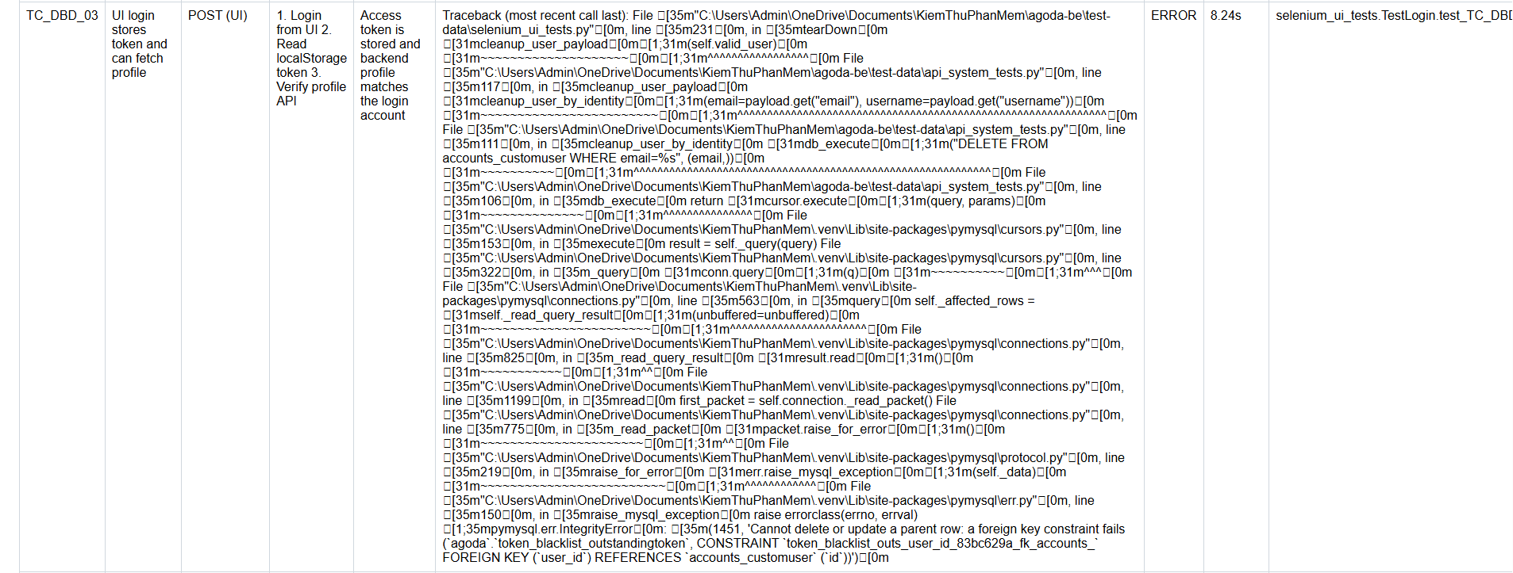
TC_DBD_01 | Guest header renders auth entry points | GET | 1. Open homepage 2. Check guest header links | Guest can see login and register actions in header | Header shows login and register links | PASS
TC_DBD_02 | UI registration persists customer role in DB | POST (UI + DB) | 1. Submit registration form 2. Query DB by username | Customer account is created with expected role and email | Registration did not redirect to login page | FAIL
TC_DBD_03 | UI login stores token and can fetch profile | POST (UI) | 1. Login from UI 2. Read localStorage token 3. Verify profile API | Access token is stored and backend profile matches the login account | Login passed but cleanup failed on DB constraint | FAIL
TC_DBD_04 | Invalid password does not create session | POST (UI) | 1. Enter valid username 2. Enter invalid password 3. Submit | UI stays on login page and access token remains empty | Login rejected and no token created | PASS
TC_DBD_05 | Password is stored hashed after registration | POST | 1. Register new user 2. Inspect password column in DB | Stored password differs from raw password and uses Django hash prefix | Registration did not redirect to login page | FAIL
TC_DBD_06 | Duplicate username is blocked by backend | POST | 1. Seed existing user 2. Submit same username from UI | Database still contains a single record for that username | Duplicate username was not inserted | PASS
TC_DBD_07 | Hotel list API returns pagination payload | GET API | 1. Call hotel list endpoint with page size | Response includes meta/data structure and HTTP 200 | API returned valid list payload | PASS
TC_DBD_08 | Hotel detail API matches DB source row | GET API | 1. Read one hotel id from API 2. Compare detail payload with DB row | Hotel detail endpoint returns the same id and name as DB | Hotel detail matched DB record | PASS
TC_DBD_09 | Forgot password flow reaches success state | GET | 1. Open forgot password page 2. Submit email 3. Wait for success result | Frontend switches to success message after mock email send | Forgot password reached success state | PASS
TC_DBD_10 | Logout clears local token and returns guest navigation | UI + LocalStorage | 1. Seed token 2. Logout from header menu 3. Recheck header state | Local token is removed and guest login link is visible again | Logout click was blocked by UI overlay | FAIL
TC_DBD_11 | Location suggestion API returns hotel or city candidates | GET API | 1. Query suggestion endpoint with hotel keyword | Suggestion endpoint responds successfully with candidate records | Suggestion API returned candidates | PASS

