ERB Sample Diagram
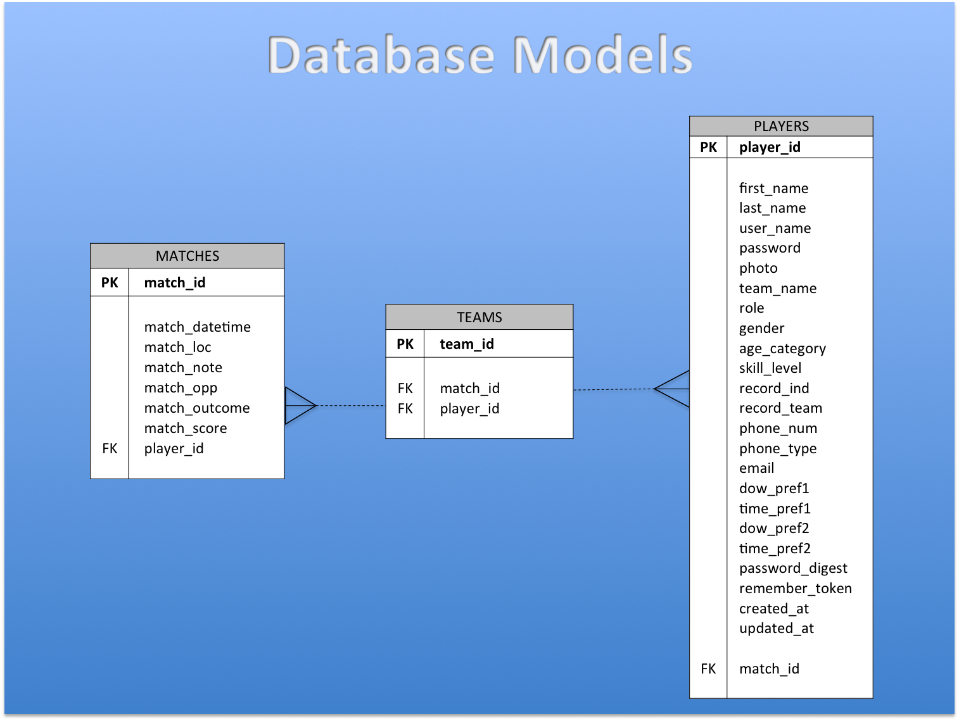

MATCHES |  | TEAMS |  | PLAYERS
PK | match_id | PK | team_id | PK | player_id

 | match_datetime | FK | match_id |  | first_name
 | match_loc | FK | player_id |  | last_name
 | match_note |  |  |  | user_name
 | match_opp |  |  |  | password
 | match_outcome |  |  |  | photo
 | match_score |  |  |  | team_name
FK | player_id |  |  |  | role
 |  |  |  |  | gender
 |  |  |  |  | age_category
 |  |  |  |  | skill_level
 |  |  |  |  | record_ind
 |  |  |  |  | record_team
 |  |  |  |  | phone_num
 |  |  |  |  | phone_type
 |  |  |  |  | email
 |  |  |  |  | dow_pref1
 |  |  |  |  | time_pref1
 |  |  |  |  | dow_pref2
 |  |  |  |  | time_pref2
 |  |  |  |  | password_digest
 |  |  |  |  | remember_token
 |  |  |  |  | created_at
 |  |  |  |  | updated_at

 |  |  |  | FK | match_id

Availability
