Summary
Error_Budget_Spreadsheet.xls
Suumary of Results
Written by Aex Slocum 2015.08.30, last edit 2016.05.24 by AHS

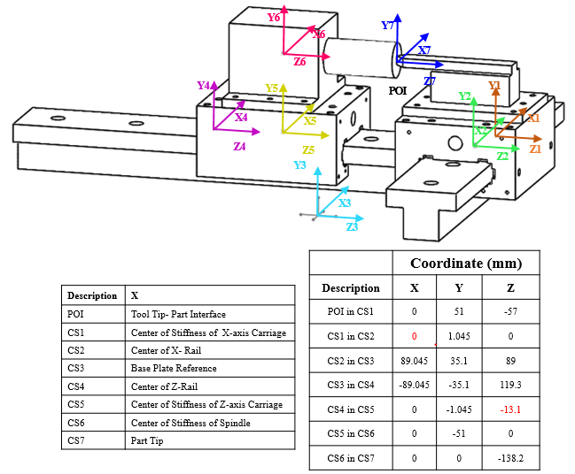
Last edit: | 2016.02.29 | By: | Alex Slocum | Please enter edits in "Edit History" Worksheet
Inputs in BLACK in Yellow background cells: |  | Input | BE CONSISTANT WITH UNITS! |  |  |  |  | Servo cells are BOLD PURPLE other numbers for quick ref and all are used workbook CSs and Loads
Outputs in RED in Green background cells: |  | Output |  |  |  |  |  |  | X | Y | Z | Description
Axes' coordinates and applied loads are defined in worksheet "Axes' CS & Loads" |  |  |  |  |  |  |  | POI location in CS_1 coordinates | 0 | 51 | -57 | Tool point w.r.t COS X-Carriage
Axes' coordinates and applied loads are defined in worksheet "Axes' CS & Loads" |  |  |  |  |  |  |  | CS_1 location in CS_2 coordinates | 0 | 1.045 | 0 | X Carriage w.r.t Center of X-Rail
 |  |  |  |  |  |  |  | CS_2 location in CS_3 coordinates | 89.045 | 35.1 | 89 | X-rail w.r.t base plate
 |  |  |  |  |  |  |  | CS_3 location in CS_4 coordinates | -89.045 | -35.1 | 119.3 | base plate w.r.t center of Z-Rail
All Axes | For the Entire Machine |  |  |  |  |  |  | CS_4 location in CS_5 coordinates | 0 | -1.045 | -13.1 | Z-Rail w.r.t COS Z-Carriage
 | Number of axes | All axes' Geometric Errors |  |  |  | F=kX displacement |  | CS_5 location in CS_6 coordinates | 0 | -51 | 0 | Z-Carriage w.r.t Spindle COS
 | 7 | Random |  |  | Systematic |  |  | CS_6 location in CS_7 coordinates | 0 | 0 | -138.2 | Spindle COS w.r.t Part tip
 |  | Sum | RSS | Avg(SUM, RSS) | Sum | Sum
 | deltaX | 0.342965 | 0.185802 | 0.264384 | 0.000000 | 11229.742990 |  |  | 0 | 7.1054273576E-15 | 0
 | deltaY | 0.276059 | 0.157203 | 0.216631 | 0.000000 | -15084.142560
 | deltaZ | 0.165911 | 0.091597 | 0.128754 | 0.000000 | 5185.676194
 | Vector displacement | 0.470489 | 0.260048 | 0.365247 | 0.000000 | 19507.171040

Axis | X motion carriage where tool tip is POI | Geometric Errors |  | F=kX displacement
1 |  | Random | Systematic |  | Random Geometric Errors at point of interest in final (ref) CS |  |  |  |  | Systematic Geometric Errors at point of interest in final (ref) CS |  |  |  |  | F=kx Displacements at point of interest in final (ref) CS
Axis on? |  | Avg(SUM, RSS) | Sum | Sum |  | Pure translation | By epsx gain | By epsy gain | By epsz gain |  | Pure translation | By epsx gain | By epsy gain | By epsz gain |  | Pure translation | By epsx gain | By epsy gain | By epsz gain
yes | deltaX | 0.101050 | 0.000000 | 0.001767 | deltaX | 0.046963 | 0.000000 | 0.042750 | 0.038250 | deltaX | 0.000000 | 0.000000 | 0.000000 | 0.000000 | deltaX | 0.002268 | 0.000000 | -0.000278 | -0.000223
1 | deltaY | 0.046970 | 0.000000 | -0.000964 | deltaY | 0.046963 | 0.000000 | 0.000000 | 0.000014 | deltaY | 0.000000 | 0.000000 | 0.000000 | 0.000000 | deltaY | -0.000371 | -0.000593 | 0.000000 | 0.000000
 | deltaZ | 0.046971 | 0.000000 | 0.000017 | deltaZ | 0.046963 | 0.000000 | 0.000016 | 0.000000 | deltaZ | 0.000000 | 0.000000 | 0.000000 | 0.000000 | deltaZ | 0.000548 | -0.000531 | 0.000000 | 0.000000

Axis | point on table (rigid ref) | Geometric Errors |  | F=kX displacement
2 |  | Random | Systematic |  | Random Geometric Errors at point of interest in final (ref) CS |  |  |  |  | Systematic Geometric Errors at point of interest in final (ref) CS |  |  |  |  | F=kx Displacements at point of interest in final (ref) CS
Axis on? |  | Avg(SUM, RSS) | Sum | Sum |  | Pure translation | By epsx gain | By epsy gain | By epsz gain |  | Pure translation | By epsx gain | By epsy gain | By epsz gain |  | Pure translation | By epsx gain | By epsy gain | By epsz gain
yes | deltaX | 0.000000 | 0.000000 | -0.000378 | deltaX | 0.000000 | 0.000000 | 0.000000 | 0.000000 | deltaX | 0.000000 | 0.000000 | 0.000000 | 0.000000 | deltaX | 0.000001 | 0.000000 | -0.000227 | -0.000151
1 | deltaY | 0.000000 | 0.000000 | -0.000117 | deltaY | 0.000000 | 0.000000 | 0.000000 | 0.000000 | deltaY | 0.000000 | 0.000000 | 0.000000 | 0.000000 | deltaY | 0.000000 | -0.000117 | 0.000000 | 0.000000
 | deltaZ | 0.000000 | 0.000000 | -0.000107 | deltaZ | 0.000000 | 0.000000 | 0.000000 | 0.000000 | deltaZ | 0.000000 | 0.000000 | 0.000000 | 0.000000 | deltaZ | 0.000000 | -0.000107 | 0.000000 | 0.000000

Axis | Z-Axis | Geometric Errors |  | F=kX displacement
3 |  | Random | Systematic |  | Random Geometric Errors at point of interest in final (ref) CS |  |  |  |  | Systematic Geometric Errors at point of interest in final (ref) CS |  |  |  |  | F=kx Displacements at point of interest in final (ref) CS
Axis on? |  | Avg(SUM, RSS) | Sum | Sum |  | Pure translation | By epsx gain | By epsy gain | By epsz gain |  | Pure translation | By epsx gain | By epsy gain | By epsz gain |  | Pure translation | By epsx gain | By epsy gain | By epsz gain
yes | deltaX | 0.000000 | 0.000000 | 0.000423 | deltaX | 0.000000 | 0.000000 | 0.000000 | 0.000000 | deltaX | 0.000000 | 0.000000 | 0.000000 | 0.000000 | deltaX | 0.000000 | 0.000000 | 0.000175 | 0.000248
1 | deltaY | 0.000000 | 0.000000 | -0.000283 | deltaY | 0.000000 | 0.000000 | 0.000000 | 0.000000 | deltaY | 0.000000 | 0.000000 | 0.000000 | 0.000000 | deltaY | 0.000000 | -0.000030 | 0.000000 | -0.000253
 | deltaZ | 0.000000 | 0.000000 | -0.000406 | deltaZ | 0.000000 | 0.000000 | 0.000000 | 0.000000 | deltaZ | 0.000000 | 0.000000 | 0.000000 | 0.000000 | deltaZ | 0.000000 | 0.000081 | -0.000487 | 0.000000

Axis | Spindle | Geometric Errors |  | F=kX displacement
4 |  | Random | Systematic |  | Random Geometric Errors at point of interest in final (ref) CS |  |  |  |  | Systematic Geometric Errors at point of interest in final (ref) CS |  |  |  |  | F=kx Displacements at point of interest in final (ref) CS
Axis on? |  | Avg(SUM, RSS) | Sum | Sum |  | Pure translation | By epsx gain | By epsy gain | By epsz gain |  | Pure translation | By epsx gain | By epsy gain | By epsz gain |  | Pure translation | By epsx gain | By epsy gain | By epsz gain
yes | deltaX | 0.076848 | 0.000000 | 9927.107056 | deltaX | 0.000000 | 0.000000 | 0.064000 | 0.022015 | deltaX | 0.000000 | 0.000000 | 0.000000 | 0.000000 | deltaX | 0.000001 | 0.000000 | 14365.648967 | -4438.541912
1 | deltaY | 0.064007 | 0.000000 | -14908.402179 | deltaY | 0.000000 | 0.064005 | 0.000000 | 0.000005 | deltaY | 0.000000 | 0.000000 | 0.000000 | 0.000000 | deltaY | 0.000000 | -14907.463427 | 0.000000 | -0.938752
 | deltaZ | 0.022008 | 0.000000 | 5121.386575 | deltaZ | 0.000000 | 0.022001 | 0.000014 | 0.000000 | deltaZ | 0.000000 | 0.000000 | 0.000000 | 0.000000 | deltaZ | 0.000000 | 5124.424909 | -3.038335 | 0.000000

Axis | cutting point on workpiece | Geometric Errors |  | F=kX displacement
5 |  | Random | Systematic |  | Random Geometric Errors at point of interest in final (ref) CS |  |  |  |  | Systematic Geometric Errors at point of interest in final (ref) CS |  |  |  |  | F=kx Displacements at point of interest in final (ref) CS
Axis on? |  | Avg(SUM, RSS) | Sum | Sum |  | Pure translation | By epsx gain | By epsy gain | By epsz gain |  | Pure translation | By epsx gain | By epsy gain | By epsz gain |  | Pure translation | By epsx gain | By epsy gain | By epsz gain
yes | deltaX | 0.132203 | 0.000000 | 1302.633906 | deltaX | 0.046963 | 0.000000 | 0.103650 | 0.000000 | deltaX | 0.000000 | 0.000000 | 0.000000 | 0.000000 | deltaX | 0.005014 | 0.000000 | 1302.629801 | -0.000908
1 | deltaY | 0.132217 | 0.000000 | -175.738979 | deltaY | 0.046963 | 0.103664 | 0.000000 | 0.000000 | deltaY | 0.000000 | 0.000000 | 0.000000 | 0.000000 | deltaY | -0.000392 | -175.738586 | 0.000000 | 0.000000
 | deltaZ | 0.072879 | 0.000000 | 64.290084 | deltaZ | 0.046963 | 0.038211 | 0.000039 | 0.000000 | deltaZ | 0.000000 | 0.000000 | 0.000000 | 0.000000 | deltaZ | 0.000557 | 64.778013 | -0.488486 | 0.000000

Axis | X-axis | Geometric Errors |  | F=kX displacement
6 |  | Random | Systematic |  | Random Geometric Errors at point of interest in final (ref) CS |  |  |  |  | Systematic Geometric Errors at point of interest in final (ref) CS |  |  |  |  | F=kx Displacements at point of interest in final (ref) CS
Axis on? |  | Avg(SUM, RSS) | Sum | Sum |  | Pure translation | By epsx gain | By epsy gain | By epsz gain |  | Pure translation | By epsx gain | By epsy gain | By epsz gain |  | Pure translation | By epsx gain | By epsy gain | By epsz gain
yes | deltaX | 0.002500 | 0.000000 | 0.000204 | deltaX | 0.002500 | 0.000000 | 0.000000 | 0.000000 | deltaX | 0.000000 | 0.000000 | 0.000000 | 0.000000 | deltaX | 0.000204 | 0.000000 | 0.000000 | 0.000000
1 | deltaY | 0.002500 | 0.000000 | -0.000034 | deltaY | 0.002500 | 0.000000 | 0.000000 | 0.000000 | deltaY | 0.000000 | 0.000000 | 0.000000 | 0.000000 | deltaY | -0.000034 | 0.000000 | 0.000000 | 0.000000
 | deltaZ | 0.019050 | 0.000000 | 0.000032 | deltaZ | 0.019050 | 0.000000 | 0.000000 | 0.000000 | deltaZ | 0.000000 | 0.000000 | 0.000000 | 0.000000 | deltaZ | 0.000032 | 0.000000 | 0.000000 | 0.000000

Axis | Bed & Frame | Geometric Errors |  | F=kX displacement
7 |  | Random | Systematic |  | Random Geometric Errors at point of interest in final (ref) CS |  |  |  |  | Systematic Geometric Errors at point of interest in final (ref) CS |  |  |  |  | F=kx Displacements at point of interest in final (ref) CS
Axis on? |  | Avg(SUM, RSS) | Sum | Sum |  | Pure translation | By epsx gain | By epsy gain | By epsz gain |  | Pure translation | By epsx gain | By epsy gain | By epsz gain |  | Pure translation | By epsx gain | By epsy gain | By epsz gain
yes | deltaX | 0.030364 | 0.000000 | 0.000011 | deltaX | 0.005000 | 0.000000 | 0.027640 | 0.000000 | deltaX | 0.000000 | 0.000000 | 0.000000 | 0.000000 | deltaX | 0.000001 | 0.000000 | 0.000011 | 0.000000
1 | deltaY | 0.030364 | 0.000000 | -0.000003 | deltaY | 0.005000 | 0.027640 | 0.000000 | 0.000000 | deltaY | 0.000000 | 0.000000 | 0.000000 | 0.000000 | deltaY | 0.000000 | -0.000003 | 0.000000 | 0.000000
 | deltaZ | 0.005003 | 0.000000 | 0.000000 | deltaZ | 0.005000 | 0.000003 | 0.000003 | 0.000000 | deltaZ | 0.000000 | 0.000000 | 0.000000 | 0.000000 | deltaZ | 0.000000 | 0.000000 | 0.000000 | 0.000000

Axis | Thing 8 | Geometric Errors |  | F=kX displacement
8 |  | Random | Systematic |  | Random Geometric Errors at point of interest in final (ref) CS |  |  |  |  | Systematic Geometric Errors at point of interest in final (ref) CS |  |  |  |  | F=kx Displacements at point of interest in final (ref) CS
Axis on? |  | Avg(SUM, RSS) | Sum | Sum |  | Pure translation | By epsx gain | By epsy gain | By epsz gain |  | Pure translation | By epsx gain | By epsy gain | By epsz gain |  | Pure translation | By epsx gain | By epsy gain | By epsz gain
no | deltaX | 0.016758 | 0.000000 | 0.009532 | deltaX | 0.005000 | 0.000000 | 0.013820 | 0.000000 | deltaX | 0.000000 | 0.000000 | 0.000000 | 0.000000 | deltaX | 0.009431 | 0.000000 | 0.000100 | 0.000000
0 | deltaY | 0.016758 | 0.000000 | -0.000032 | deltaY | 0.005000 | 0.013820 | 0.000000 | 0.000000 | deltaY | 0.000000 | 0.000000 | 0.000000 | 0.000000 | deltaY | -0.000004 | -0.000028 | 0.000000 | 0.000000
 | deltaZ | 0.005001 | 0.000000 | 0.000003 | deltaZ | 0.005000 | 0.000001 | 0.000001 | 0.000000 | deltaZ | 0.000000 | 0.000000 | 0.000000 | 0.000000 | deltaZ | 0.000003 | 0.000000 | 0.000000 | 0.000000

Axis | Thing 9 | Geometric Errors |  | F=kX displacement
9 |  | Random | Systematic |  | Random Geometric Errors at point of interest in final (ref) CS |  |  |  |  | Systematic Geometric Errors at point of interest in final (ref) CS |  |  |  |  | F=kx Displacements at point of interest in final (ref) CS
Axis on? |  | Avg(SUM, RSS) | Sum | Sum |  | Pure translation | By epsx gain | By epsy gain | By epsz gain |  | Pure translation | By epsx gain | By epsy gain | By epsz gain |  | Pure translation | By epsx gain | By epsy gain | By epsz gain
no | deltaX | 0.016758 | 0.000000 | 0.009533 | deltaX | 0.005000 | 0.000000 | 0.013820 | 0.000000 | deltaX | 0.000000 | 0.000000 | 0.000000 | 0.000000 | deltaX | 0.009431 | 0.000000 | 0.000102 | 0.000000
0 | deltaY | 0.017275 | 0.000000 | -0.000026 | deltaY | 0.005000 | 0.013820 | 0.000000 | 0.001000 | deltaY | 0.000000 | 0.000000 | 0.000000 | 0.000000 | deltaY | -0.000004 | -0.000028 | 0.000000 | 0.000005
 | deltaZ | 0.005549 | 0.000000 | 0.000010 | deltaZ | 0.005000 | 0.000001 | 0.000999 | 0.000000 | deltaZ | 0.000000 | 0.000000 | 0.000000 | 0.000000 | deltaZ | 0.000003 | 0.000000 | 0.000007 | 0.000000

Axis | Thing 10 | Geometric Errors |  | F=kX displacement
10 |  | Random | Systematic |  | Random Geometric Errors at point of interest in final (ref) CS |  |  |  |  | Systematic Geometric Errors at point of interest in final (ref) CS |  |  |  |  | F=kx Displacements at point of interest in final (ref) CS
Axis on? |  | Avg(SUM, RSS) | Sum | Sum |  | Pure translation | By epsx gain | By epsy gain | By epsz gain |  | Pure translation | By epsx gain | By epsy gain | By epsz gain |  | Pure translation | By epsx gain | By epsy gain | By epsz gain
no | deltaX | 0.016758 | 0.000000 | 0.009535 | deltaX | 0.005000 | 0.000000 | 0.013820 | 0.000000 | deltaX | 0.000000 | 0.000000 | 0.000000 | 0.000000 | deltaX | 0.009431 | 0.000000 | 0.000103 | 0.000000
0 | deltaY | 0.017826 | 0.000000 | -0.000021 | deltaY | 0.005000 | 0.013820 | 0.000000 | 0.002000 | deltaY | 0.000000 | 0.000000 | 0.000000 | 0.000000 | deltaY | -0.000004 | -0.000028 | 0.000000 | 0.000010
 | deltaZ | 0.006192 | 0.000000 | 0.000018 | deltaZ | 0.005000 | 0.000001 | 0.001999 | 0.000000 | deltaZ | 0.000000 | 0.000000 | 0.000000 | 0.000000 | deltaZ | 0.000003 | 0.000000 | 0.000015 | 0.000000

CS_2 X-Rail
CS 2 | point on table (rigid ref)
Geometric errors at CS origin and location and stiffness of points (or bearings) of attachment between coordinate systems
Error motions of CS Origin along & about its axes. Values read used by "Coordinate Systems" worksheet |  |  |  | CAREFUL as this compliance matrix is referenced in the worksheet "CSs and Loads"
Element | spindle shaft | Bearings (if values needed for this CS) |  | Trail-Xaxis
Structure type | simple supported | Size (e.g., rail width, race diameter) | 75 | dx | _ = _ | 0.00E+00 | 0 | 0 | 0 | 0 |  | Fx
Material | steel | Fmax (N) | 20000 | dy |  | 0 | 0.00E+00 | 0 | 0 | 0 | 0 | Fy
Young's Modulus (N/mm^2) | 2.00E+05 | k @ medium preload (N/mm) | 500000 | dz |  | 0 | 0 | 0.00E+00 | 0 |  | 0 | Fz
Poison ratio | 0.29 | ball diameter (mm) | 3 | thetaX |  | 0 | 0 | 0 | 0.00E+00 | 0 | 0 | Mx
Shear modulus (N/mm^2) | 77519 | % deflection max load | 0.01 | thetaY |  | 0 | 0 | 0 | 0 | 0.00E+00 | 0 | My
Beam properties (rectangular tube, or round, else customize) |  | stiffness est (N/mm) | 666667 | thetaZ |  |  | 0 | 0 | 0 | 0 | 0.00E+00 | Mz
Position along beam | 200 | rail width (mm) | 25
Length (mm) | 200 | roll rotary stiffness (Nmm/radian) | 78125000 | CAREFUL as this compliance matrix is referenced in the worksheet "CSs and Loads"
Height (mm), or OD | 50 | pitch rotary stiffness (Nmm/radian) | 26041667 | Spindle Shaft Cantilever Beam: X lateral, Y transverse, Z axial position is CS_2 location in CS_3
Width (mm), ID or fraction of solid cylinder | 35 | yaw rotary stiffness (Nmm/radian) | 26041667 | dx | _ = _ | 0.00E+00 | 0 | 0 | 0 | 1.3013951456E-05 |  | Fx
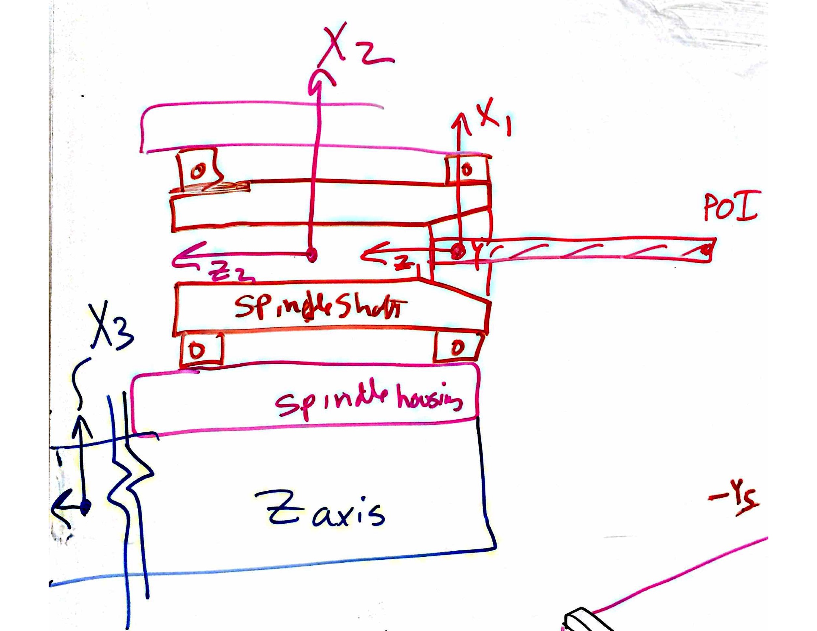
wall (mm) |  | servo system (if values needed for this CS) |  | dy |  | 0 | 0.00E+00 | 0 | -1.3013951456E-05 | 0 | 0 | Fy
Area (mm^2) | 1001 | Ballscrew |  | dz |  | 0 | 0 | 9.99E-07 | 0 |  | 0 | Fz
I width dimension of beam // nuetral axis (mm^4) | 233134 | Root diameter (mm) | 18 | thetaX |  | 0 | -1.3013951456E-05 | 0 | 2.86E-09 | 0 | 0 | Mx
I height dimension of beam // nuetral axis (mm^4) | 233134 | Length (mm) | 2500 | thetaY |  | 1.3013951456E-05 | 0 | 0 | 0 | 2.86E-09 | 0 | My
Ipolar (mm^4) | 466269 | Modulus | 2.00E+05 | thetaZ |  |  | 0 | 0 | 0 | 0 | #DIV/0! | Mz
I/A stiffness to weight ratio | 233 | shaft stiffness | 2.04E+04
ref, simply supported stiffness about Izz (N/mm) | 17485 | factor to derate stiffness of shaft for nut, mounting etc | 3
Notes: Y axis is + into the page so a + X direction force causes a - rotation about Y axis. CS origin is at center of spindle shaft, but to calculate compliance assume full shaft length and POI is at right support
Net stiffness of CS origin (POA@Center of Stiffness) due to attachment points |  | Servo stiffness (if applicable, else make sure to enter "0"
Linear stiffness
KX | 1.00E+08 | 0.00E+00
KY | 1.00E+08 | 0.00E+00 |  |  |  | Application note: IF using a purchased linear table with mfg specs for stuffness and accuracy, just enter "1" for number of attach points and then the stiffness and error motion data from the catalog for that "point" (the entire table)
KZ | 1.00E+08 | 0.00E+00 |  |  |  | CRITICAL: Enter Total number of bearing or attachment points (up to 12) AND zero out numbers in fields for points not used!
Rotation stiffness |  |  |  |  |  | Number of attach points = | 1
KrotX | 1.00E+08 | 0.00E+00 |  |  |  |  | Attachment points between current CS origin and next CS: usually in a plane
KrotY | 1.00E+08 | 0.00E+00 |  |  |  | location in axis CS | 1 | 2 | 3 | 4 | 5 | 6 | 7 | 8 | 9 | 10 | 11 | 12
KrotZ | 1.00E+08 | 0.00E+00 |  |  |  | X | 0 |  |  |  | 0 | 0 | 0 | 0 | 0 | 0 | 0 | 0
Application note: IF using a purchased axis with mfg specs for stiffness and accuracy, just enter "1" for number of attach points and then the stiffness and error motion data from the catalog for that "point" (the entire table) |  |  |  |  |  | Y | 0 |  |  |  | 0 | 0 | 0 | 0 | 0 | 0 | 0 | 0
 |  |  |  |  |  | Z | 0 |  |  |  | 0 | 0 | 0 | 0 | 0 | 0 | 0 | 0
 |  |  |  |  |  | Linear stiffness at the point
Additional angular error motions (in event of using a modular axis) |  |  |  |  |  | KX | 1.00E+08 |  |  |  | 0 | 0 | 0 | 0 | 0 | 0 | 0 | 0
Random |  |  |  |  |  | KY | 1.00E+08 |  |  |  | 0 | 0 | 0 | 0 | 0 | 0 | 0 | 0
EpsilonX (radians) | 0 |  |  |  |  | KZ | 1.00E+08 |  |  |  | 0 | 0 | 0 | 0 | 0 | 0 | 0 | 0
EpsilonY (radians) | 0 |  |  |  |  | Rotation stiffness at the point
EpsilonZ (radians) | 0 |  |  |  |  | KrotX | 1.00E+08 |  |  |  | 0 | 0 | 0 | 0 | 0 | 0 | 0 | 0
Systematic |  |  |  |  |  | KrotY | 1.00E+08 |  |  |  | 0 | 0 | 0 | 0 | 0 | 0 | 0 | 0
EpsilonX (radians) | 0 |  |  |  |  | KrotZ | 1.00E+08 |  |  |  | 0 | 0 | 0 | 0 | 0 | 0 | 0 | 0
EpsilonY (radians) | 0 |  |  |  |  | Effective contribution of linear stiffness to rotation stiffness about center of stiffness
EpsilonZ (radians) | 0 |  |  |  |  | KrotX | 0.00E+00 |  |  |  | 0 | 0 | 0 | 0 | 0 | 0 | 0 | 0
Net Random RMS error motions of points connecting adjacent CS |  |  |  |  |  | KrotY | 0.00E+00 |  |  |  | 0 | 0 | 0 | 0 | 0 | 0 | 0 | 0
DeltaX | 0 |  |  |  |  | KrotZ | 0.00E+00 |  |  |  | 0 | 0 | 0 | 0 | 0 | 0 | 0 | 0
DeltaY | 0 |  |  |  |  | Random Translational (e.g., running parallelism) error motions of attachment points, NO ZEROS FOR POINTS IN USE, INCLUDING ALONG SERVO AXIS, AT A MINIMUM MAKE SERVO DIRECTION = RUNNING PARALLISM
DeltaZ | 0 |  |  |  |  | DeltaX | 0 |  |  |  | 0 | 0 | 0 | 0 | 0 | 0 | 0 | 0
EpsilonX | 0 |  |  |  |  | DeltaY | 0 |  |  |  | 0 | 0 | 0 | 0 | 0 | 0 | 0 | 0
EpsilonY | 0 |  |  |  |  | DeltaZ | 0 |  |  |  | 0 | 0 | 0 | 0 | 0 | 0 | 0 | 0
EpsilonZ | 0 |  |  |  |  | Resulting Random Angular error motions about center of stiffness
Net Systematic RMS (to account for elastic averaging) error motions of points connecting adjacent CS |  |  |  |  |  | EpsilonX | 0.00E+00 |  |  |  | 0.00E+00 | 0.00E+00 | 0.00E+00 | 0.00E+00 | 0.00E+00 | 0.00E+00 | 0.00E+00 | 0.00E+00
DeltaX | 0 |  |  |  |  | EpsilonY | 0.00E+00 |  |  |  | 0.00E+00 | 0.00E+00 | 0.00E+00 | 0.00E+00 | 0.00E+00 | 0.00E+00 | 0.00E+00 | 0.00E+00
DeltaY | 0 |  |  |  |  | EpsilonZ | 0.00E+00 |  |  |  | 0.00E+00 | 0.00E+00 | 0.00E+00 | 0.00E+00 | 0.00E+00 | 0.00E+00 | 0.00E+00 | 0.00E+00
DeltaZ | 0 |  |  |  |  | Systematic Translational Error motions of attachment points (e.g., machining tolerance), ENTER ALL ZEROS OR ALL VALUES FOR A POINT SHOULD BE THE SAME
EpsilonX | 0 |  |  |  |  | DeltaX | 0 |  |  |  | 0 | 0 | 0 | 0 | 0 | 0 | 0 | 0
EpsilonY | 0 |  |  |  |  | DeltaY | 0 |  |  |  | 0 | 0 | 0 | 0 | 0 | 0 | 0 | 0
EpsilonZ | 0 |  |  |  |  | DeltaZ | 0 |  |  |  | 0 | 0 | 0 | 0 | 0 | 0 | 0 | 0
 |  |  |  |  |  | Resulting Systematic Angular error motions about center of stiffness (each point's angular errors are RSS'd for puspose of assumed spring equilibrium)
Rotation angles to be used for error gain calculation for this axis |  |  |  |  |  | EpsilonX | 0.00E+00 |  |  |  | 0.00E+00 | 0.00E+00 | 0.00E+00 | 0.00E+00 | 0.00E+00 | 0.00E+00 | 0.00E+00 | 0.00E+00
EpsilonX | 1.00E-03 |  |  |  |  | EpsilonY | 0.00E+00 |  |  |  | 0.00E+00 | 0.00E+00 | 0.00E+00 | 0.00E+00 | 0.00E+00 | 0.00E+00 | 0.00E+00 | 0.00E+00
EpsilonY | 1.00E-03 |  |  |  |  | EpsilonZ | 0.00E+00 |  |  |  | 0.00E+00 | 0.00E+00 | 0.00E+00 | 0.00E+00 | 0.00E+00 | 0.00E+00 | 0.00E+00 | 0.00E+00
EpsilonZ | 1.00E-03 |  |  |  |  | Structural compliance matrix (obtain values from user worksheet such as "bearings,sero, structure") ELSE ENTER ZEROS

 |  |  |  |  |  | Rotation calculations for random errors from attachment points: logic enables user to just enter coordinates of bearing blocks and running parallelism errors
 |  |  |  |  |  |  | rndm EpsilonX
 |  |  |  |  |  | rotation condition | 0 | 0 | 0 | 0 | 0 | 0 | 0 | 0 | 0 | 0 | 0 | 0
 |  |  |  |  |  | rotation condition | 0 | 0 | 0 | 0 | 0 | 0 | 0 | 0 | 0 | 0 | 0 | 0
 |  |  |  |  |  | result | 0.00E+00 | 0.00E+00 | 0.00E+00 | 0.00E+00 | 0.00E+00 | 0.00E+00 | 0.00E+00 | 0.00E+00 | 0.00E+00 | 0.00E+00 | 0.00E+00 | 0.00E+00
 |  |  |  |  |  |  | rndm EpsilonY
 |  |  |  |  |  | rotation condition | 0 | 0 | 0 | 0 | 0 | 0 | 0 | 0 | 0 | 0 | 0 | 0
 |  |  |  |  |  | rotation condition | 0.0 | 0.0 | 0.0 | 0.0 | 0.0 | 0.0 | 0.0 | 0.0 | 0.0 | 0.0 | 0.0 | 0.0
 |  |  |  |  |  | result | 0.00E+00 | 0.00E+00 | 0.00E+00 | 0.00E+00 | 0.00E+00 | 0.00E+00 | 0.00E+00 | 0.00E+00 | 0.00E+00 | 0.00E+00 | 0.00E+00 | 0.00E+00
 |  |  |  |  |  |  | rndm EpsilonZ
 |  |  |  |  |  | rotation condition | 0 | 0 | 0 | 0 | 0 | 0 | 0 | 0 | 0 | 0 | 0 | 0
 |  |  |  |  |  | rotation condition | 0 | 0 | 0 | 0 | 0 | 0 | 0 | 0 | 0 | 0 | 0 | 0
 |  |  |  |  |  | result | 0.00E+00 | 0.00E+00 | 0.00E+00 | 0.00E+00 | 0.00E+00 | 0.00E+00 | 0.00E+00 | 0.00E+00 | 0.00E+00 | 0.00E+00 | 0.00E+00 | 0.00E+00

 |  |  |  |  |  | Rotation calculations for systematic errors from attachment points: logic enables user to just enter coordinates of of mounting points and mounting point errors
 |  |  |  |  |  |  | sys EpsilonX
 |  |  |  |  |  | rotation condition | 0.00E+00 | 0.00E+00 | 0.00E+00 | 0.00E+00 | 0.00E+00 | 0.00E+00 | 0.00E+00 | 0.00E+00 | 0.00E+00 | 0.00E+00 | 0.00E+00 | 0.00E+00
 |  |  |  |  |  | rotation condition | 0.00000 | 0.00000 | 0.00000 | 0.00000 | 0.00000 | 0.00000 | 0.00000 | 0.00000 | 0.00000 | 0.00000 | 0.00000 | 0.00000
 |  |  |  |  |  | sign | 1 | 1 | 1 | 1 | 1 | 1 | 1 | 1 | 1 | 1 | 1 | 1
 |  |  |  |  |  | result | 0.00E+00 | 0.00E+00 | 0.00E+00 | 0.00E+00 | 0.00E+00 | 0.00E+00 | 0.00E+00 | 0.00E+00 | 0.00E+00 | 0.00E+00 | 0.00E+00 | 0.00E+00
 |  |  |  |  |  |  | sys EpsilonY
 |  |  |  |  |  | rotation condition | 0 | 0 | 0 | 0 | 0 | 0 | 0 | 0 | 0 | 0 | 0 | 0
 |  |  |  |  |  | rotation condition | 0 | 0 | 0 | 0 | 0 | 0 | 0 | 0 | 0 | 0 | 0 | 0
 |  |  |  |  |  | sign | 1 | 1 | 1 | 1 | 1 | 1 | 1 | 1 | 1 | 1 | 1 | 1
 |  |  |  |  |  | result | 0.00E+00 | 0.00E+00 | 0.00E+00 | 0.00E+00 | 0.00E+00 | 0.00E+00 | 0.00E+00 | 0.00E+00 | 0.00E+00 | 0.00E+00 | 0.00E+00 | 0.00E+00
 |  |  |  |  |  |  | sys EpsilonZ
 |  |  |  |  |  | rotation condition | 0.00E+00 | 0.00E+00 | 0.00E+00 | 0.00E+00 | 0.00E+00 | 0.00E+00 | 0.00E+00 | 0.00E+00 | 0.00E+00 | 0.00E+00 | 0.00E+00 | 0.00E+00
 |  |  |  |  |  | rotation condition | 0 | 0 | 0 | 0 | 0 | 0 | 0 | 0 | 0 | 0 | 0 | 0
 |  |  |  |  |  | sign | 1 | 1 | 1 | 1 | 1 | 1 | 1 | 1 | 1 | 1 | 1 | 1
 |  |  |  |  |  | result | 0.00E+00 | 0.00E+00 | 0.00E+00 | 0.00E+00 | 0.00E+00 | 0.00E+00 | 0.00E+00 | 0.00E+00 | 0.00E+00 | 0.00E+00 | 0.00E+00 | 0.00E+00

CS_5 Z-carriage
CS 5 | cutting point on workpiece
Geometric errors at CS origin and location and stiffness of points (or bearings) of attachment between coordinate systems
Error motions of CS Origin along & about its axes. Values read used by "Coordinate Systems" worksheet |  |  |  | CAREFUL as this compliance matrix is referenced in the worksheet "CSs and Loads"
Element | Bridge | Bearings (if values needed for this CS) |  | Bridge Beam Simply supported Beam: X lateral, Y axial, Z transverse
Structure type | simple supported | Size (e.g., rail width) | 25 | dx | _ = _ | 3.92E-05 | 0 | 0 | 0 | 0 |  | Fx
Material | aluminum | Fmax (N) | 17346 | dy |  | 0 | 1.97E-05 | 0 | 0 | 0 | 0 | Fy
Young's Modulus (N/mm^2) | 69000 | k @ medium preload (N/mm) | 647000 | dz |  | 0 | 0 | 3.98E-05 |  | 0 | 0 | Fz
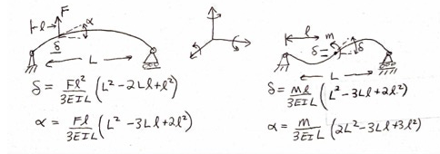
Poison ratio | 0.334 | ball diameter (mm) | 3 | thetaX |  | 0 | 0 |  | 5.25E-02 | 0 | 0 | Mx
Shear modulus (N/mm^2) | 25862 | % deflection max load | 0.01 | thetaY |  | 0 | 0 | 0 | 0 | 6.92E-03 | 0 | My
Beam properties (rectangular tube, or round, else customize) |  | stiffness est (N/mm) | 578200 | thetaZ |  |  | 0 | 0 | 0 | 0 | 2.94E-01 | Mz
Position along beam | 100 | rail width (mm) | 25
Length (mm) | 1400 | roll rotary stiffness (Nmm/radian) | 101093750 | CAREFUL as this compliance matrix is referenced in the worksheet "CSs and Loads"
Height (Z direction) (mm) (or diameter) | 203.2 | pitch rotary stiffness (Nmm/radian) | 33697917 | Bridge Beam Simply supported Beam: X lateral, Y axial, Z transverse
Width (X direction) (mm), or fraction of solid cylinder | 203.2 | yaw rotary stiffness (Nmm/radian) | 33697917 | dx | _ = _ | 9.92E-07 | 0 | 0 | 0 | 0 | -9.16E-09 | Fx
wall (mm) | 12.7 | servo system (if values needed for this CS) |  | dy |  | 0 | 1.39E-07 | 0 | 0 | 0 | 0 | Fy
Area (mm^2) | 9677 | Ballscrew |  | dz |  | 0 | 0 | 9.92E-07 | 9.16E-09 | 0 | 0 | Fz
I width dimension of beam // nuetral axis (mm^4) | 5.88E+07 | Root diameter (mm) | 18 | thetaX |  | 0 | 0 | 9.16E-09 | 2.07E-10 | 0 | 0 | Mx
I height dimension of beam // nuetral axis (mm^4) | 5.88E+07 | Length (mm) | 2500 | thetaY |  | 0 | 0 | 0 | 0 | 1.54E-10 | 0 | My
Ipolar (mm^4) | 8.78E+07 | Modulus | 2.00E+05 | thetaZ |  | 0.00E+00 | 0 | 0 | 0 | 0 | 2.07E-10 | Mz
I/A stiffness to weight ratio | 6075 | shaft stiffness | 2.04E+04
simply supported stiffness about Izz (N/mm) | 70963 | factor to derate stiffness of shaft for nut, mounting etc | 3
Notes: Careful of the sign on the compliances wrt coordinate systems!
Net stiffness of CS origin (POA@Center of Stiffness) due to attachment points |  | Servo stiffness (if applicable, else make sure to enter "0"
Linear stiffness
KX | 2.56E+04 | 0.00E+00 |  |  |  | Application note: IF using a purchased linear table with mfg specs for stuffness and accuracy, just enter "1" for number of attach points and then the stiffness and error motion data from the catalog for that "point" (the entire table)
KY | 5.11E+04 | 0.00E+00 |  |  |  | CRITICAL: Enter Total number of bearing or attachment points (up to 12) AND zero out numbers in fields for points not used!
KZ | 2.51E+04 | 0.00E+00 |  |  |  | Number of attach points = | 1
Rotation stiffness |  |  |  |  |  |  | Attachment points between current CS origin and next CS: usually in a plane
KrotX | 8.18E+07 | 0.00E+00 |  |  |  | location in axis CS | 1 | 2 | 3 | 4 | 5 | 6 | 7 | 8 | 9 | 10 | 11 | 12
KrotY | 8.18E+07 | 0.00E+00 |  |  |  | X | 0 |  |  |  | 0 | 0 | 0 | 0 | 0 | 0 | 0 | 0
KrotZ | 2.05E+07 | 0.00E+00 |  |  |  | Y | 0 |  |  |  | 0 | 0 | 0 | 0 | 0 | 0 | 0 | 0
Application note: IF using a purchased axis with mfg specs for stiffness and accuracy, just enter "1" for number of attach points and then the stiffness and error motion data from the catalog for that "point" (the entire table) |  |  |  |  |  | Z | 0 |  |  |  | 0 | 0 | 0 | 0 | 0 | 0 | 0 | 0
 |  |  |  |  |  | Linear stiffness at the point | Assume bolted joint
 |  |  |  |  | servo | KX | 2.56E+04 |  |  |  | 0 | 0 | 0 | 0 | 0 | 0 | 0 | 0
Additional angular error motions (in event of using a modular axis) |  |  |  |  |  | KY | 5.11E+04 |  |  |  | 0 | 0 | 0 | 0 | 0 | 0 | 0 | 0
Random |  |  |  |  |  | KZ | 2.51E+04 |  |  |  | 0 | 0 | 0 | 0 | 0 | 0 | 0 | 0
EpsilonX (radians) | 0 |  |  |  |  | Rotation stiffness at the point
EpsilonY (radians) | 0 |  |  |  |  | KrotX | 8.18E+07 |  |  |  | 0 | 0 | 0 | 0 | 0 | 0 | 0 | 0
EpsilonZ (radians) | 0 |  |  |  |  | KrotY | 8.18E+07 |  |  |  | 0 | 0 | 0 | 0 | 0 | 0 | 0 | 0
Systematic |  |  |  |  |  | KrotZ | 2.05E+07 |  |  |  | 0 | 0 | 0 | 0 | 0 | 0 | 0 | 0
EpsilonX (radians) | 0 |  |  |  |  | Effective contribution of linear stiffness to rotation stiffness about center of stiffness
EpsilonY (radians) | 0 |  |  |  |  | KrotX | 0.00E+00 |  |  |  | 0 | 0 | 0 | 0 | 0 | 0 | 0 | 0
EpsilonZ (radians) | 0 |  |  |  |  | KrotY | 0.00E+00 |  |  |  | 0 | 0 | 0 | 0 | 0 | 0 | 0 | 0
Net Random RMS error motions of points connecting adjacent CS |  |  |  |  |  | KrotZ | 0.00E+00 |  |  |  | 0 | 0 | 0 | 0 | 0 | 0 | 0 | 0
DeltaX | 4.70E-02 |  |  |  |  | Random Translational (e.g., running parallelism) error motions of attachment points, NO ZEROS FOR POINTS IN USE, INCLUDING ALONG SERVO AXIS, AT A MINIMUM MAKE SERVO DIRECTION = RUNNING PARALLISM
DeltaY | 4.70E-02 |  |  |  |  | DeltaX | 0.127 |  |  |  | 0 | 0 | 0 | 0 | 0 | 0 | 0 | 0
DeltaZ | 4.70E-02 |  |  |  |  | DeltaY | 0.127 |  |  |  | 0 | 0 | 0 | 0 | 0 | 0 | 0 | 0
EpsilonX | 7.50E-04 |  |  |  |  | DeltaZ | 0.127 |  |  |  | 0 | 0 | 0 | 0 | 0 | 0 | 0 | 0
EpsilonY | 7.50E-04 |  |  |  |  | Resulting Random Angular error motions about center of stiffness
EpsilonZ | 0 |  |  |  |  | EpsilonX | 0.00E+00 |  |  |  | 0.00E+00 | 0.00E+00 | 0.00E+00 | 0.00E+00 | 0.00E+00 | 0.00E+00 | 0.00E+00 | 0.00E+00
Net Systematic RMS (to account for elastic averaging) error motions of points connecting adjacent CS |  |  |  |  |  | EpsilonY | 0.00E+00 |  |  |  | 0.00E+00 | 0.00E+00 | 0.00E+00 | 0.00E+00 | 0.00E+00 | 0.00E+00 | 0.00E+00 | 0.00E+00
DeltaX | 0 |  |  |  |  | EpsilonZ | 0.00E+00 |  |  |  | 0.00E+00 | 0.00E+00 | 0.00E+00 | 0.00E+00 | 0.00E+00 | 0.00E+00 | 0.00E+00 | 0.00E+00
DeltaY | 0 |  |  |  |  | Systematic Translational Error motions of attachment points (e.g., machining tolerance), ENTER ALL ZEROS OR ALL VALUES FOR A POINT SHOULD BE THE SAME
DeltaZ | 0 |  |  |  |  | DeltaX | 0 |  |  |  | 0 | 0 | 0 | 0 | 0 | 0 | 0 | 0
EpsilonX | 0 |  |  |  |  | DeltaY | 0 |  |  |  | 0 | 0 | 0 | 0 | 0 | 0 | 0 | 0
EpsilonY | 0 |  |  |  |  | DeltaZ | 0 |  |  |  | 0 | 0 | 0 | 0 | 0 | 0 | 0 | 0
EpsilonZ | 0 |  |  |  |  | Resulting Systematic Angular error motions about center of stiffness (each point's angular errors are RSS'd for puspose of assumed spring equilibrium)
 |  |  |  |  |  | EpsilonX | 0.00E+00 |  |  |  | 0.00E+00 | 0.00E+00 | 0.00E+00 | 0.00E+00 | 0.00E+00 | 0.00E+00 | 0.00E+00 | 0.00E+00
Rotation angles to be used for error gain calculation for this axis |  |  |  |  |  | EpsilonY | 0.00E+00 |  |  |  | 0.00E+00 | 0.00E+00 | 0.00E+00 | 0.00E+00 | 0.00E+00 | 0.00E+00 | 0.00E+00 | 0.00E+00
EpsilonX | 7.50E-04 |  |  |  |  | EpsilonZ | 0.00E+00 |  |  |  | 0.00E+00 | 0.00E+00 | 0.00E+00 | 0.00E+00 | 0.00E+00 | 0.00E+00 | 0.00E+00 | 0.00E+00
EpsilonY | 7.50E-04
EpsilonZ | 1.00E-03

 |  |  |  |  |  |  |  |  |  |  |  |  |  |  |  |  |  | 0.00E+00

 |  |  |  |  |  | Rotation calculations for random errors from attachment points: logic enables user to just enter coordinates of bearing blocks and running parallelism errors
 |  |  |  |  |  |  | rndm EpsilonX
 |  |  |  |  |  | rotation condition | 127000 | 0 | 0 | 0 | 0 | 0 | 0 | 0 | 0 | 0 | 0 | 0
 |  |  |  |  |  | rotation condition | 127000 | 0 | 0 | 0 | 0 | 0 | 0 | 0 | 0 | 0 | 0 | 0
 |  |  |  |  |  | result | 0.00E+00 | 0.00E+00 | 0.00E+00 | 0.00E+00 | 0.00E+00 | 0.00E+00 | 0.00E+00 | 0.00E+00 | 0.00E+00 | 0.00E+00 | 0.00E+00 | 0.00E+00
 |  |  |  |  |  |  | rndm EpsilonY
 |  |  |  |  |  | rotation condition | 127000 | 0 | 0 | 0 | 0 | 0 | 0 | 0 | 0 | 0 | 0 | 0
 |  |  |  |  |  | rotation condition | 127000.0 | 0.0 | 0.0 | 0.0 | 0.0 | 0.0 | 0.0 | 0.0 | 0.0 | 0.0 | 0.0 | 0.0
 |  |  |  |  |  | result | 0.00E+00 | 0.00E+00 | 0.00E+00 | 0.00E+00 | 0.00E+00 | 0.00E+00 | 0.00E+00 | 0.00E+00 | 0.00E+00 | 0.00E+00 | 0.00E+00 | 0.00E+00
 |  |  |  |  |  |  | rndm EpsilonZ
 |  |  |  |  |  | rotation condition | 127000 | 0 | 0 | 0 | 0 | 0 | 0 | 0 | 0 | 0 | 0 | 0
 |  |  |  |  |  | rotation condition | 127000 | 0 | 0 | 0 | 0 | 0 | 0 | 0 | 0 | 0 | 0 | 0
 |  |  |  |  |  | result | 0.00E+00 | 0.00E+00 | 0.00E+00 | 0.00E+00 | 0.00E+00 | 0.00E+00 | 0.00E+00 | 0.00E+00 | 0.00E+00 | 0.00E+00 | 0.00E+00 | 0.00E+00

 |  |  |  |  |  | Rotation calculations for systematic errors from attachment points: logic enables user to just enter coordinates of of mounting points and mounting point errors
 |  |  |  |  |  |  | sys EpsilonX
 |  |  |  |  |  | rotation condition | 0.00E+00 | 0.00E+00 | 0.00E+00 | 0.00E+00 | 0.00E+00 | 0.00E+00 | 0.00E+00 | 0.00E+00 | 0.00E+00 | 0.00E+00 | 0.00E+00 | 0.00E+00
 |  |  |  |  |  | rotation condition | 0.00000 | 0.00000 | 0.00000 | 0.00000 | 0.00000 | 0.00000 | 0.00000 | 0.00000 | 0.00000 | 0.00000 | 0.00000 | 0.00000
 |  |  |  |  |  | sign | 1 | 1 | 1 | 1 | 1 | 1 | 1 | 1 | 1 | 1 | 1 | 1
 |  |  |  |  |  | result | 0.00E+00 | 0.00E+00 | 0.00E+00 | 0.00E+00 | 0.00E+00 | 0.00E+00 | 0.00E+00 | 0.00E+00 | 0.00E+00 | 0.00E+00 | 0.00E+00 | 0.00E+00
 |  |  |  |  |  |  | sys EpsilonY
 |  |  |  |  |  | rotation condition | 0 | 0 | 0 | 0 | 0 | 0 | 0 | 0 | 0 | 0 | 0 | 0
 |  |  |  |  |  | rotation condition | 0 | 0 | 0 | 0 | 0 | 0 | 0 | 0 | 0 | 0 | 0 | 0
 |  |  |  |  |  | sign | 1 | 1 | 1 | 1 | 1 | 1 | 1 | 1 | 1 | 1 | 1 | 1
 |  |  |  |  |  | result | 0.00E+00 | 0.00E+00 | 0.00E+00 | 0.00E+00 | 0.00E+00 | 0.00E+00 | 0.00E+00 | 0.00E+00 | 0.00E+00 | 0.00E+00 | 0.00E+00 | 0.00E+00
 |  |  |  |  |  |  | sys EpsilonZ
 |  |  |  |  |  | rotation condition | 0.00E+00 | 0.00E+00 | 0.00E+00 | 0.00E+00 | 0.00E+00 | 0.00E+00 | 0.00E+00 | 0.00E+00 | 0.00E+00 | 0.00E+00 | 0.00E+00 | 0.00E+00
 |  |  |  |  |  | rotation condition | 0 | 0 | 0 | 0 | 0 | 0 | 0 | 0 | 0 | 0 | 0 | 0
 |  |  |  |  |  | sign | 1 | 1 | 1 | 1 | 1 | 1 | 1 | 1 | 1 | 1 | 1 | 1
 |  |  |  |  |  | result | 0.00E+00 | 0.00E+00 | 0.00E+00 | 0.00E+00 | 0.00E+00 | 0.00E+00 | 0.00E+00 | 0.00E+00 | 0.00E+00 | 0.00E+00 | 0.00E+00 | 0.00E+00

CS_6 Spindle
CS 6 | X-axis
Geometric errors at CS origin and location and stiffness of points (or bearings) of attachment between coordinate systems
Error motions of CS Origin along & about its axes. Values read used by "Coordinate Systems" worksheet |  |  |  | CAREFUL as this compliance matrix is referenced in the worksheet "CSs and Loads"
Element | Risers | Bearings (if values needed for this CS) |  | Risers Cantilever Beam: X lateral, Y transverse, Z axial
Structure type | cantilever | Size (e.g., rail width) | 25 | dx | _ = _ | 2.44E-06 | 0 | 0 | 0 |  | 0 | Fx
Material | aluminum | Fmax (N) | 17346 | dy |  | 0 | 2.44E-06 | 0 |  | 0 | 0 | Fy
Young's Modulus (N/mm^2) | 69000 | k @ medium preload (N/mm) | 647000 | dz |  | 0 | 0 | 3.57E-06 | 0 | 0 | 0 | Fz
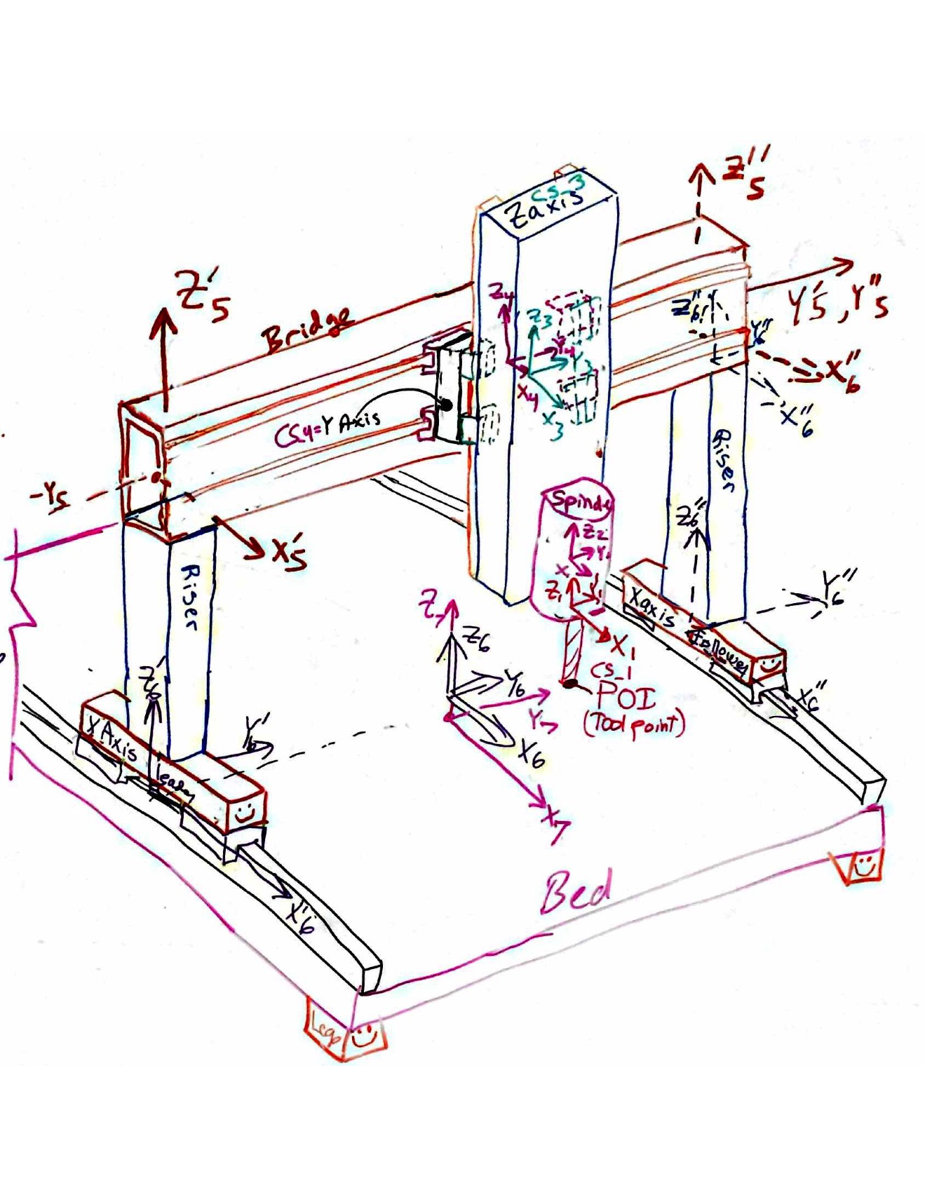
Poison ratio | 0.334 | ball diameter (mm) | 3 | thetaX |  |  |  | 0 | 7.31E-04 | 0 | 0 | Mx
Shear modulus (N/mm^2) | 25862 | % deflection max load | 0.01 | thetaY |  |  | 0 | 0 | 0 | 7.31E-04 | 0 | My
Beam properties (rectangular tube, or round, else customize) |  | stiffness est (N/mm) | 578200 | thetaZ |  | 0 | 0 | 0 | 0 | 0 | 1.00E-09 | Mz
Position along beam | 700 | rail width (mm) | 25
Length (mm) | 700 | roll rotary stiffness (Nmm/radian) | 101093750 | CAREFUL as this compliance matrix is referenced in the worksheet "CSs and Loads"
Height (x direction) (mm) (or diameter) | 203.2 | pitch rotary stiffness (Nmm/radian) | 33697917 | Risers Cantilever Beam: X lateral, Y transverse, Z axial
Width (Y direction) (mm), or fraction of solid cylinder | 203.2 | yaw rotary stiffness (Nmm/radian) | 33697917 | dx | _ = _ | 7.05E-06 | 0 | 0 | 0 | -1.51E-08 | 0 | Fx
wall (mm) | 12.7 | servo system (if values needed for this CS) |  | dy |  | 0 | 7.05E-06 | 0 | -1.51E-08 | 0 | 0 | Fy
Area (mm^2) | 19355 | Ballscrew | X axis | dz |  | 0 | 0 | 2.62E-07 | 0 | 0 | 0 | Fz
I width dimension of beam // nuetral axis (mm^4) | 1.18E+08 | Root diameter (mm) | 25 | thetaX |  |  | -1.51E-08 | 0 | 3.64E-12 | 0 | 0 | Mx
I height dimension of beam // nuetral axis (mm^4) | 1.18E+08 | Length (mm) | 100 | thetaY |  | -1.51E-08 | 0 | 0 | 0 | 4.31E-11 | 0 | My
Ipolar (mm^4) | 1.76E+08 | Modulus | 2.00E+05 | thetaZ |  | 0 | 0 | 0 | 0 | 0 | 2.45E-12 | Mz
I/A stiffness to weight ratio | 6075 | shaft stiffness | 9.82E+05
simply supported stiffness about Izz (N/mm) | 70963 | factor to derate stiffness of shaft for nut, mounting etc | 3
Notes:
Net stiffness of CS origin (POA@Center of Stiffness) due to attachment points |  | Servo stiffness (if applicable, else make sure to enter "0"
Linear stiffness
KX | 1.33E+06 | 3.27E+05
KY | 1.00E+06 | 0.00E+00 |  |  |  | Application note: IF using a purchased linear table with mfg specs for stuffness and accuracy, just enter "1" for number of attach points and then the stiffness and error motion data from the catalog for that "point" (the entire table)
KZ | 1.00E+06 | 0.00E+00 |  |  |  | CRITICAL: Enter Total number of bearing or attachment points (up to 12) AND zero out numbers in fields for points not used!
Rotation stiffness |  |  |  |  |  | Number of attach points = | 1
KrotX | 6.26E+08 | 0.00E+00 |  |  |  |  | Attachment points between current CS origin and next CS: usually in a plane
KrotY | 0.00E+00 | 0.00E+00 |  |  |  | location in axis CS | 1 | 2 | 3 | 4 | 5 | 6 | 7 | 8 | 9 | 10 | 11 | 12
KrotZ | 6.26E+08 | 0.00E+00 |  |  |  | X | 0 |  |  |  | 0 | 0 | 0 | 0 | 0 | 0 | 0 | 0
Application note: IF using a purchased axis with mfg specs for stiffness and accuracy, just enter "1" for number of attach points and then the stiffness and error motion data from the catalog for that "point" (the entire table) |  |  |  |  |  | Y | -25 |  |  |  | 0 | 0 | 0 | 0 | 0 | 0 | 0 | 0
 |  |  |  |  |  | Z | 0 |  |  |  | 0 | 0 | 0 | 0 | 0 | 0 | 0 | 0
 |  |  |  |  |  | Linear stiffness at the point
Additional angular error motions (in event of using a modular axis) |  |  |  |  |  | KX | 1.00E+06 |  |  |  | 0 | 0 | 0 | 0 | 0 | 0 | 0 | 0
Random |  |  |  |  |  | KY | 1.00E+06 |  |  |  | 0 | 0 | 0 | 0 | 0 | 0 | 0 | 0
EpsilonX (radians) | 0 |  |  |  |  | KZ | 1.00E+06 |  |  |  | 0 | 0 | 0 | 0 | 0 | 0 | 0 | 0
EpsilonY (radians) | 0 |  |  |  |  | Rotation stiffness at the point
EpsilonZ (radians) | 0 |  |  |  |  | KrotX | 1.00E+06 |  |  |  | 0 | 0 | 0 | 0 | 0 | 0 | 0 | 0
Systematic |  |  |  |  |  | KrotY | 0.00E+00 |  |  |  | 0 | 0 | 0 | 0 | 0 | 0 | 0 | 0
EpsilonX (radians) | 0 |  |  |  |  | KrotZ | 1.00E+06 |  |  |  | 0 | 0 | 0 | 0 | 0 | 0 | 0 | 0
EpsilonY (radians) | 0 |  |  |  |  | Effective contribution of linear stiffness to rotation stiffness about center of stiffness
EpsilonZ (radians) | 0 |  |  |  |  | KrotX | 6.25E+08 |  |  |  | 0 | 0 | 0 | 0 | 0 | 0 | 0 | 0
Net Random RMS error motions of points connecting adjacent CS |  |  |  |  |  | KrotY | 0.00E+00 |  |  |  | 0 | 0 | 0 | 0 | 0 | 0 | 0 | 0
DeltaX | 0.0025 | 0 |  |  |  | KrotZ | 6.25E+08 |  |  |  | 0 | 0 | 0 | 0 | 0 | 0 | 0 | 0
DeltaY | 0.0025 | 0 |  |  |  | Random Translational (e.g., running parallelism) error motions of attachment points, NO ZEROS FOR POINTS IN USE, INCLUDING ALONG SERVO AXIS, AT A MINIMUM MAKE SERVO DIRECTION = RUNNING PARALLISM
DeltaZ | 0.01905 | 0 |  |  |  | DeltaX | 0 |  |  |  | 0 | 0 | 0 | 0 | 0 | 0 | 0 | 0
EpsilonX | 0.01905 | 0 |  |  |  | DeltaY | 0 |  |  |  | 0 | 0 | 0 | 0 | 0 | 0 | 0 | 0
EpsilonY | 0.01905 | 0 |  |  |  | DeltaZ | 0 |  |  |  | 0 | 0 | 0 | 0 | 0 | 0 | 0 | 0
EpsilonZ | 0.0025 | 0 |  |  |  | Resulting Random Angular error motions about center of stiffness
Net Systematic RMS (to account for elastic averaging) error motions of points connecting adjacent CS |  |  |  |  |  | EpsilonX | 0.00E+00 |  |  |  | 0.00E+00 | 0.00E+00 | 0.00E+00 | 0.00E+00 | 0.00E+00 | 0.00E+00 | 0.00E+00 | 0.00E+00
DeltaX | 0 |  |  |  |  | EpsilonY | 0.00E+00 |  |  |  | 0.00E+00 | 0.00E+00 | 0.00E+00 | 0.00E+00 | 0.00E+00 | 0.00E+00 | 0.00E+00 | 0.00E+00
DeltaY | 0 |  |  |  |  | EpsilonZ | 0.00E+00 |  |  |  | 0.00E+00 | 0.00E+00 | 0.00E+00 | 0.00E+00 | 0.00E+00 | 0.00E+00 | 0.00E+00 | 0.00E+00
DeltaZ | 0 |  |  |  |  | Systematic Translational Error motions of attachment points (e.g., machining tolerance), ENTER ALL ZEROS OR ALL VALUES FOR A POINT SHOULD BE THE SAME
EpsilonX | 0 |  |  |  |  | DeltaX | 0 |  |  |  | 0 | 0 | 0 | 0 | 0 | 0 | 0 | 0
EpsilonY | 0 |  |  |  |  | DeltaY | 0 |  |  |  | 0 | 0 | 0 | 0 | 0 | 0 | 0 | 0
EpsilonZ | 0 |  |  |  |  | DeltaZ | 0 |  |  |  | 0 | 0 | 0 | 0 | 0 | 0 | 0 | 0
 |  |  |  |  |  | Resulting Systematic Angular error motions about center of stiffness (each point's angular errors are RSS'd for puspose of assumed spring equilibrium)
Rotation angles to be used for error gain calculation for this axis |  |  |  |  |  | EpsilonX | 0.00E+00 |  |  |  | 0.00E+00 | 0.00E+00 | 0.00E+00 | 0.00E+00 | 0.00E+00 | 0.00E+00 | 0.00E+00 | 0.00E+00
EpsilonX | 1.90E-02 |  |  |  |  | EpsilonY | 0.00E+00 |  |  |  | 0.00E+00 | 0.00E+00 | 0.00E+00 | 0.00E+00 | 0.00E+00 | 0.00E+00 | 0.00E+00 | 0.00E+00
EpsilonY | 1.90E-02 |  |  |  |  | EpsilonZ | 0.00E+00 |  |  |  | 0.00E+00 | 0.00E+00 | 0.00E+00 | 0.00E+00 | 0.00E+00 | 0.00E+00 | 0.00E+00 | 0.00E+00
EpsilonZ | 2.50E-03

 |  |  |  |  |  | Rotation calculations for random errors from attachment points: logic enables user to just enter coordinates of bearing blocks and running parallelism errors
 |  |  |  |  |  |  | rndm EpsilonX
 |  |  |  |  |  | rotation condition | 0 | 0 | 0 | 0 | 0 | 0 | 0 | 0 | 0 | 0 | 0 | 0
 |  |  |  |  |  | rotation condition | 0 | 0 | 0 | 0 | 0 | 0 | 0 | 0 | 0 | 0 | 0 | 0
 |  |  |  |  |  | result | 0.00E+00 | 0.00E+00 | 0.00E+00 | 0.00E+00 | 0.00E+00 | 0.00E+00 | 0.00E+00 | 0.00E+00 | 0.00E+00 | 0.00E+00 | 0.00E+00 | 0.00E+00
 |  |  |  |  |  |  | rndm EpsilonY
 |  |  |  |  |  | rotation condition | 0 | 0 | 0 | 0 | 0 | 0 | 0 | 0 | 0 | 0 | 0 | 0
 |  |  |  |  |  | rotation condition | 0.0 | 0.0 | 0.0 | 0.0 | 0.0 | 0.0 | 0.0 | 0.0 | 0.0 | 0.0 | 0.0 | 0.0
 |  |  |  |  |  | result | 0.00E+00 | 0.00E+00 | 0.00E+00 | 0.00E+00 | 0.00E+00 | 0.00E+00 | 0.00E+00 | 0.00E+00 | 0.00E+00 | 0.00E+00 | 0.00E+00 | 0.00E+00
 |  |  |  |  |  |  | rndm EpsilonZ
 |  |  |  |  |  | rotation condition | 0 | 0 | 0 | 0 | 0 | 0 | 0 | 0 | 0 | 0 | 0 | 0
 |  |  |  |  |  | rotation condition | 0 | 0 | 0 | 0 | 0 | 0 | 0 | 0 | 0 | 0 | 0 | 0
 |  |  |  |  |  | result | 0.00E+00 | 0.00E+00 | 0.00E+00 | 0.00E+00 | 0.00E+00 | 0.00E+00 | 0.00E+00 | 0.00E+00 | 0.00E+00 | 0.00E+00 | 0.00E+00 | 0.00E+00

 |  |  |  |  |  | Rotation calculations for systematic errors from attachment points: logic enables user to just enter coordinates of of mounting points and mounting point errors
 |  |  |  |  |  |  | sys EpsilonX
 |  |  |  |  |  | rotation condition | 0.00E+00 | 0.00E+00 | 0.00E+00 | 0.00E+00 | 0.00E+00 | 0.00E+00 | 0.00E+00 | 0.00E+00 | 0.00E+00 | 0.00E+00 | 0.00E+00 | 0.00E+00
 |  |  |  |  |  | rotation condition | 0.00000 | 0.00000 | 0.00000 | 0.00000 | 0.00000 | 0.00000 | 0.00000 | 0.00000 | 0.00000 | 0.00000 | 0.00000 | 0.00000
 |  |  |  |  |  | sign | 1 | 1 | 1 | 1 | 1 | 1 | 1 | 1 | 1 | 1 | 1 | 1
 |  |  |  |  |  | result | 0.00E+00 | 0.00E+00 | 0.00E+00 | 0.00E+00 | 0.00E+00 | 0.00E+00 | 0.00E+00 | 0.00E+00 | 0.00E+00 | 0.00E+00 | 0.00E+00 | 0.00E+00
 |  |  |  |  |  |  | sys EpsilonY
 |  |  |  |  |  | rotation condition | 0 | 0 | 0 | 0 | 0 | 0 | 0 | 0 | 0 | 0 | 0 | 0
 |  |  |  |  |  | rotation condition | 0 | 0 | 0 | 0 | 0 | 0 | 0 | 0 | 0 | 0 | 0 | 0
 |  |  |  |  |  | sign | 1 | 1 | 1 | 1 | 1 | 1 | 1 | 1 | 1 | 1 | 1 | 1
 |  |  |  |  |  | result | 0.00E+00 | 0.00E+00 | 0.00E+00 | 0.00E+00 | 0.00E+00 | 0.00E+00 | 0.00E+00 | 0.00E+00 | 0.00E+00 | 0.00E+00 | 0.00E+00 | 0.00E+00
 |  |  |  |  |  |  | sys EpsilonZ
 |  |  |  |  |  | rotation condition | 0.00E+00 | 0.00E+00 | 0.00E+00 | 0.00E+00 | 0.00E+00 | 0.00E+00 | 0.00E+00 | 0.00E+00 | 0.00E+00 | 0.00E+00 | 0.00E+00 | 0.00E+00
 |  |  |  |  |  | rotation condition | 0 | 0 | 0 | 0 | 0 | 0 | 0 | 0 | 0 | 0 | 0 | 0
 |  |  |  |  |  | sign | 1 | 1 | 1 | 1 | 1 | 1 | 1 | 1 | 1 | 1 | 1 | 1
 |  |  |  |  |  | result | 0.00E+00 | 0.00E+00 | 0.00E+00 | 0.00E+00 | 0.00E+00 | 0.00E+00 | 0.00E+00 | 0.00E+00 | 0.00E+00 | 0.00E+00 | 0.00E+00 | 0.00E+00

X section properties
square or round
Round | units | name | value
OD | mm | R_OD | 250
wall | mm | R_wall | 12.7
Area | mm^2 | R_Area | 9,468
I | mm^4 | R_I | 66834233.893984355
Ipolar | mm^4 | R_Ip | 133668467.78796871

Square
OD | mm | S_OD | 100
wall | mm | S_wall | 6
Area | mm^2 | S_Area | 2,256
Iyy | mm^4 | S_I | 3.34E+06
Ipolar | mm^4 | S_IP | 4.98E+06
Linear guide rail size | mm | lgrs | 25
estimated distance between carriage center stiffnesses
square tube mount | mm | lgst | 75 | 6382978.7234
round tube mount | mm | lgrt | 275
Comparison |  |  |  | 0.78074896
Area round / area square | 4.20
Iyy round / Iyy square | 20.04
I polar round/square | 26.82
bearing socaing round / bearing spacing square | 3.6666666667

X axis structure
Round | units | value
Modulus | MPa | 66667
OD | mm | 500
wall | mm | 25
Area | mm^2 | 37,306
Iyy | mm^4 | 1055071985.9
Ipolar | mm^4 | 2110143971.8
total length | mm | 1800
x axis position | mm
offset of X zero from end | mm | 200
position ("a) of CS from end | mm | 200
torsional stiffness | N-mm/rad | 2.64E+11
X stiffness | N/mm | 13,989,905 | axial
Y stiffness | N/mm | 274758 | simply supported
Z stiffness | N/mm | 274758 | simply supported
angular stiffness | N-mm/rad | 3956519947 | simply supported

Right Hand CS
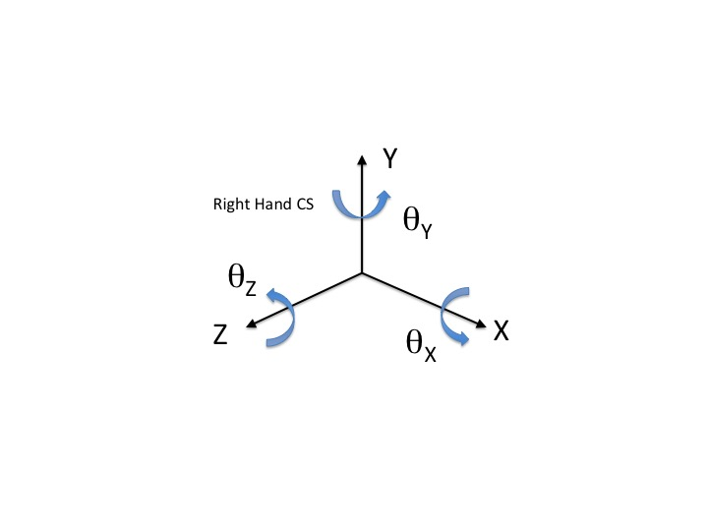

HTM formulas
