in
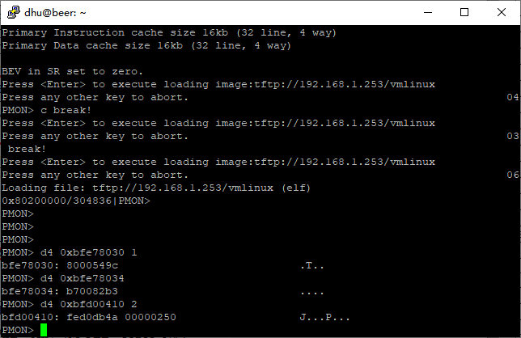
 | Loongson LS1C300 Clock
 | dhu@hodcarrier.org
 |  |  |  |  | START_FREQ
 |  |  |  |  |  |  |  |  |  |  |  |  |  |  | cpu_throt
 | XTAL |  | OSC |  |  | PLL |  | cpu_div |  | CPU |  |  |  |  | 15 |  | CPU
 | 24 | MHz | 24 |  |  | 264 |  | 1 |  | 264 | MHz |  |  |  | 16 |  | 264

 |  |  |  |  |  |  |  |  |  | div_sdram |  | SDRAM |  |  | (4) |  | SPI
 |  | 44 |  |  |  |  |  |  |  | 2 |  | 132 | MHz |  | 1 |  | 33
 |  | M_PLL[15:8] | 2C
 |  | FRAC_N[23:16]

 |  |  |  |  | CLK_DIV_PARAM

 |  |  |  |  |  |  |  | pix_div |  | DC
 |  |  |  |  |  |  |  | 33 |  | 4
 |  |  |  |  |  |  |  | 132 |  | 1
 |  | APB(SDRAM)
 |  | 132 | MHz

 |  |  |  |  |  |  |  | cam_div |  | CAMERA
 |  |  |  |  |  |  |  | 33 |  | 4 |  |  |  |  |  | 1 | 133
 |  |  |  |  |  |  |  |  |  |  |  |  |  |  |  | 2 | 266
 |  |  |  |  |  |  |  |  |  |  |  |  |  |  |  | 3 | 399
 |  |  |  |  |  |  |  |  |  |  |  |  |  |  |  | 4 | 532
 |  |  |  |  |  |  |  | cpu_div |  | CPU
 |  |  |  |  |  |  |  | 1 |  | 264

 | START_FREQ |  | 高位 | 低位 |  | 缺省值 | 配置值 | 数值 | 十六进制
 | PLL_VALID |  | 31 | 31 |  | 1 | 1 | 2147483648 | 80000000 |  |  |  |  | 1 | 0
 | Reserved |  | 30 | 24 |  | 1 | 0 | 0 | 0 |  |  |  | 0 | 127
 | FRAC_N |  | 23 | 16 |  | 1 | 0 | 0 | 0
 | M_PLL |  | 15 | 8 |  | 1 | 2C | 11264 | 2C00
 | Reserved |  | 7 | 4 |  | 0 | 0 | 0 | 0 |  |  |  |  | 15 | 0
 | RST_TIME |  | 3 | 2 |  | 1 | 3 | 12 | C |  |  |  |  | 1 | 2 | 3
 | SDRAM_DIV |  | 1 | 0 |  | 1 | 3：3分频 | 3 | 3 |  |  |  | 0：2分频 | 1：4分频 | 2：3分频 | 3：3分频

 |  |  |  |  |  |  |  | 2147494927 | 0x80002C0F |  |  |  |  | 1

 | CLK_DIV_PARAM
 | PIX_DIV |  | 31 | 24 | FALSE | 0x24 | 33 | 553648128 | 21000000 |  |  |  |  | 0 | 255
 | CAM_DIV |  | 23 | 16 | FALSE | 0x24 | 33 | 2162688 | 210000 |  |  |  |  | 0 | 255
 | CPU_DIV |  | 15 | 8 | TRUE | 0x24 | 129 | 33024 | 8100 |  |  |  |  | 0 | 255
 | Reserved |  | 7 | 6 |  |  | 0 | 0 | 0 |  |  |  |  | 0 | 3
 | PIX_DIV_VALID |  | 5 | 5 |  |  | 0 | 0 | 0 |  |  |  |  | 0 | 1
 | PIX_SEL |  | 4 | 4 |  |  | 0 | 0 | 0 |  |  |  |  | 0 | 1
 | CAM_DIV_VALID |  | 3 | 3 |  |  | 0 | 0 | 0 |  |  |  |  | 0 | 1
 | CAM_SEL |  | 2 | 2 |  |  | 0 | 0 | 0 |  |  |  |  | 0 | 1
 | CPU_DIV_VALID |  | 1 | 1 |  |  | 1 | 2 | 2 |  |  |  |  | 0 | 1
 | CPU_SEL |  | 0 | 0 |  |  | 0 | 0 | 0 |  |  |  |  | 0 | 1

 |  |  |  |  |  |  |  | 555843842 | 0x21218102

 |  |  |  |  |  |  |  |  |  | 578.70369792
 |  |  |  |  |  |  |  |  |  | 00000242

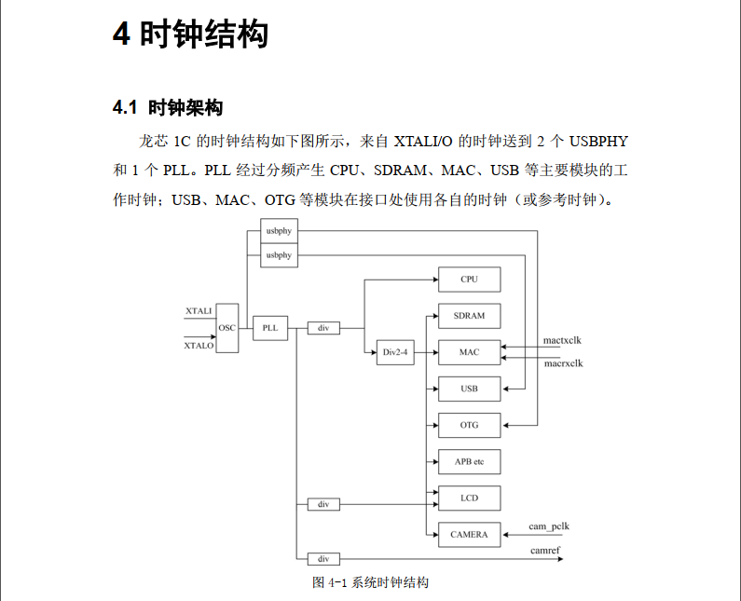

dhu@hodcarrier.org

