savings
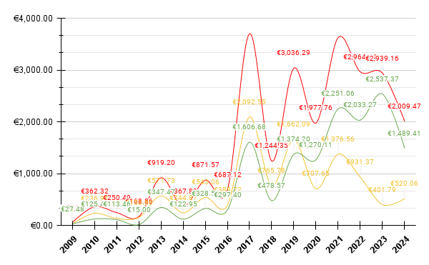
Year | Full_Price | Paid_Price | Savings
2009 | €57.13 | €29.65 | €27.48
2010 | €362.32 | €236.91 | €125.41
2011 | €250.49 | €137.03 | €113.46
2012 | €168.86 | €153.86 | €15.00
2013 | €919.20 | €571.73 | €347.47
2014 | €367.82 | €244.87 | €122.95
2015 | €871.57 | €543.06 | €328.51
2016 | €687.12 | €389.72 | €297.40
2017 | €3,699.23 | €2,092.55 | €1,606.68
2018 | €1,244.35 | €765.78 | €478.57
2019 | €3,036.29 | €1,662.09 | €1,374.20
2020 | €1,977.76 | €707.65 | €1,270.11
2021 | €3,627.62 | €1,376.56 | €2,251.06
2022 | €2,964.64 | €931.37 | €2,033.27
2023 | €2,939.16 | €401.79 | €2,537.37
2024 | €2,009.47 | €520.06 | €1,489.41

 |  |  |  | Year | Games
 |  |  |  | 2009 | 3
 |  |  |  | 2010 | 20
 |  |  |  | 2011 | 17
 |  |  |  | 2012 | 9
 |  |  |  | 2013 | 41
 |  |  |  | 2014 | 23
 |  |  |  | 2015 | 55
 |  |  |  | 2016 | 45
 |  |  |  | 2017 | 186
 |  |  |  | 2018 | 66
 |  |  |  | 2019 | 117
 |  |  |  | 2020 | 79
 |  |  |  | 2021 | 161
 |  |  |  | 2022 | 94
 |  |  |  | 2023 | 83
 |  |  |  | 2024 | 48

