savings
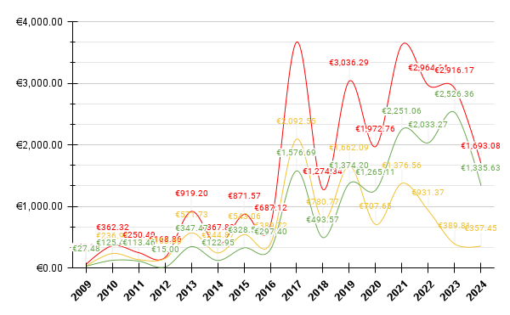
Year | Full_Price | Paid_Price | Savings
2009 | €57.13 | €29.65 | €27.48
2010 | €362.32 | €236.91 | €125.41
2011 | €250.49 | €137.03 | €113.46
2012 | €168.86 | €153.86 | €15.00
2013 | €919.20 | €571.73 | €347.47
2014 | €367.82 | €244.87 | €122.95
2015 | €871.57 | €543.06 | €328.51
2016 | €687.12 | €389.72 | €297.40
2017 | €3,669.24 | €2,092.55 | €1,576.69
2018 | €1,274.34 | €780.77 | €493.57
2019 | €3,036.29 | €1,662.09 | €1,374.20
2020 | €1,972.76 | €707.65 | €1,265.11
2021 | €3,627.62 | €1,376.56 | €2,251.06
2022 | €2,964.64 | €931.37 | €2,033.27
2023 | €2,916.17 | €389.81 | €2,526.36
2024 | €1,693.08 | €357.45 | €1,335.63

