Sheet1
cell # | Hyper Param
6 | Train_1 |  | 2000 | train_1 = data[:2000] | 2000 | 2000 | 2000 | 2000 | 2000
 | Train_0 |  | 4000 | train_0 = data[2181: 6181] | 4000 | 4000 | 4000 | 2500 | 4000
 | Test_1 |  | 181 | test_1 = data[2000:2181] | 181 | 181 | 181 | 181 | 181
 | Test_0 |  | 181 | test_0 = data[6181: 6362] | 181 | 181 | 181 | 181 | 181
12 | test_size |  | 0.1 |  | 0.3 | 0.2 | 0.2 | 0.1 | 0.1
14 | batch_size | 4,6,8 | 6 |  | 6 | 6 | 6 | 6 | 4
17 | learning_rate |  | 3.00E-05 |  | 3.00E-05 | 1.05E-05 | 5.00E-05 | 3.00E-05 | 3.00E-05
 | epoch | 2021-02-04 | 2 |  | 4 | 2 | 2 | 2 | 2

 | Performance
 | loss |  | 0.1112 |  | 0.0321 | 0.1251 | 0.1123
 | Train |  | 0.962 |  | 0.99 | 0.9543 | 0.9583 | 0.9575 | 0.9672
 | Val |  | 0.9583 |  | 0.9572 | 0.9556 | 0.9544 | 0.9467 | 0.96
 | Test |  | 0.9585 | 0.9558 | 0.9530 | 0.9586 | 0.9613 | 0.9447 | 0.9668
 | prediction on 例句 (anti-money laundaring) |  | 1 |  | 1 | 1 | 1 | 1 | 0
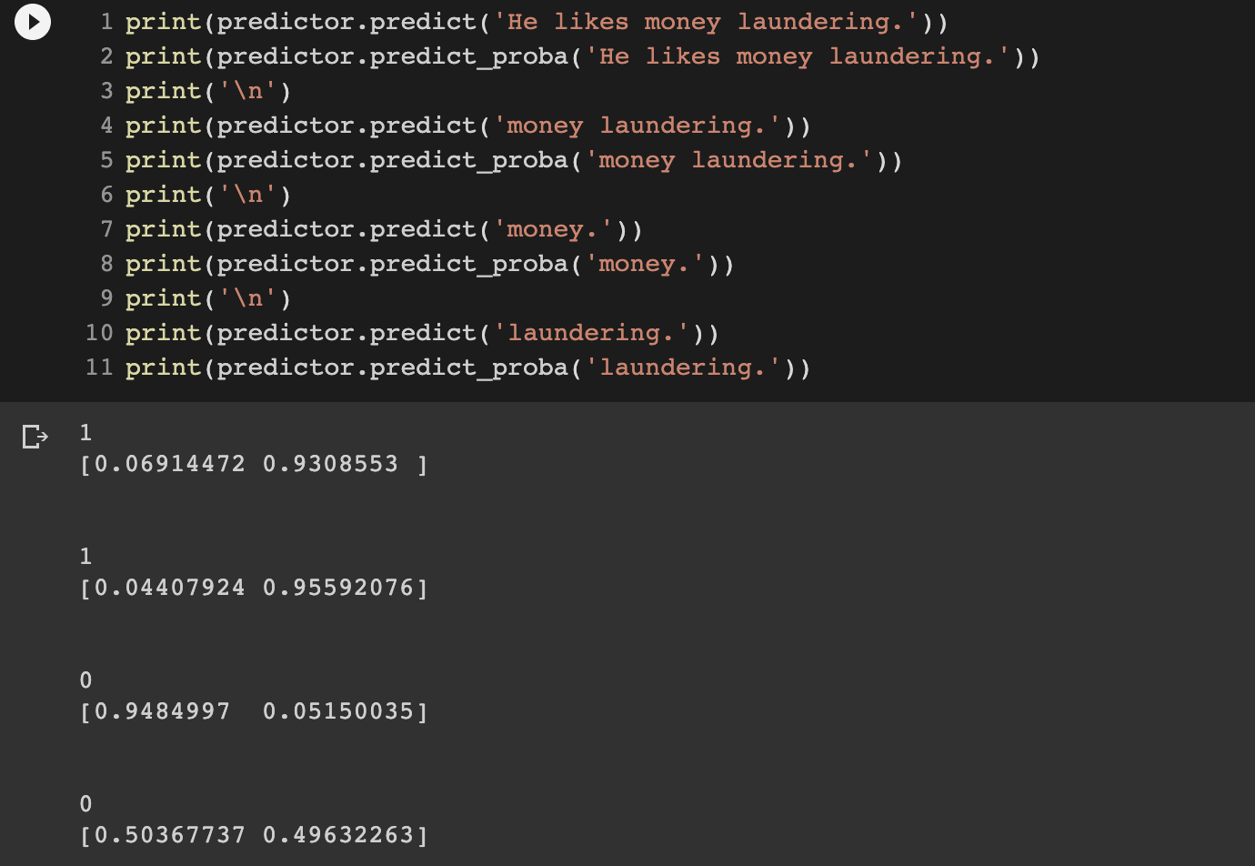
 | gap (train-val) |  | 0.0037 |  | 0.0328 | -0.0013 | 0.0039 | 0.0108 | 0.0072

