AlexNet_Table1, 2
 | AAFT(1) |  |  | AAFT(2) |  |  | AAFT(3) |  |  | AAFT(4) |  |  | AAFT(5) |  |  |  | Train Loss
 | easy | fair | chal | easy | fair | chal | easy | fair | chal | easy | fair | chal | easy | fair | chal
1 | 3.38 | 2.93 | 3.36 | 2.96 | 3.79 | 2.78 | 2.63 | 2.62 | 3.37 | 1.62 | 2.27 | 1.57 | 1.11 | 1.66 | 1.58
2 | 3.19 | 3.36 | 3.27 | 3.20 | 3.12 | 3.48 | 2.01 | 1.86 | 3.74 | 1.86 | 2.54 | 2.31 | 1.46 | 1.11 | 2.21 |  | I_easy | I_fair | I_chal
3 | 3.07 | 3.21 | 3.39 | 3.04 | 3.56 | 3.01 | 3.30 | 3.01 | 2.62 | 1.83 | 1.54 | 2.60 | 1.61 | 1.10 | 1.63 | AAFT_1 | 3.37 | 3.28 | 3.10
4 | 3.43 | 3.17 | 3.42 | 3.55 | 3.66 | 3.39 | 2.58 | 2.12 | 3.14 | 2.66 | 2.35 | 2.17 | 1.01 | 1.03 | 1.04 | AAFT_2 | 3.07 | 3.13 | 3.27
5 | 3.46 | 3.38 | 2.79 | 2.85 | 2.45 | 3.41 | 2.09 | 2.11 | 3.25 | 2.52 | 2.04 | 2.26 | 1.14 | 0.82 | 1.27 | AAFT_3 | 2.55 | 2.17 | 2.95
6 | 3.38 | 3.20 | 3.25 | 3.29 | 3.12 | 3.51 | 2.73 | 2.42 | 2.91 | 2.58 | 1.30 | 2.50 | 1.79 | 1.32 | 1.18 | AAFT_4 | 2.11 | 1.82 | 2.42
7 | 3.46 | 3.36 | 2.44 | 2.73 | 3.06 | 3.63 | 2.96 | 1.78 | 3.03 | 1.96 | 1.23 | 3.36 | 0.96 | 0.32 | 1.21 | AAFT_5 | 1.34 | 1.18 | 1.57
8 | 3.80 | 3.46 | 2.75 | 3.47 | 3.20 | 3.60 | 2.12 | 2.52 | 2.36 | 1.28 | 1.23 | 2.56 | 1.53 | 1.24 | 2.01
9 | 3.25 | 3.30 | 3.14 | 2.83 | 2.72 | 3.38 | 2.20 | 0.44 | 2.68 | 2.18 | 1.22 | 3.07 | 1.28 | 1.85 | 2.23
10 | 3.29 | 3.46 | 3.23 | 2.75 | 2.64 | 2.52 | 2.90 | 2.80 | 2.37 | 2.61 | 2.45 | 1.81 | 1.48 | 1.39 | 1.38
mean | 3.37 | 3.28 | 3.10 | 3.07 | 3.13 | 3.27 | 2.55 | 2.17 | 2.95 | 2.11 | 1.82 | 2.42 | 1.34 | 1.18 | 1.57
std-vs | 0.20 | 0.16 | 0.33 | 0.30 | 0.44 | 0.37 | 0.44 | 0.73 | 0.45 | 0.48 | 0.56 | 0.53 | 0.28 | 0.43 | 0.44
std-vp | 0.19 | 0.15 | 0.31 | 0.28 | 0.42 | 0.35 | 0.41 | 0.69 | 0.42 | 0.45 | 0.53 | 0.51 | 0.26 | 0.41 | 0.42

1 | 1.00 | 1.00 | 0.50 | 0.92 | 0.50 | 0.50 | 0.97 | 0.94 | 0.50 | 1.00 | 1.00 | 0.99 | 1.00 | 1.00 | 0.85 |  | Test Accuracy
2 | 1.00 | 0.50 | 0.71 | 1.00 | 1.00 | 0.50 | 0.92 | 1.00 | 0.99 | 1.00 | 1.00 | 0.50 | 1.00 | 1.00 | 0.99
3 | 0.67 | 0.96 | 0.50 | 1.00 | 0.50 | 0.50 | 1.00 | 0.99 | 0.50 | 0.98 | 0.99 | 0.63 | 1.00 | 1.00 | 1.00 |  | I_easy | I_fair | I_chal
4 | 1.00 | 0.50 | 0.50 | 1.00 | 0.50 | 0.50 | 1.00 | 1.00 | 0.50 | 1.00 | 1.00 | 0.70 | 1.00 | 1.00 | 1.00 | AAFT_1 | 84% | 83% | 52%
5 | 1.00 | 0.88 | 0.50 | 1.00 | 1.00 | 0.50 | 1.00 | 1.00 | 1.00 | 1.00 | 1.00 | 0.97 | 1.00 | 1.00 | 1.00 | AAFT_2 | 96% | 78% | 64%
6 | 0.89 | 1.00 | 0.50 | 0.90 | 0.98 | 0.75 | 1.00 | 1.00 | 0.50 | 1.00 | 1.00 | 0.99 | 1.00 | 1.00 | 0.99 | AAFT_3 | 98% | 99% | 69%
7 | 0.67 | 1.00 | 0.50 | 1.00 | 0.90 | 0.98 | 0.99 | 1.00 | 0.50 | 0.99 | 1.00 | 0.99 | 1.00 | 1.00 | 1.00 | AAFT_4 | 100% | 100% | 77%
8 | 0.97 | 1.00 | 0.50 | 0.90 | 1.00 | 0.71 | 0.99 | 1.00 | 0.92 | 1.00 | 1.00 | 0.50 | 0.97 | 1.00 | 0.98 | AAFT_5 | 100% | 100% | 96%
9 | 0.39 | 0.50 | 0.50 | 0.94 | 0.54 | 0.50 | 1.00 | 1.00 | 0.54 | 1.00 | 1.00 | 0.50 | 1.00 | 0.99 | 0.83
10 | 0.86 | 1.00 | 0.50 | 0.98 | 0.83 | 0.92 | 0.99 | 1.00 | 0.94 | 0.99 | 0.98 | 0.90 | 1.00 | 1.00 | 0.94
mean | 0.84 | 0.83 | 0.52 | 0.96 | 0.78 | 0.64 | 0.98 | 0.99 | 0.69 | 1.00 | 1.00 | 0.77 | 1.00 | 1.00 | 0.96
std-vs | 0.21 | 0.23 | 0.07 | 0.05 | 0.23 | 0.19 | 0.03 | 0.02 | 0.24 | 0.01 | 0.01 | 0.22 | 0.01 | 0.00 | 0.07
std-vp | 0.20 | 0.22 | 0.06 | 0.04 | 0.22 | 0.18 | 0.02 | 0.02 | 0.22 | 0.01 | 0.01 | 0.21 | 0.01 | 0.00 | 0.06

VGG19_Table1, 2
 | AAFT(1) |  |  | AAFT(2) |  |  | AAFT(3) |  |  | AAFT(4) |  |  | AAFT(5) |  |  |  | Train Loss
 | easy | fair | chal | easy | fair | chal | easy | fair | chal | easy | fair | chal | easy | fair | chal
1 | 0.68067777157 | 0.6367739439 | 0.68408960104 | 0.62715435028 | 0.60788792372 | 0.67246216536 | 0.0036562343594 | 0.0034174525645 | 0.0015987571096 | 0.00082948053023 | 0.00052822602447 | 0.0010916548781 | 0.00048265143414 | 0.00044215080561 | 0.00070225633681 |  | I_easy | I_fair | I_chal
2 | 0.68223571777 | 0.6379224062 | 0.6867235899 | 0.65227174759 | 0.64204579592 | 0.67527586222 | 0.53342157602 | 0.010079328902 | 0.0032920795493 | 0.0027795974165 | 0.00091834075283 | 0.0024855458178 | 0.00048160046572 | 0.00050008861581 | 0.00032736532739 | AAFT_1 | 0.68 | 0.64 | 0.69
3 | 0.67981791496 | 0.6372538805 | 0.68767523766 | 0.65539509058 | 0.53038340807 | 0.67788463831 | 0.002706622472 | 0.0032210899517 | 0.0061489534564 | 0.00044702316518 | 0.00048018243979 | 0.00039198040031 | 0.00026797963073 | 0.00049677834613 | 0.00020992635109 | AAFT_2 | 0.63 | 0.62 | 0.66
4 | 0.67742359638 | 0.63739472628 | 0.68888819218 | 0.63713550568 | 0.61621689796 | 0.68534445763 | 0.012910643592 | 0.0077341091819 | 0.0012489450164 | 0.00051868223818 | 0.00094046030426 | 0.0005472516641 | 0.00056199700339 | 0.00046933765407 | 0.00058282405371 | AAFT_3 | 0.12 | 0.01 | 0.29
5 | 0.67691493034 | 0.63890868425 | 0.68876683712 | 0.54941755533 | 0.61900669336 | 0.65910452604 | 0.57949793339 | 0.001645917655 | 0.60926771164 | 0.00080201390665 | 0.00081025570398 | 0.0007278220146 | 0.00046284799464 | 0.00042658136226 | 0.00088244531071 | AAFT_4 | 0.00 | 0.00 | 0.00
6 | 0.68552470207 | 0.63686800003 | 0.6881236434 | 0.61322379112 | 0.61308717728 | 0.66775560379 | 0.014380608685 | 0.003328246763 | 0.49041834474 | 0.0027185012586 | 0.00062578206416 | 0.00031231279718 | 0.0005758057232 | 0.00024413494975 | 0.00032253266545 | AAFT_5 | 0.00 | 0.00 | 0.00
7 | 0.68514537811 | 0.63697701693 | 0.68939995766 | 0.65677982569 | 0.63673114777 | 0.615629673 | 0.008808334358 | 0.014495138079 | 0.34620147943 | 0.00067584193312 | 0.0005478200037 | 0.0007925403188 | 0.00043283851119 | 0.00042321320507 | 0.00023043843976
8 | 0.67340743542 | 0.63545554876 | 0.68674808741 | 0.62374264002 | 0.660400033 | 0.65613794327 | 0.0064541720785 | 0.026939054951 | 0.39460664988 | 0.00047180705587 | 0.0010144158732 | 0.00092787726317 | 0.00087216979591 | 0.00040691439062 | 0.00040766436723
9 | 0.68135482073 | 0.63960391283 | 0.68903768063 | 0.65588909388 | 0.63785493374 | 0.66714501381 | 0.016843803227 | 0.00050695094978 | 0.53664273024 | 0.00084437744226 | 0.0004108735302 | 0.0010462870123 | 0.00031781557482 | 0.00027619514731 | 0.00027040872374
10 | 0.67943394184 | 0.63611537218 | 0.68732470274 | 0.61336636543 | 0.63309568167 | 0.65204370022 | 0.029934938997 | 0.0017251237296 | 0.46509292722 | 0.001430952223 | 0.0005581980804 | 0.0017153114313 | 0.00033621583134 | 0.00043172098231 | 0.00026169299963
mean | 0.68 | 0.64 | 0.69 | 0.63 | 0.62 | 0.66 | 0.12 | 0.01 | 0.29 | 0.00 | 0.00 | 0.00 | 0.00 | 0.00 | 0.00
std-vs | 0.00 | 0.00 | 0.00 | 0.03 | 0.04 | 0.02 | 0.23 | 0.01 | 0.25 | 0.00 | 0.00 | 0.00 | 0.00 | 0.00 | 0.00
std-vp | 0.00 | 0.00 | 0.00 | 0.03 | 0.03 | 0.02 | 0.22 | 0.01 | 0.24 | 0.00 | 0.00 | 0.00 | 0.00 | 0.00 | 0.00

1 | 0.95833331347 | 0.66666668653 | 1 | 0.97916668653 | 1 | 0.95833331347 | 1 | 1 | 1 | 1 | 1 | 1 | 1 | 1 | 1 |  | Test Accuracy
2 | 0.95833331347 | 0.66666668653 | 0.5 | 1 | 0.97916668653 | 1 | 1 | 1 | 1 | 1 | 1 | 1 | 1 | 1 | 1
3 | 1 | 0.66666668653 | 0.79166668653 | 1 | 1 | 0.97916668653 | 1 | 1 | 1 | 1 | 1 | 1 | 1 | 1 | 1 |  | I_easy | I_fair | I_chal
4 | 1 | 0.66666668653 | 1 | 0.97916668653 | 0.97916668653 | 1 | 1 | 1 | 1 | 1 | 1 | 1 | 1 | 1 | 1 | AAFT_1 | 94% | 67% | 76%
5 | 1 | 0.66666668653 | 0.58333331347 | 0.97916668653 | 1 | 0.97916668653 | 1 | 1 | 0.97222220898 | 1 | 1 | 1 | 1 | 1 | 1 | AAFT_2 | 99% | 99% | 98%
6 | 1 | 0.66666668653 | 0.5 | 0.97916668653 | 0.97916668653 | 0.97916668653 | 1 | 1 | 1 | 1 | 1 | 1 | 1 | 1 | 1 | AAFT_3 | 100% | 100% | 99%
7 | 0.54166668653 | 0.66666668653 | 1 | 0.97916668653 | 0.97916668653 | 0.97916668653 | 1 | 1 | 1 | 1 | 1 | 1 | 1 | 1 | 1 | AAFT_4 | 100% | 100% | 100%
8 | 1 | 0.66666668653 | 0.75 | 0.97916668653 | 0.97916668653 | 0.97916668653 | 1 | 0.98611110449 | 1 | 1 | 1 | 1 | 1 | 1 | 1 | AAFT_5 | 100% | 100% | 100%
9 | 1 | 0.66666668653 | 1 | 1 | 0.97916668653 | 0.95833331347 | 1 | 1 | 0.97222220898 | 1 | 1 | 1 | 1 | 1 | 1
10 | 0.95833331347 | 0.66666668653 | 0.5 | 0.97916668653 | 1 | 0.97916668653 | 1 | 1 | 0.95833331347 | 1 | 1 | 1 | 1 | 1 | 1
mean | 0.94 | 0.67 | 0.76 | 0.99 | 0.99 | 0.98 | 1.00 | 1.00 | 0.99 | 1.00 | 1.00 | 1.00 | 1.00 | 1.00 | 1.00
std-vs | 0.14 | 0.00 | 0.23 | 0.01 | 0.01 | 0.01 | 0.00 | 0.00 | 0.02 | 0.00 | 0.00 | 0.00 | 0.00 | 0.00 | 0.00
std-vp | 0.13 | 0.00 | 0.22 | 0.01 | 0.01 | 0.01 | 0.00 | 0.00 | 0.02 | 0.00 | 0.00 | 0.00 | 0.00 | 0.00 | 0.00

Resnet50_Table1, 2
 | AAFT(1) |  |  | AAFT(2) |  |  | AAFT(3) |  |  | AAFT(4) |  |  | AAFT(5) |  |  |  | Train Loss
 | easy | fair | chal | easy | fair | chal | easy | fair | chal | easy | fair | chal | easy | fair | chal
1 | 0.70216155052 | 1.8388825655 | 1.1999992132 | 2.3090643883 | 2.8130261898 | 2.4799077511 | 4.0373630524 | 2.7232255936 | 4.5637583733 | 5.1067218781 | 3.1618094444 | 3.670437336 | 7.460226059 | 3.9719910622 | 5.5796074867
2 | 1.5278674364 | 0.77539521456 | 0.7045609355 | 3.2604398727 | 1.9255248308 | 2.7504346371 | 5.2025194168 | 3.7857687473 | 6.336745739 | 6.7889513969 | 3.477006197 | 6.4990334511 | 6.0017313957 | 4.6568703651 | 4.7864236832 |  | I_easy | I_fair | I_chal
3 | 1.3205662966 | 1.6077507734 | 1.3018432856 | 1.8234982491 | 1.9264441729 | 3.3461978436 | 5.2803430557 | 9.3719558716 | 1.2096353769 | 3.4904544353 | 4.3024015427 | 4.2796850204 | 5.6524009705 | 3.4504384995 | 6.1582050323 | AAFT_1 | 1.18 | 1.77 | 1.34
4 | 1.4296274185 | 1.5896794796 | 1.3333874941 | 2.5330321789 | 2.5275042057 | 3.7718577385 | 4.6499257088 | 2.174539566 | 5.5681595802 | 5.3702116013 | 2.7032158375 | 5.617433548 | 5.3296723366 | 2.9043455124 | 5.4730701447 | AAFT_2 | 2.39 | 2.11 | 2.96
5 | 0.7589840889 | 1.9487013817 | 2.0740225315 | 2.4035968781 | 1.6011829376 | 1.8788872957 | 3.8872931004 | 8.9406042099 | 4.3419532776 | 5.0381326675 | 3.7458987236 | 6.0054488182 | 6.3220448494 | 3.9476583004 | 3.2566370964 | AAFT_3 | 4.67 | 6.02 | 4.33
6 | 1.8906412125 | 1.9809784889 | 1.3449910879 | 2.1442186832 | 2.4433085918 | 1.3188891411 | 2.7410562038 | 3.5944440365 | 4.6232800484 | 1.5988955498 | 3.095716238 | 7.0646772385 | 4.5917201042 | 3.9309110641 | 1.5627192259 | AAFT_4 | 4.33 | 3.25 | 5.15
7 | 1.0237455368 | 1.9417370558 | 1.182169199 | 2.5322852135 | 1.8158551455 | 4.7100811005 | 6.7980966568 | 3.4155311584 | 4.1502771378 | 5.4806609154 | 3.4329869747 | 7.4721369743 | 2.2710192204 | 3.6657400131 | 6.9363422394 | AAFT_5 | 4.77 | 3.87 | 4.14
8 | 0.88570970297 | 1.8080459833 | 1.6650791168 | 2.1814050674 | 1.9563474655 | 2.9902937412 | 4.5550284386 | 6.0898227692 | 5.8345332146 | 3.4843814373 | 0.86864870787 | 1.3521304131 | 3.4151134491 | 3.8352000713 | 1.0483602285
9 | 1.4436098337 | 2.0432593822 | 0.71367156506 | 2.7615914345 | 2.0465495586 | 3.1278157234 | 5.8786258698 | 11.425114632 | 2.5007772446 | 3.207536459 | 3.8414540291 | 4.5642848015 | 5.8134684563 | 3.9074995518 | 2.0734477043
10 | 0.86053997278 | 2.1222279072 | 1.9276957512 | 1.9280159473 | 1.9979650974 | 3.2194008827 | 3.6280529499 | 8.6556453705 | 4.195248127 | 3.7066335678 | 3.9191529751 | 4.985352993 | 0.82161217928 | 4.4546236992 | 4.4807286263
mean | 1.18 | 1.77 | 1.34 | 2.39 | 2.11 | 2.96 | 4.67 | 6.02 | 4.33 | 4.33 | 3.25 | 5.15 | 4.77 | 3.87 | 4.14
std-vs | 0.39 | 0.39 | 0.45 | 0.42 | 0.37 | 0.95 | 1.18 | 3.32 | 1.53 | 1.49 | 0.96 | 1.81 | 2.03 | 0.49 | 2.04
std-vp | 0.37 | 0.37 | 0.43 | 0.40 | 0.35 | 0.90 | 1.12 | 3.15 | 1.45 | 1.42 | 0.91 | 1.72 | 1.92 | 0.46 | 1.94

1 | 0.5 | 0.33333334327 | 0.5 | 0.5 | 0.5 | 0.5 | 0.5 | 0.5 | 0.5 | 0.5 | 0.5 | 0.5 | 0.5 | 0.5 | 0.5 |  | Test Accuracy
2 | 0.5 | 0.66666668653 | 0.5 | 0.5 | 0.5 | 0.5 | 0.5 | 0.5 | 0.5 | 0.5 | 0.5 | 0.5 | 0.5 | 0.5 | 0.5
3 | 0.5 | 0.33333334327 | 0.5 | 0.5 | 0.5 | 0.5 | 0.5 | 0.5 | 0.5 | 0.5 | 0.5 | 0.5 | 0.5 | 0.5 | 0.5 |  | I_easy | I_fair | I_chal
4 | 0.5 | 0.66666668653 | 0.5 | 0.5 | 0.5 | 0.5 | 0.5 | 0.5 | 0.5 | 0.5 | 0.5 | 0.5 | 0.5 | 0.5 | 0.5 | AAFT_1 | 50% | 40% | 50%
5 | 0.5 | 0.33333334327 | 0.5 | 0.5 | 0.5 | 0.5 | 0.5 | 0.5 | 0.5 | 0.5 | 0.5 | 0.5 | 0.5 | 0.5 | 0.50833332539 | AAFT_2 | 50% | 50% | 50%
6 | 0.5 | 0.33333334327 | 0.5 | 0.5 | 0.5 | 0.5 | 0.5 | 0.5 | 0.5 | 0.5 | 0.5 | 0.5 | 0.5 | 0.5 | 0.5 | AAFT_3 | 50% | 50% | 50%
7 | 0.5 | 0.33333334327 | 0.5 | 0.5 | 0.5 | 0.5 | 0.5 | 0.5 | 0.5 | 0.5 | 0.5 | 0.5 | 0.5 | 0.5 | 0.5 | AAFT_4 | 50% | 50% | 50%
8 | 0.5 | 0.33333334327 | 0.5 | 0.5 | 0.5 | 0.5 | 0.5 | 0.5 | 0.5 | 0.5 | 0.5 | 0.5 | 0.5 | 0.5 | 0.57499998808 | AAFT_5 | 51% | 50% | 51%
9 | 0.5 | 0.33333334327 | 0.5 | 0.5 | 0.5 | 0.5 | 0.5 | 0.5 | 0.5 | 0.5 | 0.5 | 0.5 | 0.5 | 0.5 | 0.51666665077
10 | 0.5 | 0.33333334327 | 0.5 | 0.5 | 0.5 | 0.5 | 0.5 | 0.5 | 0.5 | 0.5 | 0.5 | 0.5 | 0.57499998808 | 0.5 | 0.5
mean | 0.50 | 0.40 | 0.50 | 0.50 | 0.50 | 0.50 | 0.50 | 0.50 | 0.50 | 0.50 | 0.50 | 0.50 | 0.51 | 0.50 | 0.51
std-vs | 0.00 | 0.14 | 0.00 | 0.00 | 0.00 | 0.00 | 0.00 | 0.00 | 0.00 | 0.00 | 0.00 | 0.00 | 0.02 | 0.00 | 0.02
std-vp | 0.00 | 0.13 | 0.00 | 0.00 | 0.00 | 0.00 | 0.00 | 0.00 | 0.00 | 0.00 | 0.00 | 0.00 | 0.02 | 0.00 | 0.02

Inception-v4_Table1, 2
 | AAFT(1) |  |  | AAFT(2) |  |  | AAFT(3) |  |  | AAFT(4) |  |  | AAFT(5) |  |  |  | Train Loss
 | easy | fair | chal | easy | fair | chal | easy | fair | chal | easy | fair | chal | easy | fair | chal
1 | 69.819374084 | 37.327602386 | 36.999862671 | 0.96373438835 | 74.764396667 | 2.9770088196 | 1.2592378855 | 1.1516147852 | 4.8185048103 | 0.063237272203 | 0.1112364158 | 1.0604630709 | 0.013404730707 | 0.056405361742 | 9.2399759293 |  | I_easy | I_fair | I_chal
2 | 170.73831177 | 9.3861322403 | 21.98843956 | 46.481048584 | 0.28769853711 | 18.473894119 | 7.103158474 | 3.3637938499 | 8.963104248 | 11.618787766 | 1.4444080591 | 1.5394448042 | 0.049910780042 | 0.31491219997 | 2.9277043343 | AAFT_1 | 53.95 | 59.80 | 53.70
3 | 100.57232666 | 5.3776752793E-06 | 87.583618164 | 1.4320083857 | 11.5521698 | 2.256623745 | 49.643371582 | 8.1090965271 | 8.7144861221 | 0.10050703585 | 0.96375668049 | 0.33196726441 | 0.11089325696 | 0.029650161043 | 0.048681441694 | AAFT_2 | 15.37 | 14.80 | 15.65
4 | 55.404537201 | 2.2184052467 | 95.31375885 | 24.641321182 | 7.0903491974 | 2.8522150517 | 95.512840271 | 30.14655304 | 6.4178657532 | 0.16709043086 | 0.14360100031 | 0.26736748219 | 0.14604967833 | 0.22360897064 | 0.035651639104 | AAFT_3 | 24.83 | 16.98 | 7.26
5 | 3.3533947468 | 53.237758636 | 79.928787231 | 8.2614459991 | 4.0548844337 | 9.4415273666 | 23.091182709 | 0.6832485199 | 7.2630505562 | 0.61430853605 | 2.1763288975 | 0.38024044037 | 0.039256405085 | 1.255302906 | 0.03378726542 | AAFT_4 | 1.83 | 5.37 | 0.99
6 | 9.0291423798 | 41.63054657 | 13.845507622 | 3.402721405 | 1.4595906734 | 56.470584869 | 17.563720703 | 4.9181599617 | 20.12241745 | 0.34697753191 | 5.7773685455 | 0.084167510271 | 0.20729140937 | 0.19828142226 | 0.017372926697 | AAFT_5 | 0.13 | 0.45 | 1.54
7 | 36.620105743 | 208.55693054 | 4.9688715935 | 16.484100342 | 3.0696644783 | 35.746780396 | 11.124661446 | 25.913341522 | 14.268465042 | 4.4949846268 | 0.35920372605 | 0.14740100503 | 0.37478792667 | 1.2818925381 | 0.23666077852
8 | 35.436546326 | 43.860797882 | 26.641942978 | 21.616998672 | 15.262637138 | 8.19739151 | 0.57973599434 | 17.457662582 | 1.5032449961 | 0.35789355636 | 5.944589138 | 2.2183625698 | 0.054806396365 | 1.0409841537 | 0.4996959269
9 | 0.09730771184 | 174.60627747 | 129.45487976 | 28.41872406 | 28.512805939 | 15.861990929 | 5.6075339317 | 70.71169281 | 0.012896790169 | 0.034286174923 | 34.536018372 | 3.8203372955 | 0.036038979888 | 0.055664747953 | 0.017895484343
10 | 58.386924744 | 27.173973083 | 40.309684753 | 1.9633294344 | 1.9071619511 | 4.2557592392 | 36.791988373 | 7.3649458885 | 0.53756135702 | 0.50212311745 | 2.2051520348 | 0.065959572792 | 0.27645733953 | 0.059264007956 | 2.3312904835
mean | 53.95 | 59.80 | 53.70 | 15.37 | 14.80 | 15.65 | 24.83 | 16.98 | 7.26 | 1.83 | 5.37 | 0.99 | 0.13 | 0.45 | 1.54
std-vs | 51.86 | 72.22 | 41.45 | 15.05 | 22.76 | 17.66 | 29.49 | 21.50 | 6.30 | 3.69 | 10.47 | 1.23 | 0.12 | 0.52 | 2.91
std-vp | 49.20 | 68.51 | 39.33 | 14.28 | 21.59 | 16.75 | 27.97 | 20.39 | 5.98 | 3.50 | 9.93 | 1.16 | 0.11 | 0.50 | 2.76

1 | 0.5 | 0.33333334327 | 0.5 | 0.75 | 0.5 | 0.5 | 0.48611110449 | 0.5 | 0.41666665673 | 0.95833331347 | 1 | 0.66666668653 | 1 | 0.99166667461 | 0.57499998808 |  | Test Accuracy
2 | 0.5 | 0.33333334327 | 0.5 | 0.5 | 0.91666668653 | 0.5 | 0.51388889551 | 0.54166668653 | 0.48611110449 | 0.48958334327 | 0.77083331347 | 0.66666668653 | 0.99166667461 | 0.92500001192 | 0.78333336115
3 | 0.5 | 1 | 0.5 | 0.47916665673 | 0.5 | 0.5 | 0.5 | 0.51388889551 | 0.5 | 0.98958331347 | 0.71875 | 0.83333331347 | 0.96666663885 | 1 | 0.99166667461 |  | I_easy | I_fair | I_chal
4 | 0.5 | 0.66666668653 | 0.5 | 0.5 | 0.45833334327 | 0.5 | 0.5 | 0.5 | 0.5 | 0.97916668653 | 0.91666668653 | 0.86458331347 | 0.98333334923 | 0.94166666269 | 1 | AAFT_1 | 55% | 43% | 50%
5 | 0.5 | 0.33333334327 | 0.5 | 0.5 | 0.5 | 0.5 | 0.5 | 0.5 | 0.5 | 0.76041668653 | 0.60416668653 | 0.79166668653 | 0.99166667461 | 0.72500002384 | 1 | AAFT_2 | 54% | 59% | 50%
6 | 0.5 | 0.33333334327 | 0.5 | 0.5 | 0.8125 | 0.5 | 0.625 | 0.55555558205 | 0.5 | 0.86458331347 | 0.51041668653 | 0.92708331347 | 0.94999998808 | 0.96666663885 | 1 | AAFT_3 | 54% | 51% | 58%
7 | 0.5 | 0.33333334327 | 0.5 | 0.5 | 0.5 | 0.5 | 0.5 | 0.5 | 0.51388889551 | 0.38541665673 | 0.88541668653 | 0.90625 | 0.84166663885 | 0.82499998808 | 0.94999998808 | AAFT_4 | 81% | 71% | 75%
8 | 0.5 | 0.33333334327 | 0.5 | 0.5 | 0.5 | 0.5 | 0.79166668653 | 0.5 | 0.54166668653 | 0.85416668653 | 0.57291668653 | 0.5 | 1 | 0.79166668653 | 0.76666665077 | AAFT_5 | 96% | 92% | 87%
9 | 1 | 0.33333334327 | 0.5 | 0.5 | 0.5 | 0.5 | 0.5 | 0.5 | 1 | 0.98958331347 | 0.5 | 0.38541665673 | 1 | 1 | 1
10 | 0.5 | 0.33333334327 | 0.5 | 0.64583331347 | 0.6875 | 0.5 | 0.5 | 0.51388889551 | 0.875 | 0.80208331347 | 0.60416668653 | 0.98958331347 | 0.85000002384 | 1 | 0.60833334923
mean | 0.55 | 0.43 | 0.50 | 0.54 | 0.59 | 0.50 | 0.54 | 0.51 | 0.58 | 0.81 | 0.71 | 0.75 | 0.96 | 0.92 | 0.87
std-vs | 0.16 | 0.22 | 0.00 | 0.09 | 0.16 | 0.00 | 0.10 | 0.02 | 0.19 | 0.21 | 0.18 | 0.20 | 0.06 | 0.10 | 0.17
std-vp | 0.15 | 0.21 | 0.00 | 0.08 | 0.15 | 0.00 | 0.09 | 0.02 | 0.18 | 0.20 | 0.17 | 0.19 | 0.06 | 0.10 | 0.16

AlexNet_average
 | striping |  | striping_midAng |  | auto_corr | hadamard | midAng | Vectors
 | color | bw | color | bw |  |  |  | striping | striping_midAng | auto_corr | hadamard | midAng
Origin | 0.83333 | 0.57083 | 0.84445 | 0.61667 | 0.625 | 0.52083333 | 0.52083 | 1 | 1 | 0.92083336 | 1 | 0.92083336
AAFT (2) | 0.775 | 0.53959 | 0.9625 | 0.55833 | 0.50833333 | 0.63542 | 0.5 | 1 | 1 | 0.57916666 | 1 | 0.58333334
AAFT (3) | 0.99305 | 0.59444 | 0.98472 | 0.73611 | 0.52083334 | 0.68888889 | 0.51111334 | 1 | 1 | 0.481944446 | 1 | 0.502777774
AAFT (4) | 0.99688 | 0.85729 | 0.99584 | 0.90208 | 0.500000004 | 0.76562499 | 0.49893 | 1 | 1 | 0.57604166 | 1 | 0.562500014
AAFT (5) | 0.99917 | 0.97824 | 0.99667 | 0.97582 | 0.494996656 | 0.958333341 | 0.48746 | 1 | 1 | 0.520833342 | 1 | 0.518333329
AAFT (10) | 1 | 1 | 1 | 1 | 0.484169997 | 1 | 0.50124 | 1 | 1 | 0.479166668 | 1 | 0.455416665
AAFT (20) | 1 | 1 | 1 | 1 | 0.49416667 | 1 | 0.51083333492 | 1 | 1 | 0.512083332 | 1 | 0.511041674

3.3798 | 2.9317 | 3.3644100733 |  |  |  |  |  | Easy | Fair | Chal
3.1903 | 3.3647 | 3.2654684144 |  |  |  | ACC | AAFT(1) | 84.44% | 83.33% | 52.08%
3.0679 | 3.2111 | 3.3878304681 |  |  |  |  | AAFT(2) | 96.25% | 77.50% | 63.54%
3.4251 | 3.1691 | 3.416467711 |  |  |  |  | AAFT(3) | 98.47% | 99.31% | 68.89%
3.4568 | 3.3776 | 2.7859952561 |  |  |  |  | AAFT(4) | 99.58% | 99.69% | 76.56%
3.3845 | 3.1982 | 3.24795479 |  |  |  |  | AAFT(5) | 99.67% | 99.92% | 95.83%
3.4595 | 3.3578 | 2.4396357592
3.8038 | 3.4621 | 2.7528420105
3.245 | 3.3017 | 3.1430093854 |  |  |  |  |  | Easy | Fair | Chal
3.2892 | 3.4554 | 3.2254 |  |  |  | LOSS | AAFT(1) | 3.37 | 3.28 | 3.10
2.9587 | 3.7888 | 2.7803878618 |  |  |  |  | AAFT(2) | 3.07 | 3.13 | 3.27
3.1977 | 3.1151 | 3.4841780108 |  |  |  |  | AAFT(3) | 2.55 | 2.17 | 2.95
3.0427 | 3.5571 | 3.0098689822 |  |  |  |  | AAFT(4) | 2.11 | 1.82 | 2.42
3.553 | 3.6604 | 3.3861532378 |  |  |  |  | AAFT(5) | 1.34 | 1.18 | 1.57
2.8518 | 2.4545 | 3.406760188
3.2908 | 3.1221 | 3.5140622993
2.729 | 3.0636 | 3.6308061411
3.4662 | 3.2025 | 3.5972693964
2.831 | 2.7164 | 3.3788158727
2.7506 | 2.6398 | 2.5198
2.6303 | 2.6192 | 3.3685226597
2.0064 | 1.858 | 3.7411803794
3.3026 | 3.0086 | 2.6207341678
2.5752 | 2.1163 | 3.1448157202
2.0878 | 2.1061 | 3.2513919641
2.7268 | 2.4236 | 2.9092784269
2.959 | 1.7793 | 3.0321717216
2.1237 | 2.5172 | 2.3610113054
2.1965 | 0.4401 | 2.6836736939
2.9028 | 2.8039 | 2.3731645774
1.6187 | 2.2689 | 1.5657022176
1.8561 | 2.5429 | 2.3144315775
1.8261 | 1.5394 | 2.6038262291
2.6648 | 2.3452 | 2.1664951352
2.5156 | 2.0372 | 2.2595206067
2.5811 | 1.3049 | 2.5042267509
1.9649 | 1.2339 | 3.3571476231
1.2842 | 1.2339 | 2.5631322529
2.1848 | 1.2225 | 3.0682967739
2.614 | 2.4496 | 1.8123134585
1.112 | 1.658 | 1.5774849653
1.4611 | 1.1139 | 2.2077033299
1.6123 | 1.1028 | 1.6272281762
1.013 | 1.0259 | 1.0357857876
1.1353 | 0.8208 | 1.2733749195
1.7938 | 1.323 | 1.1779952071
0.962 | 0.3181 | 1.20813081
1.531 | 1.2428 | 2.0085360871
1.276 | 1.8457 | 2.2347259875
1.4769 | 1.3904 | 1.3810297847

SPSS_train_loss
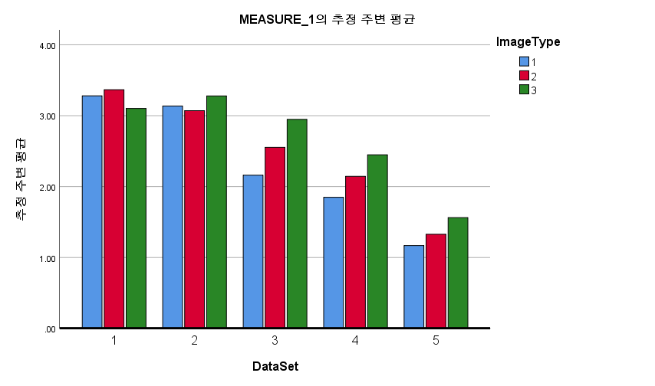
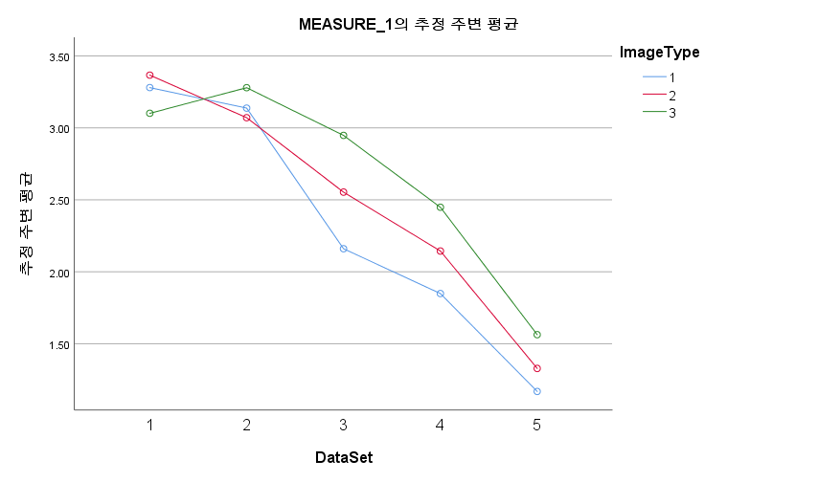
train loss
개체-내 효과 검정 |  |  |  |  |  |  | 대응별 비교 |  |  |  |  |  |  | 대응별 비교
측도: | MEASURE_1 |  |  |  |  |  | 측도: |  |  |  |  |  |  | 측도:
소스 |  | 제 III 유형 제곱합 | 자유도 | 평균제곱 | F | 유의확률 | (I) DataSet |  | 평균차이(I-J) | 표준오차 | 유의확률b | 차이에 대한 95% 신뢰구간b |  | (I) ImageType |  | 평균차이(I-J) | 표준오차 | 유의확률a | 차이에 대한 95% 신뢰구간a
DataSet | 구형성 가정 | 73.037 | 4 | 18.259 | 85.931 | 0.000 |  |  |  |  |  | 하한 | 상한 |  |  |  |  |  | 하한 | 상한
 | Greenhouse-Geisser | 73.037 | 2.769 | 26.381 | 85.931 | 0.000 | 1 | 2 | 0.087 | 0.081 | 1.000 | -0.214 | 0.388 | 1 | 2 | -0.174 | 0.078 | 0.161 | -0.403 | 0.056
 | Huynh-Feldt | 73.037 | 4.000 | 18.259 | 85.931 | 0.000 |  | 3 | .695* | 0.110 | 0.001 | 0.289 | 1.102 |  | 3 | -0.349 | 0.124 | 0.061 | -0.713 | 0.015
 | 하한 | 73.037 | 1.000 | 73.037 | 85.931 | 0.000 |  | 4 | 1.102* | 0.074 | 0.000 | 0.828 | 1.377 | 2 | 1 | 0.174 | 0.078 | 0.161 | -0.056 | 0.403
오차(DataSet) | 구형성 가정 | 7.650 | 36 | 0.212 |  |  |  | 5 | 1.896* | 0.085 | 0.000 | 1.583 | 2.209 |  | 3 | -0.175 | 0.094 | 0.282 | -0.450 | 0.099
 | Greenhouse-Geisser | 7.650 | 24.917 | 0.307 |  |  | 2 | 1 | -0.087 | 0.081 | 1.000 | -0.388 | 0.214 | 3 | 1 | 0.349 | 0.124 | 0.061 | -0.015 | 0.713
 | Huynh-Feldt | 7.650 | 36.000 | 0.212 |  |  |  | 3 | .608* | 0.127 | 0.010 | 0.139 | 1.078 |  | 2 | 0.175 | 0.094 | 0.282 | -0.099 | 0.450
 | 하한 | 7.650 | 9.000 | 0.850 |  |  |  | 4 | 1.015* | 0.123 | 0.000 | 0.562 | 1.469 | 추정 주변 평균을 기준으로
ImageType | 구형성 가정 | 3.003 | 2 | 1.501 | 5.938 | 0.010 |  | 5 | 1.809* | 0.127 | 0.000 | 1.341 | 2.278 | a. 다중비교를 위한 수정: Bonferroni
 | Greenhouse-Geisser | 3.003 | 1.565 | 1.919 | 5.938 | 0.018 | 3 | 1 | -.695* | 0.110 | 0.001 | -1.102 | -0.289
 | Huynh-Feldt | 3.003 | 1.836 | 1.635 | 5.938 | 0.013 |  | 2 | -.608* | 0.127 | 0.010 | -1.078 | -0.139
 | 하한 | 3.003 | 1.000 | 3.003 | 5.938 | 0.038 |  | 4 | 0.407 | 0.132 | 0.132 | -0.081 | 0.895
오차(ImageType) | 구형성 가정 | 4.552 | 18 | 0.253 |  |  |  | 5 | 1.201* | 0.165 | 0.000 | 0.592 | 1.809
 | Greenhouse-Geisser | 4.552 | 14.087 | 0.323 |  |  | 4 | 1 | -1.102* | 0.074 | 0.000 | -1.377 | -0.828
 | Huynh-Feldt | 4.552 | 16.526 | 0.275 |  |  |  | 2 | -1.015* | 0.123 | 0.000 | -1.469 | -0.562
 | 하한 | 4.552 | 9.000 | 0.506 |  |  |  | 3 | -0.407 | 0.132 | 0.132 | -0.895 | 0.081
DataSet * ImageType | 구형성 가정 | 3.229 | 8 | 0.404 | 2.430 | 0.022 |  | 5 | .794* | 0.138 | 0.003 | 0.285 | 1.303
 | Greenhouse-Geisser | 3.229 | 3.838 | 0.841 | 2.430 | 0.068 | 5 | 1 | -1.896* | 0.085 | 0.000 | -2.209 | -1.583
 | Huynh-Feldt | 3.229 | 7.049 | 0.458 | 2.430 | 0.028 |  | 2 | -1.809* | 0.127 | 0.000 | -2.278 | -1.341
 | 하한 | 3.229 | 1.000 | 3.229 | 2.430 | 0.153 |  | 3 | -1.201* | 0.165 | 0.000 | -1.809 | -0.592
오차(DataSet*ImageType) | 구형성 가정 | 11.960 | 72 | 0.166 |  |  |  | 4 | -.794* | 0.138 | 0.003 | -1.303 | -0.285
 | Greenhouse-Geisser | 11.960 | 34.546 | 0.346 |  |  | 추정 주변 평균을 기준으로
 | Huynh-Feldt | 11.960 | 63.441 | 0.189 |  |  | *. 평균차이는 .05 수준에서 유의합니다.
 | 하한 | 11.960 | 9.000 | 1.329 |  |  | b. 다중비교를 위한 수정: Bonferroni

SPSS_test_acc
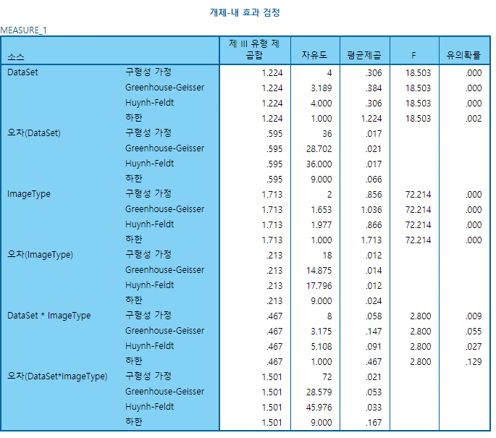
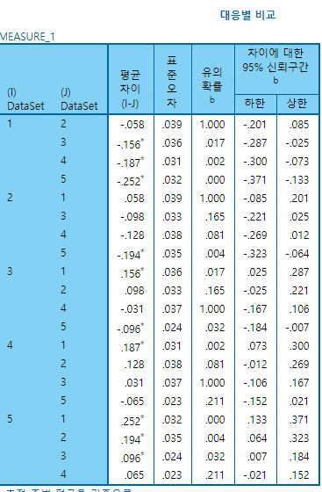
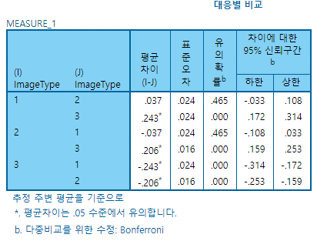

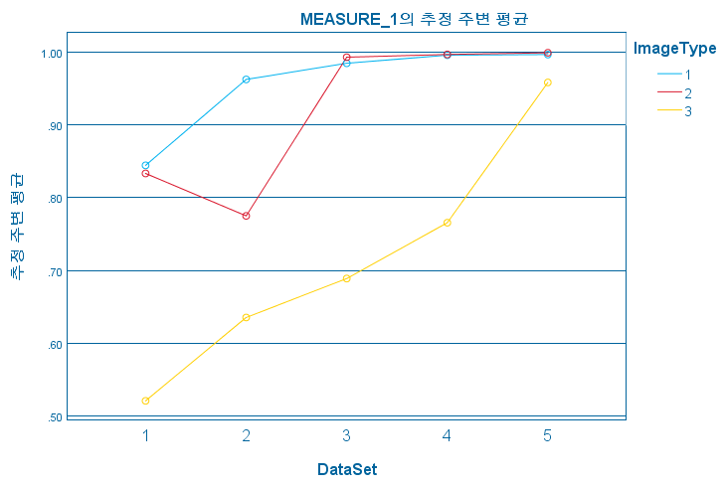
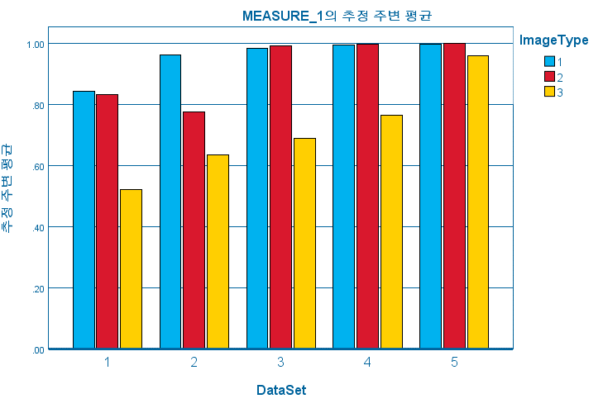

기타
Striping_midAng vs Hadamard
 | Striping_midAng_color | VAF | improvement
Original | 0.84445 | 0 | 0
AAFT(2) | 0.9625 | 13.979513293 | 13.979513293
AAFT(3) | 0.98472 | 16.610811771 | 2.3085714286
AAFT(4) | 0.99584 | 17.927645213 | 1.1292550167
AAFT(5) | 0.99667 | 18.02593404 | 0.083346722365
AAFT(10) | 1 | 18.420273551 | 0.33411259494
AAFT(20) | 1 | 18.420273551 | 0

 | Hadamard | VAF | improvement
Original | 0.52083333 | 0 | 0
AAFT(2) | 0.63542 | 22.000640781 | 22.000640781
AAFT(3) | 0.68888889 | 32.266667727 | 8.4147319883
AAFT(4) | 0.76562499 | 46.999999021 | 11.139111272
AAFT(5) | 0.958333341 | 84.00000265 | 25.170070663
AAFT(10) | 1 | 92.000001229 | 4.3478252522
AAFT(20) | 1 | 92.000001229 | 0

 | Striping(bw) | Striping_midAng(bw)
Origin | 0.57083 | 0.61667
AAFT (2) | 0.53959 | 0.55833
AAFT (3) | 0.59444 | 0.73611
AAFT (4) | 0.85729 | 0.90208
AAFT (5) | 0.97824 | 0.97582
AAFT (10) | 1 | 1
AAFT (20) | 1 | 1
 | Striping(color) | Striping_midAng(color)
Origin | 0.83333 | 0.84445
AAFT (2) | 0.775 | 0.9625
AAFT (3) | 0.99305 | 0.98472
AAFT (4) | 0.99688 | 0.99584
AAFT (5) | 0.99917 | 0.99667
AAFT (10) | 1 | 1
AAFT (20) | 1 | 1

 | auto corr | hadamard | auto corr_midAng
Origin | 0.625 | 0.52083333 | 0.52083
AAFT (2) | 0.50833333 | 0.63542 | 0.5
AAFT (3) | 0.52083334 | 0.68888889 | 0.51111334
AAFT (4) | 0.500000004 | 0.76562499 | 0.49893
AAFT (5) | 0.494996656 | 0.958333341 | 0.48746
AAFT (10) | 0.484169997 | 1 | 0.50124
AAFT (20) | 0.49416667 | 1 | 0.51083333492

