vietnamworks.com
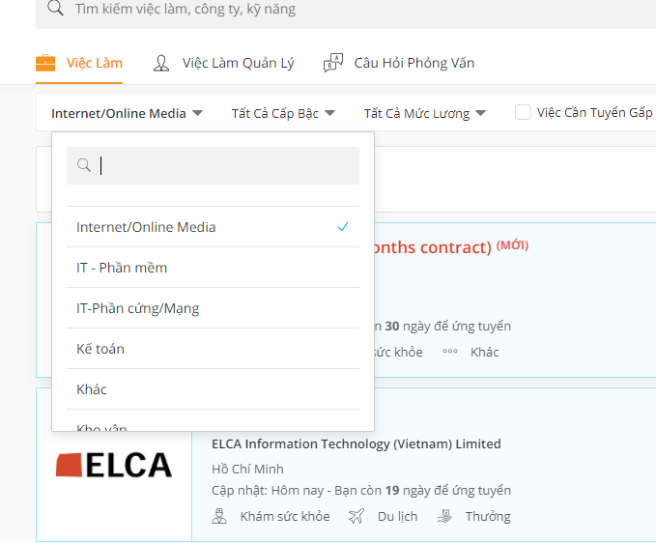
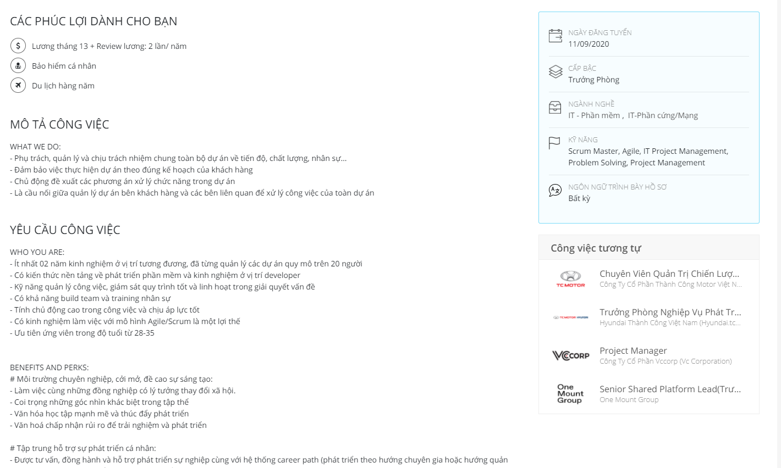
https://www.vietnamworks.com/viec-lam-internet-online-media-i57-vn
https://www.vietnamworks.com/viec-lam-it-phan-mem-i35-vn
https://www.vietnamworks.com/viec-lam-it-phan-cung-mang-i55-vn

careerbuilder.vn
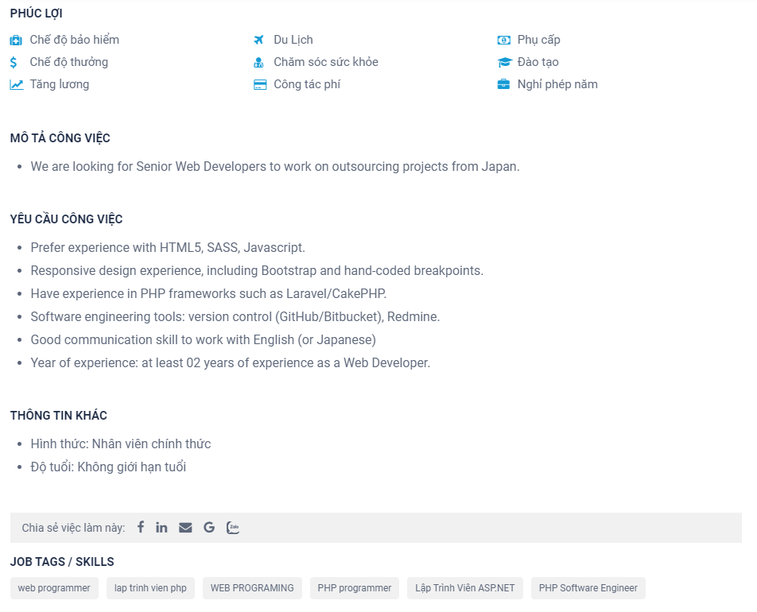
https://careerbuilder.vn/viec-lam/cntt-phan-cung-mang-cntt-phan-mem-c63,1-vi.html

topcv.vn
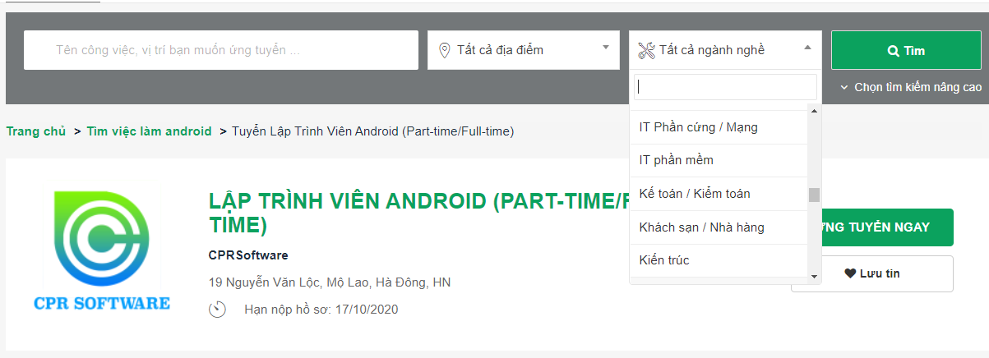
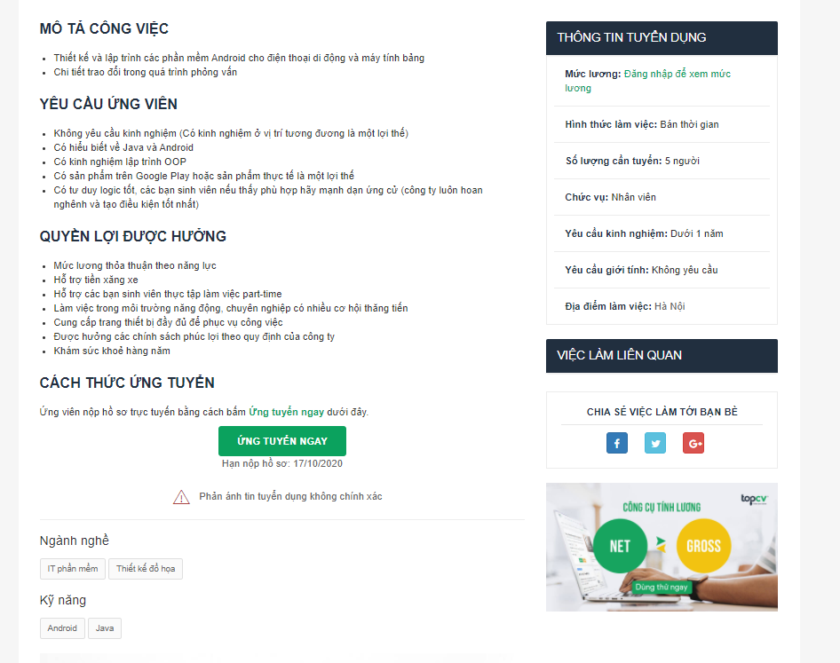
https://www.topcv.vn/tim-viec-lam-it-phan-mem-c10026

