Doublons_et_allof
Suite à la comparaison de la page précedente entre la manip RNA-seq et captures baits, on observe que certains individus sont trop proches au sein d'une même expérience ==> doublons
On observe aussi certains individus qui ont une moyenne de ressemblance trop basse: 0,2-0,35 ==> allofécondation

les normaux |  |  | Un seul individu > 0,8 : lui même |  |  |  |  |  | les doublons |  | Un second indivdu >0,8 : son doublon |  |  | les allofécondés | Un individu à 1 (lui même), un a 0,6 (son père) et aucun supérieur à 0,4

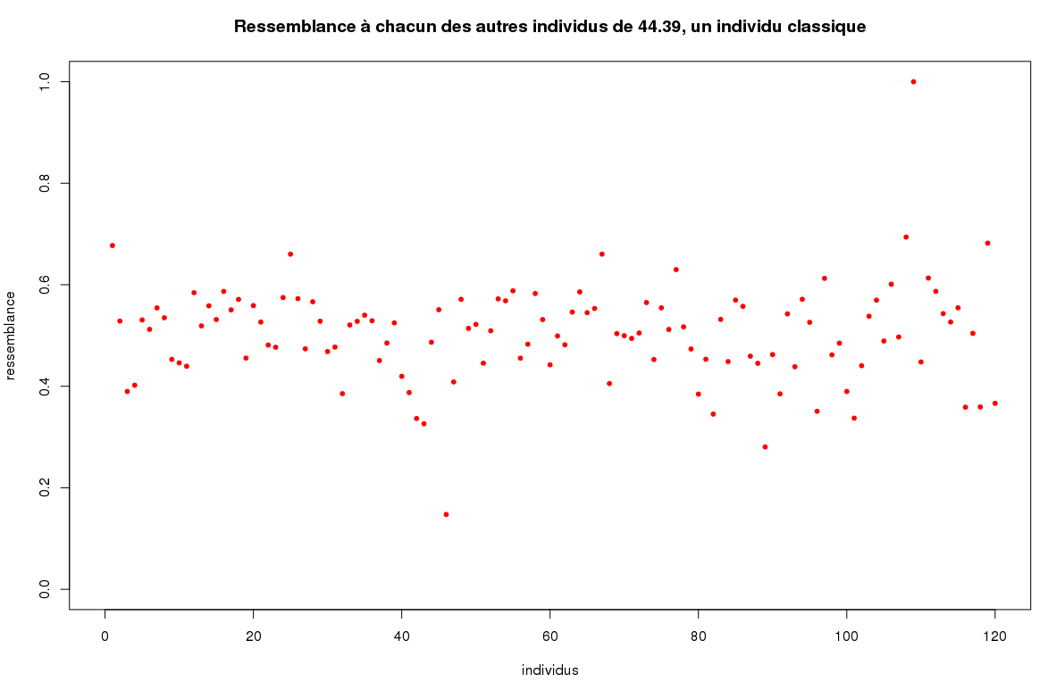
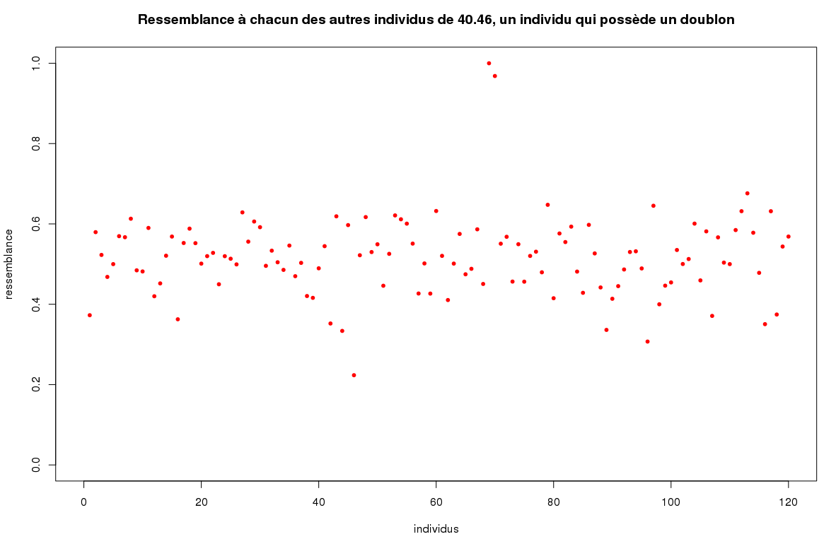
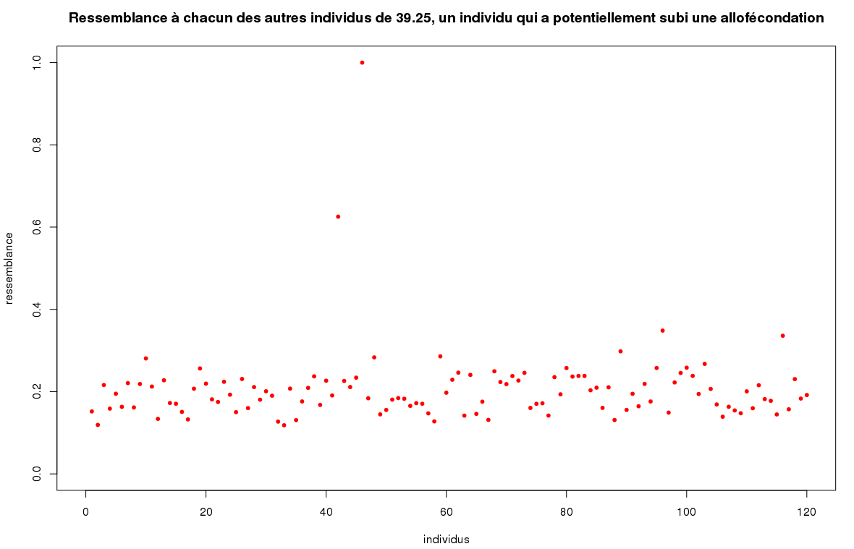

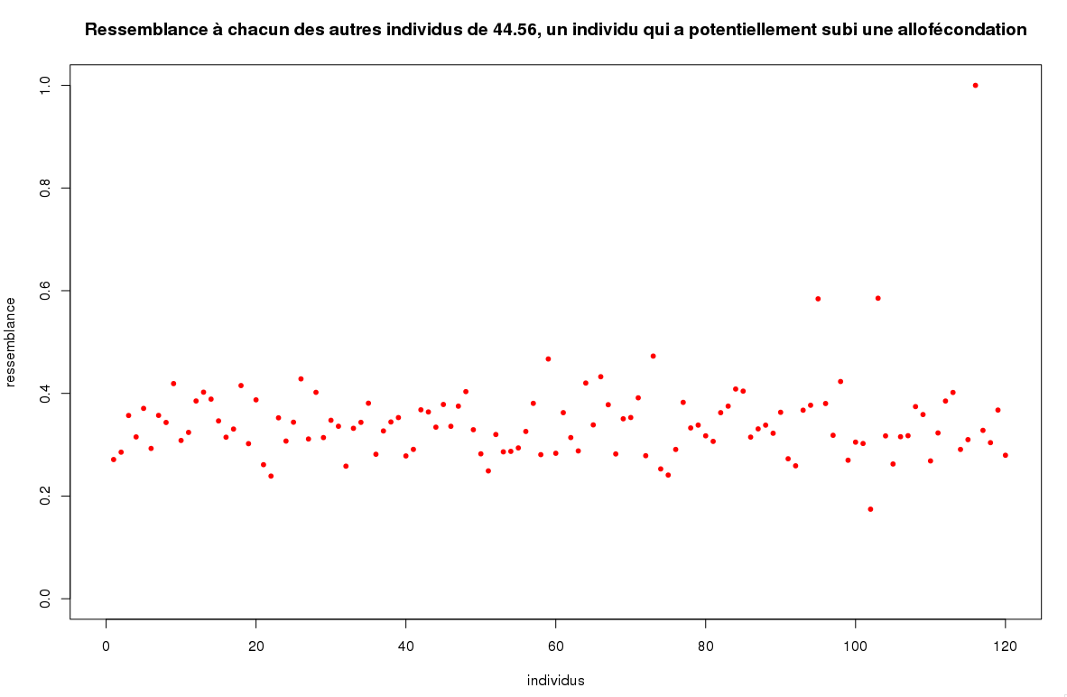
 |  |  |  |  |  |  |  |  |  |  |  |  |  | ici il semble y avoir deux pères, il s'agit simplement d'un père qui possède un doublon.
 | En pourcentage de la population: |  |  |  |  | J'ai une meilleure estimation des doublons que yan
 | 26/120 | 22% | apparaissent dans un doublon ou un triplet |  |  | cela est sans doute du a la plus grande couverture de ma manip
 | 5/120 | 4% | ont une moyenne de ressemblance <0,35 |  |  | locus hétéro ==> homo |  |  |  | individu allofécondé | père présumé | % hétérozygote
 | 101/120 | 84% | après suppressions doublons et allofécondés |  |  | surligné en gris les indiv que je nai pas en RNA-seq |  |  |  | 44.01 | 42.13 | 39.3
 |  |  |  |  |  | élément 1 | élément 2 | YAN | ALBAN | 38.47 | 38.52 | 42
 |  |  |  |  |  | 38.37 | 38.38 | 0.75 | 0.81 | 39.25 | 44.01 | 62.3 | exemple 1 ??
 |  |  |  |  |  | 38.50 | 38.52 | 0.73 | 0.77 | 42.38 | 42.28 | 37
 |  |  |  |  |  | 38.53 | 38.54 | 0.79 |  | 44.56 | 44.61/44.62 | 35.2 | exemple 2
 |  |  |  |  |  | 39.06 | 39.07 | 0.75
 |  |  |  |  |  | 39.25 | 39.27 | 0.85
 |  |  |  |  |  | 39.31 | 39.32 | 0.64 | 0.76
 |  |  |  |  |  | 39.31 | 39.30 | 0.73
 |  |  |  |  | delete | 39.35 | 39.36 | 0.85
 | 1 | 2 | YAN | ALBAN |  | 40.01 | 40.08 | 0.69 | 0.81
 | 40.11 | 40.12 | 0.86 | 0.95 | 40.11 | 40.04 | 40.05 | 0.73 | 0.82
 | 40.11 | 40.14 | 0.89 | 0.96 | 40.14 | 40.10 | 40.15 | 0.71 | 0.79
 | 40.12 | 40.14 | 0.89 | 0.97 |  | 40.16 | 40.17 | 0.88 | 0.97
 | 39.21 | 39.23 | 0.84 | 0.88 | 39.21 | 40.35 | 42.05 | 0.82 | 0.95
 | 39.21 | 39.24 | 0.8 | 0.83 | 39.23 | 40.46 | 40.47 | 0.89 | 0.97
 | 39.23 | 39.24 | 0.75 | 0.79 |  | 42.48 | 42.49 | 0.92
 | 42.14 | 42.15 | 0.86 | 0.92 | 42.14 | 44.13 | 44.14 | 0.78 | 0.81
 | 42.14 | 42.16 | 0.89 |  |  | 44.42 | 44.45 | 0.86 | 0.91
 | 42.15 | 42.16 | 0.89 |  |  | 44.50 | 44.52 | 0.91 |  |  | SUR 13119 SNP
 | 44.61 | 44.62 | 0.92 | 0.94 | 44.61 |  |  |  |  | indidvidu | données "-" | % manquantes | hétérozygotie | % hetero
 | 44.61 | 44.65 | 0.75 | 0.79 | 44.62 |  |  |  |  | 38.37 | 296 | 2% | 94 | 0.73%
 | 44.62 | 44.65 | 0.75 | 0.78 |  |  |  |  |  | 38.38 | 2688 | 20% | 79 | 0.76%
 | 44.42 | 44.45 | 0.86 | 0.91 | 44.42 |  |  |  |  | 38.50 | 552 | 4% | 88 | 0.70%
 | 44.42 | 44.43 | 0.68 | 0.73 | 44.43 |  |  |  |  | 38.52 | 377 | 3% | 93 | 0.73%
 | 44.43 | 44.45 | 0.72 | 0.76 |  |  |  |  |  | 38.53
 |  |  |  |  |  |  |  |  |  | 38.54 | 488 | 4% | 74 | 0.59%
 |  |  |  |  |  |  |  |  |  | 39.06 | 2221 | 17% | 163 | 1.50%
 |  |  |  |  |  |  |  |  |  | 39.07
 |  |  | liste suppression | similaire | argument |  |  |  |  | 39.21 | 1080 | 8.23% | 52 | 0.43%
 |  |  | 38.38 | 38.37 | données manquantes |  |  |  |  | 39.23 | 303 | 2.31% | 170 | 1.33%
 |  |  | 38.47 | allof | hétérozygote |  |  |  |  | 39.24 | 314 | 2.39% | 75 | 0.59%
 |  |  | 38.50 | 38.52 | hazard |  |  |  |  | 39.25 | 787 | 6% | 84 | 0.68%
 |  |  | 38.53 |  | YAN |  |  |  |  | 39.27
 |  |  | 39.07 |  | YAN |  |  |  |  | 39.30
 |  |  | 39.21 | 39.24 | données manquantes |  |  |  |  | 39.31 | 631 | 5% | 76 | 0.61%
 |  |  | 39.23 | 39.24 | hazard |  |  |  |  | 39.32 | 456 | 3% | 84 | 0.66%
 |  |  | 39.27 |  | YAN |  |  |  |  | 39.35
 |  |  | 39.31 | 39.32 | hazard |  |  |  |  | 39.36
 |  |  | 39.35 |  | YAN |  |  |  |  | 40.01 | 841 | 6% | 80 | 0.65%
 |  |  | 40.04 | 40.05 | données manquantes |  |  |  |  | 40.04 | 2514 | 19% | 125 | 1.18%
 |  |  | 40.08 | 40.01 | hazard |  |  |  |  | 40.05 | 1677 | 13% | 61 | 0.53%
 |  |  | 40.11 | 40.12 | données manquantes |  |  |  |  | 40.08 | 626 | 5% | 189 | 1.51%
 |  |  | 40.14 | 40.12 | hazard |  |  |  |  | 40.10 | 901 | 7% | 68 | 0.56%
 |  |  | 40.15 | 40.10 | hazard |  |  |  |  | 40.11 | 2204 | 17% | 143 | 1.31%
 |  |  | 40.16 | 40.17 | données manquantes |  |  |  |  | 40.12 | 1320 | 10% | 65 | 0.55%
 |  |  | 40.35 | 42.05 | ~ données manquantes ~ |  |  |  |  | 40.14 | 1249 | 10% | 61 | 0.51%
 |  |  | 40.47 | 40.46 | ~ données manquantes ~ |  |  |  |  | 40.15 | 954 | 7% | 176 | 1.45%
 |  |  | 42.14 | 42.15 | hazard |  |  |  |  | 40.16 | 1230 | 9% | 73 | 0.61%
 |  |  | 42.15 |  | YAN |  |  |  |  | 40.17 | 378 | 3% | 88 | 0.69%
 |  |  | 42.38 | allof | hétérozygote |  |  |  |  | 40.35 | 1340 | 10% | 162 | 1.38%
 |  |  | 42.49 |  | YAN |  |  |  |  | 40.46 | 1784 | 14% | 89 | 0.79%
 |  |  | 44.01 | allof | hétérozygote |  |  |  |  | 40.47 | 2527 | 19% | 115 | 1.09%
 |  |  | 44.13 | 44.14 | données manquantes |  |  |  |  | 42.05 | 901 | 7% | 66 | 0.54%
 |  |  | 44.42 | 44.45 | données manquantes |  |  |  |  | 42.14 | 647 | 5% | 80 | 0.64%
 |  |  | 44.43 | 44.45 | données manquantes |  |  |  |  | 42.15 | 457 | 3% | 207 | 1.63%
 |  |  | 44.56 | allof | hétérozygote |  |  |  |  | 42.16 |  | 0 |  | 0
 |  |  | 44.61 | 44.65 | données manquantes |  |  |  |  | 42.48 | 156 | 1% | 136 | 1.05%
 |  |  | 44.62 | 44.65 | données manquantes |  |  |  |  | 42.49
 |  |  |  |  |  |  |  |  |  | 44.13 | 1326 | 10% | 66 | 0.56%
 |  |  |  |  |  |  |  |  |  | 44.14 | 691 | 5% | 143 | 1.15%
 |  |  |  |  |  |  |  |  |  | 44.42 | 987 | 8% | 91 | 0.75%
 |  |  |  |  |  |  |  |  |  | 44.43 | 1408 | 11% | 94 | 0.80%
 |  |  |  |  |  |  |  |  |  | 44.45 | 355 | 3% | 98 | 0.77%
 |  |  |  |  |  |  |  |  |  | 44.52 |  | 0% |  | 0.00%
 |  |  |  |  |  |  |  |  |  | 44.61 | 1847 | 14% | 79 | 0.70%
 |  |  |  |  |  |  |  |  |  | 44.62 | 4606 | 35% | 130 | 1.53%
 |  |  |  |  |  |  |  |  |  | 44.65 | 143 | 1% | 145 | 1.12%

