step1_mrad_vs_Rot Center
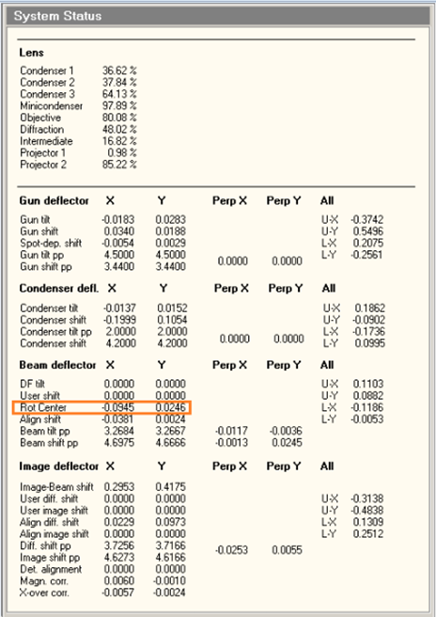
1) run script "mrad_Rot_Center" in SerialEM

2) follow the messages of the running script mrad_Rot_Center and input the Rot Center X & Y to the yellow area of the following form
Rot Center X and Y values can be read from the system status page in FEI user interface ( please see the red rectangle in the image of system status)
X in mrad | X_Rot Center | Y in mrad | Y_Rot Center |  | 1 mrad in X | 1 mrad in Y
0 | 0.0071 | 0 | 0.0516
5 | 0.0263 | 5 | 0.0728 |  | 0.00384 | 0.00424
4 | 0.0225 | 4 | 0.0685 |  | 0.00385 | 0.004225
3 | 0.0186 | 3 | 0.0643 |  | 0.0038333333333 | 0.0042333333333
2 | 0.0148 | 2 | 0.0601 |  | 0.00385 | 0.00425
1 | 0.011 | 1 | 0.0559 |  | 0.0039 | 0.0043
0 | 0.0071 | 0 | 0.0516
-1 | 0.0033 | -1 | 0.0474 |  | 0.0038 | 0.0042
-2 | -0.0006 | -2 | 0.0432 |  | 0.00385 | 0.0042
-3 | -0.0044 | -3 | 0.039 |  | 0.0038333333333 | 0.0042
-4 | -0.0082 | -4 | 0.0347 |  | 0.003825 | 0.004225
 |  |  |  | average | 0.0038424074074 | 0.0042303703704

step_2_beam_tilt_slope_fitting
1) set image shift to 0, do coma-free alignment as good as we can and eliminate the objective astigmatism

2) run script "coma" in SerialEM, then use Ctffind4 to estimage all CTFs of the images taken from the script "coma" and get the two defocus values of each image in sequence.
input the two defocus values to the yellow area of the following form. Do follow the exact sequence of the images taken from the scrip "coma".
fit the slope of the beam tilt X and beam tilt Y (e.g. the green numbers are the fitted slopes of beam tilt X and Y, respectively)
number | wobble/mrad | step/mrad | index | current_X/mrad | current_Y/mrad | new_X/mrad | new_Y/mrad | dfu/Å | dfv/Å | diff/um | ∆diff/um | plot_fitting curves
1 | 5 | 0.5 | 4 | 0 | 0 | 0 | 0 | 17159.176 | 17157.211 | 0.00009825 |  | current_X/mrad | ∆diff | current_Y/mrad | ∆diff
2 | 5 | 0.5 | 4 | 2 | 0 | 7 | 0 | 15832.829 | 13166.109 | 0.133336 |  | 2 | 0.107619 | 2 | 0.1100642
3 | 5 | 0.5 | 4 | 2 | 0 | -3 | 0 | 16897.932 | 16383.592 | 0.025717 | 0.107619 | 1.5 | 0.07920675 | 1.5 | 0.08198935
4 | 5 | 0.5 | 3 | 1.5 | 0 | 6.5 | 0 | 16036.794 | 13738.466 | 0.1149164 |  | 1 | 0.0519116 | 1 | 0.0532632
5 | 5 | 0.5 | 3 | 1.5 | 0 | -3.5 | 0 | 16810.295 | 16096.102 | 0.03570965 | 0.07920675 | 0.5 | 0.02351275 | 0.5 | 0.0250773
6 | 5 | 0.5 | 2 | 1 | 0 | 6 | 0 | 16196.935 | 14246.268 | 0.09753335 |  | 0 | -0.0043616 | 0 | -0.00370375
7 | 5 | 0.5 | 2 | 1 | 0 | -4 | 0 | 16697.975 | 15785.54 | 0.04562175 | 0.0519116 | -0.5 | -0.0316748 | -0.5 | -0.03166935
8 | 5 | 0.5 | 1 | 0.5 | 0 | 5.5 | 0 | 16350.866 | 14710.981 | 0.08199425 |  | -1 | -0.05978435 | -1 | -0.0605973
9 | 5 | 0.5 | 1 | 0.5 | 0 | -4.5 | 0 | 16596.762 | 15427.132 | 0.0584815 | 0.02351275 | -1.5 | -0.08769565 | -1.5 | -0.0892755
10 | 5 | 0.5 | 0 | 0 | 0 | 5 | 0 | 16490.932 | 15141.906 | 0.0674513 |  | -2 | -0.11580615 | -2 | -0.11825245
11 | 5 | 0.5 | 0 | 0 | 0 | -5 | 0 | 16454.371 | 15018.113 | 0.0718129 | -0.0043616
12 | 5 | 0.5 | -1 | -0.5 | 0 | 4.5 | 0 | 16619.717 | 15526.318 | 0.05466995
13 | 5 | 0.5 | -1 | -0.5 | 0 | -5.5 | 0 | 16300.364 | 14573.469 | 0.08634475 | -0.0316748
14 | 5 | 0.5 | -2 | -1 | 0 | 4 | 0 | 16722.096 | 15867.966 | 0.0427065
15 | 5 | 0.5 | -2 | -1 | 0 | -6 | 0 | 16141.486 | 14091.669 | 0.10249085 | -0.05978435
16 | 5 | 0.5 | -3 | -1.5 | 0 | 3.5 | 0 | 16828.268 | 16173.384 | 0.0327442
17 | 5 | 0.5 | -3 | -1.5 | 0 | -6.5 | 0 | 15965.373 | 13556.576 | 0.12043985 | -0.08769565
18 | 5 | 0.5 | -4 | -2 | 0 | 3 | 0 | 16917.918 | 16448.656 | 0.0234631
19 | 5 | 0.5 | -4 | -2 | 0 | -7 | 0 | 15773.825 | 12988.44 | 0.13926925 | -0.11580615
20 | 5 | 0.5 | 4 | 0 | 2 | 0 | 7 | 15749.461 | 13018.031 | 0.1365715
21 | 5 | 0.5 | 4 | 0 | 2 | 0 | -3 | 16885.068 | 16354.922 | 0.0265073 | 0.1100642
22 | 5 | 0.5 | 3 | 0 | 1.5 | 0 | 6.5 | 15957.642 | 13592.907 | 0.11823675
23 | 5 | 0.5 | 3 | 0 | 1.5 | 0 | -3.5 | 16791.369 | 16066.421 | 0.0362474 | 0.08198935
24 | 5 | 0.5 | 2 | 0 | 1 | 0 | 6 | 16137.868 | 14129.948 | 0.100396
25 | 5 | 0.5 | 2 | 0 | 1 | 0 | -4 | 16694.785 | 15752.129 | 0.0471328 | 0.0532632
26 | 5 | 0.5 | 1 | 0 | 0.5 | 0 | 5.5 | 16322.907 | 14628.979 | 0.0846964
27 | 5 | 0.5 | 1 | 0 | 0.5 | 0 | -4.5 | 16578.15 | 15385.768 | 0.0596191 | 0.0250773
28 | 5 | 0.5 | 0 | 0 | 0 | 0 | 5 | 16461.34 | 15071.388 | 0.0694976
29 | 5 | 0.5 | 0 | 0 | 0 | 0 | -5 | 16444.469 | 14980.442 | 0.07320135 | -0.00370375
30 | 5 | 0.5 | -1 | 0 | -0.5 | 0 | 4.5 | 16605.736 | 15479.986 | 0.0562875
31 | 5 | 0.5 | -1 | 0 | -0.5 | 0 | -5.5 | 16300.23 | 14541.093 | 0.08795685 | -0.03166935
32 | 5 | 0.5 | -2 | 0 | -1 | 0 | 4 | 16730.635 | 15841.992 | 0.04443215
33 | 5 | 0.5 | -2 | 0 | -1 | 0 | -6 | 16140.694 | 14040.105 | 0.10502945 | -0.0605973
34 | 5 | 0.5 | -3 | 0 | -1.5 | 0 | 3.5 | 16835.768 | 16156.367 | 0.03397005
35 | 5 | 0.5 | -3 | 0 | -1.5 | 0 | -6.5 | 15963.529 | 13498.618 | 0.12324555 | -0.0892755
36 | 5 | 0.5 | -4 | 0 | -2 | 0 | 3 | 16940.129 | 16452.082 | 0.02440235
37 | 5 | 0.5 | -4 | 0 | -2 | 0 | -7 | 15769.539 | 12916.443 | 0.1426548 | -0.11825245
38 | 5 | 0.5 | 4 | 0 | 0 | 0 | 0 | 17206.887 | 17196.998 | 0.00049445

step_4_stigma_coma_fitting
1) set image shift to 0, do coma-free alignment as good as we can and eliminate the objective astigmatism

2) set the parameter "IS_distance" in the script "coma-search" to the designed value of beam-image shift distance and run the script in SerialEM
for each beam-image shift distance & angle, eliminate the objective astigmatism and input the adjusted values of objective stigmator X & Y in the yellow area. To make the form easier to read, the adjusted values were multiplied by 100000 before filling in the form.
for each beam-image shift distance & angle, follow the instruction of step 3 to get the adjusted values of Rot center X & Y, then input the adjusted values of Rot center X & Y in the blue area. To make the form easier to read, the adjusted values were multiplied by 10000 before filling in the form.
At least two sets of data with different beam-image shift distances (4-8 um) should be collected before fitting the functions of adjusted values of obj stigmator X, obj stigmator Y, Rot center X and Rot center Y. The following examples were two data sets collected on continuous carbon sample in FEI Talos Arctica equipted with Gatan K2 summit camera at 200kV with pixel size of 1 A, total dose of 30e/A2, nano probe, dose rate of 9.7e/pix/sec and defocus of -2 um.
beam-image shift distance (um) | beam-image shift angle (degree) | image num | To eliminate objective astigmatism, TEM obj stigmor X should be adjusted by (*100000) | To eliminate objective astigmatism, TEM obj stigmor Y should be adjusted by (*100000) | image num | To make beam tilt to 0 mrad, TEM Rot Center X should be adjusted by (*10000) | To make beam tilt to 0 mrad, TEM Rot Center y should be adjusted by (*10000) | beam-image shift distance (um) | beam-image shift angle (degree) | image num | To eliminate objective astigmatism, TEM obj stigmor X should be adjusted by (*100000) | To eliminate objective astigmatism, TEM obj stigmor Y should be adjusted by (*100000) | image num | To make beam tilt to 0 mrad, TEM Rot Center X should be adjusted by (*10000) | To make beam tilt to 0 mrad, TEM Rot Center y should be adjusted by (*10000)
0 | 0 |  | 0 | 0 |  | 0 | 0 | 0 | 0 |  | 0 | 0 |  | 0 | 0
5 | 50 | 207 | -76 | -289 | 209 | 17 | -46 | 7 | 50 | 327 | -110 | -416 | 329 | 23 | -63
5 | 70 | 213 | -38 | -142 | 215 | 2 | -52 | 7 | 70 | 333 | -48 | -229 | 335 | 2 | -72
5 | 90 | 219 | 14 | 30 | 221 | -13 | -50 | 7 | 90 | 339 | 32 | 13 | 341 | -18 | -68
5 | 110 | 225 | 54 | 209 | 227 | -28 | -40 | 7 | 110 | 345 | 98 | 273 | 347 | -37 | -53
5 | 130 | 231 | 65 | 377 | 233 | -42 | -29 | 7 | 130 | 351 | 136 | 517 | 353 | -54 | -34
5 | 150 | 237 | 83 | 483 | 239 | -49 | -12 | 7 | 150 | 357 | 119 | 697 | 359 | -68 | -17
5 | 170 | 243 | 61 | 533 | 245 | -44 | 2 | 7 | 170 | 363 | 64 | 769 | 365 | -67 | -8
5 | 190 | 249 | 42 | 504 | 251 | -42 | 20 | 7 | 190 | 369 | 59 | 713 | 371 | -58 | 26
5 | 210 | 255 | 33 | 395 | 257 | -32 | 35 | 7 | 210 | 375 | 30 | 554 | 377 | -42 | 46
5 | 230 | 261 | 5 | 242 | 263 | -16 | 45 | 7 | 230 | 381 | -1 | 326 | 383 | -21 | 50
5 | 250 | 267 | 7 | 67 | 269 | -1 | 52 | 7 | 250 | 387 | 3 | 67 | 389 | -1 | 71
5 | 270 | 273 | 0 | -4 | 275 | 14 | 49 | 7 | 270 | 393 | 17 | -181 | 395 | 19 | 68
5 | 290 | 279 | 1 | -256 | 281 | 29 | 39 | 7 | 290 | 399 | 34 | -370 | 401 | 36 | 52
5 | 310 | 285 | -30 | -361 | 287 | 42 | 28 | 7 | 310 | 405 | 2 | -508 | 407 | 55 | 35
5 | 330 | 291 | -36 | -434 | 293 | 48 | 10 | 7 | 330 | 411 | -13 | -585 | 413 | 67 | 13
5 | 350 | 297 | -78 | -456 | 299 | 50 | -4 | 7 | 350 | 417 | -50 | -605 | 419 | 69 | -8
5 | 370 | 303 | -108 | -436 | 305 | 43 | -18 | 7 | 370 | 423 | -98 | -570 | 425 | 58 | -27
5 | 390 | 309 | -100 | -380 | 311 | 31 | -34 | 7 | 390 | 429 | -118 | -497 | 431 | 42 | -45

3) use software Origin to fit the functions of adjusted values of obj stigmator X, obj stigmator Y, Rot center X and Rot center Y, respectively.

The fitted functions |  |  |  |  |  | The SerialEM script using the fitting functions

 |  |  |  |  |  | 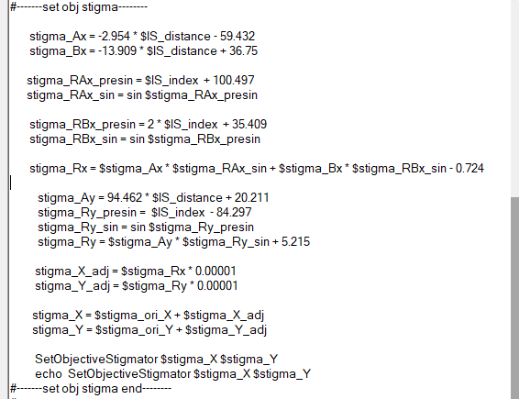

$α$ is the beam-image shift angle (degree)
$R is the$beam-image shift distance (um)

Obj_$SigmaX=Ax\sin\left(α+100.497\right)+Bx\sin\left(2α+35.409\right)−0.724$
where $Ax$ = -2.954 R - 59.432
$Bx$ = -13.909 R + 36.75

Obj_$SigmaY=Ax\sin\left(α−84.297\right)+$5.215
where $Ay$ = 94.462 R + 20.211

$α$ is the beam-image shift angle (degree)
$R is the$beam-image shift distance (um)
 |  |  |  |  |  | 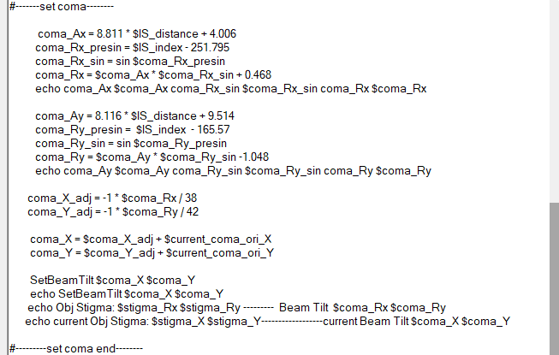

$comaX=Bx\sin\left(α−251.795\right)$ + 0.468
where $Bx$ = 8.811 R + 4.006

$comaY=By\sin\left(α−165.57\right)$ - 1.048
where $By$ = 8.116 R + 9.514

measured in step 1

step_5_test_the fitted_function
1) set image shift to 0, do coma-free alignment as good as you can and eliminate the objective astigmatism

2) set the parameter "IS_angle" to the designed value of beam-image shift angle in script "IS_stigma_coma" and run the script in SerialEM
for each beam-image shift distance & angle, eliminate the objective astigmatism and input the adjusted values of objective stigmator X & Y in the yellow area, after adjusting the obj stigmator & Rot Center accroding to the fitted functions. To make the form easier to read, the adjusted values were multiplied by 100000 before filling in the form.
for each beam-image shift distance & angle, follow the instruction of step 3 to get the adjusted values of Rot center X & Y, then input the adjusted values of Rot center X & Y in the blue area, after adjusting the obj stigmator & Rot Center accroding to the fitted functions. To make the form easier to read, the adjusted values were multiplied by 10000 before filling in the form.
The different beam-image shift angle, magnification, illumination condition can be set as much as we want to evaluate the fitted functions. The following examples was one dataset collected on continuous carbon sample in FEI Titan Krios equipted with Gatan K2 summit camera at 300kV with pixel size of 1.36 A, total dose of 50e/A2, dose rate of 10e/pix/sec and defocus of -2 um. The illumination condition was microprobe, C2 aperture of 70um, spot size of 7, illumination area of 1.65um.
beam-image shift settings |  | predicted by the fitted function |  |  |  | after adjusting the obj stigmator & Rot Center accroding to the fitted functions |  |  |  | To eliminate obj astimatism and make beam tilt to 0 mrad
beam-image shift angle (degree) | beam-image shift distance (um) | To eliminate objective astigmatism, obj stigmor X should be adjusted by (*100000) | To eliminate objective astigmatism, obj stigmor Y should be adjusted by (*100000) | To make beam tilt to 0 mrad, Rot Center X should be adjusted by (*10000) | To make beam tilt to 0 mrad, Rot Center Y should be adjusted by (*10000) | To eliminate objective astigmatism, obj stigmor X should be adjusted by (*100000) | To eliminate objective astigmatism, obj stigmor Y should be adjusted by (*100000) | To make beam tilt to 0 mrad, Rot Center X should be adjusted by (*10000) | To make beam tilt to 0 mrad, Rot Center y should be adjusted by (*10000) | obj stigmor X should be adjusted by (*100000) | obj stigmor Y should be adjusted by (*100000) | Rot Center X should be adjusted by (*10000) | Rot Center Y should be adjusted by (*10000)
150 | 2 | 12 | -39 | -2 | -21 | 5 | 11 | -4 | -3 | 17 | -28 | -6 | -24
150 | 4 | 49 | -77 | -7 | -45 | -7 | 18 | -4 | -4 | 42 | -59 | -11 | -49
150 | 6 | 86 | -115 | -12 | -70 | -24 | 31 | -1 | -8 | 62 | -84 | -13 | -78
150 | 8 | 123 | -153 | -17 | -94 | -37 | 54 | 1 | -7 | 86 | -99 | -16 | -101
150 | 10 | 160 | -191 | -22 | -119 | -46 | 75 | 1 | -5 | 114 | -116 | -21 | -124
150 | 12 | 197 | -229 | -27 | -143 | -45 | 97 | 1 | -2 | 152 | -132 | -26 | -145

3) the fitted functions from step 4 can be modified by the results in this step.

