Sheet1
Group Name | Photo | Item Number/Fabric Name | Item Name | Description (Romance Language) | Dimensions (LxWxH) | Cubic Feet | Fabric Content | Fabric Options RED FEATURED | Pillow Options | Featherblend (Y/N) | Limitied Availability (Y/N) | Retail Price Range ($)
METROPOLITAN | 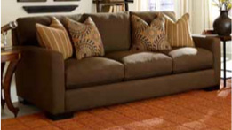 | 7010-00-GENR-49521-LAKE COMO CHOCOLATE | SOFA | Classic tuxedo styling and supremely comfortable Pacific Coast Featherblend cushions will have you floating in a cloud of relaxation on the Metropolitan sofa. The luxurious throw pillows are included, and add a special flair to any living room. | 99x45x38 | 88.0 | Polyester Blend 'WS Cleaning Code When upholstery cleaning is required, remove your natural filled upholstery interior prior to any steam cleaning or applications of any soil guard barrier process. | COLLECTIONS Gaga Charcoal,Premier Dove,Lake Como,Venice Burlap, Venice Scarlet | Lake Como - Fritz Tobacco / Mozambique Earth ; Gaga Charcoal -Beaver Creek /Aspen Cocoa ; Premier Dove-Zanadu Mango / Cachet Hacienda ; Venice Burlap -Ventura Peppercorn / Resort Ebony ; Venice Scarlet - India Scarlet / Bali Scarlet | Y | N | $1199-$1399
METROPOLITAN |  | 7010-10-GENR-49521-LAKE COMO CHOCOLATE | LOVESEAT | Classic tuxedo styling and supremely comfortable Pacific Coast Featherblend cushions will have you floating in a cloud of relaxation on the Metropolitan loveseat. The luxurious throw pillows are included, and add a special flair to any living room. | 74.x45x38 | 66.0 | Polyester Blend 'WS Cleaning Code When upholstery cleaning is required, remove your natural filled upholstery interior prior to any steam cleaning or applications of any soil guard barrier process. | COLLECTIONS Gaga Charcoal,Premier Dove,Lake Como,Venice Burlap, Venice Scarlet | Lake Como - Fritz Tobacco / Mozambique Earth ; Gaga Charcoal -Beaver Creek /Aspen Cocoa ; Premier Dove-Zanadu Mango / Cachet Hacienda ; Venice Burlap -Ventura Peppercorn / Resort Ebony ; Venice Scarlet - India Scarlet / Bali Scarlet | Y | N | $1149-1349
METROPOLITAN | 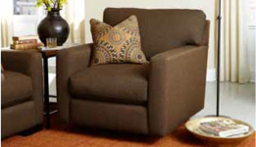 | 7010-20-GENR-49521-LAKE COMO CHOCOLATE | SWIVEL CHAIR | Metropolitan swivel chair works great in any room, enveloping you in a swirl of Featherblend comfort. Luxurious throw pillow is included. | 48x45x38 | 43.0 | Polyester Blend 'WS Cleaning Code When upholstery cleaning is required, remove your natural filled upholstery interior prior to any steam cleaning or applications of any soil guard barrier process. | COLLECTIONS Gaga Charcoal,Premier Dove,Lake Como,Venice Burlap, Venice Scarlet | Lake Como -Mozambique Earth ; Gaga Charcoal -Beaver Creek ; Premier Dove-Zanadu Mango ; Venice Burlap -Ventura Peppercorn / Resort Ebony ; Venice Scarlet - India Scarlet / Bali Scarlet | Y | N | $799-$899
METROPOLITAN | 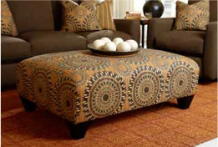 | 7010-32-GENR-105073-MOZAMBIQUE EARTH | COCKTAIL OTTOMAN | Eye-catching cocktail ottoman covered in a richly detailed jacquard spices up any room in the house as well as complementing the Metropolitan collection. | 40x34x18 | 12.0 | 100 % Polyester "S Cleaning code When upholstery cleaning is required, remove your natural filled upholstery interior prior to any steam cleaning or applications of any soil guard barrier | Individual Fabrics Mozambique Earth Premier Dove,Gaga Charcoal,Lake Como Chocolate,"Venice Burlap, Venice Scarlet | N | N | N | $499-$599
METROPOLITAN | 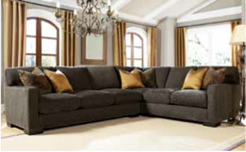 | 7010-67/62-GENR-119573-GAGA CHARCOAL | SECTIONAL | Classic tuxedo styling is writ large on this sumptuous Metropolitan sectional. Supremely comfortable Pacific Coast Featherblend cushions will have you floating in a cloud of relaxation. The luxurious throw pillows are included, and add a special flair to any living room. | 130x102x38 | 165.0 | Polyester Blend 'WS Cleaning Code When upholstery cleaning is required, remove your natural filled upholstery interior prior to any steam cleaning or applications of any soil guard barrier process. | COLLECTIONS Gaga Charcoal,Premier Dove,Lake Como Chocolate,Venice Burlap, Venice Scarlet | Lake Como - Fritz Tobacco / Mozambique Earth ; Gaga Charcoal -Beaver Creek /Aspen Cocoa ; Premier Dove-Zanadu Mango / Cachet Hacienda ; Venice Burlap -Ventura Peppercorn / Resort Ebony ; Venice Scarlet - India Scarlet / Bali Scarlet | Y | N | $2399-$2599
METROPOLITAN | 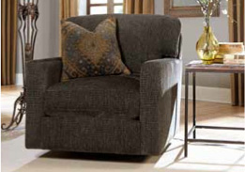 | 7010-27-GENR-119573-GAGA CHARCOAL | SWIVEL CHAIR | Metropolitan swivel chair works great in any room, enveloping you in a swirl of Featherblend comfort. Luxurious throw pillow is included. | 48x44.5x38 | 43.0 | Polyester Blend 'WS Cleaning Code When upholstery cleaning is required, remove your natural filled upholstery interior prior to any steam cleaning or applications of any soil guard barrier process. | COLLECTIONS Gaga Charcoal,Premier Dove,Lake Como Chocolate,Venice Burlap, Venice Scarlet | Lake Como -Mozambique Earth ; Gaga Charcoal -Beaver Creek ; Premier Dove-Zanadu Mango ; | Y | N | $799-$899
METROPOLITAN | 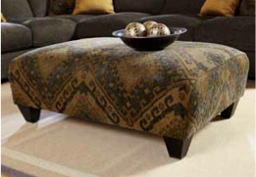 | 7010-32-GENR-119515-BEAVER CREEK | COCKTAIL OTTOMAN | Eye-catching cocktail ottoman covered in a richly detailed jacquard spices up any room in the house as well as complementing the Metropolitan collection. | 40x34x18 | 12.0 | Polyester Blend 'WS Cleaning Code When upholstery cleaning is required, remove your natural filled upholstery interior prior to any steam cleaning or applications of any soil guard barrier process. | Individual Fabrics Beaver Creek, Mozambique Earth Premier Dove,Gaga Charcoal,Lake Como Chocolate,Venice Burlap,Venice Scarlet | N | N | N | $499-$599
METROPOLITAN | 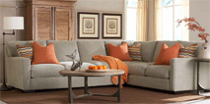 | 7010-67/62-GENR-62592-PREMIER DOVE | SECTIONAL | Classic tuxedo styling is writ large on this sumptuous Metropolitan sectional. Supremely comfortable Pacific Coast Featherblend cushions will have you floating in a cloud of relaxation. The luxurious throw pillows are included, and add a special flair to any living room. | 130x102x38 | 165.0 | 100 % Polyester "S Cleaning code When upholstery cleaning is required, remove your natural filled upholstery interior prior to any steam cleaning or applications of any soil guard barrier | COLLECTIONS Gaga Charcoal,Premier Dove,Lake Como Chocolate,Venice Burlap, Venice Scarlet | Lake Como - Fritz Tobacco / Mozambique Earth ; Gaga Charcoal -Beaver Creek /Aspen Cocoa ; Premier Dove-Zanadu Mango / Cachet Hacienda ; Venice Burlap -Ventura Peppercorn / Resort Ebony ; Venice Scarlet - India Scarlet / Bali Scarlet | Y | N | $2399-$2599
METROPOLITAN | 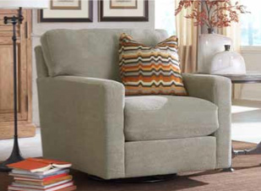 | 7010-27-GENR-62592-PREMIER DOVE | SWIVEL CHAIR | Metropolitan swivel chair works great in any room, enveloping you in a swirl of Featherblend comfort. Luxurious throw pillow is included. | 48x44.5x38 | 43.0 | 100 % Polyester "S Cleaning code When upholstery cleaning is required, remove your natural filled upholstery interior prior to any steam cleaning or applications of any soil guard barrier | COLLECTIONS Gaga Charcoal,Premier Dove,Lake Como Chocolate,Venice Burlap, Venice Scarlet | Lake Como -Mozambique Earth ; Gaga Charcoal -Beaver Creek ; Premier Dove-Zanadu Mango ; | Y | N | $799-$899
MADIVAL | 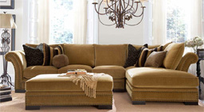 | 7020-67/61-45030-VENICE BURLAP | SECTIONAL | Like like a Royal with the palatial Madival sectional featuring exquisite craftsmanship and the supreme comfort of Pacific Coast Featherblend cushions. Luxurious throw pillows complete the regal look. | 144x44x36 | 172.0 | 100 % Polyester "S Cleaning code When upholstery cleaning is required, remove your natural filled upholstery interior prior to any steam cleaning or applications of any soil guard barrier | COLLECTIONS Gaga Charcoal,Premier Dove,Lake Como Chocolate,Venice Burlap, Venice Scarlet | Lake Como - Fritz Tobacco / Mozambique Earth ; Gaga Charcoal -Beaver Creek /Aspen Cocoa ; Premier Dove-Zanadu Mango / Cachet Hacienda ; Venice Burlap -Ventura Peppercorn / Resort Ebony ; Venice Scarlet - India Scarlet / Bali Scarlet | Y | N | $2599-$2799
MADIVAL | 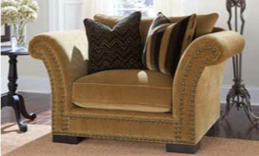 | 7020-20-GENR-45030-VENICE BURLAP | CHAIR | Palatial Madival chair features exquisite crafsmanship and the supreme comfort of Pacific Coast Featherblend cushions . Luxurious throw pillows complete the regal look. | 61.5x44x36 | 53.0 | 100 % Polyester "S Cleaning code When upholstery cleaning is required, remove your natural filled upholstery interior prior to any steam cleaning or applications of any soil guard barrier | COLLECTIONS Gaga Charcoal,Premier Dove,Lake Como Chocolate,Venice Burlap, Venice Scarlet | Lake Como - Fritz Tobacco / Mozambique Earth ; Gaga Charcoal -Beaver Creek /Aspen Cocoa ; Premier Dove-Zanadu Mango / Cachet Hacienda ; Venice Burlap -Ventura Peppercorn / Resort Ebony ; Venice Scarlet - India Scarlet / Bali Scarlet | Y | N | $999-$1199
MADIVAL | 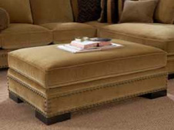 | 7020-30-GENR-45030 VENICE BURLAP | COCKTAIL OTTOMAN | Exquisitely crafted Madival cocktail ottoman completes your regal surroundings. | 54x44x18 | 21.0 | 100 % Polyester "S Cleaning code When upholstery cleaning is required, remove your natural filled upholstery interior prior to any steam cleaning or applications of any soil guard barrier | Individual Fabrics Premier Dove,Gaga Charcoal,Lake Como Chocolate,Venice Burlap,Venice Scarlet | N | N | N | $499-$599
SYDNEY | 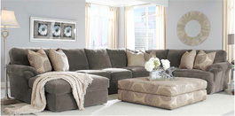 | 7030-60/64/62-GENR-35292-GROOVY SMOKE | SECTIONAL | Contemporary bliss describes the mammoth Sydney sectional, and its plush microfiber fabric and supremely comfortable Featherblend cushions. Graphic throw pillows complete your modern oasis. | 167x105x41 | 226.0 | 100 % Polyester "S Cleaning code When upholstery cleaning is required, remove your natural filled upholstery interior prior to any steam cleaning or applications of any soil guard barrier | COLLECTION GROOVY SMOKE,GROOVY CHOCOLATE | Groovy Chocolate - Big swirl chocolate / Waves Chocolate | Y | N | $2999-$3499
SYDNEY | 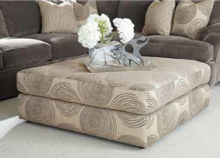 | 7030-32-GENR-89596-BIG SWIRL SMOKE | COCKTAIL OTTOMAN | Graphic Sydney cocktail ottoman completes your modern oasis. | 46x46x20 | 21.0 | 100 % Polyester "S Cleaning code When upholstery cleaning is required, remove your natural filled upholstery interior prior to any steam cleaning or applications of any soil guard barrier | INDIVIDUAL FABRICS BIG SWIRL SMOKE,BIG SWIRL CHOCOLATE, GROOVY SMOKE,GROOVY CHOCOLATE | N | N | N | $399-$499
ALBERT | 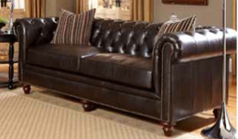 | 9583-00-GENS-53516-VIENNA WALNUT | TUFTED SOFA | Live in Old World comfort with the finely crafted Albert sofa, featuring hand-tufted upholstery accented with antiqued braids. Featherblend throw pillows are included. IMPORTED-MAY NOT BE AVAILABLE IN ALL LOCATIONS. | 89.5x40x33 | 65.0 | Leather Blend /Polyurethane Combo "S Cleaning Code | NA | N | N | Y | $999-$1099
ALBERT | 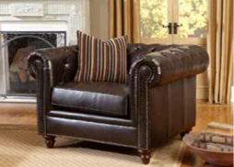 | 9583-20-GENS-53516-VIENNA WALNUT | TUFTED CHAIR | Live in Old World comfort with the finely crafted Albert chair, featuring hand-tufted upholstery accented with antiqued braids. Featherblend throw pillows are included. IMPORTED-MAY NOT BE AVAILABLE IN ALL LOCATIONS. | 49x40x33 | 36.5 | Leather Blend / Polyurethane Combo "S Cleaning Code | NA | N | N | Y | $599
ALBERT | 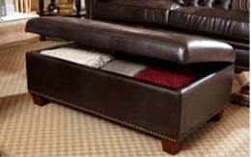 | 9583-31-GENS-53516-VIENNA WALNUT | STORAGE OTTOMAN | Finely crafted Albert storage ottoman completes the Old World ambience. IMPORTED-MAY NOT BE AVAILABLE IN ALL LOCATIONS. | 48x29x18 | 14.0 | Leather Bonded Polyurethane Combo - "S Cleaning code | NA | N | N | Y | $399-$499
WENTWORTH | 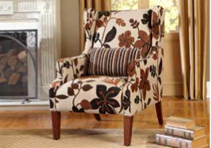 | 9102-20-GENS-92219-WINTER PARK | WING CHAIR | Timeless Wentworth wing chair upholstered in a rich jacquard complements the Old World feel of the Albert collection. IMPORTED-MAY NOT BE AVAILABLE IN ALL LOCATIONS. | 31.5x38x44 | 17.0 | 100% Polyester "S Cleaning Code | NA | N | N | Y | $499-$599
MAYFAIR | 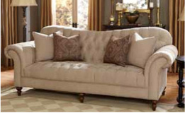 | 9618-00-GENS-38595-NOVA SCOTIA MUSHROOM | TUFTED SOFA | Elegant lines and handcrafted upholstery are hallmarks of the sophisticated Mayfair sofa. Featuring hand-tufted upholstery and Featherblend throw pillows, this sofa has a timeless elegance. IMPORTED-MAY NOT BE AVAILABLE IN ALL LOCATIONS. | 100x41x35 | 71.0 | 100% Polyester "S Cleaning Code | NA | Nova Scotia Godiva- Cashmere Café ; Lima Harvest - Imperial Mocha; Zenith Teak - Imperial Mocha ; Zenith Coffee - Imperial Mocha | N | Y | $999-$1099
MAYFAIR | 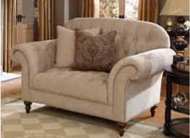 | 9618-20-GENS-38595-NOVA SCOTIA MUSHROOM | TUFTED CHAIR | Elegant lines and handcrafted upholstery are hallmarks of the sophisticated Mayfair chair. Featuring hand-tufted upholstery and Featherblend throw pillows, this chair is generously proportioned. IMPORTED-MAY NOT BE AVAILABLE IN ALL LOCATIONS. | 65.5x42x36 | 48.5 | 100% Polyester "S Cleaning Code | NA | Nova Scotia Godiva- Cashmere Café ; Lima Harvest - Imperial Mocha; Zenith Teak - Imperial Mocha ; Zenith Coffee - Imperial Mocha | N | Y | $699-$799
LORDS | 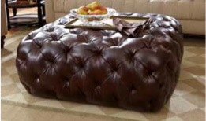 | 9618-37-GENC-57728-LIMA HARVEST | TUFTED OTTOMAN | The Lords tufted ottoman is a conversation piece, featuring superior craftmanship designed to elevate the décor of any room. IMPORTED-MAY NOT BE AVAILABLE IN ALL LOCATIONS. | 45x45x19 | 22.0 | Leather/Blend ; S Cleaning Code | NA | N | N | Y | $499-$599
LEON | 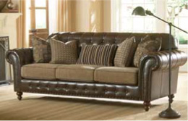 | 9691-00-GENS-53526- VIENNA PECAN | SOFA | A visual feast of texture and craftmanship, the Leon sofa brings a rich patina to your home. Decadent throw pillows complete the picture. IMPORTED-MAY NOT BE AVAILABLE IN ALL LOCATIONS. | 93x38.5x37 | 73.0 | Leather /Blend Outside 100% Polyester Inside "S Cleanability | NA | N | N | Y | $999-$1099
LEON | 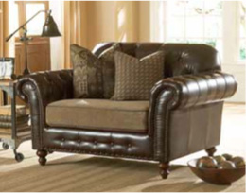 | 9691-20-GENS-53526-VIENNA PECAN | CHAIR | The grand scale of the Leon chair is an impressive feast for the eyes. Decadent throw pillows complete the picture. IMPORTED-MAY NOT BE AVAILABLE IN ALL LOCATIONS. | 59x38.5x37 | 47.0 | Leather /Blend Outside 100% Polyester Inside "S Cleanability | NA | N | N | Y | $699-$799
LEON | 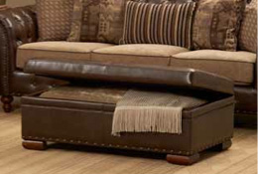 | 9691-31-GENS-53526-VIENNA PECAN | STORAGE OTTOMAN | The Leon storage ottoman combines rich detailing with modern function. IMPORTED-MAY NOT BE AVAILABLE IN ALL LOCATIONS. | 46x27x18 | 16.0 | Polyester Blend 'WS Cleaning Code When upholstery cleaning is required, remove your natural filled upholstery interior prior to any steam cleaning or applications of any soil guard barrier process. | NA | N | N | Y | $399-$499
ALHAMBRA | 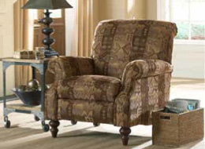 | 9429-86-GENS-49519-SUZZANI MOCHA | RECLINER | Complete the tapestry of your home with the Alhambra recliner, a perfect complement to the Leon collection. IMPORTED-MAY NOT BE AVAILABLE IN ALL LOCATIONS. | 37x39x39 | 22.5 | 100% Polyester "S Cleaning Code | NA | N | N | Y | $599-$699

