Sheet1
Homework #2 | Pricing of simple bonds in Excel

Assuming that todays' date is 8/7/07, the bond has $100 notional - and using the Bloomberg screen below

1) for the following bonds, calculate |  |  |  |  |  |  | 2011 HW | 2013
 | a) price at current yield
 | b) PV01 at current yield
 | c) duration at current yield
2) Reprice each bond at +100bp
 | compare the price change with that implied by PV01*100
 | explain what drives the differences
3) For the 10Y bond, show the price yield line between 1% and 20%
 | explain what drives the shape of the curve
4) for the 10Y, show a surface plot of the price for yields between 1 and 20%
(in increments of 1%) and maturities between 1 and 20 years
 | explain the shape of the surface

Price @ current yield | Price @ +1bp | PV01 | Mduration | Coupon | Maturing on | Yield
 |  |  |  | 0.875 | 2012-01-31 | 0.85
 |  |  |  | 1.375 | 2013-01-15 | 1.39
 |  |  |  | 2.25 | 2015-01-31 | 2.37
 |  |  |  | 3.125 | 2017-01-31 | 3.12
 |  |  |  | 3.375 | 2019-11-15 | 3.65
 |  |  |  | 4.375 | 2039-11-15 | 4.56

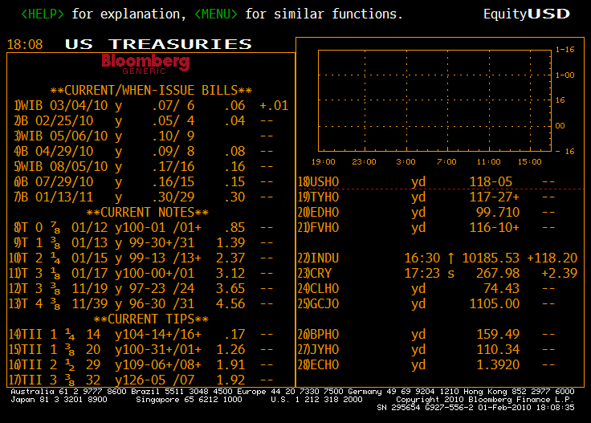

99.437577102 | 99.390873948 | 467.03153633 | 4.6976916837
100.03114701 | 99.968731358 | 624.15654707 | 6.2413094179
97.750558215 | 97.669995513 | 805.62701902 | 8.1847161883
96.996150983 | 96.837769374 | 1583.8160931 | 16.190410648

 |  |  |  |  |  |  |  | 2011 HW

