genotype
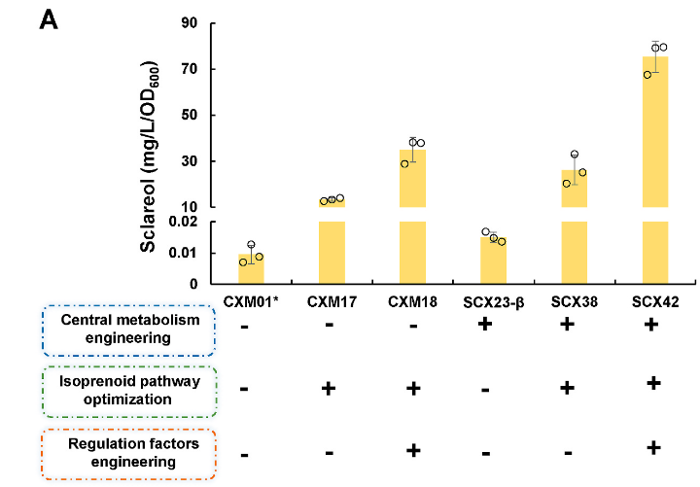
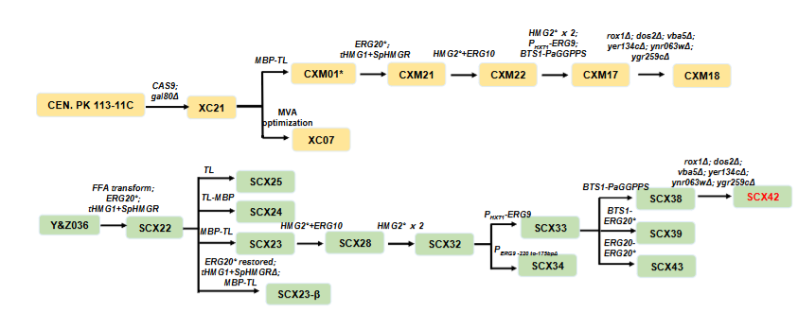
strain | genotype
Y&Z036 | MATa; MAL2-8c; SUC2; hfd1Δ; pox1Δ; faa1Δ; faa4Δ; gal80∆; gal1∆; gal7∆; his3Δ::HIS3+(PTPI-MmACL-TFBA1)+(PTDH3-RtME-TCYC1)+(PtHXT7-’MDH3-TTDH2)+(PPGK1-CTP1- TADH1)+(PTEF1-‘tesA-THIS3); ura3Δ::(PTPI1-RtFAS1-TFBA1)+ (PTEF1-RtFAS2-TCYC1)+amdSym; X1- 5::PTEF1-Cas9-TCYC1; acc1::PTEF1-ACC1; pyc1::PTEF1-PYC1; XI-4:: (PTPI1-MPC1)+(PPGK1-MPC3- TDIT1); XI-2::(PGAL1-AnACLa-TCYC1)+(PGAL10-AnACLb-TADH1); gal10∆::(PTPI1-RtCIT1- TFBA1)+(PTDH3-IDP2-TCYC1)+(PTEF1-YHM2-TGAL1); pgi1∆::(PCOX9-PGI1)+(PTDH3-GND1- TCYC1)+(PtHXT7-TKL1-TTDH2)+(PPGK1-TAL1-TADH1)+(PTEF1-ZWF1); idh2∆:: PGSY1-IDH2
CXM17 | MATa; MAL2-8c; SUC2; his3Δ1; ura3-52; gal80Δ; XI-5::PTEF1-Cas9-TCYC1; XI-3::PGAL7-MBP- TL-TADH1; XI-2::PGAL7-BTS1-PaGGPPS-TTDH2; XII-3::(PGAL1-HMG2*-TENO2)+(PGAL10-HMG2*- TPDC1); XII-5::(PTDH3-tHMG1-TFAA4)+(PtHXT7-SpHMGR-TPOX1); XII-2::(PGAL1-ERG10- TPYK1)+(PGAL10-HMG2*-TENO2); Erg20:: PTDH3-Erg20(F96C) = =[CXM01*]+(XI-2::PGAL7-BTS1-PaGGPPS-TTDH2; XII-3::(PGAL1-HMG2*-TENO2)+(PGAL10- HMG2*-TPDC1); XII-5::(PTDH3-tHMG1-TFAA4)+(PtHXT7-SpHMGR-TPOX1); XII-2::(PGAL1-ERG10- TPYK1)+(PGAL10-HMG2*-TENO2); Erg20:: PTDH3-Erg20(F96C))
CXM18 | MATa; MAL2-8c; SUC2; his3Δ1; ura3-52; gal80Δ; vba5Δ; yer134cΔ; ynr063wΔ; ygr259cΔ; dos2Δ; rox1Δ; XI-5::PTEF1-Cas9-TCYC1; XI-3::PGAL7-MBP-TL; XI-2::PGAL7-BTS1- PaGGPPS-TTDH2; XII-3::(PGAL1-HMG2*-TENO2)+(PGAL10-HMG2*-TPDC1); XII-5::(PTDH3-tHMG1- TFAA4)+(PtHXT7-SpHMGR-TPOX1); PERG9::PHXT1; XII-2::(PGAL1-ERG10-TPYK1)+(PGAL10-HMG2*- TENO2); Erg20:: PTDH3-Erg20(F96C) = =[CXM17]+(vba5Δ; yer134cΔ; ynr063wΔ; ygr259cΔ; dos2Δ; rox1Δ)
SCX38 | MATa; MAL2-8c; SUC2; ura3Δ; hfd1Δ; gal80∆; gal1∆; gal7∆; ’tesA∆; his3Δ::(PTPI-MmACL- TFBA1)+(PTDH3-RtME -TCYC1)+(PtHXT7-’MDH3-TTDH2)+(PPGK1-CTP1-THIS3); XI-5::PTEF1-Cas9-TCYC1; pyc1::PTEF1-PYC1; XI-4:: (PTPI1-MPC1)+(PPGK1-MPC3-TDIT1); XI-2::(PGAL1-AnACLa- TCYC1)+(PGAL10-AnACLb-TADH1); gal10∆::(PTPI1-RtCIT1-TFBA1)+(PTDH3-IDP2-TCYC1)+(PTEF1-YHM2- TGAL1); pgi1∆::(PCOX9-PGI1)+(PTDH3-GND1-TCYC1)+(PtHXT7-TKL1-TTDH2)+(PPGK1-TAL1- TADH1)+(PTEF1-ZWF1); idh2∆:: PGSY1-IDH2; Erg20::PTDH3-Erg20(F96C); FAA4::FAA4+PTDH3- tHMG1-TFAA4; POX1::POX1+PtHXT7-SpHMGR-TPOX1; XI-3::PGAL7-MBP-TL-TADH1; XII-2::(PGAL1- ERG10-TPYK1)+(PGAL10-HMG2*-TENO2); XII-3::(PGAL1-HMG2*-TENO2)+(PGAL10-HMG2*-TPDC1); PERG9::PHXT1; XI-2::PGAL7-BTS1-PaGGPPS-TTDH2; = [SCX33]+(XI-2::PGAL7-BTS1-PaGGPPS-TTDH2)
SCX42 | MATa; MAL2-8c; SUC2; ura3Δ; hfd1Δ; gal80∆; gal1∆; gal7∆; ’tesA∆; rox1Δ; dos2Δ; vba5Δ; yer134cΔ; ynr063wΔ; ygr259cΔ; his3Δ::(PTPI-MmACL-TFBA1)+(PTDH3-RtME - TCYC1)+(PtHXT7-’MDH3-TTDH2)+(PPGK1-CTP1-THIS3); XI-5::PTEF1-Cas9-TCYC1; pyc1::PTEF1-PYC1; XI- 4:: (PTPI1-MPC1)+(PPGK1-MPC3-TDIT1); XI-2::(PGAL1-AnACLa-TCYC1)+(PGAL10-AnACLb-TADH1); gal10∆::(PTPI1-RtCIT1-TFBA1)+(PTDH3-IDP2-TCYC1)+(PTEF1-YHM2-TGAL1); pgi1∆::(PCOX9- PGI1)+(PTDH3-GND1-TCYC1)+(PtHXT7-TKL1-TTDH2)+(PPGK1-TAL1-TADH1)+(PTEF1-ZWF1); idh2∆:: PGSY1-IDH2; Erg20::PTDH3-Erg20(F96C); FAA4::FAA4+PTDH3-tHMG1-TFAA4; POX1::POX1+PtHXT7-SpHMGR-TPOX1; XI-3::PGAL7-MBP-TL-TADH1; XII-2::(PGAL1-ERG10- TPYK1)+(PGAL10-HMG2*-TENO2); XII-3::(PGAL1-HMG2*-TENO2)+(PGAL10-HMG2*-TPDC1); PERG9::PHXT1; XI-2::PGAL7-BTS1-PaGGPPS-TTDH2; =[SCX38]+(rox1Δ; dos2Δ; vba5Δ; yer134cΔ; ynr063wΔ; ygr259cΔ)

