Category Statistics
country | US
Parent Category Outcomes
Count of outcomes | Column Labels
Row Labels | canceled | failed | live | successful | Grand Total
theater | 26 | 349 | 12 | 525 | 912
Grand Total | 26 | 349 | 12 | 525 | 912

Subcategory Statistics
country | GB
Category | (All)

Subcategory Outcomes
Count of outcomes | Column Labels
Row Labels | failed | live | successful | Grand Total
plays | 70 | 6 | 238 | 314
Grand Total | 70 | 6 | 238 | 314

Outcomes Based on Launch Date
Category | technology
Years | (All)

Outcomes by Launch Date
Count of outcomes | Column Labels
Row Labels | canceled | failed | successful | Grand Total
Jan | 17 | 23 | 9 | 49
Feb | 13 | 14 | 20 | 47
Mar | 12 | 13 | 17 | 42
Apr | 11 | 7 | 26 | 44
May | 11 | 11 | 14 | 36
Jun | 17 | 22 | 17 | 56
Jul | 18 | 17 | 18 | 53
Aug | 12 | 14 | 18 | 44
Sep | 13 | 24 | 15 | 52
Oct | 12 | 23 | 20 | 55
Nov | 26 | 23 | 24 | 73
Dec | 16 | 22 | 11 | 49
Grand Total | 178 | 213 | 209 | 600

Descriptive Statistics
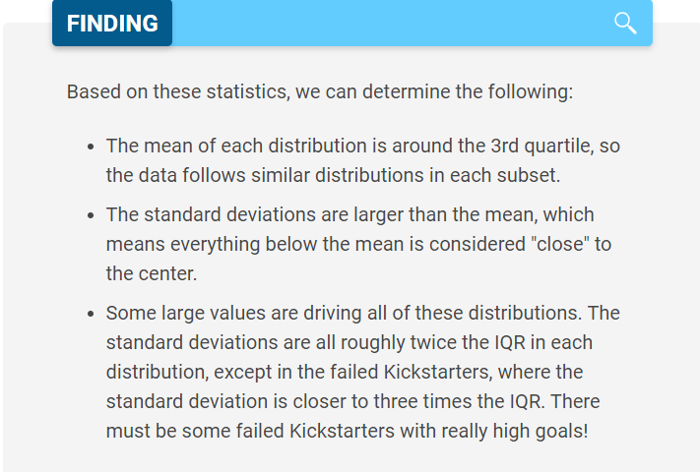
 | Successful | Failed
Mean Goal | $5,049 | $10,554
Median Goal | $3,000 | $5,000
Standard Deviation of Goal | $7,749 | $21,968
Upper Quartile of Goal | $5,000 | $10,000
Lower Quartile of Goal | $1,500 | $2,000
IQR of Goal | $3,500 | $8,000

Mean Pledged | $5,602 | $559
Median Pledged | $3,168 | $103
Standard Deviation of Pledged | $8,335 | $1,331
Upper Quartile of Pledged | $5,699 | $501
Lower Quartile of Pledged | $1,717 | $9
IQR of Pledged | $3,982 | $492

Chart Notes
