DashboardCashier
User Interface | API Name | Parameter | Result | Additional
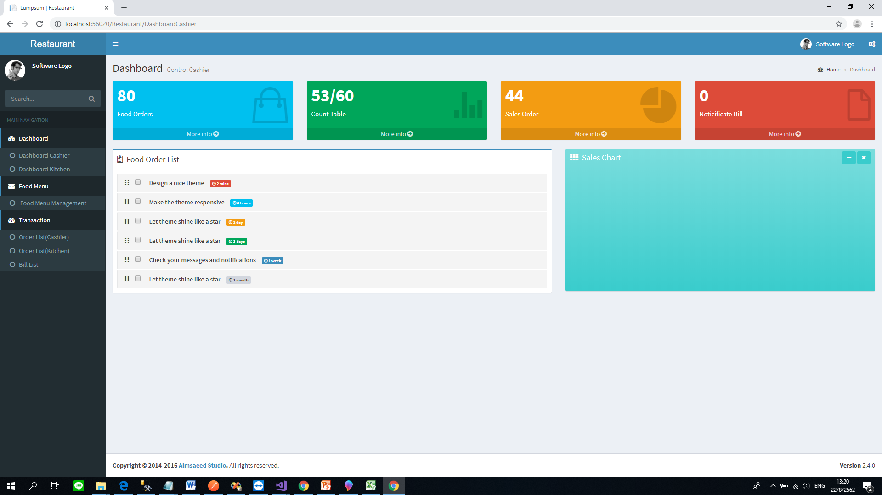 | getDashboardCashier() | RestaurantID | ResultOk (true,false) |  | User of RDC
 |  | DashboardDate | ErrorMessage
 |  |  | FoodsOrder
 |  |  | CountTable
 |  |  | CountSalesOrderPerDay
 |  |  | List<BillHeader>

 |  |  | public class M_Bill_Header { public string BillID { get; set; } public string BillNo { get; set; } public string BillCreateDate { get; set; } public string BillCreateName { get; set; } public string BillTableName { get; set; } public string BillMenuCount { get; set; } public string BillTotalPrice { get; set; } public string BillStatusText { get; set; } }

DashboardKitchen
User Interface | API Name | Parameter | Result | Additional
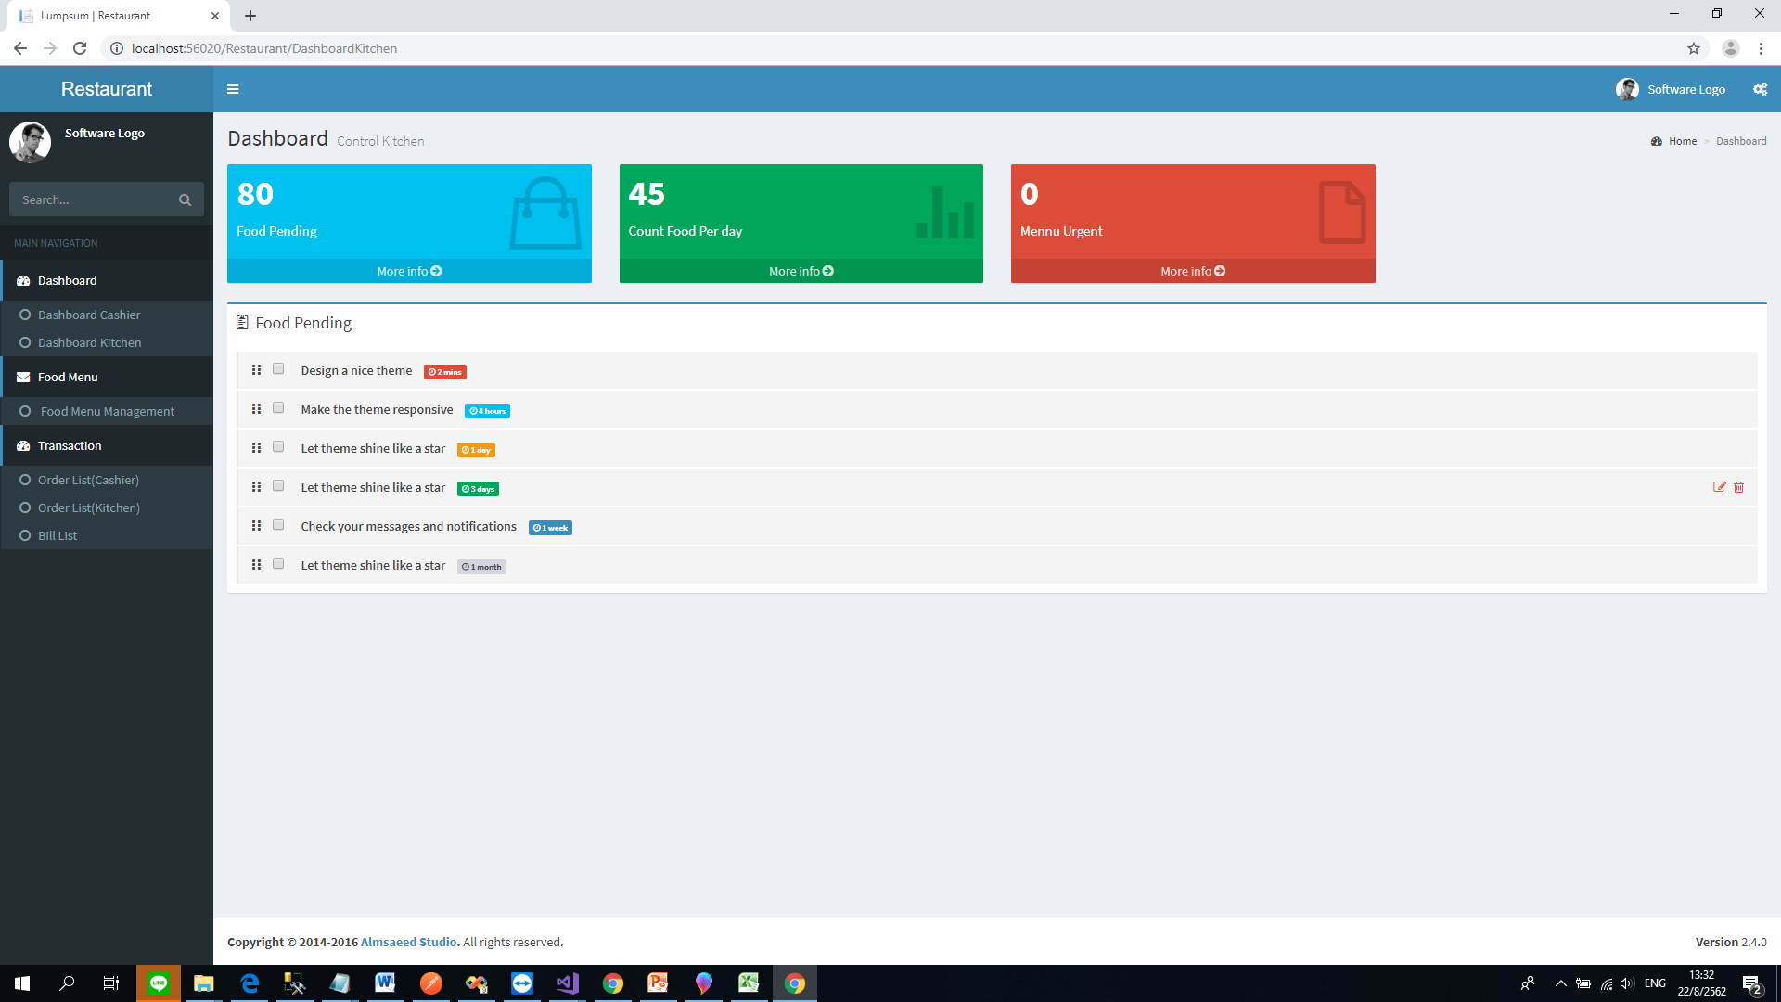 | getDashboardKitchen() | RestaurantID | ResultOk (true,false) |  | User of RDC
 |  | DashboardDate | ErrorMessage
 |  |  | CountFoodsPending
 |  |  | CountFoodPerDay
 |  |  | MenuUrgent(Option)
 |  |  | List<FoodPending>

 |  |  | public class FoodPending { public string tableName { get; set; } public string menuFoodsName { get; set; } public string menuStatus { get; set; } }

CashierView
User Interface | API Name | Parameter | Result | Additional
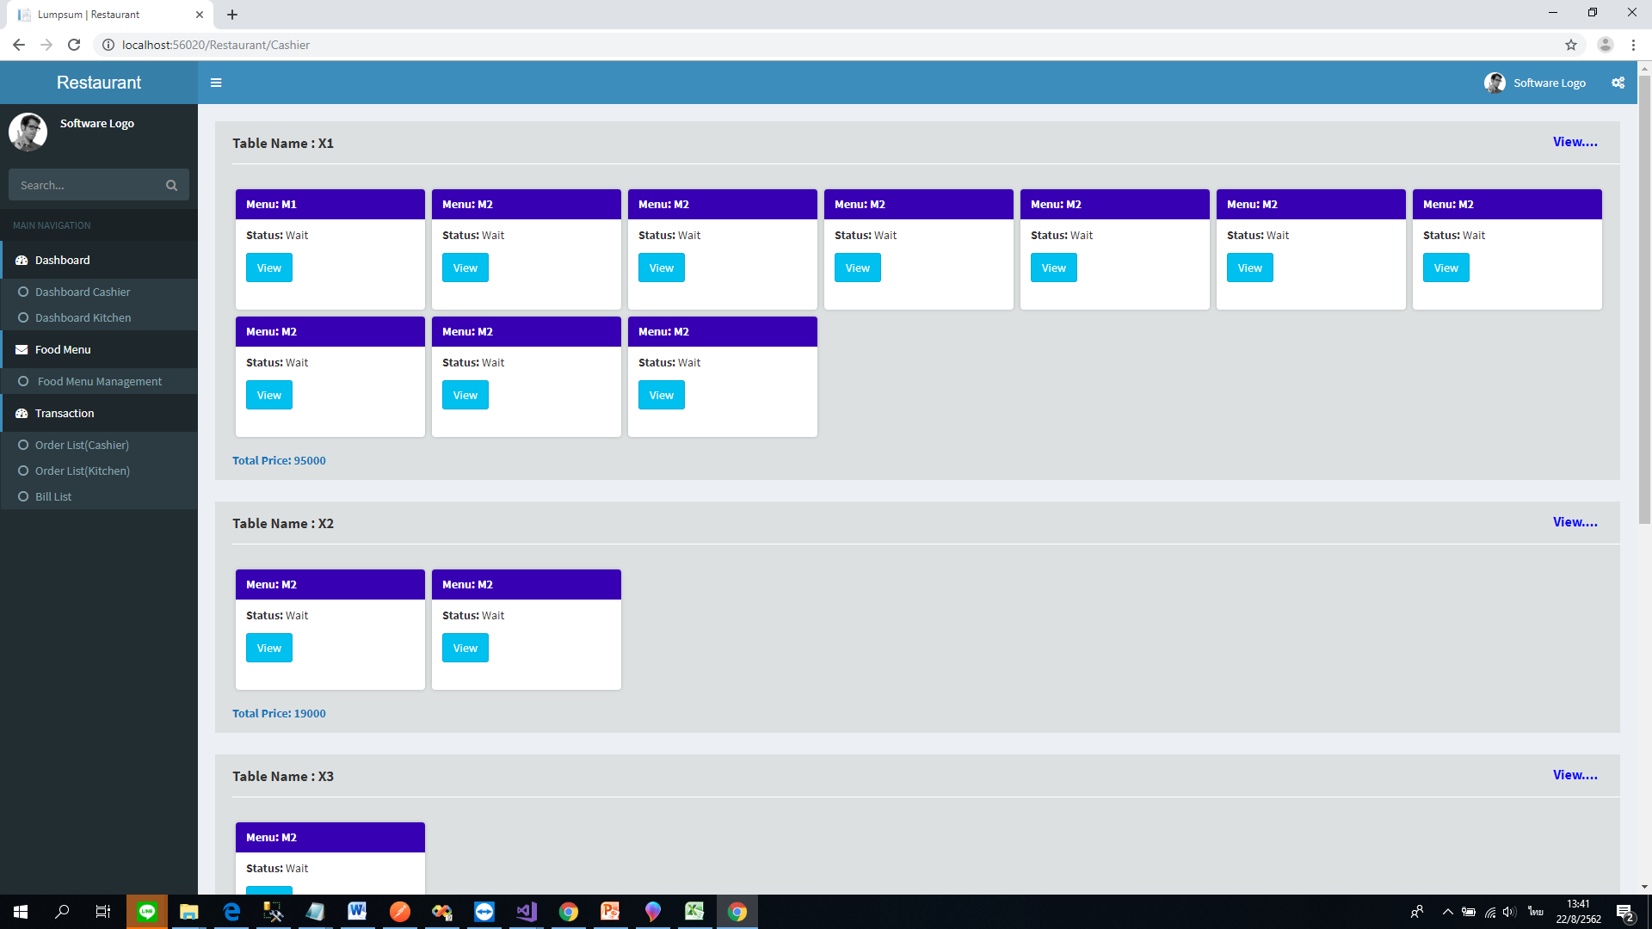 | getFoodView() | RestaurantID | ResultOk (true,false)
 |  | CurrentDate | ErrorMessage
 |  | TableID(If have) | TableName
 |  | FoodMenuID(If have) | TableSatus
 |  |  | FoodMenuName
 |  |  | FoodMenuStatus
 |  |  | TableID
 |  |  | FoodMenuID
 |  |  | FoodMenuPrice

KitchenView
User Interface | API Name | Parameter | Result | Additional
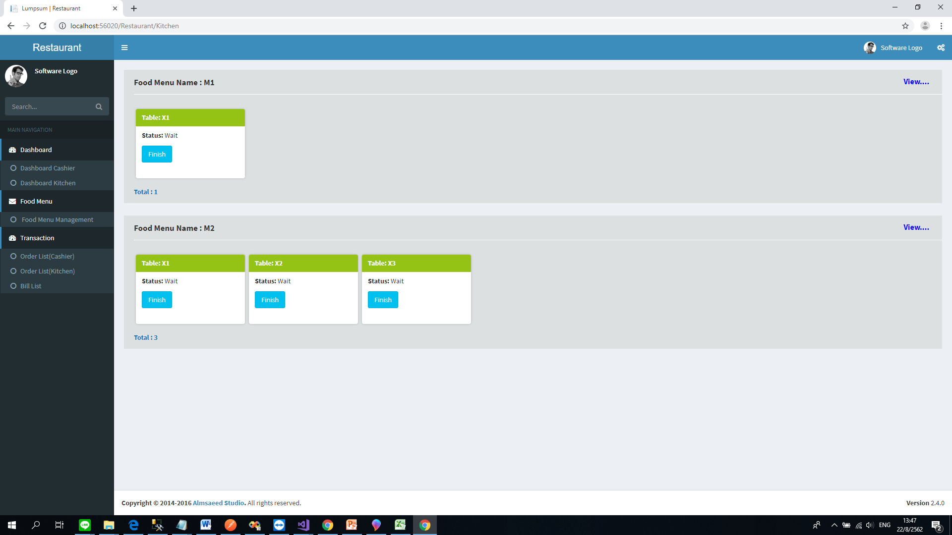 | getFoodView() | RestaurantID | ResultOk (true,false)
 |  | CurrentDate | ErrorMessage
 |  | TableID(If have) | TableName
 |  | FoodMenuID(If have) | TableSatus
 |  |  | FoodMenuName
 |  |  | FoodMenuStatus
 |  |  | TableID
 |  |  | FoodMenuID
 |  |  | FoodMenuPrice

BillList
User Interface | API Name | Parameter | Result | Additional
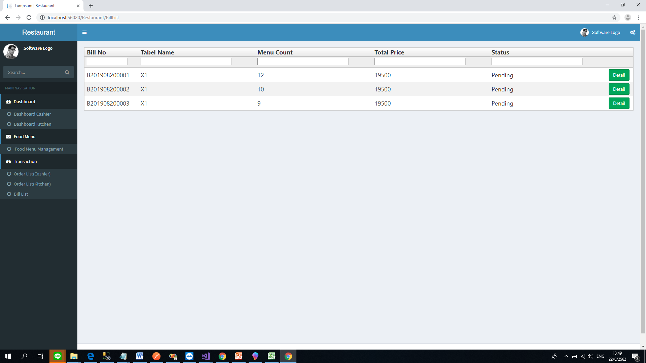 | getBillList() | RestaurantID | ResultOk (true,false)
 |  | CurrentDate | ErrorMessage
 |  | TableID(If have) | BillID { get; set; }
 |  | BillID(If have) | BillNo { get; set; }
 |  |  | BillCreateDate { get; set; }
 |  |  | BillCreateName { get; set; }
 |  |  | BillTableName { get; set; }
 |  |  | BillMenuCount { get; set; }
 |  |  | BillTotalPrice { get; set; }
 |  |  | BillStatusText { get; set; }

