Farmer Frame IDs
Sprite frames for the farmer

 | Usage example:
 | showFrame 101 or showFrame farmer 101

 | Calling a farmer frame only changes parts of the farmer sprite, not all of it.
 | This means that the farmer needs to be facing the proper direction before the
 | call is made, or you are likely to get hair and heads on backwards, and odd
 | locations for limbs. See this image for an example: |  |  | Frame error

 | NOTE: Specifying "farmer" actually rotates the frame. If showFrame 101
 | looks wrong, try doing showFrame farmer 101, or vice versa.

Image |  | Data

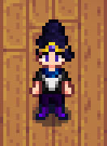
 |  |  | Animation ID:
 |  |  | unknown

 |  |  | Frame ID:
 |  |  | 0

 |  |  | Notes:
 |  |  | none

Image |  | Data

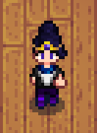
 |  |  | Animation ID:
 |  |  | unknown

 |  |  | Frame ID:
 |  |  | 1

 |  |  | Notes:
 |  |  | none

Image |  | Data


 |  |  | Animation ID:
 |  |  | unknown

 |  |  | Frame ID:
 |  |  | 2

 |  |  | Notes:
 |  |  | none

Image |  | Data


 |  |  | Animation ID:
 |  |  | unknown

 |  |  | Frame ID:
 |  |  | 3

 |  |  | Notes:
 |  |  | none

Image |  | Data

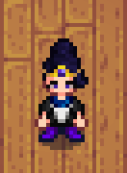
 |  |  | Animation ID:
 |  |  | unknown

 |  |  | Frame ID:
 |  |  | 4

 |  |  | Notes:
 |  |  | none

Image |  | Data

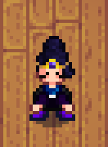
 |  |  | Animation ID:
 |  |  | unknown

 |  |  | Frame ID:
 |  |  | 5

 |  |  | Notes:
 |  |  | none

Image |  | Data

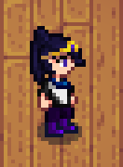
 |  |  | Animation ID:
 |  |  | unknown

 |  |  | Frame ID:
 |  |  | 6

 |  |  | Notes:
 |  |  | none

Image |  | Data


 |  |  | Animation ID:
 |  |  | unknown

 |  |  | Frame ID:
 |  |  | 7

 |  |  | Notes:
 |  |  | none

Image |  | Data

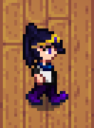
 |  |  | Animation ID:
 |  |  | unknown

 |  |  | Frame ID:
 |  |  | 8

 |  |  | Notes:
 |  |  | none

Image |  | Data

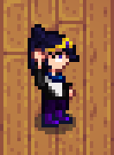
 |  |  | Animation ID:
 |  |  | unknown

 |  |  | Frame ID:
 |  |  | 9

 |  |  | Notes:
 |  |  | none

Image |  | Data

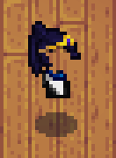
 |  |  | Animation ID:
 |  |  | unknown

 |  |  | Frame ID:
 |  |  | 10

 |  |  | Notes:
 |  |  | Actually missing, from
 |  |  | what I can tell.

Image |  | Data

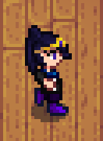
 |  |  | Animation ID:
 |  |  | unknown

 |  |  | Frame ID:
 |  |  | 11

 |  |  | Notes:
 |  |  | none

Image |  | Data

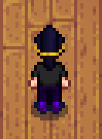
 |  |  | Animation ID:
 |  |  | unknown

 |  |  | Frame ID:
 |  |  | 12

 |  |  | Notes:
 |  |  | none

Image |  | Data

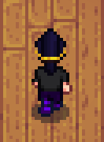
 |  |  | Animation ID:
 |  |  | unknown

 |  |  | Frame ID:
 |  |  | 13

 |  |  | Notes:
 |  |  | none

Image |  | Data

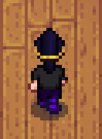
 |  |  | Animation ID:
 |  |  | unknown

 |  |  | Frame ID:
 |  |  | 14

 |  |  | Notes:
 |  |  | none

Image |  | Data

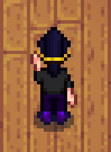
 |  |  | Animation ID:
 |  |  | unknown

 |  |  | Frame ID:
 |  |  | 15

 |  |  | Notes:
 |  |  | none

Image |  | Data


 |  |  | Animation ID:
 |  |  | unknown

 |  |  | Frame ID:
 |  |  | 16

 |  |  | Notes:
 |  |  | none

Image |  | Data


 |  |  | Animation ID:
 |  |  | unknown

 |  |  | Frame ID:
 |  |  | 17

 |  |  | Notes:
 |  |  | none

Image |  | Data


 |  |  | Animation ID:
 |  |  | unknown

 |  |  | Frame ID:
 |  |  | 18

 |  |  | Notes:
 |  |  | none

Image |  | Data


 |  |  | Animation ID:
 |  |  | unknown

 |  |  | Frame ID:
 |  |  | 19

 |  |  | Notes:
 |  |  | none

Image |  | Data

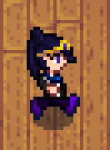
 |  |  | Animation ID:
 |  |  | unknown

 |  |  | Frame ID:
 |  |  | 20

 |  |  | Notes:
 |  |  | none

Image |  | Data


 |  |  | Animation ID:
 |  |  | unknown

 |  |  | Frame ID:
 |  |  | 21

 |  |  | Notes:
 |  |  | none

Image |  | Data

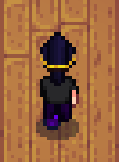
 |  |  | Animation ID:
 |  |  | unknown

 |  |  | Frame ID:
 |  |  | 22

 |  |  | Notes:
 |  |  | none

Image |  | Data

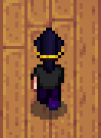
 |  |  | Animation ID:
 |  |  | unknown

 |  |  | Frame ID:
 |  |  | 23

 |  |  | Notes:
 |  |  | none

Image |  | Data


 |  |  | Animation ID:
 |  |  | unknown

 |  |  | Frame ID:
 |  |  | 24

 |  |  | Notes:
 |  |  | none

Image |  | Data

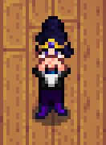
 |  |  | Animation ID:
 |  |  | unknown

 |  |  | Frame ID:
 |  |  | 25

 |  |  | Notes:
 |  |  | none

Image |  | Data

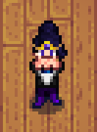
 |  |  | Animation ID:
 |  |  | unknown

 |  |  | Frame ID:
 |  |  | 26

 |  |  | Notes:
 |  |  | none

Image |  | Data

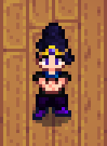
 |  |  | Animation ID:
 |  |  | unknown

 |  |  | Frame ID:
 |  |  | 27

 |  |  | Notes:
 |  |  | none

Image |  | Data

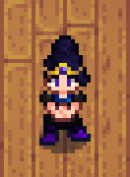
 |  |  | Animation ID:
 |  |  | unknown

 |  |  | Frame ID:
 |  |  | 28

 |  |  | Notes:
 |  |  | none

Image |  | Data

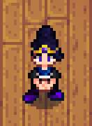
 |  |  | Animation ID:
 |  |  | unknown

 |  |  | Frame ID:
 |  |  | 29

 |  |  | Notes:
 |  |  | none

Image |  | Data

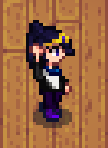
 |  |  | Animation ID:
 |  |  | unknown

 |  |  | Frame ID:
 |  |  | 30

 |  |  | Notes:
 |  |  | none

Image |  | Data

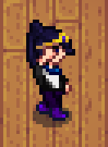
 |  |  | Animation ID:
 |  |  | unknown

 |  |  | Frame ID:
 |  |  | 31

 |  |  | Notes:
 |  |  | none

Image |  | Data

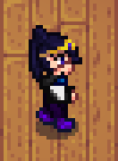
 |  |  | Animation ID:
 |  |  | unknown

 |  |  | Frame ID:
 |  |  | 32

 |  |  | Notes:
 |  |  | none

Image |  | Data

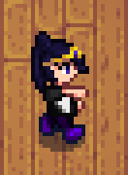
 |  |  | Animation ID:
 |  |  | unknown

 |  |  | Frame ID:
 |  |  | 33

 |  |  | Notes:
 |  |  | none

Image |  | Data

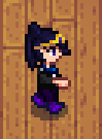
 |  |  | Animation ID:
 |  |  | unknown

 |  |  | Frame ID:
 |  |  | 34

 |  |  | Notes:
 |  |  | none

Image |  | Data

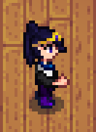
 |  |  | Animation ID:
 |  |  | unknown

 |  |  | Frame ID:
 |  |  | 35

 |  |  | Notes:
 |  |  | none

Image |  | Data

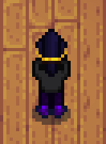
 |  |  | Animation ID:
 |  |  | unknown

 |  |  | Frame ID:
 |  |  | 36

 |  |  | Notes:
 |  |  | none

Image |  | Data

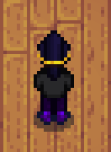
 |  |  | Animation ID:
 |  |  | unknown

 |  |  | Frame ID:
 |  |  | 37

 |  |  | Notes:
 |  |  | none

Image |  | Data

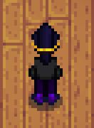
 |  |  | Animation ID:
 |  |  | unknown

 |  |  | Frame ID:
 |  |  | 38

 |  |  | Notes:
 |  |  | Note the arms. It looks
 |  |  | even worse from all
 |  |  | other angles.

Image |  | Data

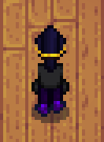
 |  |  | Animation ID:
 |  |  | unknown

 |  |  | Frame ID:
 |  |  | 39

 |  |  | Notes:
 |  |  | Note the arms. It looks
 |  |  | even worse from all
 |  |  | other angles.

Image |  | Data

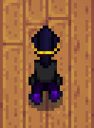
 |  |  | Animation ID:
 |  |  | unknown

 |  |  | Frame ID:
 |  |  | 40

 |  |  | Notes:
 |  |  | Note the arms. It looks
 |  |  | even worse from all
 |  |  | other angles.

Image |  | Data


 |  |  | Animation ID:
 |  |  | unknown

 |  |  | Frame ID:
 |  |  | 41

 |  |  | Notes:
 |  |  | Note the arms. It looks
 |  |  | even worse from all
 |  |  | other angles.

Image |  | Data

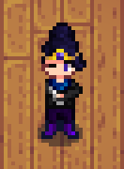
 |  |  | Animation ID:
 |  |  | unknown

 |  |  | Frame ID:
 |  |  | 42

 |  |  | Notes:
 |  |  | none

Image |  | Data

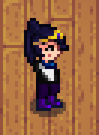
 |  |  | Animation ID:
 |  |  | unknown

 |  |  | Frame ID:
 |  |  | 43

 |  |  | Notes:
 |  |  | Yes, the arms are missing.
 |  |  | I don't know why; must
 |  |  | be part of another frame.

Image |  | Data

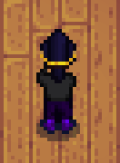
 |  |  | Animation ID:
 |  |  | unknown

 |  |  | Frame ID:
 |  |  | 44

 |  |  | Notes:
 |  |  | none

Image |  | Data

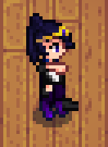
 |  |  | Animation ID:
 |  |  | unknown

 |  |  | Frame ID:
 |  |  | 45

 |  |  | Notes:
 |  |  | Clearly broken, possibly
 |  |  | part of a multiframe.

Image |  | Data

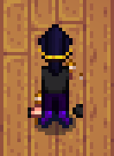
 |  |  | Animation ID:
 |  |  | unknown

 |  |  | Frame ID:
 |  |  | 46

 |  |  | Notes:
 |  |  | Clearly broken, possibly
 |  |  | part of a multiframe.

Image |  | Data

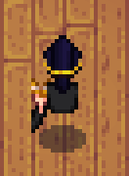
 |  |  | Animation ID:
 |  |  | unknown

 |  |  | Frame ID:
 |  |  | 47

 |  |  | Notes:
 |  |  | Clearly broken, possibly
 |  |  | part of a multiframe.

Image |  | Data

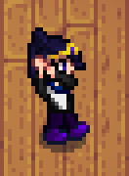
 |  |  | Animation ID:
 |  |  | unknown

 |  |  | Frame ID:
 |  |  | 48

 |  |  | Notes:
 |  |  | none

Image |  | Data

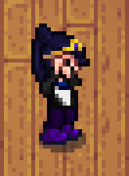
 |  |  | Animation ID:
 |  |  | unknown

 |  |  | Frame ID:
 |  |  | 49

 |  |  | Notes:
 |  |  | none

Image |  | Data

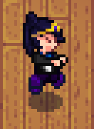
 |  |  | Animation ID:
 |  |  | unknown

 |  |  | Frame ID:
 |  |  | 50

 |  |  | Notes:
 |  |  | none

Image |  | Data

 |  |  | Animation ID:
 |  |  | unknown

 |  |  | Frame ID:
 |  |  | 51

 |  |  | Notes:
 |  |  | none

Image |  | Data

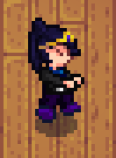
 |  |  | Animation ID:
 |  |  | unknown

 |  |  | Frame ID:
 |  |  | 52

 |  |  | Notes:
 |  |  | none

Image |  | Data

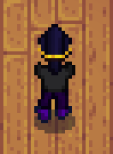
 |  |  | Animation ID:
 |  |  | unknown

 |  |  | Frame ID:
 |  |  | 53

 |  |  | Notes:
 |  |  | none

Image |  | Data


 |  |  | Animation ID:
 |  |  | unknown

 |  |  | Frame ID:
 |  |  | 54

 |  |  | Notes:
 |  |  | none

Image |  | Data

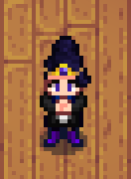
 |  |  | Animation ID:
 |  |  | unknown

 |  |  | Frame ID:
 |  |  | 55

 |  |  | Notes:
 |  |  | none

Image |  | Data


 |  |  | Animation ID:
 |  |  | unknown

 |  |  | Frame ID:
 |  |  | 56

 |  |  | Notes:

Image |  | Data

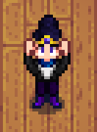
 |  |  | Animation ID:
 |  |  | unknown

 |  |  | Frame ID:
 |  |  | 57

 |  |  | Notes:
 |  |  | none

Image |  | Data

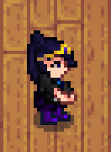
 |  |  | Animation ID:
 |  |  | unknown

 |  |  | Frame ID:
 |  |  | 58

 |  |  | Notes:
 |  |  | none

Image |  | Data

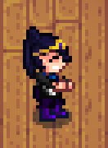
 |  |  | Animation ID:
 |  |  | unknown

 |  |  | Frame ID:
 |  |  | 59

 |  |  | Notes:
 |  |  | none

Image |  | Data

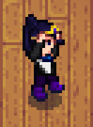
 |  |  | Animation ID:
 |  |  | unknown

 |  |  | Frame ID:
 |  |  | 60

 |  |  | Notes:
 |  |  | none

Image |  | Data

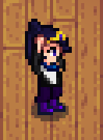
 |  |  | Animation ID:
 |  |  | unknown

 |  |  | Frame ID:
 |  |  | 61

 |  |  | Notes:
 |  |  | none

Image |  | Data

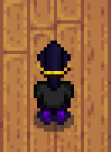
 |  |  | Animation ID:
 |  |  | unknown

 |  |  | Frame ID:
 |  |  | 62

 |  |  | Notes:
 |  |  | none

Image |  | Data


 |  |  | Animation ID:
 |  |  | unknown

 |  |  | Frame ID:
 |  |  | 63

 |  |  | Notes:
 |  |  | none

Image |  | Data


 |  |  | Animation ID:
 |  |  | unknown

 |  |  | Frame ID:
 |  |  | 64

 |  |  | Notes:
 |  |  | none

Image |  | Data


 |  |  | Animation ID:
 |  |  | unknown

 |  |  | Frame ID:
 |  |  | 65

 |  |  | Notes:
 |  |  | none

Image |  | Data


 |  |  | Animation ID:
 |  |  | unknown

 |  |  | Frame ID:
 |  |  | 66

 |  |  | Notes:
 |  |  | Possibly should be
 |  |  | facing down instead?

Image |  | Data


 |  |  | Animation ID:
 |  |  | unknown

 |  |  | Frame ID:
 |  |  | 67

 |  |  | Notes:
 |  |  | none

Image |  | Data


 |  |  | Animation ID:
 |  |  | unknown

 |  |  | Frame ID:
 |  |  | 68

 |  |  | Notes:
 |  |  | none

Image |  | Data


 |  |  | Animation ID:
 |  |  | unknown

 |  |  | Frame ID:
 |  |  | 69

 |  |  | Notes:
 |  |  | none

Image |  | Data


 |  |  | Animation ID:
 |  |  | unknown

 |  |  | Frame ID:
 |  |  | 70

 |  |  | Notes:
 |  |  | none

Image |  | Data


 |  |  | Animation ID:
 |  |  | unknown

 |  |  | Frame ID:
 |  |  | 71

 |  |  | Notes:
 |  |  | none

Image |  | Data


 |  |  | Animation ID:
 |  |  | unknown

 |  |  | Frame ID:
 |  |  | 72

 |  |  | Notes:
 |  |  | none

Image |  | Data


 |  |  | Animation ID:
 |  |  | unknown

 |  |  | Frame ID:
 |  |  | 73

 |  |  | Notes:
 |  |  | none

Image |  | Data


 |  |  | Animation ID:
 |  |  | unknown

 |  |  | Frame ID:
 |  |  | 74

 |  |  | Notes:
 |  |  | none

Image |  | Data


 |  |  | Animation ID:
 |  |  | unknown

 |  |  | Frame ID:
 |  |  | 75

 |  |  | Notes:
 |  |  | Possibly should be
 |  |  | facing down instead?

Image |  | Data


 |  |  | Animation ID:
 |  |  | unknown

 |  |  | Frame ID:
 |  |  | 76

 |  |  | Notes:
 |  |  | none

Image |  | Data


 |  |  | Animation ID:
 |  |  | unknown

 |  |  | Frame ID:
 |  |  | 77

 |  |  | Notes:
 |  |  | none

Image |  | Data


 |  |  | Animation ID:
 |  |  | unknown

 |  |  | Frame ID:
 |  |  | 78

 |  |  | Notes:
 |  |  | none

Image |  | Data


 |  |  | Animation ID:
 |  |  | unknown

 |  |  | Frame ID:
 |  |  | 79

 |  |  | Notes:
 |  |  | none

Image |  | Data


 |  |  | Animation ID:
 |  |  | unknown

 |  |  | Frame ID:
 |  |  | 80

 |  |  | Notes:
 |  |  | none

Image |  | Data


 |  |  | Animation ID:
 |  |  | unknown

 |  |  | Frame ID:
 |  |  | 81

 |  |  | Notes:
 |  |  | none

Image |  | Data


 |  |  | Animation ID:
 |  |  | unknown

 |  |  | Frame ID:
 |  |  | 82

 |  |  | Notes:
 |  |  | none

Image |  | Data


 |  |  | Animation ID:
 |  |  | unknown

 |  |  | Frame ID:
 |  |  | 83

 |  |  | Notes:
 |  |  | none

Image |  | Data


 |  |  | Animation ID:
 |  |  | unknown

 |  |  | Frame ID:
 |  |  | 84

 |  |  | Notes:
 |  |  | none

Image |  | Data


 |  |  | Animation ID:
 |  |  | unknown

 |  |  | Frame ID:
 |  |  | 85

 |  |  | Notes:
 |  |  | none

Image |  | Data


 |  |  | Animation ID:
 |  |  | unknown

 |  |  | Frame ID:
 |  |  | 86

 |  |  | Notes:
 |  |  | none

Image |  | Data


 |  |  | Animation ID:
 |  |  | unknown

 |  |  | Frame ID:
 |  |  | 87

 |  |  | Notes:
 |  |  | none

Image |  | Data


 |  |  | Animation ID:
 |  |  | unknown

 |  |  | Frame ID:
 |  |  | 88

 |  |  | Notes:
 |  |  | none

Image |  | Data


 |  |  | Animation ID:
 |  |  | unknown

 |  |  | Frame ID:
 |  |  | 89

 |  |  | Notes:
 |  |  | none

Image |  | Data


 |  |  | Animation ID:
 |  |  | unknown

 |  |  | Frame ID:
 |  |  | 90

 |  |  | Notes:
 |  |  | none

Image |  | Data


 |  |  | Animation ID:
 |  |  | unknown

 |  |  | Frame ID:
 |  |  | 91

 |  |  | Notes:
 |  |  | none

Image |  | Data


 |  |  | Animation ID:
 |  |  | unknown

 |  |  | Frame ID:
 |  |  | 92

 |  |  | Notes:
 |  |  | none

Image |  | Data


 |  |  | Animation ID:
 |  |  | unknown

 |  |  | Frame ID:
 |  |  | 93

 |  |  | Notes:
 |  |  | none

Image |  | Data


 |  |  | Animation ID:
 |  |  | unknown

 |  |  | Frame ID:
 |  |  | 94

 |  |  | Notes:
 |  |  | none

Image |  | Data


 |  |  | Animation ID:
 |  |  | unknown

 |  |  | Frame ID:
 |  |  | 95

 |  |  | Notes:
 |  |  | none

Image |  | Data


 |  |  | Animation ID:
 |  |  | unknown

 |  |  | Frame ID:
 |  |  | 96

 |  |  | Notes:
 |  |  | none

Image |  | Data


 |  |  | Animation ID:
 |  |  | unknown

 |  |  | Frame ID:
 |  |  | 97

 |  |  | Notes:
 |  |  | none

Image |  | Data


 |  |  | Animation ID:
 |  |  | unknown

 |  |  | Frame ID:
 |  |  | 98

 |  |  | Notes:
 |  |  | none

Image |  | Data


 |  |  | Animation ID:
 |  |  | unknown

 |  |  | Frame ID:
 |  |  | 99

 |  |  | Notes:
 |  |  | none

Image |  | Data


 |  |  | Animation ID:
 |  |  | unknown

 |  |  | Frame ID:
 |  |  | 100

 |  |  | Notes:
 |  |  | none

Image |  | Data


 |  |  | Animation ID:
 |  |  | unknown

 |  |  | Frame ID:
 |  |  | 101

 |  |  | Notes:
 |  |  | none

Image |  | Data


 |  |  | Animation ID:
 |  |  | unknown

 |  |  | Frame ID:
 |  |  | 102

 |  |  | Notes:
 |  |  | none

Image |  | Data


 |  |  | Animation ID:
 |  |  | unknown

 |  |  | Frame ID:
 |  |  | 103

 |  |  | Notes:
 |  |  | none

Image |  | Data


 |  |  | Animation ID:
 |  |  | unknown

 |  |  | Frame ID:
 |  |  | 104

 |  |  | Notes:
 |  |  | none

Image |  | Data


 |  |  | Animation ID:
 |  |  | unknown

 |  |  | Frame ID:
 |  |  | 105

 |  |  | Notes:
 |  |  | none

Image |  | Data


 |  |  | Animation ID:
 |  |  | unknown

 |  |  | Frame ID:
 |  |  | 106

 |  |  | Notes:
 |  |  | none

Image |  | Data


 |  |  | Animation ID:
 |  |  | unknown

 |  |  | Frame ID:
 |  |  | 107

 |  |  | Notes:
 |  |  | none

Image |  | Data


 |  |  | Animation ID:
 |  |  | unknown

 |  |  | Frame ID:
 |  |  | 108

 |  |  | Notes:
 |  |  | none

Image |  | Data


 |  |  | Animation ID:
 |  |  | unknown

 |  |  | Frame ID:
 |  |  | 109

 |  |  | Notes:
 |  |  | Using this produces
 |  |  | an odd looping sound
 |  |  | for some reason.

Image |  | Data


 |  |  | Animation ID:
 |  |  | unknown

 |  |  | Frame ID:
 |  |  | 110

 |  |  | Notes:
 |  |  | none

Image |  | Data


 |  |  | Animation ID:
 |  |  | unknown

 |  |  | Frame ID:
 |  |  | 111

 |  |  | Notes:
 |  |  | none

Image |  | Data


 |  |  | Animation ID:
 |  |  | unknown

 |  |  | Frame ID:
 |  |  | 112

 |  |  | Notes:
 |  |  | none

Image |  | Data


 |  |  | Animation ID:
 |  |  | unknown

 |  |  | Frame ID:
 |  |  | 113

 |  |  | Notes:
 |  |  | none

Image |  | Data


 |  |  | Animation ID:
 |  |  | unknown

 |  |  | Frame ID:
 |  |  | 114

 |  |  | Notes:
 |  |  | none

Image |  | Data


 |  |  | Animation ID:
 |  |  | unknown

 |  |  | Frame ID:
 |  |  | 115

 |  |  | Notes:
 |  |  | none

Image |  | Data


 |  |  | Animation ID:
 |  |  | unknown

 |  |  | Frame ID:
 |  |  | 116

 |  |  | Notes:
 |  |  | none

Image |  | Data


 |  |  | Animation ID:
 |  |  | unknown

 |  |  | Frame ID:
 |  |  | 117

 |  |  | Notes:
 |  |  | none

Image |  | Data


 |  |  | Animation ID:
 |  |  | unknown

 |  |  | Frame ID:
 |  |  | 118

 |  |  | Notes:
 |  |  | 118 to 122 were all blank
 |  |  | so I am assuming there are
 |  |  | no more sprites.

