EEPROM Write Flow
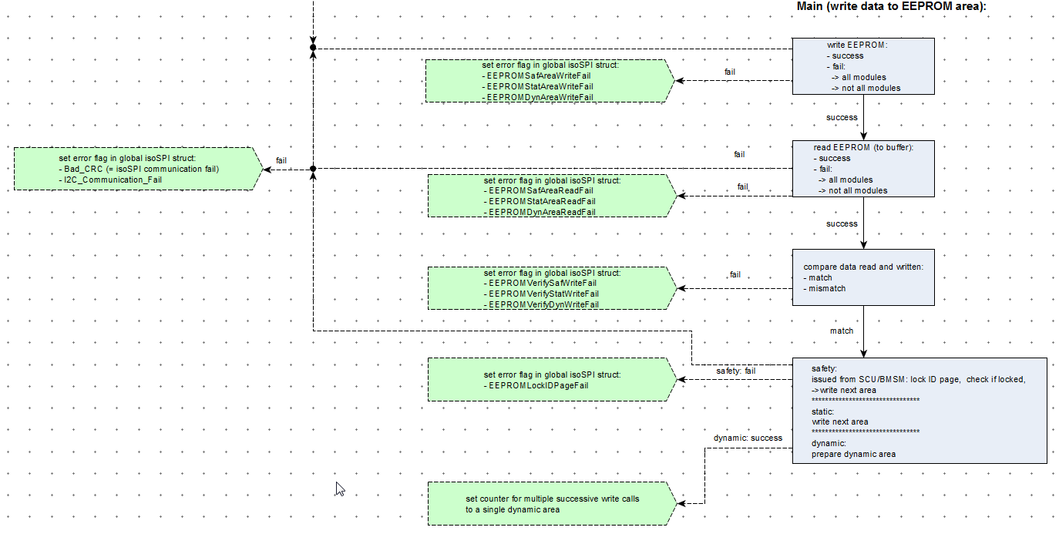

success

isoSPI EEPROM Init
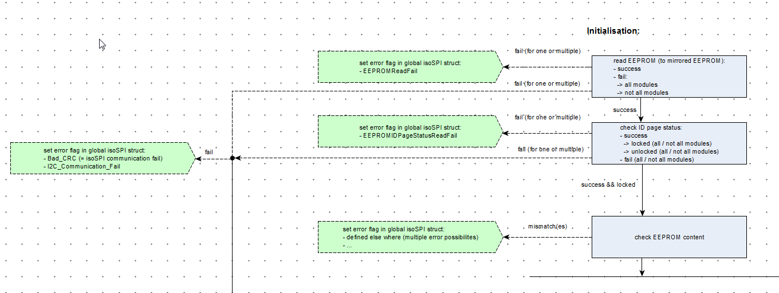

Temp Sensor Assignment
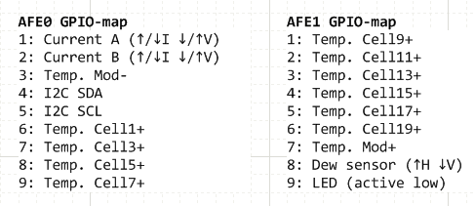
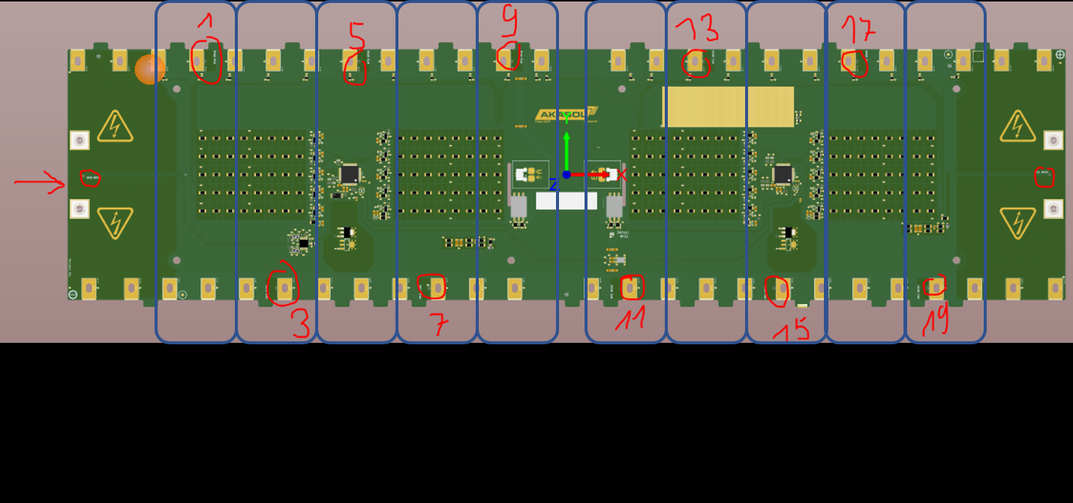

Cell 1 & 2
Cell 3 & 4
Cell 15 & 16
Cell 17 & 18
Cell 19 & 20
Cell 5 & 6
Cell 7 & 8
Cell 9 & 10
Cell 11 & 12
Cell 13 & 14

