Legend
Adjustment: | 3 - monthly, 12 - weekly, 0 - quarterly
Demean:
Sum: | simulate flow variable (weekly claims into a level to compute quaterly data)
Negative: | lower value = better economic performance
Index: | apply cumulative product of percent change, CPI MoM % change to be converted into price level
YoY:
Log: | take log of nominal series (before you apply further transformations)

This summary stats for UK data that is missing

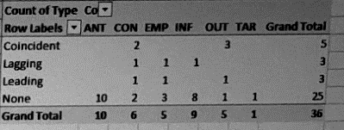

UK FULL | ANT | CON | EMP | INF | OUT | TAR | TOTAL
Coincident | 0 | 2 | 0 | 0 | 3 | 0 | 5
Lagging | 0 | 1 | 1 | 1 | 0 | 0 | 3
Leading | 0 | 1 | 1 | 0 | 1 | 0 | 3
None | 10 | 2 | 3 | 8 | 1 | 1 | 25
TOTAL | 10 | 6 | 5 | 9 | 5 | 1 | 36

UK TO FILL | ANT | CON | EMP | INF | OUT | TAR | TOTAL
Coincident | 0 | 0 | 0 | 0 | 0 | 0 | 0
Lagging | 0 | 0 | 0 | 0 | 0 | 0 | 0
Leading | 0 | 0 | 0 | 0 | 0 | 0 | 0
None | 0 | 0 | 0 | 0 | 0 | 0 | 0
TOTAL | 0 | 0 | 0 | 0 | 0 | 0 | 0

