control_flux_files_counts
File name | Set-up | Total counts | Countrate, measured | Difference comparing to the first measurement from 20 March 2017 | Sapmot | Area | Flux/Area | L1 | Ratio of L1s^2 | Ratio of flux (in theory, shall match ratio of L1s) | Difference in ratio, relatively to theoretical value

 | power, MW
20-Mar-17 | 19.3973025
BBY0010699.tar | 0 guides | 396084 | 660.348 |  | 5 | 16.776 | 29735.119241 | 16.7 | 2.4359332693 | 1.0381962273 | -0.57379939739 | 29735.119241
BBY0010700.tar | 3 guides | 249432 | 415.851 |  | 2.5 | 10.77 | 30870.888613 | 10.7 | 5.1828881847 | 0.92529078615 | -0.82147197602 | 30870.888613
BBY0010701.tar | 6 guides | 1179556 | 1966.545 |  | 2.5 | 4.764 | 28564.548794 | 4.7 |  |  |  | 28564.548794

1-May-17 | 19.65511MW | 1.3% lower | 1.3% lower; reactor is 1.3% higher
BBY0011975.tar | 0 guides | 387587 | 645.978 | 0.97823874684 | 5 | 16.776 | 29088.045783 |  |  | 1.0537778873 |  | 29088.045783
BBY0011976.tar | 3 guides | 247666 | 412.907 | 0.99292054125 | 2.5 | 10.77 | 30652.339431 |  |  | 0.91174475357 |  | 30652.339431
BBY0011977.tar | 6 guides | 1154059 | 1924.037 | 0.97838442548 | 2.5 | 4.764 | 27947.109661 |  |  |  |  | 27947.109661

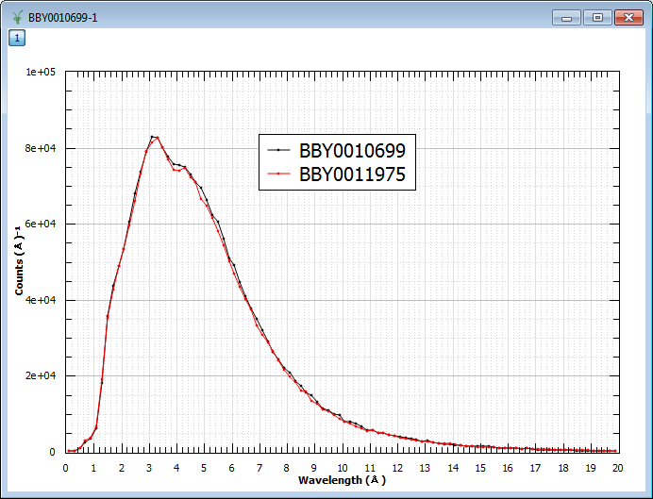
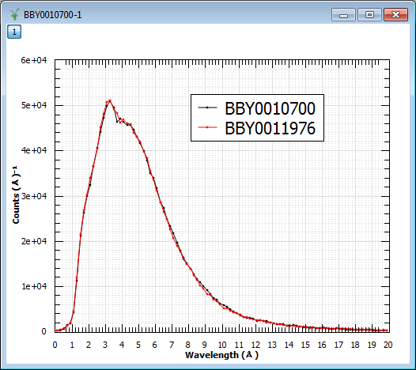
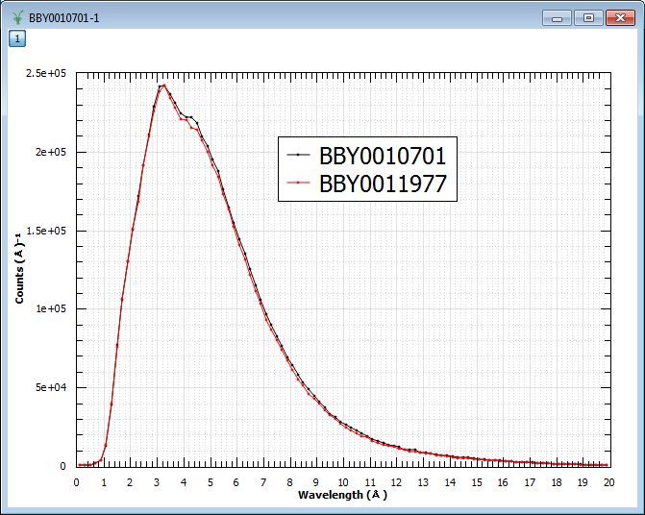

Date: | 5-Jul-17
Cycle: | 89
Power (MW): | 19.698551MW | 1.6%
File name | Set-up | Total counts | Countrate | Relative Change | Sapmot | L1 | Flux/A2*L1^2
BBY0013226.tar | 0 guides | 379585 | 632.841 | 0.95834469098 | 5 | 16.776 | 28496.49366 |  |  |  |  | 28496.49366
BBY0013227.tar | 3 guides | 244195 | 407.12 | 0.97900449921 | 2.5 | 10.77 | 30222.738847 |  |  |  |  | 30222.738847
BBY0013228.tar | 6 guides | 1119274 | 1866.044 | 0.94889463501 | 2.5 | 4.764 | 27104.747102 |  |  |  |  | 27104.747102
 |  |  | Average: | 0.962

4-Aug-17 | 19.7MW | 1.5% variance in MW
Cycle: | 90
BBY0013550.tar | 0 guides | 361067 | 601.968 | 0.91159206964 | 5 | 16.776 | 27106.298889 |  |  | FLUX TILT |  | 27106.298889
BBY0013551.tar | 3 guides | 235740 | 393.024 | 0.94510774292 | 2.5 | 10.77 | 29176.315859 |  |  |  |  | 29176.315859
BBY0013552.tar | 6 guides | 1074381 | 1791.198 | 0.91083499233 | 2.5 | 4.764 | 26017.590582 |  |  |  |  | 26017.590582

Graphs: to compare with the first measurements

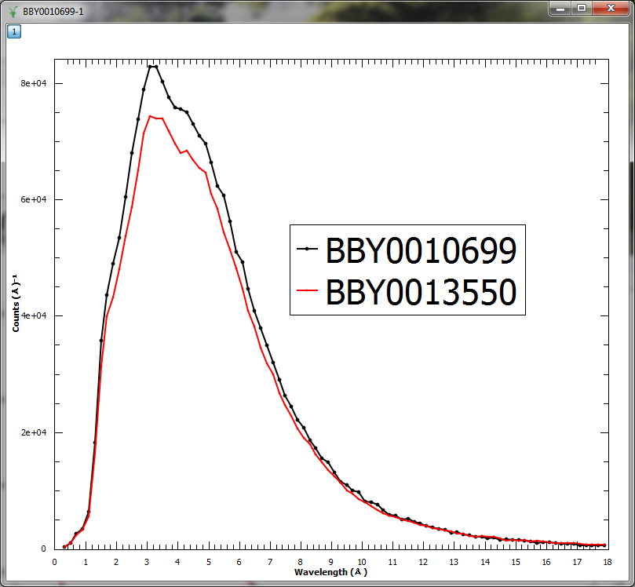
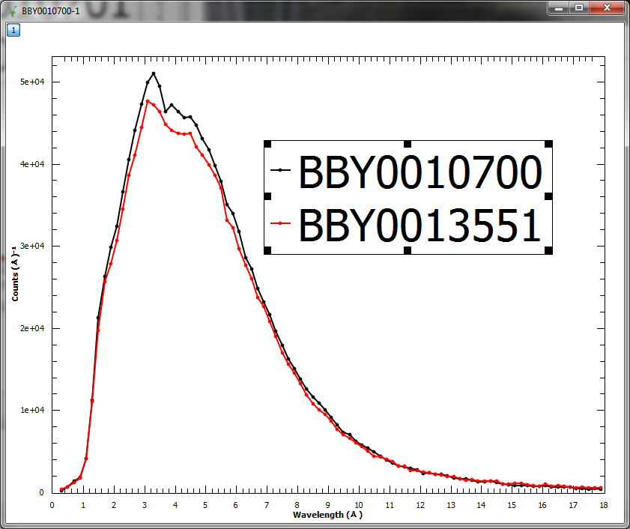
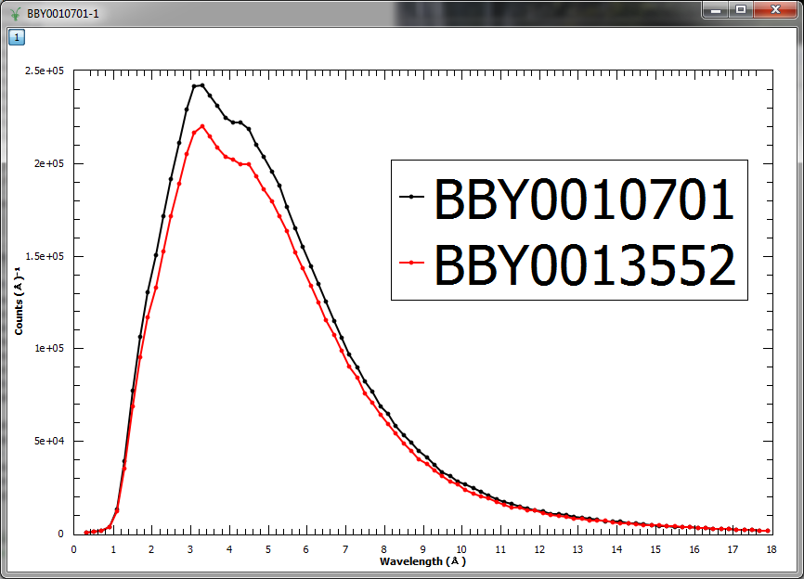

Date: | 10-Oct-17 | 2pm
Cycle: | 92
Power (MW): | 19.8
File name | Set-up | Total counts | Countrate | Relative Change | Sapmot | L1 | Flux/A2*L1^2
BBY0015796 | 0 guides | 405126 | 675.21 | 1.0225063149 | 5 | 16.776 | 30404.347196 |  |  |  |  | 30404.347196
BBY0015797 | 3 guides | 260532 | 434.357 | 1.0445015162 | 2.5 | 10.77 | 32244.689962 |  |  |  |  | 32244.689962
BBY0015798 | 6 guides | 1202913 | 2004.225 | 1.0191605074 | 2.5 | 4.764 | 29111.860042 |  |  |  |  | 29111.860042
 |  |  |  |  |  |  |  |  |  | 5pm

Date: | 4-Dec-17 | 2pm
Cycle: | 93
Power (MW): | 12/4/17 | 19.3192
 | 12/4/17 | 19.414661
 | 12/4/17 | 19.3119

File name | Set-up |  | Countrate | Relative Change | Sapmot | L1 | Flux/A2*L1^2
BBY0016855 | 0 guides | 399456 | 665.342 | 1.0075626791 | 5 | 16.776 | 29959.996405 |  |  |  |  | 29959.996405
BBY0016856 | 3 guides | 255375 | 425.491 | 1.0231813799 | 2.5 | 10.77 | 31586.518409 |  |  |  |  | 31586.518409
BBY0016857 | 6 guides | 1186889 | 1975.663 | 1.004636558 | 2.5 | 4.764 | 28696.989982 |  |  |  |  | 28696.989982
Date: | 20-Dec-17
Cycle: | 93 | the same cycle
Power (MW): |  | 19.0228652 | only 2% less power, but higher flux loss

File name | Set-up |  | Countrate | Relative Change | Sapmot | L1 | Flux/A2*L1^2
BBY0017238.tar | 0 guides | 372672 | 621.12 | 0.94059495902 | 5 | 16.776 | 27968.703264 |  |  |  |  | 27968.703264
BBY0017239.tar | 3 guides | 243390 | 405.65 | 0.97546957925 | 2.5 | 10.77 | 30113.612726 |  |  |  |  | 30113.612726
BBY0017240.tar | 6 guides | 1111971 | 1852.702 | 0.94211014749 | 2.5 | 4.764 | 26910.951277 |  |  |  |  | 26910.951277

reactor power average | 2017-12-20 13:04:03 | 18.894051
 | 2017-12-20 14:04:03 | 19.220849
 | 2017-12-20 15:04:03 | 19.153618
 | 2017-12-20 16:04:03 | 18.973892
 | 2017-12-20 17:04:03 | 18.871916
 |  | 19.0228652

File name | Set-up
BBY0019132.tar | 0 guides | 374855 | 624.758 | 0.94610417537 | 5 | 16.776 | 28132.520469 |  |  |  |  | 28132.520469
BBY0019133.tar | 3 guides | 243434 | 405.851 | 0.97595292545 | 2.5 | 10.77 | 30128.534053 |  |  |  |  | 30128.534053
BBY0019134.tar | 6 guides | 1019033 | 1698.388 | 0.86364054725 | 2.5 | 4.764 | 24669.502552 |  |  |  |  | 24669.502552
Date: | 2018-07-08
Cycle: | 99
Power (MW): | 18.9

File name | Set-up |  | Countrate | Relative Change | Sapmot | L1 | Flux/A2*L1^2
BBY0019821.tar | 0 guides | 351858 | 586.43 | 0.88806205213 | 5 | 16.776 | 26406.631013 |  |  |  |  | 26406.631013
BBY0019822.tar | 3 guides | 229801 | 383.002 | 0.9210077648 | 2.5 | 10.77 | 28432.328119 |  |  |  |  | 28432.328119
BBY0019823.tar | 6 guides | 962064 | 1603.44 | 0.81535891627 | 2.5 | 4.764 | 23290.359548 |  |  |  |  | 23290.359548
Date: | 2018-08-16
Cycle: | 100
Power (MW): | 18.75

File name | Set-up |  | Countrate | Relative Change | Sapmot | L1 | Flux/A2*L1^2
BBY0019875.tar | 0 guides | 339266 | 565.799 | 0.8568194346 | 5 | 16.776 | 25477.628055 |  |  |  |  | 25477.628055
BBY0019876.tar | 3 guides | 223348 | 372.247 | 0.89514513612 | 2.5 | 10.77 | 27633.92579 |  |  |  |  | 27633.92579
BBY0019877.tar | 6 guides | 938448 | 1565.064 | 0.79584448868 | 2.5 | 4.764 | 22732.938729 |  |  |  |  | 22732.938729
Date: | 2018-08-27
Cycle: | 101
Power (MW): | 17.8 | Too early in the cycle | Relative change in reactor power | 0.91765336959

File name | Set-up |  | Countrate | Relative Change | Sapmot | L1 | Flux/A2*L1^2
 |  |  |  | roughing slits forgotten in
BBY0039835.tar | 0 guides | 160623 | 267.789 | 0.41 | 5 | 16.776 | 12058.396249 |  |  |  |  | 12058.396249
BBY0039836.tar | 3 guides | 80477 | 134.171 | 0.32 | 2.5 | 10.77 | 9960.245367 |  |  |  |  | 9960.245367
BBY0039837.tar | 6 guides | 335358 | 559.106 | 0.28 | 2.5 | 4.764 | 8121.151877 |  |  |  |  | 8121.151877
Date: | 2020-07-08
Cycle: | 120
Power (MW): | 19.95 | 1.0284935238

File name | Set-up |  | Countrate | Relative Change | Sapmot | L1 | Flux/A2*L1^2
BBY0039860.tar | 0 guides | 318674 | 531.29 | 0.80456062561 | 5 | 16.776 | 23923.706139 |  |  |  |  | 23923.706139
BBY0039861.tar | 3 guides | 241168 | 402.073 | 0.96686794068 | 2.5 | 10.77 | 29848.0725 |  |  |  |  | 29848.0725
BBY0039862.tar | 6 guides | 1053802 | 1756.889 | 0.89338865879 | 2.5 | 4.764 | 25519.243936 |  |  |  |  | 25519.243936
Date: | 2020-07-08
Cycle: | 120
Power (MW): | 19.95 | 1.0284935238

File name | Set-up |  | Countrate | Relative Change | Sapmot | L1 | Flux/A2*L1^2
BBY0039923.tar | 0 guides | 321239 | 535.567 | 0.81103751355 | 5 | 16.776 | 24116.297174 |  |  |  |  | 24116.297174
BBY0039925.tar | 3 guides | 243824 | 406.501 | 0.97751598529 | 2.5 | 10.77 | 30176.787099 |  |  |  |  | 30176.787099
BBY0039926.tar | 6 guides | 1068850 | 1780.857 | 0.90557653143 | 2.5 | 4.764 | 25867.385019 |  |  |  |  | 25867.385019
Date: | 2020-07-24
Cycle: | 120 | one more check

File name | Set-up |  | Countrate | Relative Change | Sapmot | L1 | Flux/A2*L1^2
BBY0040186.tar | 0 guides | 320866 | 534.945 | 0.81009558596 | 5 | 16.776 | 24088.288845 |  |  |  |  | 24088.288845
BBY0040187.tar | 3 guides | 246943 | 411.701 | 0.99002046406 | 2.5 | 10.77 | 30562.811471 |  |  |  |  | 30562.811471
BBY0040188.tar | 6 guides | 1093676 | 1823.367 | 0.92719312296 | 2.5 | 4.764 | 26484.853202 |  |  |  |  | 26484.853202
Date: | 2020-08-11
Cycle: | 121

File name | Set-up |  | Countrate | Relative Change | Sapmot | L1 | Flux/A2*L1^2
BBY0040984.tar | 0 guides | 326383 | 543.63 | 0.8232477421 | 5 | 16.776 | 24479.369776 |  |  |  |  | 24479.369776
BBY0040985.tar | 3 guides | 250937 | 418.36 | 1.006033411 | 2.5 | 10.77 | 31057.145372 |  |  |  |  | 31057.145372
BBY0040986.tar | 6 guides | 1106085 | 1842.316 | 0.93682880382 | 2.5 | 4.764 | 26760.092078 |  |  |  |  | 26760.092078
Date: | 2020-08-11
Cycle: | 122
Power (MW): | 19.34 | 0.99704585212

File name | Set-up |  | Countrate | Relative Change | Sapmot | L1 | Flux/A2*L1^2
BBY0041580.tar | 0 guides | 332876 | 554.968 | 0.84041747685 | 5 | 16.776 | 24989.913886 |  |  |  |  | 24989.913886
BBY0041581.tar | 3 guides | 254139 | 423.698 | 1.0188697394 | 2.5 | 10.77 | 31453.414236 |  |  |  |  | 31453.414236
BBY0041582.tar | 6 guides | 1097478 | 1829.705 | 0.93041603421 | 2.5 | 4.764 | 26576.914208 |  |  |  |  | 26576.914208
Date: | 2020-10-19
Cycle: | 123
Power (MW): | 19.97 | 1.029524595

File name | Set-up |  | Countrate | Relative Change | Sapmot | L1 | Flux/A2*L1^2
BBY0043565.tar | 0 guides | 322528 | 537.716 | 0.81429185823 | 5 | 16.776 | 24213.065501 |  |  |  |  | 24213.065501
BBY0043566.tar | 3 guides | 248429 | 414.179 | 0.99597932913 | 2.5 | 10.77 | 30746.766931 |  |  |  |  | 30746.766931
BBY0043567.tar | 6 guides | 1081363 | 1803.974 | 0.91733166543 | 2.5 | 4.764 | 26203.165117 |  |  |  |  | 26203.165117
Date: | 2021-01-19
Cycle: | 125
 | 537.716 | 542.547 | 537.854 | 535.567
 | 414.179 | 410.373 | 410.671 | 406.501
 | 1803.974 | 1709.505 | 1714.799 | 1780.857
Power (MW): | 19.88

File name | Set-up |  | Countrate | Relative Change | Sapmot | L1 | Flux/A2*L1^2
BBY0044907.tar | 0 guides | 325222 | 542.547 | 0.82160769776 | 5 | 16.776 | 24430.602862 |  |  |  |  | 24430.602862
BBY0044908.tar | 3 guides | 246069 | 410.373 | 0.98682701256 | 2.5 | 10.77 | 30464.226785 |  |  |  |  | 30464.226785
BBY0044909.tar | 6 guides | 1025381 | 1709.505 | 0.86929360884 | 2.5 | 4.764 | 24830.979706 |  |  |  |  | 24830.979706
Date: | 2021-10-27
Cycle: | 131
Power (MW): | ?

File name | Set-up |  | Countrate | Relative Change | Sapmot | L1 | Flux/A2*L1^2
BBY0045373.tar | 0 guides | 322611 | 537.854 | 0.81450083895 | 5 | 16.776 | 24219.279568 |  |  |  |  | 24219.279568
BBY0045374.tar | 3 guides | 246325 | 410.671 | 0.98754361538 | 2.5 | 10.77 | 30486.348951 |  |  |  |  | 30486.348951
BBY0045375.tar | 6 guides | 1028556 | 1714.799 | 0.87198563979 | 2.5 | 4.764 | 24907.876355 |  |  |  |  | 24907.876355
 | 2021-11-15
 | 132
 | ?

11-Feb-22
Time to correct the equation!!!
Add pi to the area & get all units in cm

File name | Set-up |  | Countrate (att considered) | Relative Change | Sapmot, cm | L1, cm | Flux/A2*L1^2 | Brightness Flux/A1 (40mm) | countrate / cm^2
BBY0045373.tar | 0 guides | 322611 | 56319.807 |  | 0.5 | 1677.6 | 8.073E+11 | 6.424E+10 | 2.87E+05 |  |  | 24219.279568
BBY0045374.tar | 3 guides | 246325 | 43002.18 |  | 0.25 | 1077 | 1.016E+12 | 8.086E+10 | 8.76E+05 |  |  | 30486.348951
BBY0045375.tar | 6 guides | 1028556 | 179560.137 |  | 0.25 | 476.4 | 8.302E+11 | 6.607E+10 | 3.66E+06 |  |  | 24907.876355

 | 9.6% resolution | vs 17.7% resolution above

File name | Set-up |  | Countrate (att considered) | Relative Change | Sapmot, cm | L1, cm | Flux/A2*L1^2 | Brightness Flux/A1 (40mm) | countrate / cm^2
BBY0047799.tar | 0 guides | 168151 | 29379.869 |  | 0.5 | 1677.6 | 4.211E+11 | 3.351E+10 | 1.50E+05
BBY0047800.tar | 3 guides | 130170 | 22750.331 |  | 0.25 | 1077 | 5.376E+11 | 4.278E+10 | 4.63E+05
BBY0047801.tar | 6 guides | 566567 | 98992.358 |  | 0.25 | 476.4 | 4.577E+11 | 3.642E+10 | 2.02E+06
 | 2022-02-23
 | 135

File name | Set-up |  | Countrate (att considered) | Relative Change | Sapmot, cm | L1, cm | Flux/A2*L1^2 | Brightness Flux/A1 (40mm) | countrate / cm^2
BBY0049118.tar | 0 guides | 169056 | 29537.993 |  | 0.5 | 1677.6 | 4.234E+11 | 3.369E+10 | 1.50E+05
BBY0049119.tar | 3 guides | 131644 | 23001.251 |  | 0.25 | 1077 | 5.435E+11 | 4.325E+10 | 4.69E+05
BBY0049120.tar | 6 guides | 555936 | 97134.877 |  | 0.25 | 476.4 | 4.491E+11 | 3.574E+10 | 1.98E+06
 | 2022-03-30
 | 136

 | back to 17.7% resolution above
File name | Set-up |  | Countrate (att considered) | Relative Change | Sapmot, cm | L1, cm | Flux/A2*L1^2 | Brightness Flux/A1 (40mm) | countrate / cm^2
This set is wrong because I forgot to insert guard aperture
BBY0054487.tar | 0 guides | 315782 | 55127.634 |  | 0.5 | 1677.6 | 7.902E+11 | 6.288E+10 | 2.81E+05
BBY0054488.tar | 1 guide | 376488 | 65766.759 |  | 0.5 | 1477.6 | 7.313E+11 | 5.819E+10 | 3.35E+05
BBY0054489.tar | 2 guides | 631838 | 110303.102 |  | 0.5 | 1277.6 | 9.170E+11 | 7.297E+10 | 5.62E+05
BBY0054490.tar | 3 guides - reflections | 269961 | 47128.435 |  | 0.25 | 1077.6 | 1.115E+12 | 8.872E+10 | 9.60E+05
BBY0054491.tar | 4 guides | 1118159 | 195202.578 |  | 0.25 | 877.6 | 3.063E+12 | 2.437E+11 | 3.98E+06
BBY0054492.tar | 5 guides | 7803921 | 1362797.992 |  | 0.25 | 677.6 | 1.275E+13 | 1.014E+12 | 2.78E+07
BBY0054493.tar | 6 guides | 58761987 | 10277770.465 |  | 0.25 | 476.4 | 4.752E+13 | 3.781E+12 | 2.09E+08
 | 2021-08-19
 | 140

File name | Set-up |  | Countrate (att considered) | Relative Change | Sapmot, cm | L1, cm | Flux/A2*L1^2 | Brightness Flux/A1 (40mm) | countrate / cm^2
BBY0054496.tar | 0 guides | 313275 | 54689.975 |  | 0.5 | 1677.6 | 7.839E+11 | 6.238E+10 | 2.79E+05
BBY0054497.tar | 1 guide | 374452 | 65369.948 |  | 0.5 | 1477.6 | 7.269E+11 | 5.784E+10 | 3.33E+05
BBY0054498.tar | 2 guides | 633809 | 110647.19 |  | 0.5 | 1277.6 | 9.198E+11 | 7.320E+10 | 5.64E+05
BBY0054499.tar | 3 guides | 89649 | 15650.472 | not much luck something was wrong with choppers from here
BBY0054500.tar | 4 guides | 89442 | 15614.335
BBY0054501.tar | 5 guides | 816529 | 32780.966
 | 2022-08-24 |  |  |  |  |  | Three first guides are very repeatable
 | 140
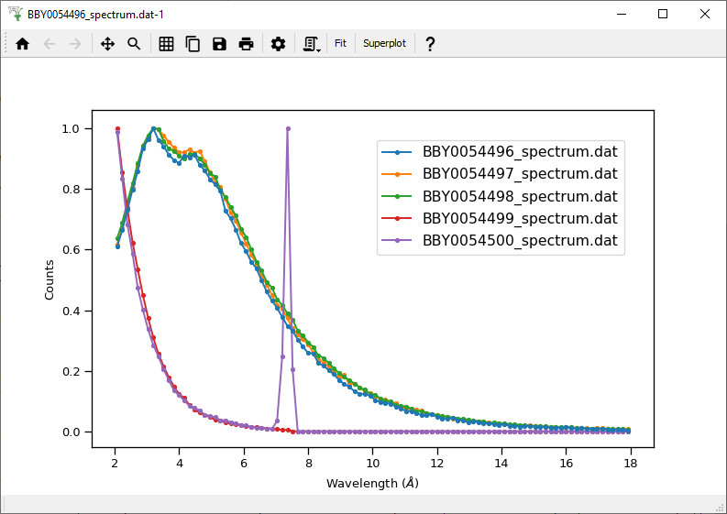

 |  |  |  |  | Script
 |  |  |  |  | spectra_extraction.py
 |  |  |  |  | in P113

