DP
Flow | From | To | Capacity per Hour | Capacity | Node | Supply | Demand | Flow in | Flow out | Flow in + Supply | Flow out + Demand | Hours
- | 1 | 3 | 2,000 | 24,683 | 1 | 33,000 |  | - | - | 33,000 | - | -
- | 1 | 6 | 5,000 | - | 2 | 33,000 |  | - | 33,000 | 33,000 | 33,000 | - | Number of Hours | 12
- | 1 | 7 | 10,000 | - | 3 |  |  | - | - | - | - | - | gates must be open
- | 1 | 8 | 15,000 | - | 4 |  |  | 15,750 | 15,750 | 15,750 | 15,750 | -
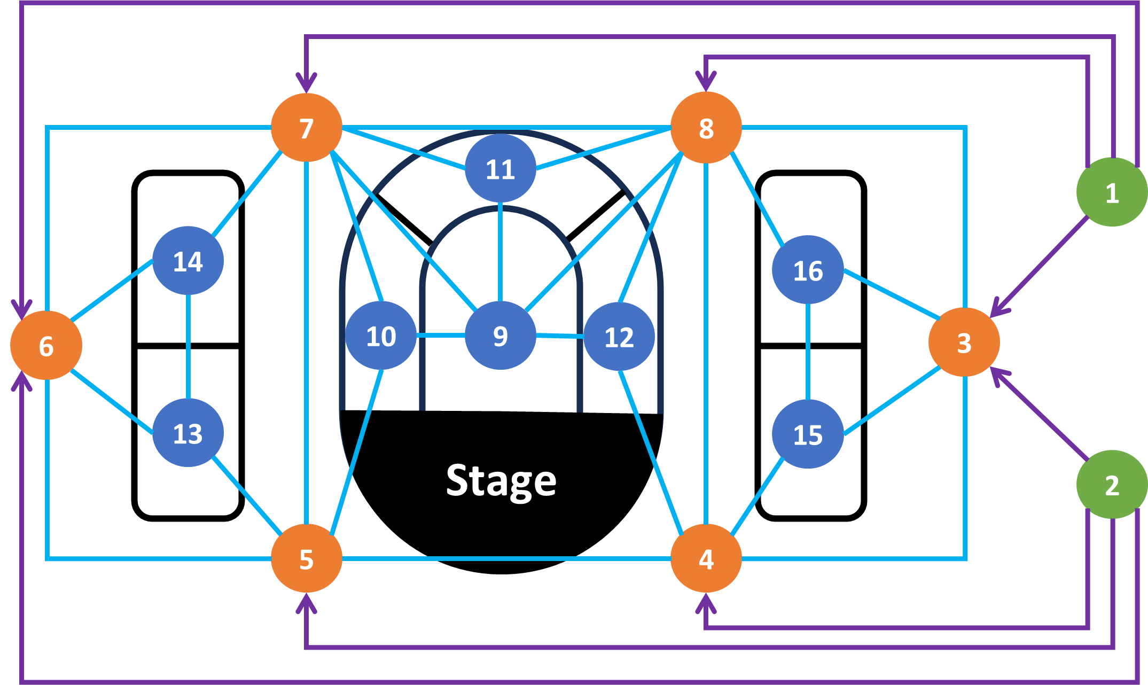
- | 2 | 3 | 2,000 | - | 5 |  |  | 15,750 | 15,750 | 15,750 | 15,750 | -
15,750 | 2 | 4 | 15,000 | - | 6 |  |  | 1,500 | 1,500 | 1,500 | 1,500 | 1
15,750 | 2 | 5 | 10,000 | - | 7 |  |  | - | - | - | - | 2
1,500 | 2 | 6 | 5,000 | - | 8 |  |  | - | - | - | - | 0
- | 3 | 4 | 2,500 | - | 9 |  | 10,000 | - | - | - | 10,000 | -
- | 3 | 8 | 2,500 | - | 10 |  | 9,500 | 9,500 | - | 9,500 | 9,500 | -
- | 3 | 15 | 3,000 | - | 11 |  | 12,000 | - | - | - | 12,000 | -
- | 3 | 16 | 3,000 | - | 12 |  | 9,500 | 9,500 | - | 9,500 | 9,500 | -
- | 4 | 3 | 2,500 | - | 13 |  | 6,250 | 6,250 | - | 6,250 | 6,250 | -
- | 4 | 5 | 7,500 | - | 14 |  | 6,250 | 1,500 | - | 1,500 | 6,250 | -
- | 4 | 8 | 10,000 | - | 15 |  | 6,250 | 6,250 | - | 6,250 | 6,250 | -
9,500 | 4 | 12 | 4,000 | - | 16 |  | 6,250 | - | - | - | 6,250 | 2
6,250 | 4 | 15 | 3,000 | - |  |  |  |  |  |  |  | 2
- | 5 | 4 | 7,500 | - |  |  |  |  |  |  |  | -
- | 5 | 6 | 2,500 | - |  |  |  |  |  |  |  | -
- | 5 | 7 | 10,000 | - |  |  |  |  |  |  |  | -
9,500 | 5 | 10 | 4,000 | - |  |  |  |  |  |  |  | 2
6,250 | 5 | 13 | 3,000 | - |  |  |  |  |  |  |  | 2
- | 6 | 5 | 2,500 | - |  |  |  |  |  |  |  | -
- | 6 | 7 | 2,500 | - |  |  |  |  |  |  |  | -
- | 6 | 13 | 3,000 | - |  |  |  |  |  |  |  | -
1,500 | 6 | 14 | 3,000 | - |  |  |  |  |  |  |  | 1
- | 7 | 5 | 10,000 | - |  |  |  |  |  |  |  | -
- | 7 | 6 | 2,500 | - |  |  |  |  |  |  |  | -
- | 7 | 8 | 7,500 | - |  |  |  |  |  |  |  | -
- | 7 | 9 | 3,000 | - |  |  |  |  |  |  |  | -
- | 7 | 10 | 4,000 | - |  |  |  |  |  |  |  | -
- | 7 | 11 | 4,000 | - |  |  |  |  |  |  |  | -
- | 7 | 14 | 3,000 | - |  |  |  |  |  |  |  | -
- | 8 | 3 | 2,500 | - |  |  |  |  |  |  |  | -
- | 8 | 4 | 10,000 | - |  |  |  |  |  |  |  | -
- | 8 | 7 | 7,500 | - |  |  |  |  |  |  |  | -
- | 8 | 9 | 3,000 | - |  |  |  |  |  |  |  | -
- | 8 | 11 | 4,000 | - |  |  |  |  |  |  |  | -
- | 8 | 12 | 4,000 | - |  |  |  |  |  |  |  | -
- | 8 | 16 | 3,000 | - |  |  |  |  |  |  |  | -
- | 9 | 7 | 3,000 | - |  |  |  |  |  |  |  | -
- | 9 | 8 | 3,000 | - |  |  |  |  |  |  |  | -
- | 9 | 10 | 1,000 | - |  |  |  |  |  |  |  | -
- | 9 | 11 | 1,000 | - |  |  |  |  |  |  |  | -
- | 9 | 12 | 1,000 | - |  |  |  |  |  |  |  | -
- | 10 | 5 | 4,000 | - |  |  |  |  |  |  |  | -
- | 10 | 7 | 4,000 | - |  |  |  |  |  |  |  | -
- | 10 | 9 | 1,000 | - |  |  |  |  |  |  |  | -
- | 11 | 7 | 4,000 | - |  |  |  |  |  |  |  | -
- | 11 | 8 | 4,000 | - |  |  |  |  |  |  |  | -
- | 11 | 9 | 1,000 | - |  |  |  |  |  |  |  | -
- | 12 | 4 | 4,000 | - |  |  |  |  |  |  |  | -
- | 12 | 8 | 4,000 | - |  |  |  |  |  |  |  | -
- | 12 | 9 | 1,000 | - |  |  |  |  |  |  |  | -
- | 13 | 5 | 3,000 | - |  |  |  |  |  |  |  | -
- | 13 | 6 | 3,000 | - |  |  |  |  |  |  |  | -
- | 13 | 14 | 1,000 | - |  |  |  |  |  |  |  | -
- | 14 | 6 | 3,000 | - |  |  |  |  |  |  |  | -
- | 14 | 7 | 3,000 | - |  |  |  |  |  |  |  | -
- | 14 | 13 | 1,000 | - |  |  |  |  |  |  |  | -
- | 15 | 3 | 3,000 | - |  |  |  |  |  |  |  | -
- | 15 | 4 | 3,000 | - |  |  |  |  |  |  |  | -
- | 15 | 16 | 1,000 | - |  |  |  |  |  |  |  | -
- | 16 | 3 | 3,000 | - |  |  |  |  |  |  |  | -
- | 16 | 8 | 3,000 | - |  |  |  |  |  |  |  | -
- | 16 | 15 | 1,000 | - |  |  |  |  |  |  |  | -

PA
 | c1 | c2 | b | e | M
 | -0.006 | 0.254 | 80.321 | 1 | 100000 |  |  |  |  |  | Coordinates for line
 |  |  |  |  |  |  |  |  |  |  | Loan amount | Credit score
Loan # | Loan amount | Credit score | Default? | Misclassified? | c1 * Loan amt + c2 * Credit score - M* Misclassified? | b - e |  |  |  |  | 0 | 316.76
1 | $23,700 | 480 | Default | 0 | -13.7 | 79.3 |  |  |  |  | 3000 | 384.37
2 | $20,900 | 470 | Default | 0 | -0.2 | 79.3 |  |  |  |  | 6000 | 451.97
3 | $14,500 | 760 | Default | 1 | -99890.1 | 79.3 |  |  |  |  | 9000 | 519.58
4 | $20,800 | 680 | Default | 0 | 53.6 | 79.3 |  |  |  |  | 12000 | 587.18
5 | $24,100 | 630 | Default | 0 | 22.0 | 79.3 |  |  |  |  | 15000 | 654.79
6 | $19,400 | 750 | Default | 0 | 79.3 | 79.3 |  |  |  |  | 18000 | 722.39
7 | $12,300 | 590 | Default | 0 | 79.3 | 79.3 |  |  |  |  | 21000 | 790.00
8 | $20,700 | 620 | Default | 0 | 38.9 | 79.3 |  |  |  |  | 24000 | 857.61
9 | $19,800 | 530 | Default | 0 | 21.3 | 79.3 |  |  |  |  | 27000 | 925.21
10 | $19,100 | 720 | Default | 0 | 73.4 | 79.3

Loan # | Loan amount | Credit score | Default? | Misclassified? | c1 * Loan amt + c2 * Credit score + M* Misclassified? | b + e
11 | $19,300 | 720 | No default | 1 | 100072.3 | 81.3
12 | $15,100 | 800 | No default | 0 | 116.6 | 81.3
13 | $15,500 | 670 | No default | 0 | 81.3 | 81.3
14 | $16,200 | 640 | No default | 1 | 100069.7 | 81.3
15 | $13,400 | 790 | No default | 0 | 123.7 | 81.3
16 | $12,500 | 850 | No default | 0 | 144.1 | 81.3
17 | $10,600 | 810 | No default | 0 | 144.8 | 81.3
18 | $14,800 | 790 | No default | 0 | 115.7 | 81.3
19 | $13,500 | 660 | No default | 0 | 90.2 | 81.3
20 | $10,400 | 830 | No default | 0 | 151.0 | 81.3
 |  |  |  |  |  |  | errors | 3
 |  |  |  |  | Misclassified
1 | $23,700 | 480 | Default | Default | 0 |  | Confusion Matrix |  | Classified as:
2 | $20,900 | 470 | Default | Default | 0 |  |  |  | Default | No Default
3 | $14,500 | 760 | Default | No Default | 1 |  | Real class | Default | 9 | 1
4 | $20,800 | 680 | Default | Default | 0 |  |  | No Default | 2 | 8
5 | $24,100 | 630 | Default | Default | 0
6 | $19,400 | 750 | Default | Default | 0
7 | $12,300 | 590 | Default | Default | 0
8 | $20,700 | 620 | Default | Default | 0
9 | $19,800 | 530 | Default | Default | 0
10 | $19,100 | 720 | Default | Default | 0
11 | $19,300 | 720 | No default | Default | 1
12 | $15,100 | 800 | No default | No Default | 0
13 | $15,500 | 670 | No default | No Default | 0
14 | $16,200 | 640 | No default | Default | 1
15 | $13,400 | 790 | No default | No Default | 0
16 | $12,500 | 850 | No default | No Default | 0
17 | $10,600 | 810 | No default | No Default | 0
18 | $14,800 | 790 | No default | No Default | 0
19 | $13,500 | 660 | No default | No Default | 0
20 | $10,400 | 830 | No default | No Default | 0

MMs
M/M/s Queueing Calculations

Basic Parameters |  |  | State Probabilities
Arrival Rate | 9 | per hour | Number in system | Probability
Service Rate | 1 | per hour | 0 | 0.0%
Number of Servers | 10 |  | 1 | 0.1%
Time Unit | hour |  | 2 | 0.3%
 |  |  | 3 | 0.8%
Basic Performance Measures |  |  | 4 | 1.9%
Utilization | 90% |  | 5 | 3.4%
P(0), probability that the system is empty | 0% |  | 6 | 5.1%
Lq, expected number in queue | 6.0186 |  | 7 | 6.6%
L, expected number in system | 15.0186 |  | 8 | 7.4%
Wq, expected time in queue | 0.6687 | hours | 9 | 7.4%
Note: this worksheet uses special functions that are defined as macros in this workbook.
W, expected total time in system | 1.6687 | hours | 10 | 6.7%
Probability that customer waits | 67% |  | 11 | 6.0%
 |  |  | 12 | 5.4%
Advanced Parameters |  |  | 13 | 4.9%
Threshold time | 0.1 | hours | 14 | 4.4%
Desired service level | 90% |  | 15 | 3.9%
 |  |  | 16 | 3.6%
Advanced Performance Measures |  |  | 17 | 3.2%
Current service level | 39% |  | 18 | 2.9%
Number of servers required to achieve desired service level | 14 |  | 19 | 2.6%
 |  |  | 20 | 2.3%

 |  |  | Total | 79%

MMs finite cap
M/M/s Finite Capacity Queueing Calculations

Basic Parameters |  |  | State Probabilities
Arrival Rate | 0.5 | per hour | Number in system | Probability
Service Rate | 20 | per hour | 0 | 98%
Number of Servers | 4 |  | 1 | 2%
Maximum queue length | 35 |  | 2 | 0%
Time Unit | hour |  | 3 | 0%
 |  |  | 4 | 0%
Basic Performance Measures |  |  | 5 | 0%
Utilization | 1% |  | 6 | 0%
P(0), probability that the system is empty | 98% |  | 7 | 0%
Lq, expected number in queue | 0.0000 |  | 8 | 0%
L, expected number in system | 0.0250 |  | 9 | 0%
Wq, expected time in queue | 0.0000 | hours | 10 | 0%
Note: this worksheet uses special functions that are defined as macros in this workbook.
W, expected total time in system | 0.0500 | hours | 11 | 0%
Probability that customer waits | 0% |  | 12 | 0%
Probability that a customer balks | 0% |  | 13 | 0%
 |  |  | 14 | 0%
Advanced Parameters |  |  | 15 | 0%
Threshold time | 0.1 | hours | 16 | 0%
Desired service level | 90% |  | 17 | 0%
 |  |  | 18 | 0%
Advanced Performance Measures |  |  | 19 | 0%
Current service level | 100% |  | 20 | 0%
Number of servers required to achieve desired service level. | 1 |  | Total | 100%
Number of servers required to achieve desired service level. | 1

MMs finite pop
Finite Population Queueing Calculations

Basic Parameters
Arrival Rate | 0.5 | per customer per hour
Service Rate | 20 | per hour | State Probabilities
Number of Servers | 4 |  | Number in system | Probability
Population size | 35 |  | 0 | 42%
Time Unit | hour |  | 1 | 37%
 |  |  | 2 | 16%
Basic Performance Measures |  |  | 3 | 4%
Utilization | 21% |  | 4 | 1%
P(0), probability that the system is empty | 42% |  | 5 | 0%
Lq, expected number in queue | 0.0025 |  | 6 | 0%
L, expected number in system | 0.8561 |  | 7 | 0%
Note: this worksheet uses special functions that are defined as macros in this workbook.
Wq, expected time in queue | 0.0001 | hours | 8 | 0%
W, expected total time in system | 0.0501 | hours | 9 | 0%
Probability that customer waits | 1% |  | 10 | 0%
 |  |  | 11 | 0%
 |  |  | 12 | 0%
 |  |  | 13 | 0%
 |  |  | 14 | 0%
 |  |  | 15 | 0%
 |  |  | 16 | 0%
 |  |  | 17 | 0%
 |  |  | 18 | 0%
 |  |  | 19 | 0%
 |  |  | 20 | 0%
 |  |  | Total | 100%

