Info
Photo | Name |  | Student Id | Email | Status | Hours Allocated | Bio
? | Soroush | Ziaeinejad | 110057384 | ziaeines@uwindsor.ca | PhD | 140 | My name is Soroush Ziaeinejad, and I am a Ph.D. Student in Computer Science at University of Windsor and a graduated student with a master’s degree from Amirkabir University of Technology (AUT) – Tehran Polytechnic in AI. My main area of interest includes social information retrieval and natural language processing.
? | Farinam | Hemmati Zadeh | 110106214 | hemmatif@uwindsor.ca | MSc | 140 | I am Farinam Hemmati Zadeh, a first-year MSc student in Computer Science (AI stream). I have a BSc in Computer Engineering from the University of Isfahan. Besides, I am greatly interested in the areas of Artificial Intelligence and Natural Language Processing.
? | Mohammad Elias | Khan | 110017199 | khan1ft@uwindsor.ca | TAII | 100 | I am Mohammad Elias Khan, a CompSci undergrad student from University of Windsor. I am currently in my last semester and is hoping to graduate by the end of this semester.
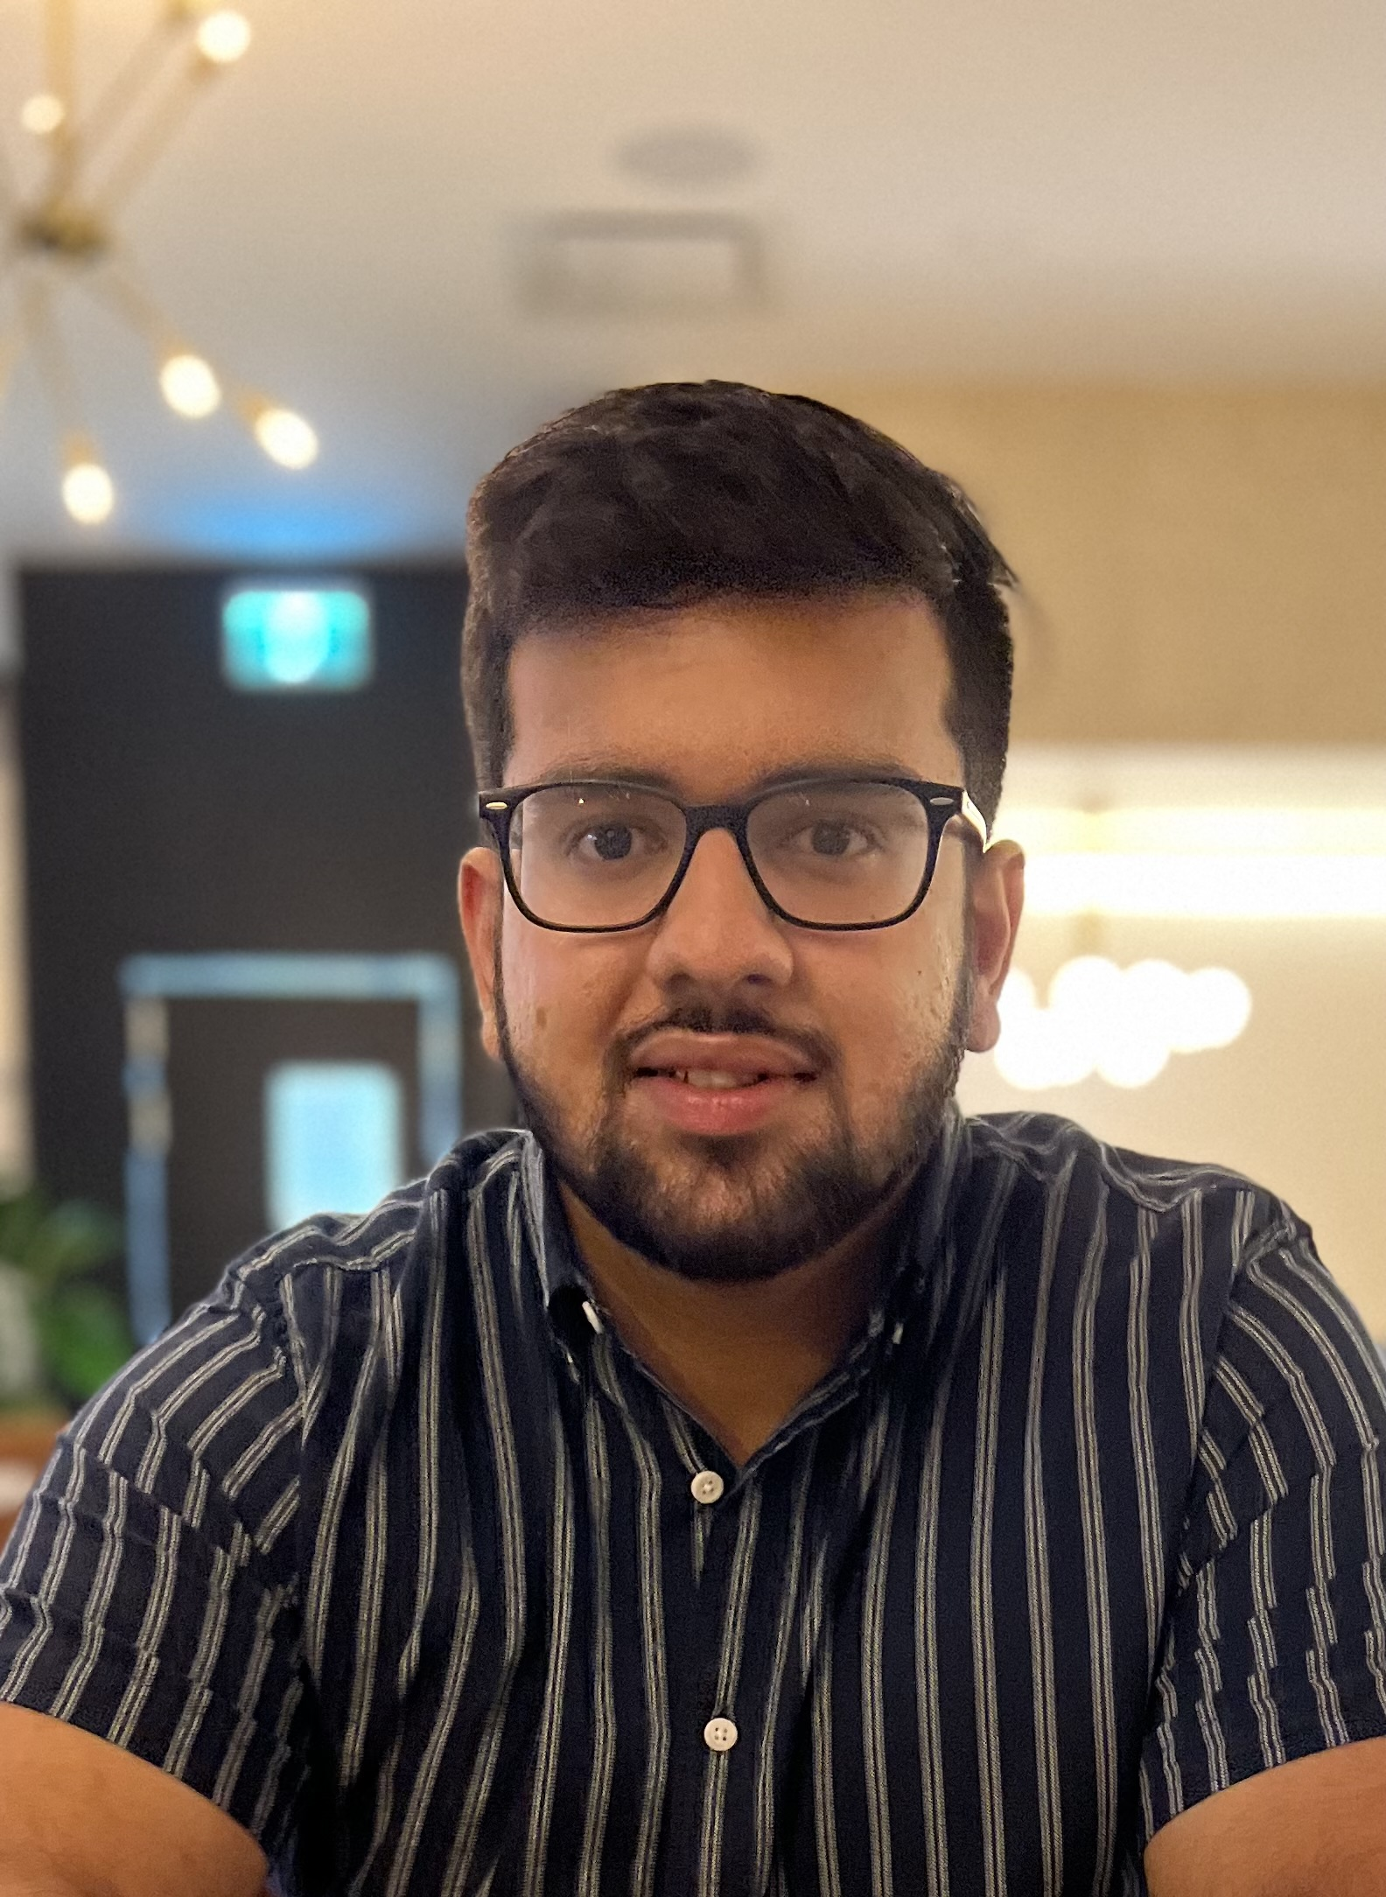 ? | Bilal | Sohail | 105009421 | sohailb@uwindsor.ca | TAII | 100 | I'm Bilal Sohail, a 4th-year computer science undergraduate student at the University of Windsor. I finished my co-op this month at Nokia as a software developer and I'm interested in front-end development and Blockchain technology.

