Figure 1
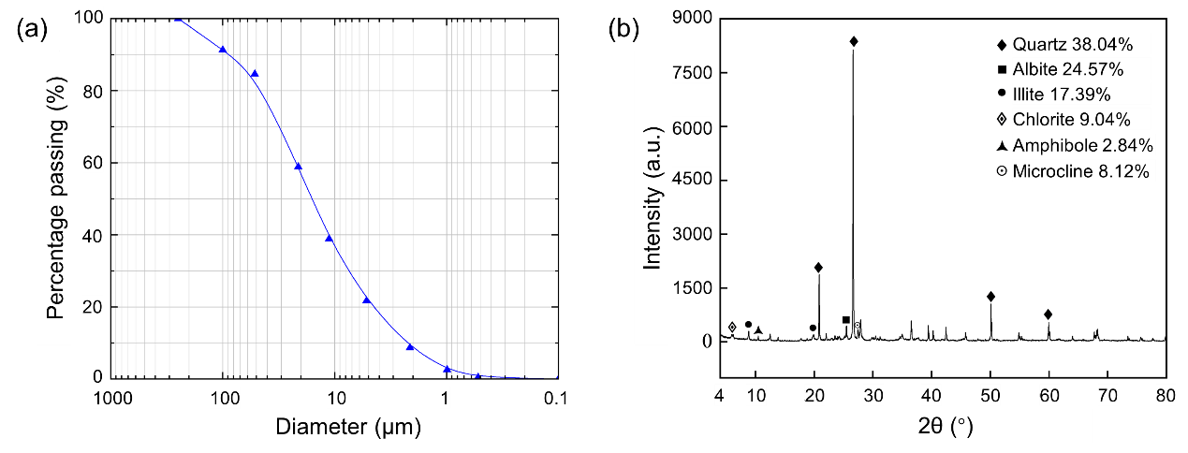
(a) | Diameter | Percentage passing | (b) | Quartz | Alibite | Lllite | Chlorite | Amphibole | Microcline
 | 849.69283 | 99.83879 |  | 38.04% | 24.57% | 17.39% | 9.04% | 2.84% | 8.12%
 | 750.08145 | 91.29086
 | 677.60877 | 84.50618
 | 582.00651 | 58.93905
 | 511.0758 | 38.62333
 | 430.89326 | 21.37414
 | 327.88953 | 8.6864
 | 247.0902 | 2.4767
 | 176.77628 | 0.63678

