Sheet1
 | Generate new manilla folder for each machine sale
 | Staple inside LHS of manilla folder. Mark top RHS of manilla folder with serial# Pxxxxx in RED
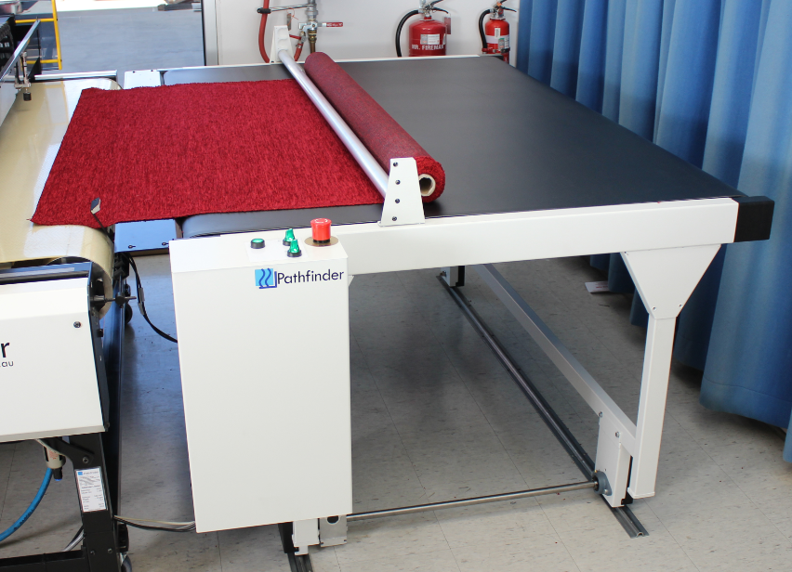
 |  | Pathfinder |  |  |  | EasyFeed
 |  | www.pathfinderaus.com |  |  |  |  | PH: | +61 3 9338 3471
 |  | sales@pathfinderaus.com |  |  |  |  | Fax: | +61 3 9338 6936

 | Distributor: |  |  |  |  |  |  |  | Name:

 | End User: |  |  | Company:
 |  |  |  | Address:

 |  |  |  | Contact:
 |  |  |  | Title:
 |  |  |  | Phone:
 |  |  |  | Fax:
 |  |  |  | Email:
 |  |  |  | Industry:
 |  |  |  | Application:

 | Model (tick one only) : |  |  |  |  | EF180 |  | EF220 | EF320 |  | Other?__________mm

 | Voltage/ HZ: |  |  |  | X | 240/50

 | Freight

 |  | Ex-Works | (Insurance is the responsibility of the purchaser. This must be selected unless Pathfinder has accepted other terms in writing)

 | Office Use Only

 | Machine Serial No:

 |  | Crate Required

 | Packed By: |  |  |  |  |  |  |  |  | Date:

 | Checked By: |  |  |  |  |  |  |  |  | Date:

 | Expected Dispatch Date:

Client Expected Installation Date: |  |  |  |  |  | _________ / _________ / __________
Actual Installation Date: |  |  |  |  |  | _________ / _________ / __________

