Sheet1
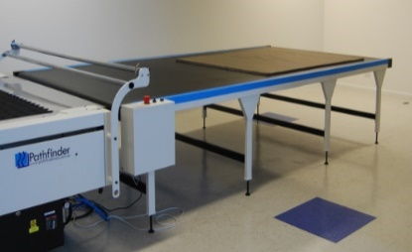

 |  | www.pathfindercut.com
 |  | sales@pathfindercut.com

 |  |  |  |  |  | EasyLoader Order Form

 | Distributor: |  |  |  |  |  |  |  |  | Name:

 | End User: |  | Company: |  |  |  |  |  |  |  |  | Delivery Address:
 |  |  | Address:

 |  |  | Contact:
 |  |  | Title:
 |  |  | Phone:
 |  |  | Fax:
 |  |  | Email:
 |  |  | Industry:

 | Width: |  | (tick 1 box only) |  |  |  | 2020mm |  | (matched for 1800mm spreading)

 |  |  |  |  |  |  | 2420mm |  | (matched for 2200mm spreading)

 |  |  |  |  |  |  | Custom ___________mm |  |  |  |  |  | (must be confirmed prior to order)

 | To be used as |  |  |  |  |  | On Load |  |  |  |  |  | Off Load

 | Control Box Side |  |  |  |  |  | -Y (Standard) |  |  |  |  |  | +Y

 | Table Section 1: |  |  | Length: |  |  |  | Metres |  | (Multiple of 1.2m/ Preference to 2.4m)

 |  |  |  | Surface: |  |  | Static |  | Conveyor

 | Table Section 2: |  |  | Length: |  |  |  | Metres |  | (Multiple of 1.2m/ Preference to 2.4m)

 |  |  |  | Surface: |  |  | Static |  | Conveyor Slave

 | Table Section 3: |  |  | Length: |  |  |  | Metres |  | (Multiple of 1.2m/ Preference to 2.4m)

 |  |  |  | Surface: |  |  | Static |  | Conveyor Slave
 | Options:

 |  | Syncronisation Feature with Pathfinder cutter

 |  | Single Roll feed attachment- only avaiable for EL2020/EL2420 (include side keepers)

 |  |  |  | Qty. |  |  |  |  |  | mm | #1 distance from X=0

 |  |  |  |  |  |  |  |  |  | mm | #2 distance from X=0

 |  |  |  |  |  |  |  |  |  | mm | #3 distance from X=0

 |  |  |  |  |  |  |  |  |  | mm | #4 distance from X=0

 |  | Perforated paper roll holder attachment with Bar and Cones ST620-2020

 |  | Crate Required

 | Office Use Only

 | Machine Serial No:

 | Distribution Date: |  |  |  | _________ / _________ / __________ |  |  |  |  |  | Person : _________________

 | System Reg. No:

 | Expected Dispatch Date: |  |  |  | _________ / _________ / __________

Client Expected Installation Date: |  |  |  |  |  | _________ / _________ / __________
Actual Installation Date: |  |  |  |  |  | _________ / _________ / __________

