Sheet1
 | Generate new manilla folder for each machine sale
 | Staple inside LHS of manilla folder. Mark top RHS of manilla folder with serial# FPxxxxx in RED
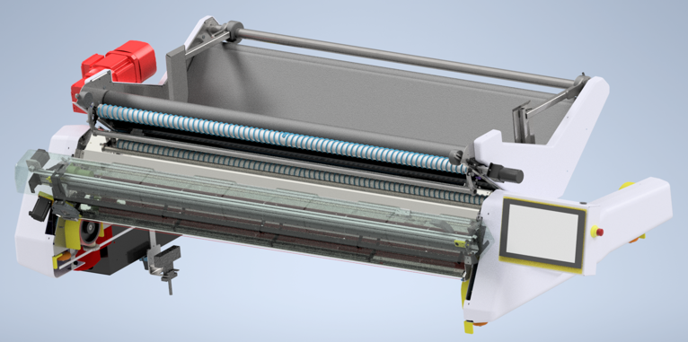
 |  |  |  |  | Fabric Pro Order Form
 |  | www.pathfindercut.com
 |  | sales@pathfindercut.com

 | Distributor: |  |  |  |  |  |  | Name:

 | End User: |  | Company: |  |  |  |  |  |  | Delivery Address:
 |  |  | Address:

 |  |  | Contact:
 |  |  | Title:
 |  |  | Phone:
 |  |  | Fax:
 |  |  | Email:
 |  |  | Industry:

 | Model (tick one only) : |  |  |  | FP-180 | FP-220 |  |  | FP-300

 | Voltage/ HZ: |  |  |  | 220-240/50-60 |  | (Currently only voltage avaiable)

 | Options: |  | Operator side |  |  | -Y |  |  |  |  | +Y
 |  |  |  |  | (Currently only avaiable)

 |  |  | Travel Platform |  |  | (Must be fitted to support safety system)

 |  |  | Travel Platform rail |  |  |  | Length |  |  |  | (Metres)

 |  |  | Electrical power rail |  |  |  | Length |  |  |  | (Metres)

 | Freight

 |  | Ex-Works | (Insurance is the responsibility of the purchaser. This must be selected unless Pathfinder has accepted other terms in writing)

 | Office Use Only

 | Machine Serial No:

 | Distribution Date: |  |  | _________ / _________ / __________ |  |  |  |  | Person : _________________

 |  | Crate Required

 | Packed By: |  |  |  |  |  |  |  | Date:

 | Checked By: |  |  |  |  |  |  |  | Date:

 | Expected Dispatch Date:

Client Expected Installation Date: |  |  |  |  | _________ / _________ / __________
Actual Installation Date: |  |  |  |  | _________ / _________ / __________

