S4
Table S3. Unique warheads targeting 11 different residues in biological sciences papers.
Number | Reversible | Tag | Residue | Leaving_Group1 | Warhead | Name | Leaving_Group2 | SMILES | Bonding_ID | SMARTS_match_note | Mechanism_or_End_product | Example_Pro_DOI_PDB
1 | N | Cys | Cys(-S-) | H+ |  | Acrylamide | None | [CH2]=[CH]C(=O)[NH] | 1 | \"N\" could be in a ring |  | EGFR T790M/L858 DOI:10.1021/acs.jmedchem.5b01633(5HG5,5GH8) | KDM5B DOI:10.1002/anie.201810179(6EIN) | PRMT6 DOI:10.1021/acs.jmedchem.0c00406(6P7I) | EGFR T790M/L858R DOI:10.1021/acs.jmedchem.6b01894 (5UG8,5UG9,5UGC) | Src DOI:10.3389/fmolb.2020.00081(6E6E) | HER2 DOI:10.1158/1535-7163 | FGFR1-Y563C DOI:10.1158/0008-5472.can-17-1865(5VND) | FGFR1-Y563C DOI:10.1021/acs.jmedchem.8b01531
2 | N | Cys | Cys(-S-) | H+ |  | Chloroacetamide | Cl- | [NH]C(=O)[CH2]Cl | 4 | \"N\" could be in a ring |  | EphB3 DOI:10.1021/jacs.6b05483(5L6P) | Pin1 DOI:10.1038/s41589-020-0550-9(6O34 )
3 | N | Cys | Cys(-S-) | H+ |  | Iodoacetyl functional | I- | [NH]C(=O)[CH2]I | 4 | \"N\" could be in a ring |  | staphopain C DOI:10.3390/molecules25040813 | HAV 3C DOI:10.1006/viro.1999.9968(1QA7)
4 | N | Cys | Cys(-S-) | H+ | 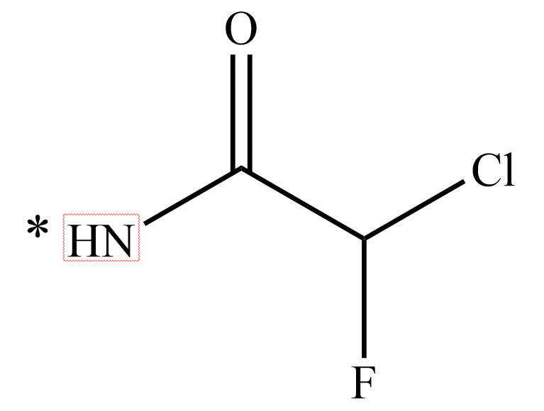 | α-chlorofluoroacetamide (CFA) | Cl- | NC(=O)[CH](F)Cl | 4 | \"N\" could be in a ring | 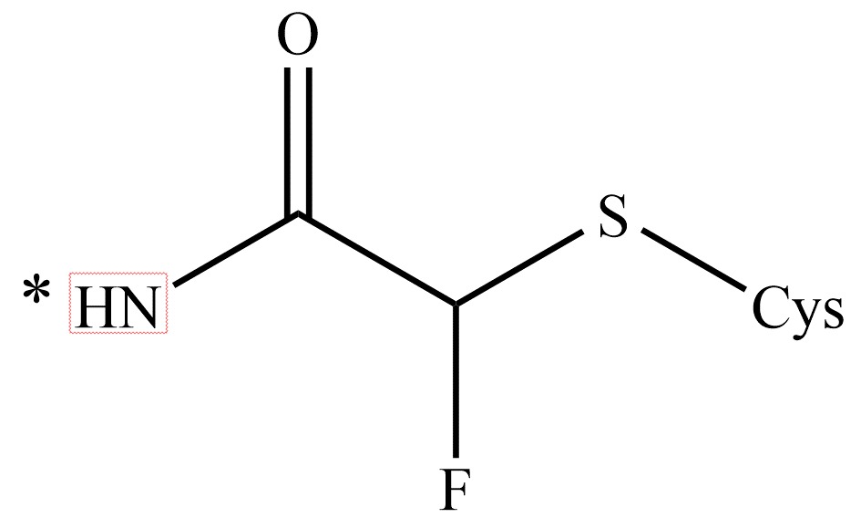 | EGFR T790M/L858R DOI:10.1038/s41589-018-0204-3(5Y25) | EGFR T790M DOI:10.1021/acsmedchemlett.9b00574
5 | N | Cys | Cys(-S-) | H+ | 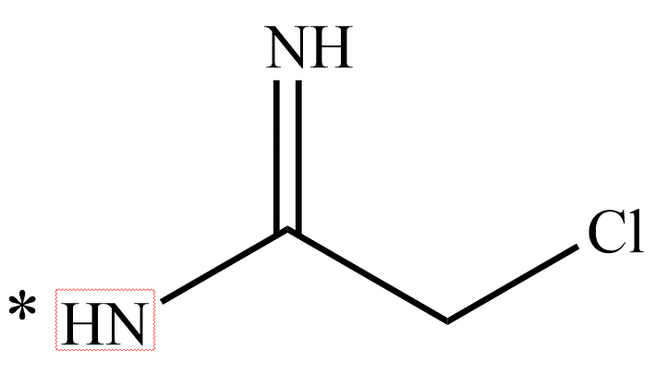 | Chloroacetamidine | Cl- | [NH]C(=[NH])[CH2]Cl | 4 | \"N\" could be in a ring |  | PAD4[Protein arginine deiminase 4] DOI:10.1021/jm2008985 (3B1T)
6 | N | Cys | Cys(-S-) | H+ | 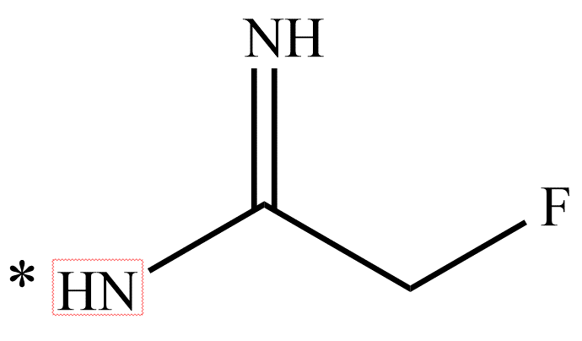 | Fluoroacetamidine | F- | [NH]C(=[NH])[CH2]F | 4 | \"N\" could be in a ring |  | PAD4[Protein arginine deiminase 4] DOI:10.1021/bi061180d (2DW5) | PAD4[Protein arginine deiminase 4] DOI:10.1021/jm2008985 (3B1U) | PAD4[Protein arginine deiminase 4] DOI:10.1021/acs.jmedchem.7b00274 (5N0M,5N0Y,5N0Z)
7 | Y | Cys | Cys(-S-) | H+ |  | Aldehyde | None | C[CH]=O | 2 |  |  | Cathepsin K DOI:10.1016/j.bmcl.2004.04.084(1SNK) | Cruzain DOI:10.1016/S0968-0896(02)00427-3 (1ME3,1ME4) | Cathepsin S DOI:10.1021/bi027308i (1NQC) | Cathepsin S DOI:10.1021/jm070111+ (2OP3) | Cathepsin S DOI:10.1016/j.bmcl.2010.10.012(3OVX) | Cathepsin K DOI:10.1016/j.bmcl.2005.10.108(2AUX,2AUZ) | Cathepsin K DOI:10.1016/j.bmcl.2003.09.088(1Q6K) | Caspase-3 DOI:10.1021/jm0305523 (1RE1,1RHM) | Caspase-3 DOI:10.1038/nbt786 (1NMS) | caspase-1/ICE DOI:10.1107/S1744309105010109(1RWN,1RWP) | caspase-1/ICE DOI:10.1038/370270a0 (1ICE) | Calpains-1 DOI:10.1021/bi060425j (2G8E) | cathepsin L DOI:10.1016/j.jsb.2010.09.007 (3OF8) | Papain DOI:10.1021/jm980249f (1BP4) | Papain DOI:10.1016/0014-5793(93)81128-M (1POP) | SARS-CoV [Mpro] DOI:10.1016/j.antiviral.2011.08.001 (3SN8) | SARS 3CLpro DOI:10.1016/j.bmc.2014.12.028 (4TWY,4TWW,4TW3) | R188I SARS 3CL protease DOI:10.1021/jm200870n (3AVZ,3AW0,3ATW) | EV71 3Cpro DOI:10.1002/jmr.2551 (5C1U,5C1X,5C1Y,5C20) | NV 3CLpro DOI:10.1021/acs.jmedchem.5b01464(5DG6,5DGJ) | NV 3CLpro DOI:10.1016/j.ejmech.2016.12.033(5TG1,5TG2)
8 | N | Cys | Cys(-S-) | H+ |  | 2-fluoro acrylamide | None | [CH2]=C(F)C(=O)N | 1 | \"N\" could be in a ring |  | K-Ras(G12C) DOI:10.1021/acs.jmedchem.9b02052(6UT0)
9 | N | Cys | Cys(-S-) | H+ |  | Isothiocyanate | None | CN=C=S | 3 |  |  | MEKK1(MAPK/ERK kinase 1) DOI:10.1186/1471-2407-7-183 | Histamine H3 Receptor DOI:10.3390/molecules24244541
10 | N | Cys | Cys(-S-) | H+ |  | Epoxide | None | CC1CO1 | 2 |  |  | SARS-CoV 3CLpro DOI:10.1021/bi062141 (2OP9)
11 | N | Cys | Cys(-S-) | H+ |  | Aziridine | None | C(=O)C1CN1 | 3 |  |  | K-Ras(G12C) DOI:10.1021/acs.biochem.7b00271(5V6V)
12 | N | Cys | Cys(-S-) | H+ |  | Vinylsulfonamide | None | [CH2]=[CH]S(=O)(=O)[NH] | 1 | \"N\" could be in a ring |  | c-Src kinase DOI:10.1073/pnas.1111239108(3SVV) | ERK2 DOI:10.1021/acs.jmedchem.5b00466(4ZZM)
13 | N | Cys | Cys(-S-) | H+ |  | Vinylsulfonyl benzene | None | [CH]=[CH]S(=O)(=O)c1ccccc1 | 1 |  |  | Cruzain DOI:10.1016/s0969-2126(00)00173-8(1F29)
14 | Y | Cys | Cys(-S-) | H+ |  | Cyanoacrylamide | None | C=C(C#N)C(=O)N([CH3])[CH3] | 1 |  |  | JAK3 DOI:10.1016/j.chembiol.2016.10.008(5LWN)
15 | Y | Cys | Cys(-S-) | H+ |  | Thiosemicarbazone | None | [NH2]C(=S)[NH]N=C | 2 |  |  | Cathepsin K DOI:10.1021/jm 3013932
16 | Y | Cys | Cys(-S-) | H+ |  | Ketoamide | None | [NH]C(=O)C(=O)C | 4 |  |  | Cathepsin K DOI:10.1016/j.bmcl.2004.07.031(1TU6) | Caspase-3 DOI:10.1080/14756366.2020.1781107
17 | N | Cys | Cys(-S-) | H+ | 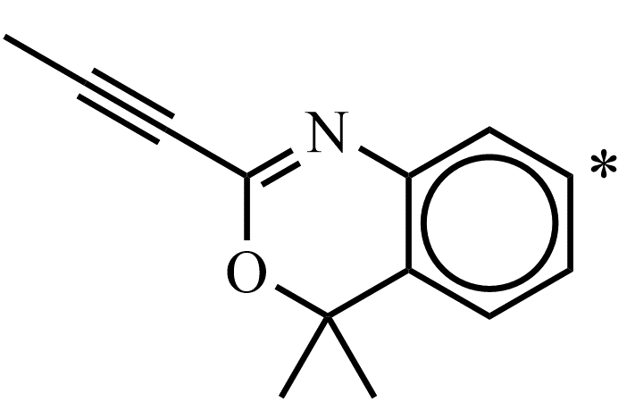 | Alkynyl benzoxazine | None | [CH3]C#CC2=Nc1ccccc1C([CH3])([CH3])O2 | 2 |  | 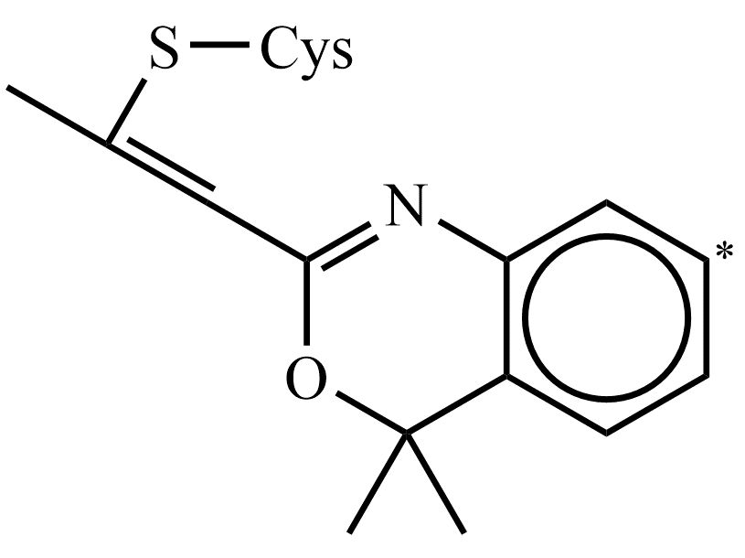 | c-Kit DOI:10.1021/jacs.9b13391 (6XVB) | Jak3 DOI:10.1021/jacs.9b13391 | C2Am DOI:10.1021/jacs.9b13391
18 | N | Cys | Cys(-S-) | H+ | 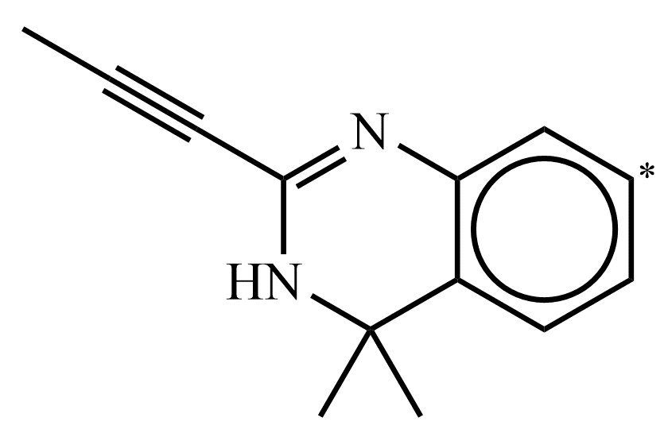 | Alkynyl dihydroquinazolines | None | [CH3]C#CC2=Nc1ccccc1C([CH3])([CH3])[NH]2 | 2 |  | 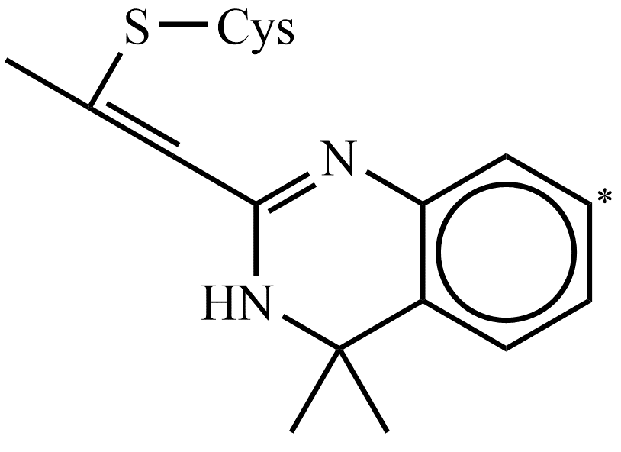 | C2Am DOI:10.1021/jacs.9b13391
19 | N | Cys | Cys(-S-) | H+ |  | Quinoline chlorine | Cl- | Clc2nc1ccccc1cc2C | 2 |  |  | HCV NS5B polymerase DOI:10.1016/j.bmcl.2013.10.060 (4MZ4)
20 | Y | Cys | Cys(-S-) | H+ | 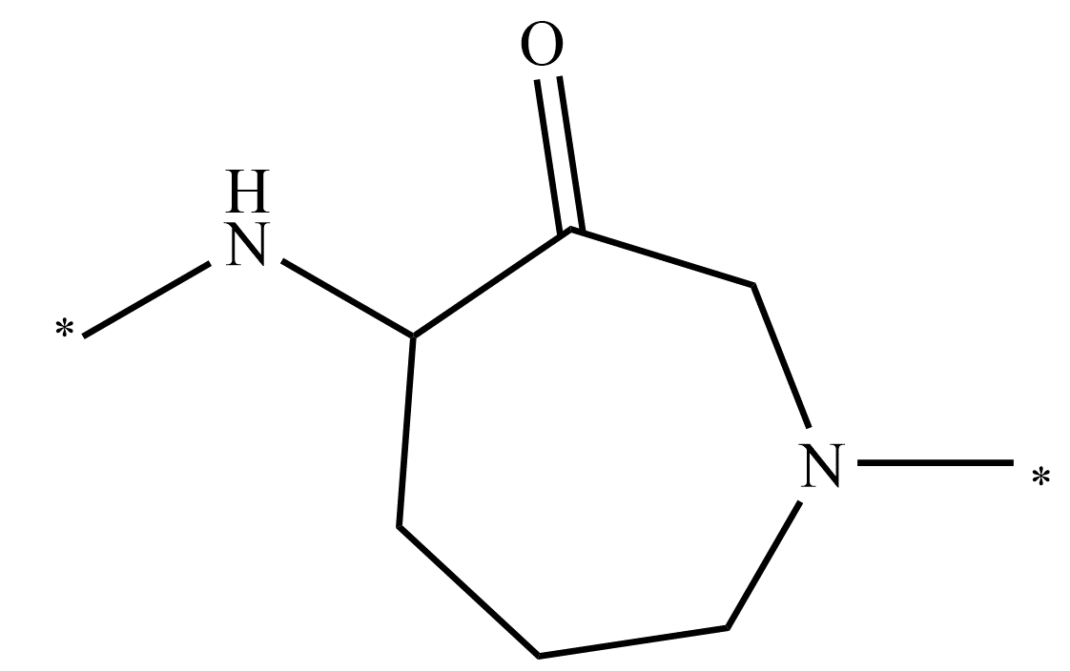 | Azepanone | None | C[NH][CH]1[CH2][CH2][CH2]N(C)[CH2]C1=O | 10 |  | 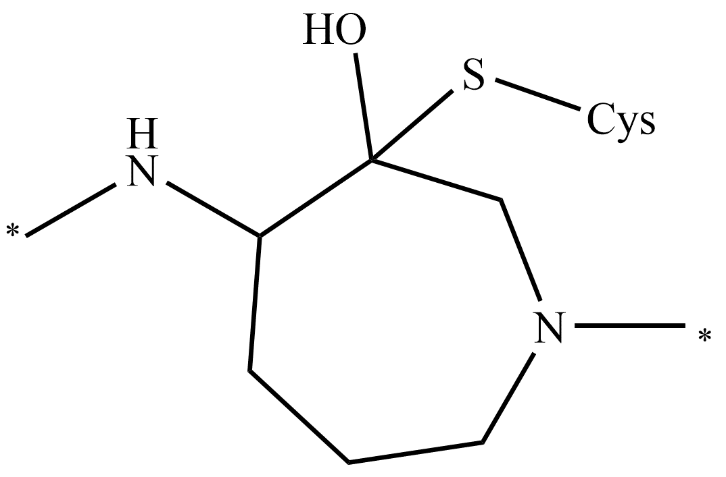 | Cathepsin K DOI:10.1021/jm000481x
21 | N | Cys | Cys(-S-) | H+ |  | Cyanamide | None | [NH]C#N | 2 |  | 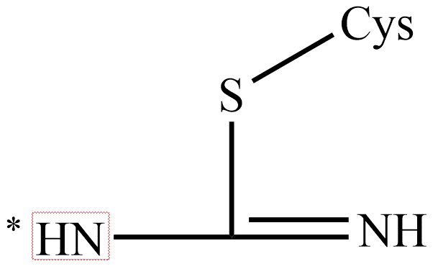 | JAK3 DOI:10.1021/acs.jmedchem.8b01308 (6DA4,6DUD,6DB3) | Ubiquitin carboxyl-terminal hydrolase isozyme L1 DOI:10.1002/cbic.201900434 | Adenoviral protease (AVP8) DOI:10.1021/ml500224t (4PIE,4PIQ) | Adenoviral protease (AVP8) DOI:10.1016/j.bmcl.2014.12.057(4WX7)
22 | N | Cys | Cys(-S-) | H+ |  | Alkyne | None | [NH][CH2]C#[CH] | 3 |  |  | Cathepsin K DOI:10.1021/jacs.8b11027 (6QBS)
23 | N | Cys | Cys(-S-) | H+ |  | Oxabicycloheptene | None | [CH3]OC(=O)C1=C(C(=O)O[CH3])C2[CH]=[CH][CH]1O2 | 5 |  | 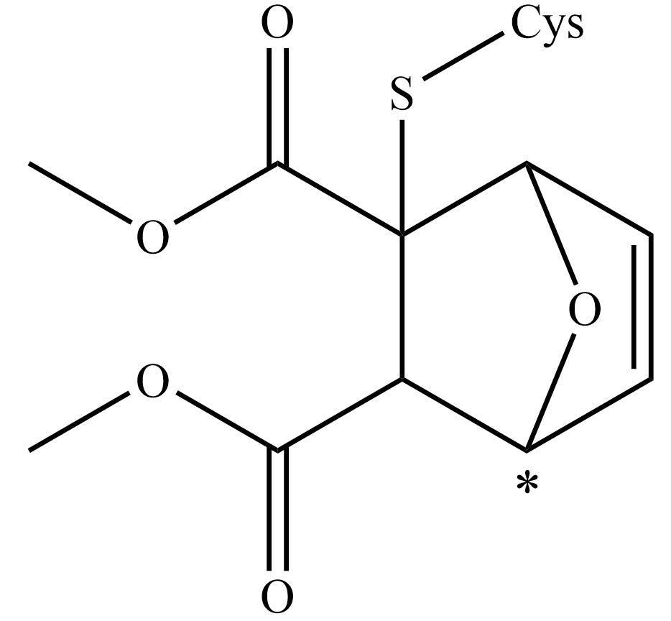 | SUMO E1 DOI:10.1038/s41467-018-07015-1 (6CWY)
24 | N | Cys | Cys(-S-) | H+ |  | α,β-unsaturated ester | None | [CH]=[CH]C(=O)O[CH3] | 1 |  |  | NEDD4 DOI:10.1021/jacs.5b06839 (5C91) | HRV 3Cpro DOI:10.1016/j.bmcl.2016.05.066(5FX5,5FX6) | EV71 3Cpro DOI:10.1016/j.bbagen.2016.03.017 (5DP3) | Rhinovirus 3C Protease DOI:10.1073/pnas.96.20.11000 (1CQQ) | RBR E3 Ubiquitin Ligase HOIP DOI:10.1021/jacs.8b13193 | CVA16 3C DOI:10.1128/JVI.00787-11 (3SJI) | 3C protease of coxsackievirus B3 (3ZZ5,3ZZ6,3ZZ7,3ZZ8)
25 | N | Cys | Cys(-S-) | H+ |  | Aminobutenamide | None | [NH]C(=O)[CH]=[CH][CH2]N([CH3])[CH3] | 5 | \"N\" could be in a ring |  | EGFR DOI:10.1124/jpet.112.197756 (4G5J) | EGFR T790M DOI:10.1124/jpet.112.197756(4G5P)
26 | N | Cys | Cys(-S-) | H+ |  | Allenamide | None | [NH]C(=O)[CH]=C=[CH2] | 5 | \"N\" could be in a ring |  | EGFR DOI:10.1039/c7md00571g | doi:10.1002/anie.201403121
27 | N | Cys | Cys(-S-) | H+ |  | Disulfide |  | CSS[CH2][CH2][NH2] | 2 |  |  | β1 -adrenergic receptors (β1AR)I1182.64C DOI:10.1016/j.bmc.2019.05.034 | thymidylate synthase (TS). DOI:10.1073/pnas.97.17.9367(1F4C)
28 | N | Cys | Cys(-S-) | H+ |  | Sulfonate ester |  | COS(=O)(=O)c1ccccc1 | 1 |  |  | glutathione S-transferase omega 1 (GSTO1) DOI:10.1002/anie.201203730
29 | N | Cys | Cys(-S-) | H+ |  | 2-butynamide | None | [CH3]C#CC(=O)[NH] | 2 | \"N\" could be in a ring |  | EGFR DOI:10.1016/s 0006-2952(98)00356-6 | BTK DOI:10.1021/acs.jmedchem.9b00167(6O8I)
30 | N | Cys | Cys(-S-) | H+ |  | Propynamide | None | [CH]#CC(=O)[NH] | 1 | \"N\" could be in a ring |  | Nek2 DOI:10.1021/jm200222m
31 | N | Cys | Cys(-S-) | H+ |  | Chloromethyl ketone | Cl- | C(=O)[CH2]Cl | 3 |  |  | TEAD2-Yap DOI:10.1016/j.chembiol.2018.11.010(6E5G)
32 | N | Cys | Cys(-S-) | H+ |  | Bromomethyl ketone | Br- | C(=O)[CH2][Br] | 3 |  |  | SARS-CoV 3CLpro DOI:10.1111/j.1747-0285.2008.00679.x(3D62)
33 | N | Cys | Cys(-S-) | H+ |  | Diazomethane | None | C(=O)[CH]=[N+]=[N-] | 3 |  |  | cathepsin L DOI:10.1016/j.jsb.2010.09.007 (3OF9) | Streptopain (1PVJ)
34 | N | Cys | Cys(-S-) | H+ |  | Thiocyanate | CN | CSC#N | 2 |  |  | NSD1 SET DOI:10.1038/s41589-020-0626-6 (6KQQ)
35 | N | Cys | Cys(-S-) | H+ |  | Acrylamide | None | [CH]=[CH]C(=O)[NH] | 1 | In middle |  | Cathepsin_K DOI:10.1021/acs.orglett.8b03821(6HGY)
36 | N | Cys | Cys(-S-) | H+ |  | Fluoromethyl ketone | F- | C(=O)[CH2][F] | 3 |  |  | Cruzain DOI:10.1002/pro.5560060801(1AIM,2AIM)
1 | N | Ser | Ser(-O-) | H+ | 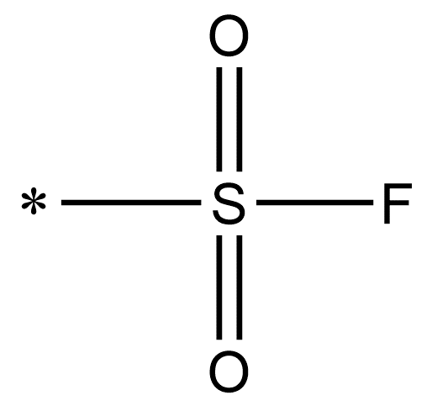 | Sulfonyl fluoride | F- | CS(=O)(=O)F | 2 |  |  | (MGL)Monoacylglycerol lipase DOI:10.1016/j.bbalip.2012.04.006(3RLI) | Palmitoyl-protein thioesterase-1 (PPT1) DOI:10.1074/jbc.M002758200(1EXW)
2 | N | Ser | Ser(-O-) | H+ | 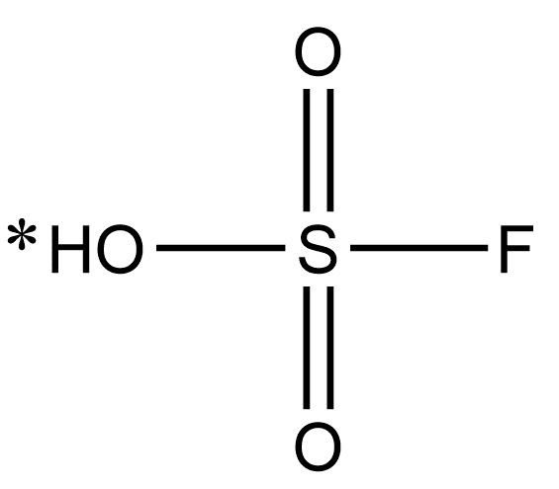 | Aryl sulfonyl fluoride | F- | OS(=O)(=O)F | 2 |  | 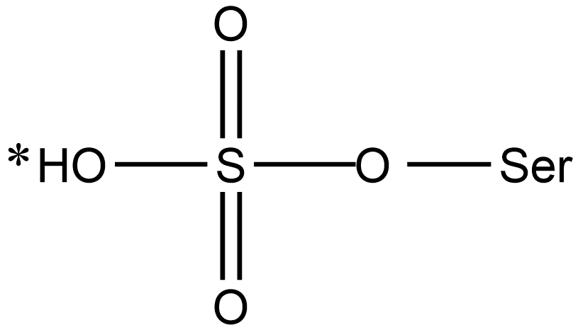 | DcpS[the mRNA decapping scavenger enzyme] DOI:10.1021/acschembio.7b00403
3 | N | Ser | Ser(-O-) | H+ | 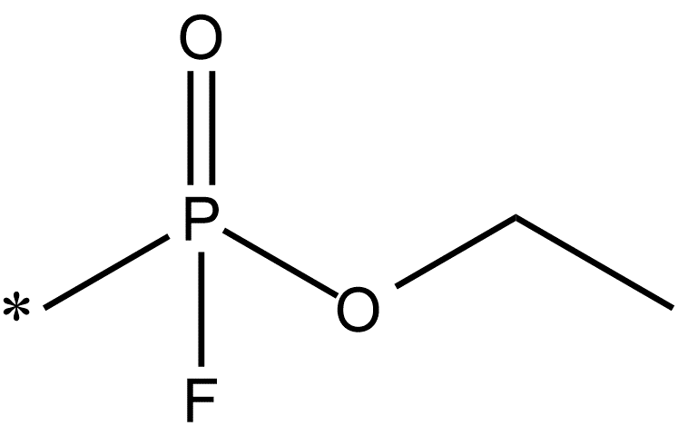 | Fluorophosphonate (FP) | F- | CP(=O)(F)O[CH2][CH3] | 2 |  | 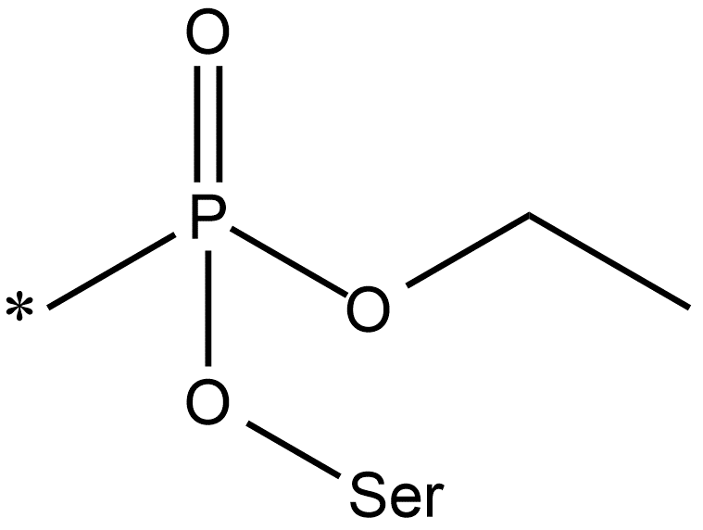 | Serine Hydrolases DOI:10.1074/jbc.r109.097600
4 | Y | Ser | Ser(-O-) | H+ |  | Aldehyde | None | C[CH]=O | 2 |  |  | HCV NS3•4A protease DOI:10.1016/j.bmcl.2003.08.050
5 | Y | Ser | Ser(-O-) | H+ |  | Nitrile | None | CC#N | 2 |  |  | Dipeptidyl peptidase-IV (DPP-IV) DOI:10.1016/j.abb.2005.11.010
6 | Y | Ser | Ser(-O-) | H+ | 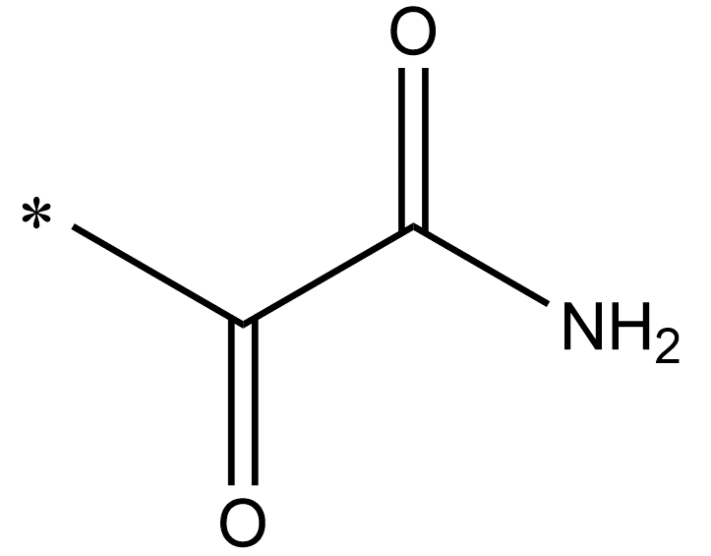 | α-ketoamide | None | CC(=O)C(=O)[NH2] | 2 |  | 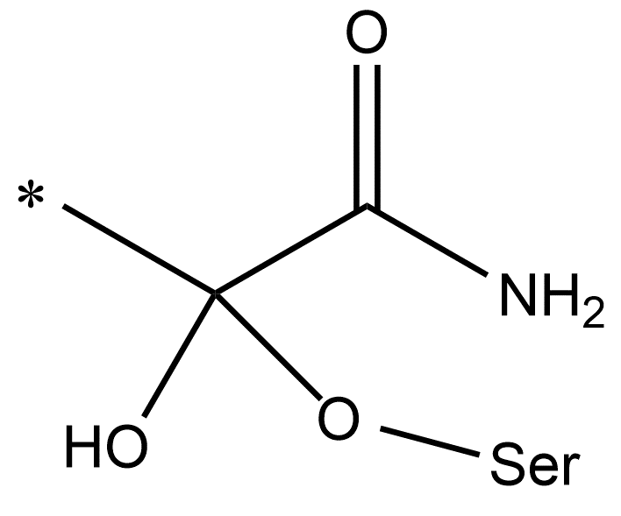 | HCV NS3•4A protease DOI:10.2174/187152606776056706
7 | Y | Ser | Ser(-O-) | H+ |  | α-ketoacid | None | CC(=O)C(=O)[OH] | 2 |  |  | Hepatitis C Virus NS3/4A Protease DOI:10.1074/jbc.275.10.7152(1DY8)
8 | Y | Ser | Ser(-O-) | H+ |  | Carbamate | None | OC(=O)N1CCC(C)CC1 | 2 |  |  | (MGL)Monoacylglycerol lipase DOI:10.1016/j.bmc.2018.11.003
9 | N | Ser | Ser(-O-) | H+ |  | β-sultams | None | O=S1(=O)[CH2][CH2]N1C | 2 |  |  | Streptomyces R61 DD-peptidase DOI:10.1021/bi050110o
1 | N | Thr | Thr(-O-) | H+ |  | Sulfonyl fluoride | F- | S(=O)(=O)F | 1 |  | 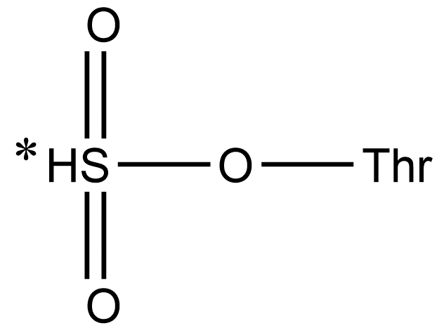 | yeast 20S proteasome DOI:10.1002/anie.201406964
2 | N | Thr | Thr(-O-) | H+ |  | Boronic acid | None | B([OH])([OH]) | 1 |  |  | yeast 20S proteasome DOI:10.1002/anie.201308984 (4NO1) | Mycobacterium Tuberculosis Proteasome DOI:10.1111/j.1365-2958.2005.05036.x(2FHH)
3 | N | Thr | Thr(-O-) | H+ | 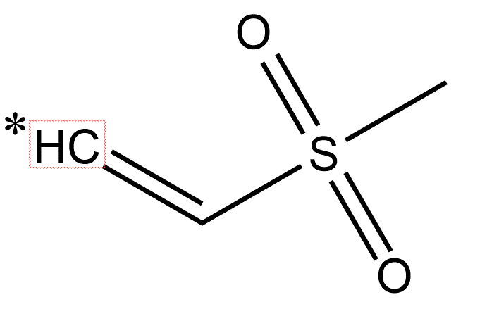 | Vinyl sulfone | None | [CH]=[CH]S(=O)(=O)[CH3] | 1 |  | 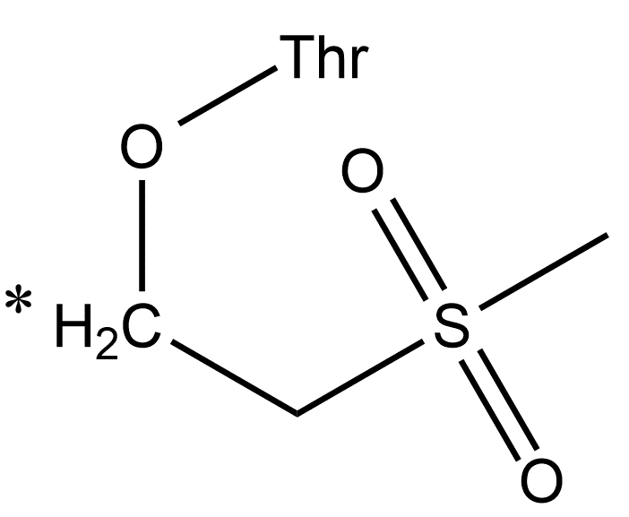 | yeast 20S proteasome DOI:10.1021/jm3016987 (4INR)
4 | Y | Thr | Thr(-O-) | H+ |  | Acrylamide | None | [CH]=[CH]C(=O)[NH] | 1 |  |  | yeast 20S proteasome DOI:10.1038/nature06782 (2ZCY) | yeast 20S proteasome DOI:10.1038/nature06782 (3BDM) | yeast 20S proteasome DOI:10.1073/pnas.0901982106(3G9J) | yeast 20S proteasome DOI:10.1073/pnas.1211423109(4FZC) | yeast 20S proteasome DOI:10.1073/pnas.1211423109(4FZG)
5 | N | Thr | Thr(-O-) | H+ |  | Vinyl ester | None | [CH]=[CH]C(=O)O[CH2][CH3] | 1 |  |  | yeast 20S proteasome DOI:10.1016/j.ejmech.2006.04.001
6 | N | Thr | Thr(-O-) | H+ | 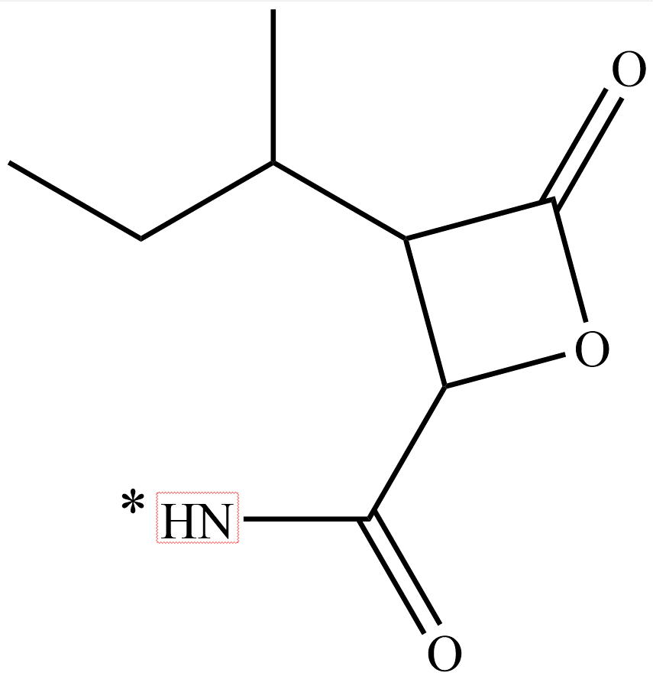 | β-lactone | None | [CH3][CH2][CH]([CH3])[CH]1C(=O)O[CH]1C(=O)[NH] | 6 |  | 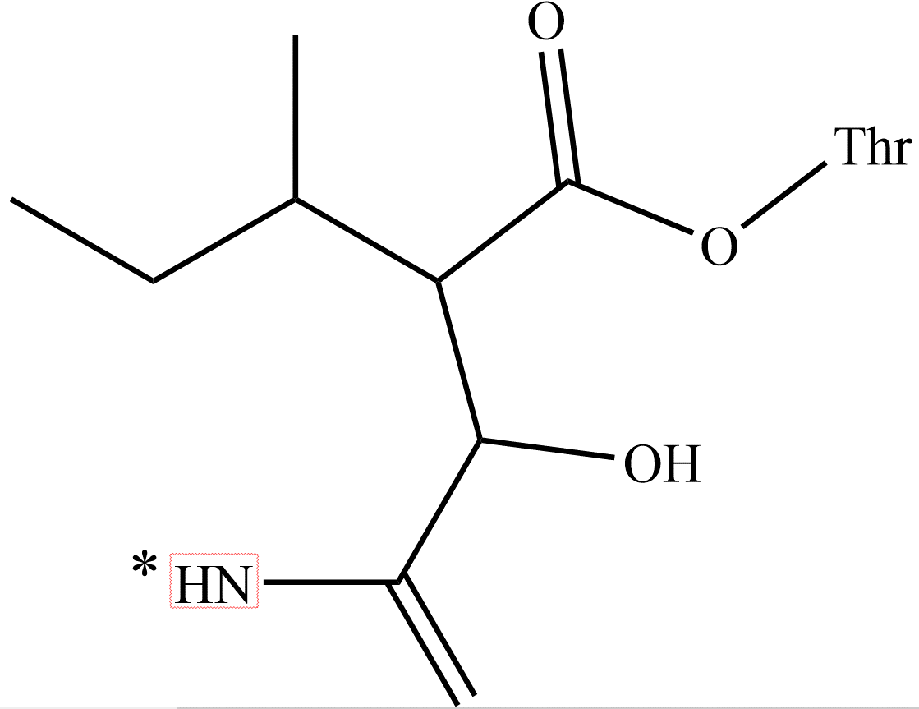 | yeast 20S proteasome DOI:10.1039/c1ob05661a (3TDD) | yeast 20S proteasome DOI:10.1073/pnas.0600647103(3E47) | yeast 20S proteasome DOI:10.1021/jm4002296 (4J70)
7 | N | Thr | Thr(-O-) | H+ | 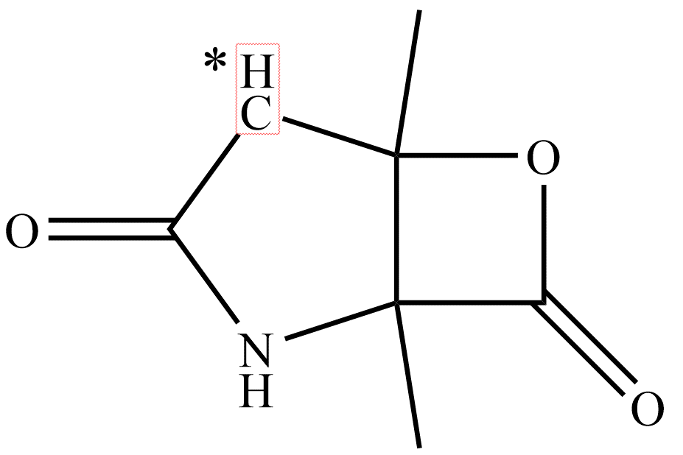 | β-lactone | None | [CH]1C(=O)[NH]C2(C)C(=O)OC12C | 7 |  | 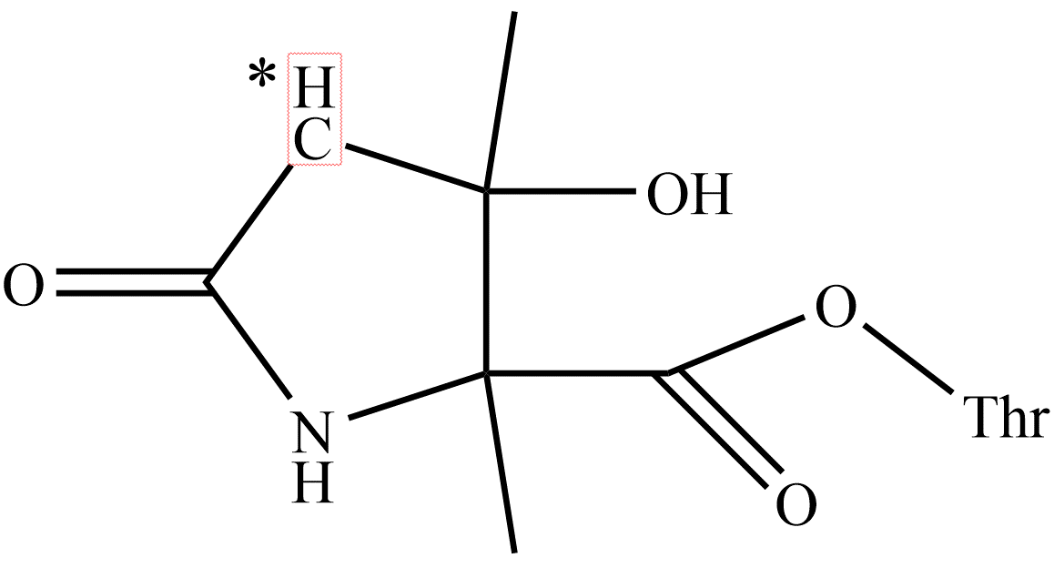 | yeast 20S proteasome DOI:10.1021/jm900559x (3GPT)
8 | N | Thr | Thr(-O-) | H+ |  | β-lactam | None | C(=O)[NH]C1C(=O)[NH][CH2]1 | 5 |  |  | yeast 20S proteasome DOI:10.1016/j.bmcl.2006.10.047
9 | N | Thr | Thr(-O-) | H+ | 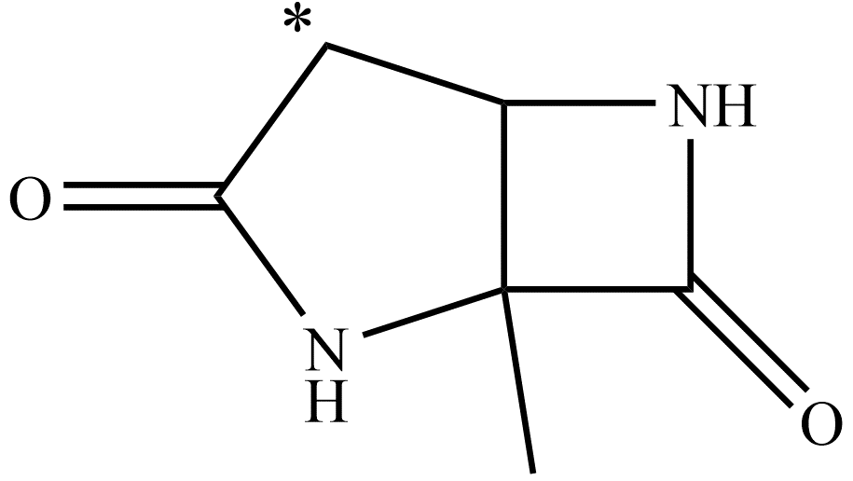 | β-lactam | None | C1C(=O)[NH]C2(C)C(=O)[NH]C12 | 7 |  |  | yeast 20S proteasome DOI:10.1021/ja056284a
10 | N | Thr | Thr(-O-) | H+ | 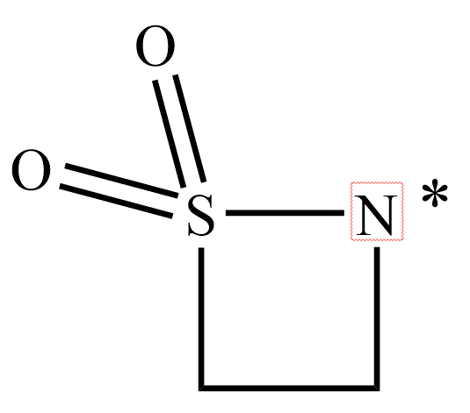 | β-sultams | None | O=S1(=O)[CH2][CH2][N]1 | 2 |  | 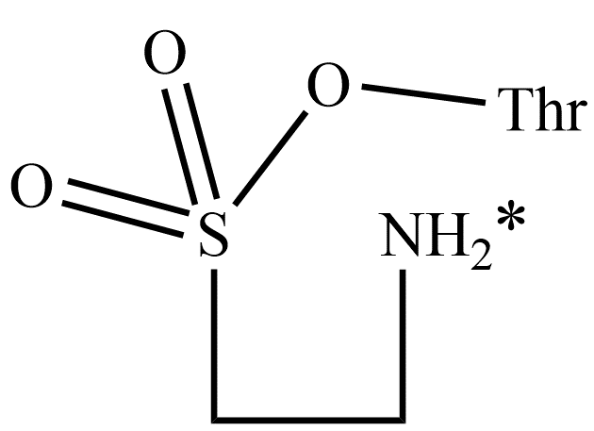 | azoreductase DOI:10.1039/c3cc46002a
11 | N | Thr | Thr(-O-) | H+ | 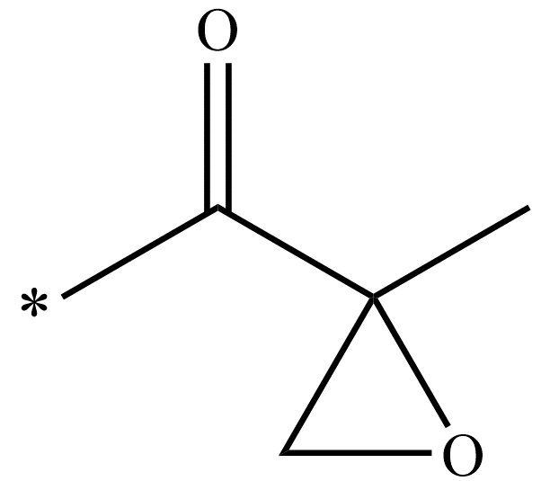 | Epoxyketones | None | CC(=O)C1([CH3])[CH2]O1 | 2 |  | 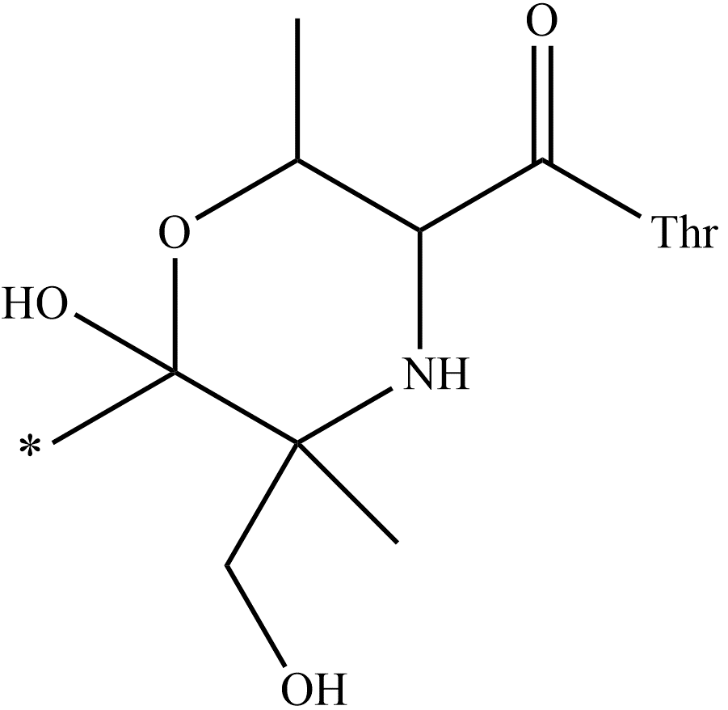 | yeast 20S proteasome DOI:10.1016/j.chembiol.2014.04.010(4HRD) | yeast 20S proteasome DOI:10.1016/j.cell.2011.12.030(3UN4) | yeast 20S proteasome DOI:10.1002/anie.201308984(4NO9)
12 | Y | Thr | Thr(-O-) | H+ | 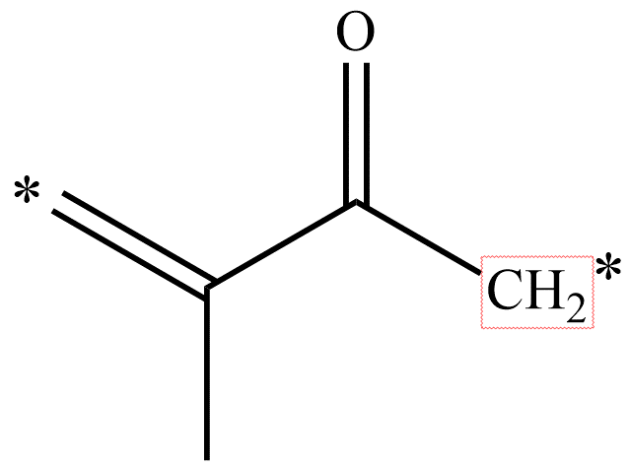 | Enones | None | [CH2]=C([CH3])C(=O)[CH2] | 4 |  | 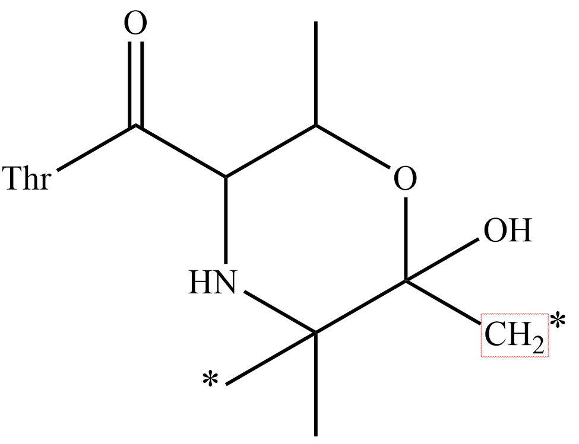 | yeast 20S proteasome DOI:10.1016/j.chembiol.2014.04.010(4HNP) | yeast 20S proteasome DOI:10.1016/j.chembiol.2014.04.010(4LTC)
13 | Y | Thr | Thr(-O-) | H+ | 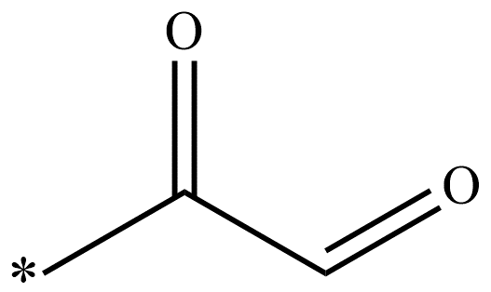 | α-keto-aldehyde | None | CC(=O)[CH]=O | 2 |  | 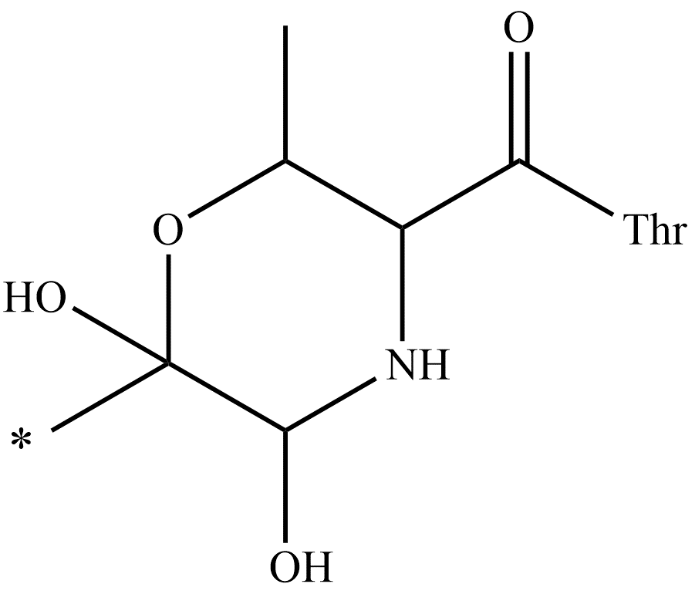 | yeast 20S proteasome DOI:10.1002/anie.201005488(3OKJ)
14 | Y | Thr | Thr(-O-) | H+ |  | Aldehyde | None | C[CH]=O | 2 |  | 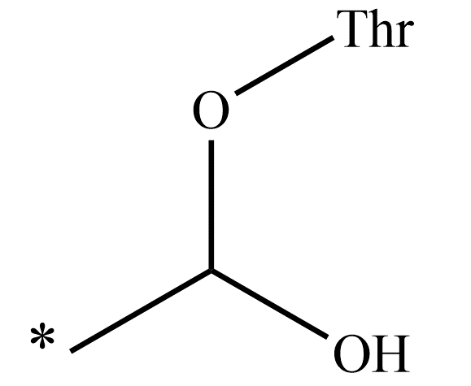 | yeast 20S proteasome DOI:10.1016/j.chembiol.2008.03.020(3D29)
15 | Y | Thr | Thr(-O-) | H+ |  | α-Keto phenylamides | None | C(=O)C(=O)[NH]c1ccccc1 | 1 |  |  | yeast 20S proteasome DOI:10.1002/anie.201308984(4NO8)
1 | N | Thr | Tyr(-O-) | H+ |  | Sulfonyl fluoride | F- | CS(=O)(=O)F | 2 |  | 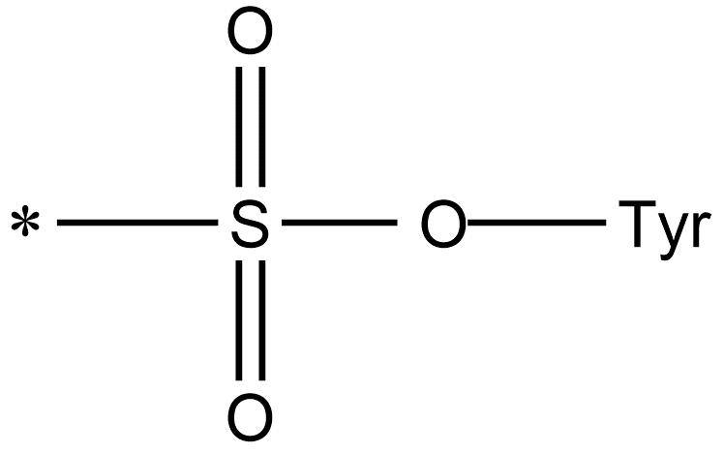 | DcpS[the mRNA decapping scavenger enzyme] DOI:10.1021/acschembio.7b00403
1 | N | Lys | Lys(-NH-) | H+ | 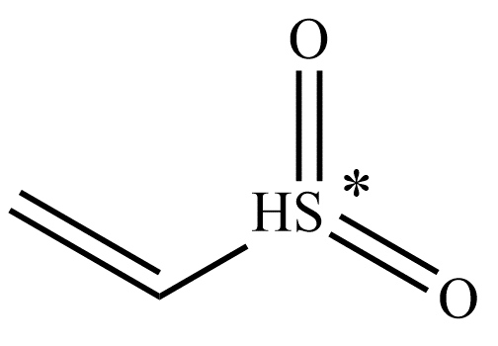 | Vinyl sulfones | None | [CH2]=[CH]S(=O)(=O) | 1 |  |  | CDK2 DOI:10.1016/j.chembiol.2015.07.018(5CYI)
2 | N | Lys | Lys(-NH-) | H+ |  | Sulfonyl fluoride | F- | CS(=O)(=O)F | 2 |  | 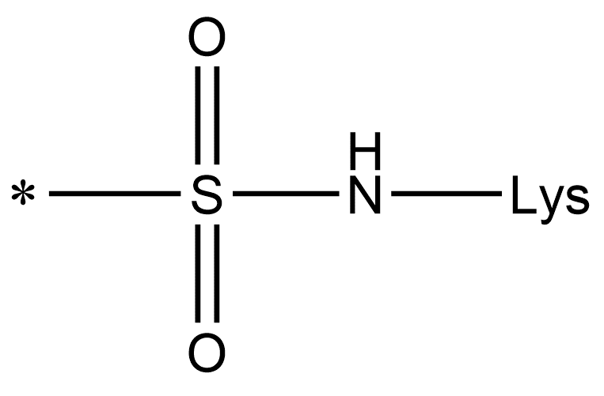 | Phosphatidylinositol (PtdIns) 4-kinase (PI4K) DOI:10.1016/S1357-2725(01)00006-1
3 | N | Lys | Lys(-NH-) | H+ |  | Arylsulfonyl fluoride | F- | O=S(=O)(F)c1ccccc1 | 2 |  | 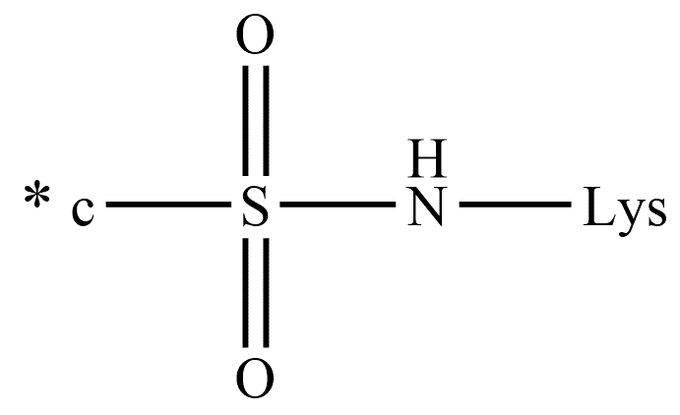 | eIF4E DOI:10.1021/jacs.9b10377 (6U06，6U09)
4 | N | Lys | Lys(-NH-) | H+ |  | Acrylate | None | COC(=O)[CH]=[CH2] | 6 |  |  | Heat shock 70 kDa protein 1(HSP72) DOI:10.1002/ANY.201611907
5 | N | Lys | Lys(-NH-) | H+ |  | 4-Fluorobenzoic ester |  | C(=O)Oc1ccc(F)cc1 | 1 |  |  | PI3Kδ DOI:10.1021/jacs.7b08979 (6EYZ)
6 | N | Lys | Lys(-NH-) | H+ | 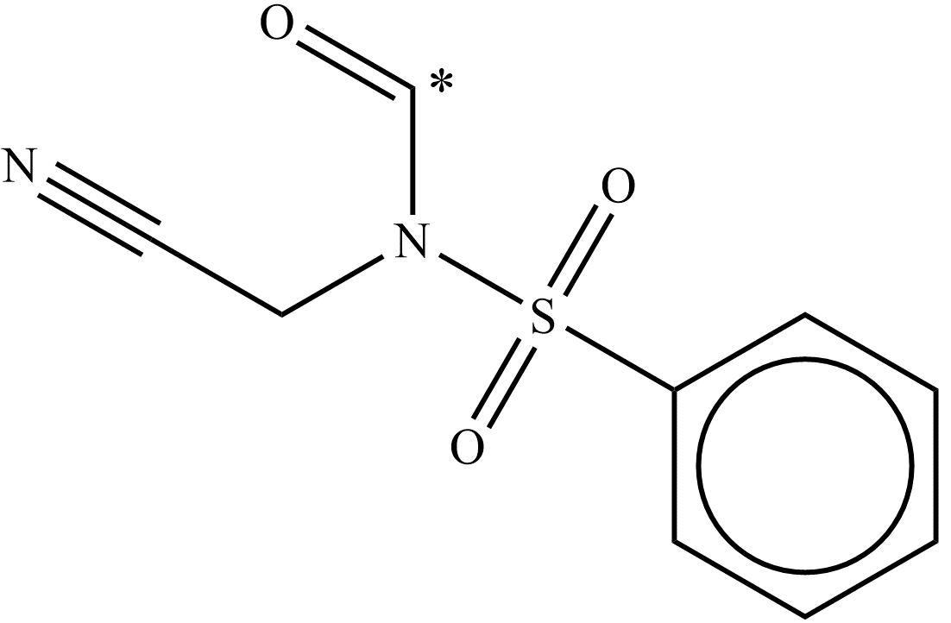 | N-acyl-N-alkyl sulfonamide (NASN) |  | C(=O)N(CC#N)S(=O)(=O)c1ccccc1 | 1 |  |  | Hsp90 DOI:10.1038/s41467-018-04343-0
7 | Y | Lys | Lys(-NH-) | H+ | 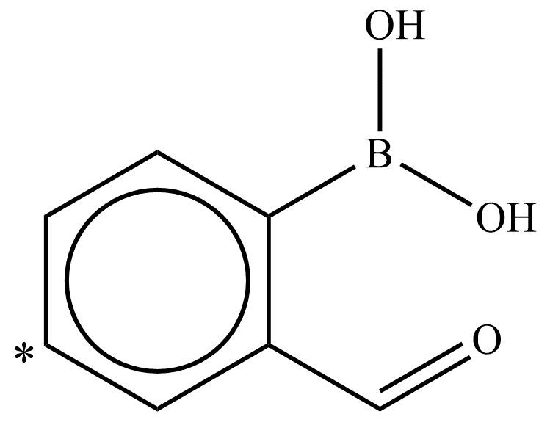 | Aryl boronic acid carbonyl | H2O | c1ccc(B([OH])[OH])c(C(=O))c1 | 9 |  | 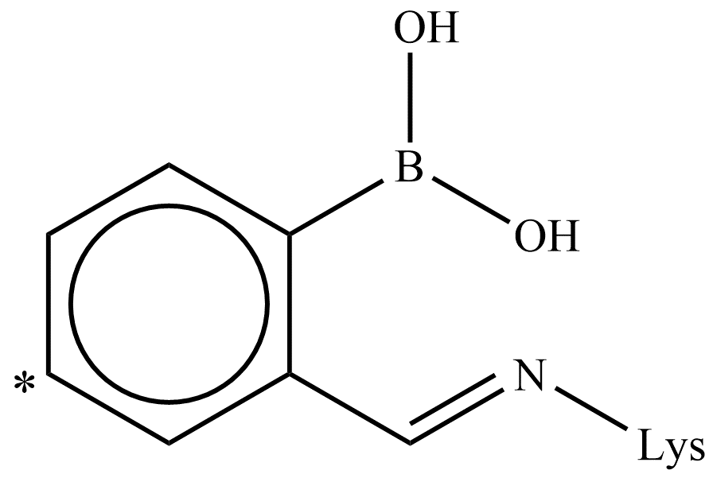 | Myeloid cell leukemia 1 (Mcl-1) DOI:10.1038/nchembio.2174
8 | Y | Lys | Lys(-NH-) | H+ |  | Aldehyde | None | C[CH]=O | 2 |  |  | type 1 insulin-like growth factor receptor DOI:10.1021/bi0500628
1 | N | His | His(-N-) | H+ |  | Epoxide | None | C[CH]1[CH2]O1 | 3 |  | 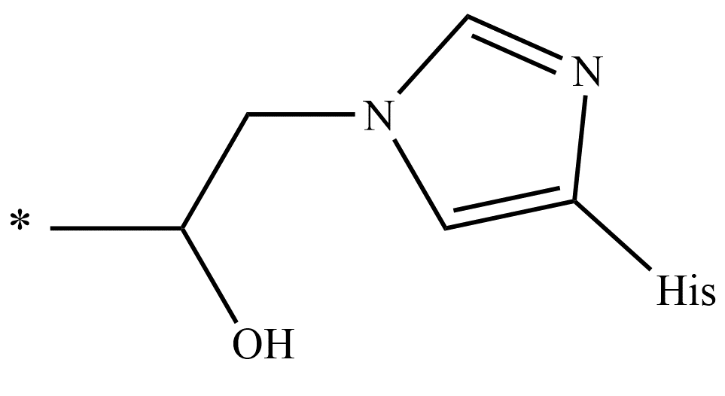 | HsMetAP2 DOI:10.1021/acschembio.5b00755 (5CLS,5D6F)
2 | N | His | His(-N-) | H+ | 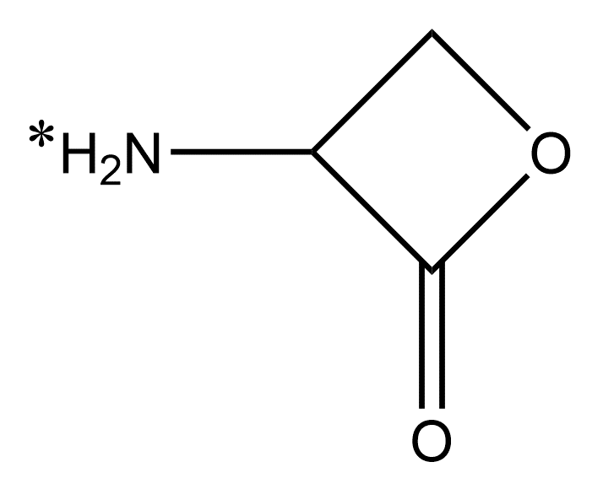 | β-lactone | None | N[CH]1[CH2]OC1=O | 3 |  | 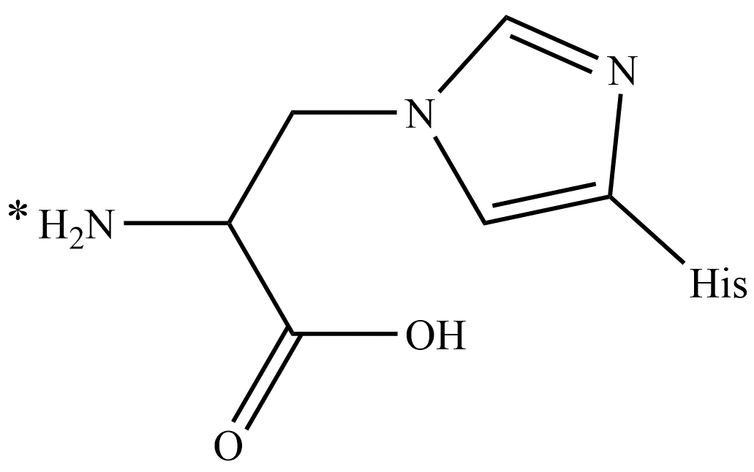 | HAV 3C DOI:10.1016/j.jmb.2005.09.074(2CXV)
3 | N | His | His(-N-) | H+ |  | Alkyl halide | Br- | [CH2][CH2]Br | 2 |  |  | 17β-hydroxysteroid dehydrogenase type 1 (17β-HSD1) DOI:10.1021/acs.jpclett.8b02225(6CGE)
4 | N | His | His(-N-) | H+ |  | Enone | None | CC(=O)[CH]=[CH2] | 5 |  |  | Vitamin D receptor (VDR) DOI:10.1021/acs.jmedchem.8b00774(5ZWE,5ZWF)
5 | N | His | His(-N-) | H+ |  | Ene-ynone | None | CC(=O)C#C[CH]=[CH][CH3] | 5 |  |  | Vitamin D receptor (VDR) DOI:10.1021/acs.jmedchem.8b00774(5ZWH)
6 | Y | His | His(-N-) | H+ | 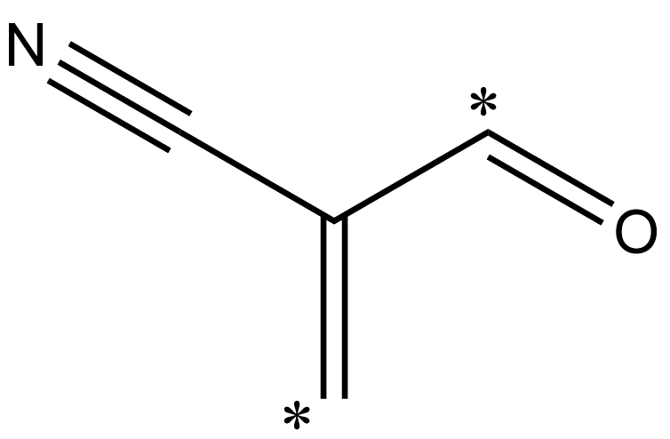 | α,β-Unsaturated enone (α-cyanoenones) | None | C=C(C#N)C(=O) | 1 |  | 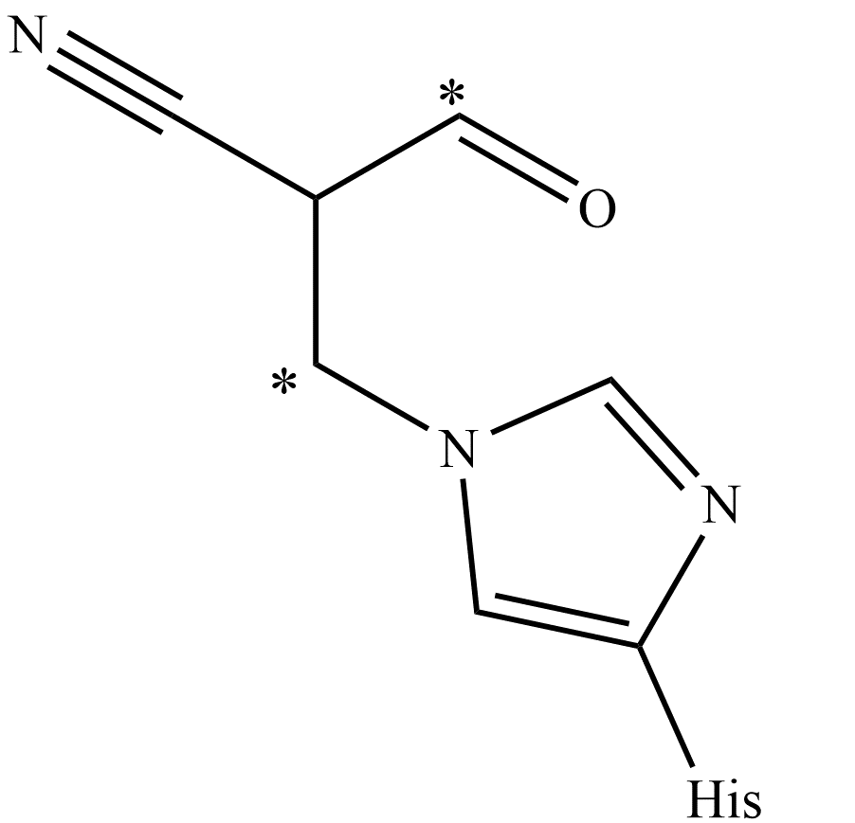 | Isocitrate dehydrogenase 1 (IDH1) DOI:10.1021/acs.jmedchem.8b00305 (6BKX,6BL0,6BL2)
1 | N | Glu | Glu(-COO-) | H+ |  | Epoxide | None | C[CH]1[CH2]O1 | 3 |  | 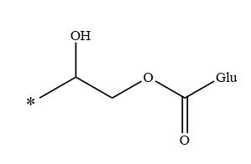 | HsMetAP2 DOI:10.1021/acschembio.5b00755 (5D6E)
2 | N | Glu | Glu(-COO-) | H+ | 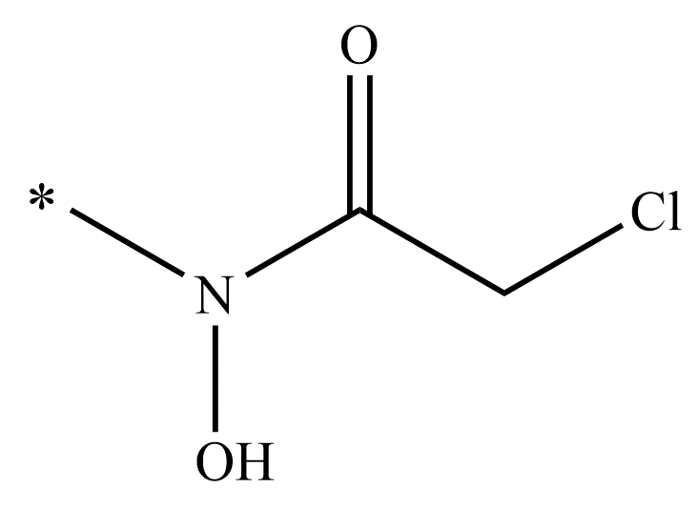 | Hydroxamic acid functional group | Cl- | CN([OH])C(=O)[CH2]Cl | 6 |  |  | thermolysin DOI:10.1021/bi00270a034
3 | N | Glu | Glu(-COO-) | H+ |  | Isoxazolium | None | C[CH2][n+]1ccc([CH3])o1 | 4 |  |  | PDE6δ DOI:10.1016/j.chembiol.2017.03.015(5NAL)
4 | N | Glu | Glu(-COO-) | H+ |  | Epoxide | None | C[CH]1[CH2]O1 | 2 |  |  | Isopentenyl diphosphate DOI:10.1002/Prot.10573
1 | N | Asp | Asp(-COO-) | H+ |  | Boronic acid | None | CB([OH])([OH]) | 2 |  |  | EGFR DOI:10.1039/b909504g
2 | N | Asp | Asp(-COO-) | H+ |  | Epoxide | None | C[CH]1[CH2]O1 | 2 |  |  | simian immunodeficiency virus protease (SIV PR) DOI:10.1021/bi00097a030
1 | N | Met | Met(-SH-) | H+ |  | Epoxide | None | C[CH]1[CH2]O1 | 3 |  |  | BRD4(BD1) DOI:10.1021/acs.jmedchem.8b00666(6CZU)
1 | N | Pro | Pro(-N-) | H+ |  | Sulfonyl fluoride | F- | CS(=O)(=O)F | 2 |  |  | MIF(Macrophage Migration Inhibitory Factor) DOI:10.1021/bi8014423
2 | N | Pro | Pro(-N-) | H+ |  | Isothiocyanate | None | CN=C=S | 3 |  |  | MIF(Macrophage Migration Inhibitory Factor) DOI:10.1042/BJ 20091170
1 | N | Pyr | Pyr | O2- |  | Aminooxyalkyl | 2H+ | [CH2]O[NH2] | 3 |  |  | AdoMetDC DOI:10.1021/bi010735w (1I72) | AdoMetDC DOI:10.1021/jm801126a (3DZ5) | AdoMetDC DOI:10.1021/jm801126a (3DZ6)
2 | N | Pyr | Pyr | O2- |  | Hydrazide | 2H+ | C(=O)[NH][NH2] | 4 |  |  | AdoMetDC DOI:10.1021/jm801126a | AdoMetDC Polyamine Drug Discovery
3 | N | Pyr | Pyr | O2- |  | Hydrazine | 2H+ | [CH2][NH][NH2] | 3 |  |  | AdoMetDC DOI:10.1021/bi00144a027 | AdoMetDC DOI:10.1021/bi010735w (1I79)
4 | N | Pyr | Pyr | O2- |  | Carbamate | 2H+ | [CH]([NH2])C(=O)O[CH3] | 2 |  |  | AdoMetDC DOI:10.1021/jm801126a(3DZ3) | AdoMetDC DOI:10.1021/bi010735w (1I7B)
5 | N | Pyr | Pyr | O2- |  | Allylamine | 2H+ | [CH]=[CH][CH2][NH2] | 4 |  |  | AdoMetDC DOI:10.1021/bi00144a027

