Sheet1
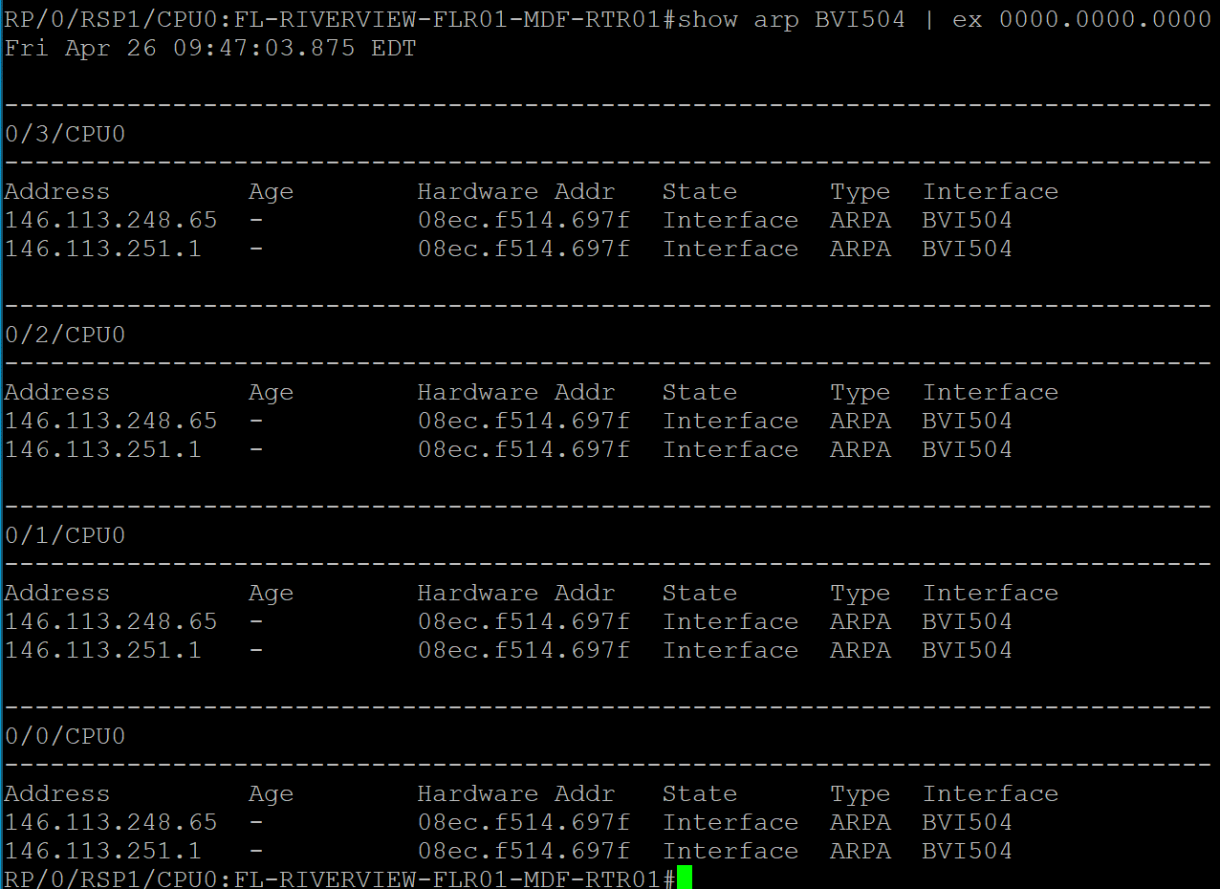
JIRA Ticket | Property | Router Hostname | Router IP | BVI + Subnet | Service | # of IPs Available | Current ARP Entries | Current DHCP Leases | Notes
ANE-2162 | REFLECTIONS | FL-RIVERVIEW-FLR01-MDF-RTR01 | 10.63.255.151 | 504 + 146.113.251.0/25 | DATA | 128 | 0 | 0 | Property migrated to CGNAT
 |  |  |  | 504 + 146.113.248.64/26 | DATA | 64 | 0 | 0

