Pool Memory
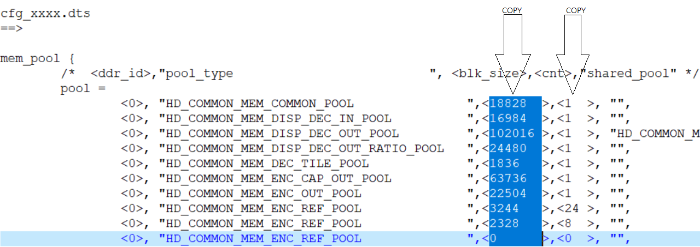
Pool Name | CHIP0/DDR0 |  |  | CHIP1/DDR2 |  |  | CHIP2/DDR3 |  |  | CHIP3/DDR4
 | Buf Size | Count | Total | Buf Size | Count | Total | Buf Size | Count | Total | Buf Size | Count | Total
HD_COMMON_MEM_COMMON_POOL | 2880 | 1 | 2880 | 11112 | 1 | 11112 | 11112 | 1 | 11112 | 11112 | 1 | 11112
HD_COMMON_MEM_DISP_DEC_IN_POOL | 1072 | 1 | 1072 | 0 | 0 | 0 | 0 | 0 | 0 | 0 | 0 | 0
HD_COMMON_MEM_DISP_DEC_OUT_POOL | 5220 | 1 | 5220 | 64640 | 1 | 64640 | 64640 | 1 | 64640 | 64640 | 1 | 64640
HD_COMMON_MEM_DISP_DEC_OUT_RATIO_POOL | 0 | 1 | 0 | 0 | 1 | 0 | 0 | 1 | 0 | 0 | 1 | 0
HD_COMMON_MEM_DEC_TILE_POOL | 864 | 1 | 864 | 1836 | 1 | 1836 | 1836 | 1 | 1836 | 1836 | 1 | 1836
HD_COMMON_MEM_ENC_CAP_OUT_POOL | 13584 | 1 | 13584 | 46464 | 1 | 46464 | 46464 | 1 | 46464 | 46464 | 1 | 46464
HD_COMMON_MEM_ENC_OUT_POOL | 3940 | 1 | 3940 | 0 | 0 | 0 | 0 | 0 | 0 | 0 | 0 | 0
HD_COMMON_MEM_ENC_REF_POOL (Encode 1 REF) | 1528 | 4 | 6112 | 1528 | 4 | 6112 | 1528 | 4 | 6112 | 1528 | 4 | 6112
HD_COMMON_MEM_ENC_REF_POOL (Encode 1 TMNR) | 1096 | 4 | 4384 | 1528 | 4 | 6112 | 1528 | 4 | 6112 | 1528 | 4 | 6112
HD_COMMON_MEM_ENC_REF_POOL (Encode 2 REF) | 0 | 0 | 0 | 0 | 0 | 0 | 0 | 0 | 0 | 0 | 0 | 0
HD_COMMON_MEM_ENC_REF_POOL (Encode 2 TMNR) | 0 | 0 | 0 | 0 | 0 | 0 | 0 | 0 | 0 | 0 | 0 | 0
HD_COMMON_MEM_ENC_REF_POOL (Substream REF) | 192 | 4 | 768 | 860 | 4 | 3440 | 860 | 4 | 3440 | 860 | 4 | 3440
HD_COMMON_MEM_ENC_REF_POOL (Substream TMNR) | 140 | 4 | 560 | 192 | 4 | 768 | 192 | 4 | 768 | 192 | 4 | 768
HD_COMMON_MEM_ENC_SCL_OUT_POOL | 0 | 1 | 0 | 0 | 1 | 0 | 0 | 1 | 0 | 0 | 1 | 0
HD_COMMON_MEM_DISP0_CAP_OUT_POOL | 0 | 1 | 0 | 0 | 1 | 0 | 0 | 1 | 0 | 0 | 1 | 0
HD_COMMON_MEM_DISP0_IN_POOL | 5400 | 1 | 5400 | 0 | 0 | 0 | 0 | 0 | 0 | 0 | 0 | 0
HD_COMMON_MEM_DISP0_FB_POOL(FB1+FB2+RLE) | 1536 | 1 | 1536 | 0 | 0 | 0 | 0 | 0 | 0 | 0 | 0 | 0
HD_COMMON_MEM_DISP1_CAP_OUT_POOL | 0 | 1 | 0 | 0 | 1 | 0 | 0 | 1 | 0 | 0 | 1 | 0
HD_COMMON_MEM_DISP1_IN_POOL | 0 | 1 | 0 | 0 | 0 | 0 | 0 | 0 | 0 | 0 | 0 | 0
HD_COMMON_MEM_DISP1_FB_POOL(FB4+FB5) | 0 | 1 | 0 | 0 | 0 | 0 | 0 | 0 | 0 | 0 | 0 | 0
HD_COMMON_MEM_DISP2_CAP_OUT_POOL | 0 | 1 | 0 | 0 | 1 | 0 | 0 | 1 | 0 | 0 | 1 | 0
HD_COMMON_MEM_DISP2_IN_POOL | 0 | 1 | 0 | 0 | 0 | 0 | 0 | 0 | 0 | 0 | 0 | 0
HD_COMMON_MEM_DISP2_FB_POOL(FB7+FB8) | 0 | 1 | 0 | 0 | 0 | 0 | 0 | 0 | 0 | 0 | 0 | 0
HD_COMMON_MEM_AU_ENC_AU_GRAB_OUT_POOL | 200 | 1 | 200 | 0 | 0 | 0 | 0 | 0 | 0 | 0 | 0 | 0
HD_COMMON_MEM_AU_DEC_AU_RENDER_IN_POOL | 40 | 1 | 40 | 0 | 0 | 0 | 0 | 0 | 0 | 0 | 0 | 0
HD_COMMON_MEM_GLOBAL_MD_POOL | 136 | 4 | 544 | 288 | 0 | 0 | 288 | 0 | 0 | 288 | 0 | 0
HD_COMMON_MEM_TMNR_MOTION_POOL | 140 | 4 | 560 | 140 | 4 | 560 | 140 | 4 | 560 | 140 | 4 | 560
HD_COMMON_MEM_CNN_POOL | 0 | 1 | 0 | 40960 | 1 | 40960 | 40960 | 1 | 40960 | 40960 | 1 | 40960
HD_COMMON_MEM_OSG_POOL | 1024 | 1 | 1024 | 4096 | 1 | 4096 | 4096 | 1 | 4096 | 4096 | 1 | 4096
HD_COMMON_MEM_USER_BLK | 0 | 1 | 0 | 32768 | 1 | 32768 | 32768 | 1 | 32768 | 32768 | 1 | 32768
HDAL Total Size (KB) |  |  | 48688 |  |  | 218868 |  |  | 218868 |  |  | 218868

