Pool Memory
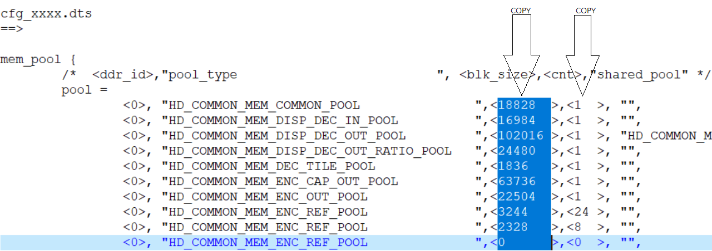
Pool Name | CHIP0/DDR0 |  |  | CHIP1/DDR2 |  |  | CHIP2/DDR3 |  |  | CHIP3/DDR4
 | Buf Size | Count | Total | Buf Size | Count | Total | Buf Size | Count | Total | Buf Size | Count | Total
HD_COMMON_MEM_COMMON_POOL | 12240 | 1 | 12240 | 11600 | 1 | 11600 | 11600 | 1 | 11600 | 11600 | 1 | 11600
HD_COMMON_MEM_DISP_DEC_IN_POOL | 8164 | 1 | 8164 | 0 | 0 | 0 | 0 | 0 | 0 | 0 | 0 | 0
HD_COMMON_MEM_DISP_DEC_OUT_POOL | 51008 | 1 | 51008 | 65728 | 1 | 65728 | 65728 | 1 | 65728 | 65728 | 1 | 65728
HD_COMMON_MEM_DISP_DEC_OUT_RATIO_POOL | 12240 | 1 | 12240 | 12240 | 1 | 12240 | 12240 | 1 | 12240 | 12240 | 1 | 12240
HD_COMMON_MEM_DEC_TILE_POOL | 3312 | 1 | 3312 | 1836 | 1 | 1836 | 1836 | 1 | 1836 | 1836 | 1 | 1836
HD_COMMON_MEM_ENC_CAP_OUT_POOL | 50236 | 1 | 50236 | 50236 | 1 | 50236 | 50236 | 1 | 50236 | 50236 | 1 | 50236
HD_COMMON_MEM_ENC_OUT_POOL | 8568 | 1 | 8568 | 0 | 0 | 0 | 0 | 0 | 0 | 0 | 0 | 0
HD_COMMON_MEM_ENC_REF_POOL (Encode 1 REF) | 5852 | 12 | 70224 | 5852 | 12 | 70224 | 5852 | 12 | 70224 | 5852 | 12 | 70224
HD_COMMON_MEM_ENC_REF_POOL (Encode 1 TMNR) | 4196 | 4 | 16784 | 5852 | 4 | 23408 | 5852 | 4 | 23408 | 5852 | 4 | 23408
HD_COMMON_MEM_ENC_REF_POOL (Encode 2 REF) | 0 | 0 | 0 | 0 | 0 | 0 | 0 | 0 | 0 | 0 | 0 | 0
HD_COMMON_MEM_ENC_REF_POOL (Encode 2 TMNR) | 0 | 0 | 0 | 0 | 0 | 0 | 0 | 0 | 0 | 0 | 0 | 0
HD_COMMON_MEM_ENC_REF_POOL (Substream REF) | 860 | 12 | 10320 | 860 | 12 | 10320 | 860 | 12 | 10320 | 860 | 12 | 10320
HD_COMMON_MEM_ENC_REF_POOL (Substream TMNR) | 616 | 4 | 2464 | 860 | 4 | 3440 | 860 | 4 | 3440 | 860 | 4 | 3440
HD_COMMON_MEM_ENC_SCL_OUT_POOL | 1892 | 1 | 1892 | 0 | 1 | 0 | 0 | 1 | 0 | 0 | 1 | 0
HD_COMMON_MEM_DISP0_CAP_OUT_POOL | 0 | 1 | 0 | 0 | 1 | 0 | 0 | 1 | 0 | 0 | 1 | 0
HD_COMMON_MEM_DISP0_IN_POOL | 12240 | 1 | 12240 | 0 | 0 | 0 | 0 | 0 | 0 | 0 | 0 | 0
HD_COMMON_MEM_DISP0_FB_POOL(FB1+FB2+RLE) | 8160 | 1 | 8160 | 0 | 0 | 0 | 0 | 0 | 0 | 0 | 0 | 0
HD_COMMON_MEM_DISP1_CAP_OUT_POOL | 2568 | 1 | 2568 | 2568 | 1 | 2568 | 2568 | 1 | 2568 | 2568 | 1 | 2568
HD_COMMON_MEM_DISP1_IN_POOL | 2432 | 1 | 2432 | 0 | 0 | 0 | 0 | 0 | 0 | 0 | 0 | 0
HD_COMMON_MEM_DISP1_FB_POOL(FB4+FB5) | 812 | 1 | 812 | 0 | 0 | 0 | 0 | 0 | 0 | 0 | 0 | 0
HD_COMMON_MEM_DISP2_CAP_OUT_POOL | 0 | 1 | 0 | 0 | 1 | 0 | 0 | 1 | 0 | 0 | 1 | 0
HD_COMMON_MEM_DISP2_IN_POOL | 0 | 1 | 0 | 0 | 0 | 0 | 0 | 0 | 0 | 0 | 0 | 0
HD_COMMON_MEM_DISP2_FB_POOL(FB7+FB8) | 0 | 1 | 0 | 0 | 0 | 0 | 0 | 0 | 0 | 0 | 0 | 0
HD_COMMON_MEM_AU_ENC_AU_GRAB_OUT_POOL | 200 | 1 | 200 | 0 | 0 | 0 | 0 | 0 | 0 | 0 | 0 | 0
HD_COMMON_MEM_AU_DEC_AU_RENDER_IN_POOL | 40 | 1 | 40 | 0 | 0 | 0 | 0 | 0 | 0 | 0 | 0 | 0
HD_COMMON_MEM_GLOBAL_MD_POOL | 288 | 4 | 1152 | 288 | 0 | 0 | 288 | 0 | 0 | 288 | 0 | 0
HD_COMMON_MEM_TMNR_MOTION_POOL | 140 | 4 | 560 | 140 | 4 | 560 | 140 | 4 | 560 | 140 | 4 | 560
HD_COMMON_MEM_CNN_POOL | 40960 | 1 | 40960 | 40960 | 1 | 40960 | 40960 | 1 | 40960 | 40960 | 1 | 40960
HD_COMMON_MEM_OSG_POOL | 4096 | 1 | 4096 | 4096 | 1 | 4096 | 4096 | 1 | 4096 | 4096 | 1 | 4096
HD_COMMON_MEM_USER_BLK | 32768 | 1 | 32768 | 32768 | 1 | 32768 | 32768 | 1 | 32768 | 32768 | 1 | 32768
HDAL Total Size (KB) |  |  | 353440 |  |  | 329984 |  |  | 329984 |  |  | 329984

