UV_max
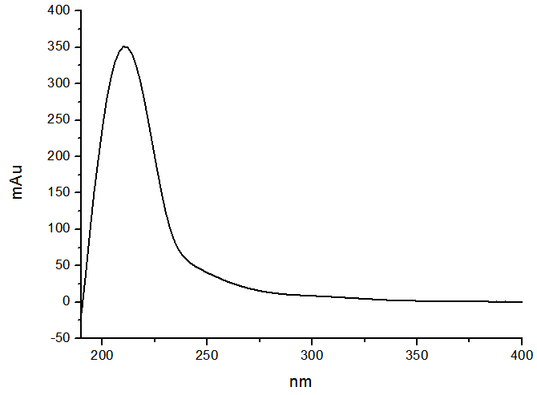
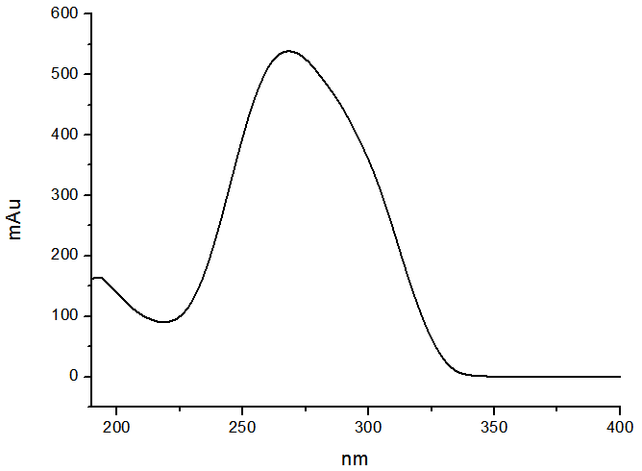
Type1 | Type2 | Type3 | Type4 | Type5 | Type6 | Type7 | Type8 | Type9 | Type10 | Type11 | Type12 | Type13 | Type15 | Type17 | Type18 | Type19 | Type21 | Caffeine
223.7 | 208 | 204 | 204 | 202 | 202 | 207.5 | 200.2 | 210 | 268 | 266 | 210 | 204 | 242 | 198 | 194 | 196 | 208 | 208
 |  | 288 | 288 |  | 272 | 275.5 | 270.5 |  |  |  |  | 264 |  |  |  |  | 250 | 274
 |  |  |  |  |  |  |  |  |  |  |  |  |  |  |  |  | 288

