原始工單
Yillang - AI Technology Department Mixing and Stacking Work Order
order | name | ai_order | date | QR-Code
1 | box_data_1 | 7A 20 29 35 22 26 35 16A 33 16A 20 13 9 18A | 2023/09/25 13:12 | 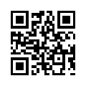
2 | box_data_2 | 22 35 29 22 16A 35 26 33 18A 9 20 22 13 20 16A 13 7A 9 16A 22 18A 33 | 2023/09/25 20:00 | 

