原始工單
Yillang - AI Technology Department Mixing and Stacking Work Order
order | name | ai_order | date | QR-Code
1 | qrcode_upload_1 | asd | 2023/09/27 10:06 | 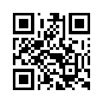
2 | qrcode_upload_2 | asd | 2023/09/27 10:06 | 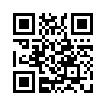
3 | qrcode_upload_3 | asd | 2023/09/27 10:07 | 