原始工單
Yillang - AI Technology Department Mixing and Stacking Work Order
order | name | ai_order | date | QR-Code
1 | csv_uplaod_1 | asd | 2023/09/27 10:54 | 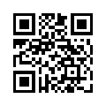
2 | csv_uplaod_2 | asd | 2023/09/27 10:54 | 