Project1
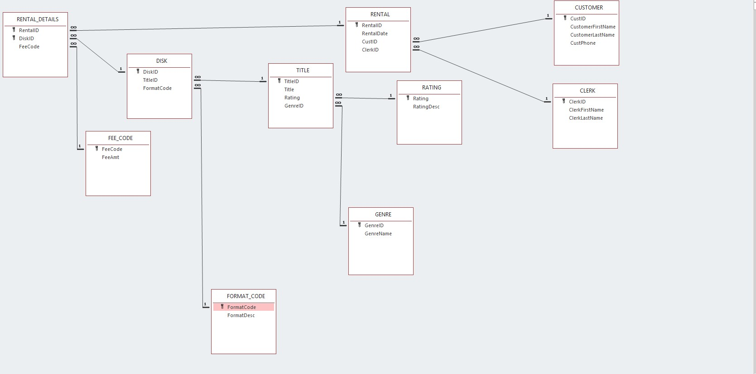
RentalID | RentalDate | CustID | CustFName | CustLName | CustPhone | ClerkID | ClerkFName | ClerkLName | DiskID | TitleID | Title | Rating | RatingDesc | GenreID | GenreName | FormatCode | FormatDesc | FeeCode | FeeAmt
1 | 2017-09-02 | 23 | Jean | Mackey | 972-555-1143 | 15 | Mary | Jones | 215 | 92 | Hacksaw Ridge | R | Restricted Under 17 | AC | Action | D | DVD | A | $3.00
1 | 2017-09-02 | 23 | Jean | Mackey | 972-555-1143 | 15 | Mary | Jones | 191 | 76 | Avengers: Infinity War | PG-13 | Inappropriate Under 13 | AC | Action | D | DVD | B | $2.00
2 | 2017-09-02 | 102 | Jack | Hughes | 214-555-2014 | 15 | Mary | Jones | 259 | 119 | Insurgent | PG-13 | Inappropriate Under 13 | AC | Action | B | BLU-RAY | A | $3.00
3 | 2017-09-02 | 154 | Alicia | Moore | 817-555-1919 | 21 | Mark | White | 89 | 12 | Casa Blanca | PG | Parental Guidance | CL | Classics | D | DVD | B | $2.00
3 | 2017-09-02 | 154 | Alicia | Moore | 817-555-1919 | 21 | Mark | White | 96 | 29 | Despicable Me 2 | PG | Parental Guidance | FM | Family | D | DVD | B | $2.00
3 | 2017-09-02 | 154 | Alicia | Moore | 817-555-1919 | 21 | Mark | White | 152 | 42 | Frozen | PG | Parental Guidance | FM | Family | D | DVD | B | $2.00
4 | 2017-09-03 | 83 | Carrie | Brown |  | 30 | Renee | Smith | 86 | 58 | The Specialist | R | Restricted Under 17 | AC | Action | B | BLU-RAY | A | $3.00
5 | 2017-09-03 | 23 | Jean | Mackey | 972-555-1143 | 15 | Mary | Jones | 260 | 119 | Insurgent | PG-13 | Inappropriate Under 13 | AC | Action | D | DVD | A | $3.00
6 | 2017-09-04 | 83 | Carrie | Brown |  | 12 | Tim | Shore | 301 | 230 | Lone Survivor | R | Restricted Under 17 | AC | Action | B | BLU-RAY | A | $3.00
7 | 2017-09-04 | 154 | Alicia | Moore | 817-555-1919 | 15 | Mary | Jones | 376 | 245 | Moana | PG | Parental Guidance | FM | Family | B | BLU-RAY | A | $3.00
7 | 2017-09-04 | 154 | Alicia | Moore | 817-555-1919 | 15 | Mary | Jones | 153 | 42 | Frozen | PG | Parental Guidance | FM | Family | D | DVD | B | $2.00
8 | 2017-09-05 | 53 | Ashleigh | Hayes | 972-555-0628 | 12 | Tim | Shore | 202 | 159 | Boss Baby | PG | Parental Guidance | FM | Family | D | DVD | B | $2.00
8 | 2017-09-05 | 53 | Ashleigh | Hayes | 972-555-0628 | 12 | Tim | Shore | 402 | 240 | It | R | Restricted Under 17 | HR | Horror | B | BLU-RAY | A | $3.00
9 | 2017-09-05 | 68 | Anthony | Smith |  | 15 | Mary | Jones | 381 | 218 | Gone With The Wind | PG | Parental Guidance | CL | Classics | D | DVD | A | $3.00
9 | 2017-09-05 | 68 | Anthony | Smith |  | 15 | Mary | Jones | 216 | 92 | Hacksaw Ridge | R | Restricted Under 17 | AC | Action | B | BLU-RAY | A | $3.00
10 | 2017-09-05 | 23 | Jean | Mackey | 972-555-1143 | 21 | Mark | White | 203 | 159 | Boss Baby | PG | Parental Guidance | FM | Family | D | DVD | B | $2.00
10 | 2017-09-05 | 23 | Jean | Mackey | 972-555-1143 | 21 | Mark | White | 97 | 29 | Despicable Me 2 | PG | Parental Guidance | FM | Family | D | DVD | A | $3.00
11 | 2017-09-05 | 72 | Shane | Wesley | 817-555-0112 | 42 | Nicole | Walker | 376 | 245 | Moana | PG | Parental Guidance | FM | Family | B | BLU-RAY | B | $2.00
11 | 2017-09-05 | 72 | Shane | Wesley | 817-555-0112 | 42 | Nicole | Walker | 421 | 296 | The Hurt Locker | R | Restricted Under 17 | AC | Action | D | DVD | A | $3.00
11 | 2017-09-05 | 72 | Shane | Wesley | 817-555-0112 | 42 | Nicole | Walker | 299 | 35 | Minions | PG | Parental Guidance | FM | Family | D | DVD | A | $3.00

Primary Key: |  | RentalID + DiskID

1C. Table Structure Format for 1st Normal Form:
RENTAL_DETAIL(RentalID, DiskID, RentalDate, CustID, CustFName, CustLName, CustPhone, ClerkID, ClerkFName, ClerkLName, TitleID, Title, Rating, RatingDesc, GenreID, GenreName, FormatCode, FormatDesc, FeeCode, FeeAmt)

2a. Table Structure Format for 2nd Normal Form:
RENTAL(RentalID, RentalDate, CustID, CustFName, CustLName, CustPhone, ClerkID, ClerkFName, ClerkLName)
DISC(DiskID, TitleID, Title, Rating, RatingDesc, GenreID, GenreName, FormatCode, FormatDesc)
RENTAL_DETAIL(RentalID, DiskID, FeeCode, FeeAmt)

3a. Table Stucture Format for 3rd Normal Form:
RENTAL_DETAIL(RentalID, DiskID, FeeCode)
RENTAL(RentalID, RentalDate, CustID, ClerkID)
CUSTOMER(CustID, CustFName, CustLName, CustPhone)
CLERK(ClerkID, ClerkFName, ClerkLName)
DISK(DiskID, TitleID, FormatCode)
TITLE(TitleID, Title, Rating, GenreID)
RATING(Rating, RatingDesc)
GENRE(GenreID, GenreName)
FORMAT_CODE(FormatCode, FormatDesc)
FEE_CODE(FeeCode, FeeAmt)

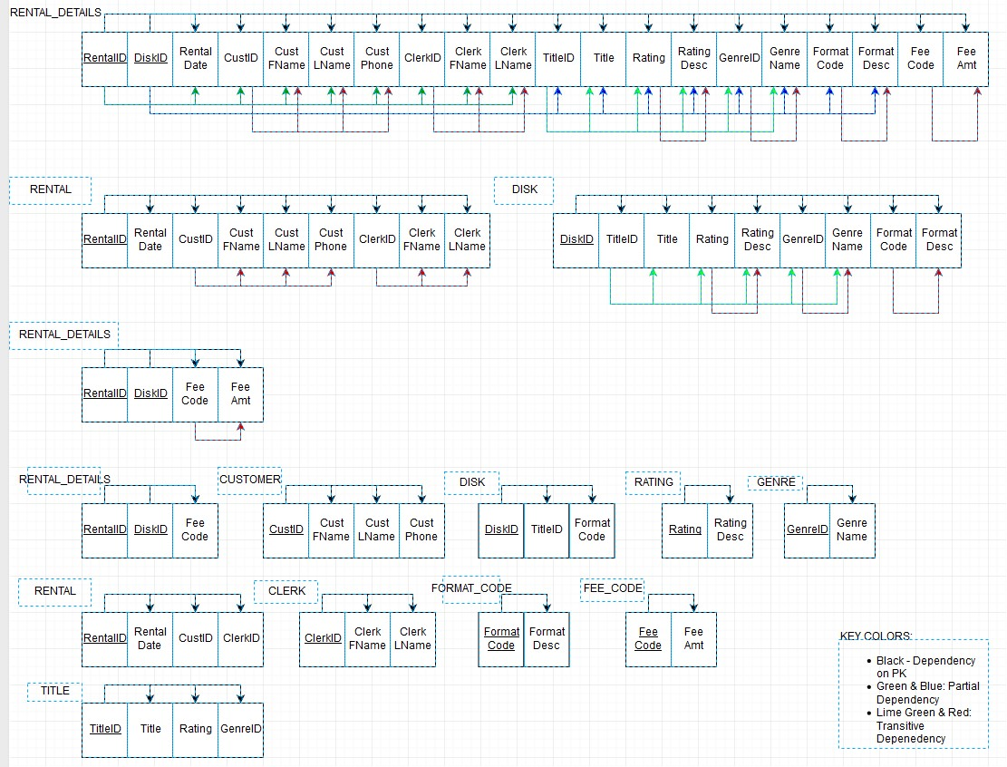
1d. 1NF Dependency Diagram

2b. 2NF Dependency Diagram

3b. 3NF Dependency Diagram

4a. Chen Notation
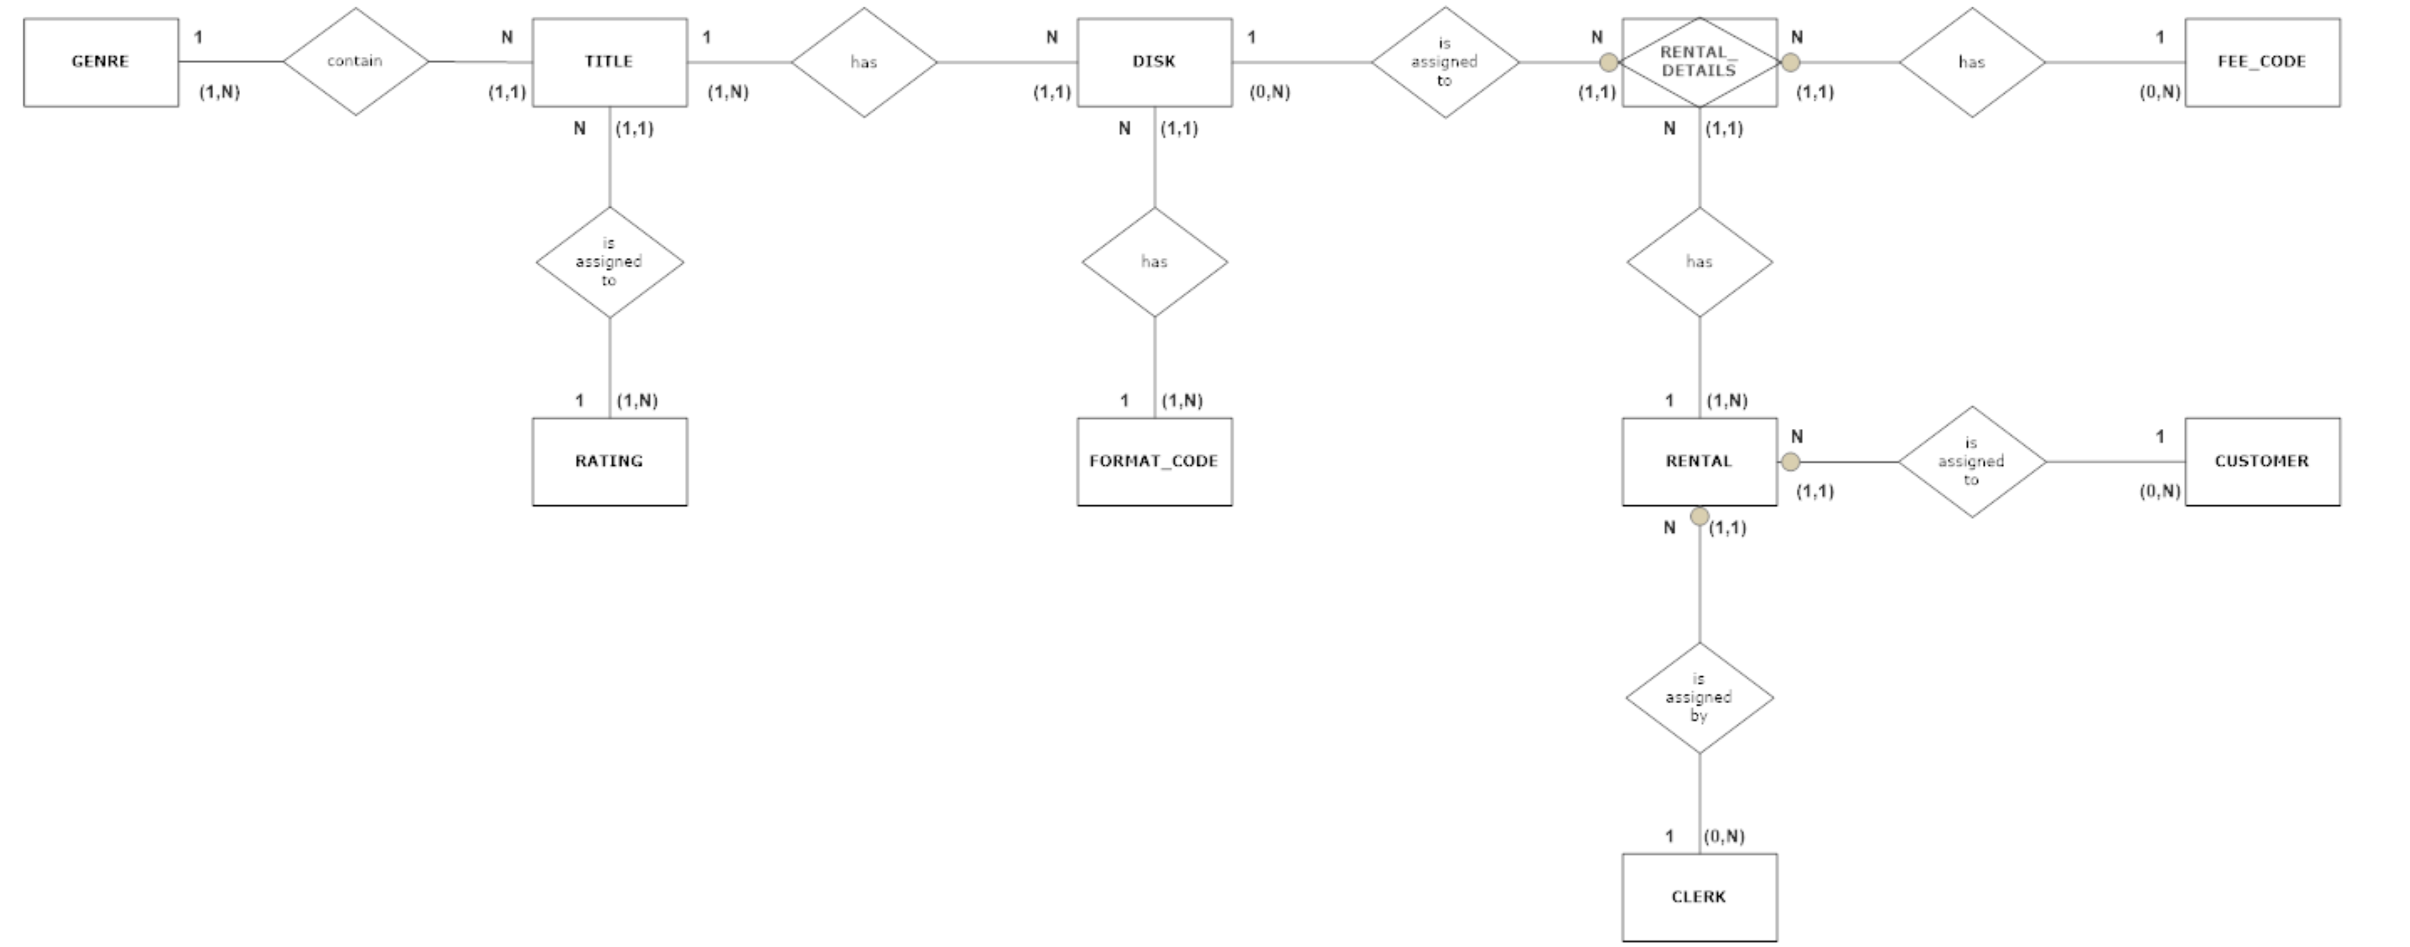

4b. Relationship Schema

