UserGuide
#REF! |  |  |  | 0.9v库： |  |  |  |  |  |  |  |  |  |  |  |  |  |  |  |  |  | 0.9v库：
 |  |  |  | EMA和assist相关port赋值情况 |  |  |  |  |  |  |  |  |  |  |  |  |  |  |  |  |  | mem_ctrl默认值
 |  |  |  | SROM |  |  | SPRAM(regfile) |  |  | SPRAM(sram) |  |  | SPRAM(sram) |  |  | TPRAM |  |  | DPRAM |  |  | Suggested Device | mem类型 | mem_tcrl默认值
 |  |  |  | TS83CF000 | rom_via_hdd_svt_mvt |  | TS83CD001 | rf_sp_hde_svt_mvt |  | TS83CA001 | sram_sp_hde_shvt_mvt |  | TS83CA003 | sram_sp_hde_svt_mvt |  | TS83CC000 | rf_2p_hdc_svt_mvt |  | TS83CB001 | sram_dp_hde_shvt_svt |  | 1_1 | srom(rom_via_hdd_svt_mvt) | 0x0000_000A
 |  |  |  | mem_ctrl端口 | 端口名称 | 赋值 | mem_ctrl端口 | 端口名称 | 赋值 | mem_ctrl端口 | 端口名称 | 赋值 | mem_ctrl端口 | 端口名称 | 赋值 | mem_ctrl端口 | 端口名称 | 赋值 | mem_ctrl端口 | 端口名称 | 赋值 | 2_2 | spram(regfile)(rf_sp_hde_svt_mvt) | 0x0000_000B
RVT/30-35-40 | 时钟频率小于500MHZ |  |  | mem_ctrl[2:0] | EMA[2:0] | 3'b010 | mem_ctrl[2:0] | EMA[2:0] | 3'b011 | mem_ctrl[2:0] | EMA[2:0] | 3'b010 | mem_ctrl[2:0] | EMA[2:0] | 3'b011 | mem_ctrl[2:0] | EMAA[2:0] | 3'b001 | mem_ctrl[2:0] | EMAA[2:0] | 3'b011 | 3_1 | spram(sram)(sram_sp_hde_shvt_mvt) | 0x0000_0202
LVT_RVT/30_35_40 | 时钟频率大于500MHZ |  |  | mem_ctrl[3] | KEN | 1'b1 | mem_ctrl[4:3] | EMAW[1:0] | 2'b01 | mem_ctrl[4:3] | EMAW[1:0] | 2'b00 | mem_ctrl[4:3] | EMAW[1:0] | 2'b00 | mem_ctrl[5:3] | EMAB[2:0] | 3'b010 | mem_ctrl[5:3] | EMAB[2:0] | 3'b011 | 3_2 | spram(sram)(sram_sp_hde_svt_mvt) | 0x0000_0003
HVT_RVT/30_35_40 | 可不用 |  |  |  |  |  | mem_ctrl[5] | EMAS | 1'b0 | mem_ctrl[5] | EMAS | 1'b0 | mem_ctrl[5] | EMAS | 1'b0 | mem_ctrl[6] | EMASA | 1'b0 | mem_ctrl[6] | EMAS | 1'b0 | 5_2 | tpram(rf_2p_hdc_svt_mvt) | 0x0000_0011
 |  |  |  |  |  |  | mem_ctrl[6] | RAWL | 1'b0 | mem_ctrl[6] | RAWL | 1'b0 | mem_ctrl[6] | RAWL | 1'b0 |  |  |  | mem_ctrl[8:7] | EMAWA[1:0] | 2'b10 | 6_1 | dpram(sram_dp_hde_shvt_svt) | 0x0000_0D1B
 |  |  |  |  |  |  | mem_ctrl[8:7] | RAWLM[1:0] | 2'b00 | mem_ctrl[8:7] | RAWLM[1:0] | 2'b00 | mem_ctrl[8:7] | RAWLM[1:0] | 2'b00 |  |  |  | mem_ctrl[10:9] | EMAWB[1:0] | 2'b10
spram | 单口ram |  |  |  |  |  | mem_ctrl[9] | WABL | 1'b0 | mem_ctrl[9] | WABL | 1'b1 | mem_ctrl[9] | WABL | 1'b0 |  |  |  | mem_ctrl[11] | WABL | 1'b1
tpram(synchronous) | 伪双口ram，同步 |  |  |  |  |  | mem_ctrl[11:10] | WABLM[1:0] | 2'b00 | mem_ctrl[12:10] | WABLM[2:0] | 3'b000 | mem_ctrl[11:10] | WABLM[1:0] | 2'b00 |  |  |  | mem_ctrl[13:12] | WABLM[1:0] | 2'b00
tpram(asynchronous) | 伪双口ram，异步
dpram | 真双口ram |  |  | 0.8v库： |  |  |  |  |  |  |  |  |  |  |  |  |  |  |  |  |  | 0.8v库：
rom | rom |  |  | EMA和assist相关port赋值情况 |  |  |  |  |  |  |  |  |  |  |  |  |  |  |  |  |  | mem_ctrl默认值
sfifo(synchronous) | 同步fifo |  |  | SROM |  |  | SPRAM(regfile) |  |  | SPRAM(sram) |  |  | SPRAM(sram) |  |  | TPRAM |  |  | DPRAM |  |  | Suggested Device | mem类型 | mem_tcrl默认值
asfifo(asynchronous) | 异步fifo |  |  | TS83CF000 | rom_via_hdd_svt_mvt |  | TS83CD001 | rf_sp_hde_svt_mvt |  | TS83CA001 | sram_sp_hde_shvt_mvt |  | TS83CA003 | sram_sp_hde_svt_mvt |  | TS83CC000 | rf_2p_hdc_svt_mvt |  | TS83CB001 | sram_dp_hde_shvt_svt |  | 1_1 | srom(rom_via_hdd_svt_mvt) | 0x0000_000B
 |  |  |  | mem_ctrl端口 | 端口名称 | 赋值 | mem_ctrl端口 | 端口名称 | 赋值 | mem_ctrl端口 | 端口名称 | 赋值 | mem_ctrl端口 | 端口名称 | 赋值 | mem_ctrl端口 | 端口名称 | 赋值 | mem_ctrl端口 | 端口名称 | 赋值 | 2_2 | spram(regfile)(rf_sp_hde_svt_mvt) | 0x0000_060C
 |  |  |  | mem_ctrl[2:0] | EMA[2:0] | 3'b011 | mem_ctrl[2:0] | EMA[2:0] | 3'b100 | mem_ctrl[2:0] | EMA[2:0] | 3'b100 | mem_ctrl[2:0] | EMA[2:0] | 3'b100 | mem_ctrl[2:0] | EMAA[2:0] | 3'b011 | mem_ctrl[2:0] | EMAA[2:0] | 3'b100 | 3_1 | spram(sram)(sram_sp_hde_shvt_mvt) | 0x0000_0604
 |  |  |  | mem_ctrl[3] | KEN | 1'b1 | mem_ctrl[4:3] | EMAW[1:0] | 2'b01 | mem_ctrl[4:3] | EMAW[1:0] | 2'b00 | mem_ctrl[4:3] | EMAW[1:0] | 2'b01 | mem_ctrl[5:3] | EMAB[2:0] | 3'b100 | mem_ctrl[5:3] | EMAB[2:0] | 3'b100 | 3_2 | spram(sram)(sram_sp_hde_svt_mvt) | 0x0000_020C
 |  |  |  |  |  |  | mem_ctrl[5] | EMAS | 1'b0 | mem_ctrl[5] | EMAS | 1'b0 | mem_ctrl[5] | EMAS | 1'b0 | mem_ctrl[6] | EMASA | 1'b0 | mem_ctrl[6] | EMAS | 1'b0 | 5_2 | tpram(rf_2p_hdc_svt_mvt) | 0x0000_0023
 |  |  |  |  |  |  | mem_ctrl[6] | RAWL | 1'b0 | mem_ctrl[6] | RAWL | 1'b0 | mem_ctrl[6] | RAWL | 1'b0 |  |  |  | mem_ctrl[8:7] | EMAWA[1:0] | 2'b10 | 6_1 | dpram(sram_dp_hde_shvt_svt) | 0x0000_3D24
 |  |  |  |  |  |  | mem_ctrl[8:7] | RAWLM[1:0] | 2'b00 | mem_ctrl[8:7] | RAWLM[1:0] | 2'b00 | mem_ctrl[8:7] | RAWLM[1:0] | 2'b00 |  |  |  | mem_ctrl[10:9] | EMAWB[1:0] | 2'b10
 |  |  |  |  |  |  | mem_ctrl[9] | WABL | 1'b1 | mem_ctrl[9] | WABL | 1'b1 | mem_ctrl[9] | WABL | 1'b1 |  |  |  | mem_ctrl[11] | WABL | 1'b1
 |  |  |  |  |  |  | mem_ctrl[11:10] | WABLM[1:0] | 2'b01 | mem_ctrl[12:10] | WABLM[2:0] | 3'b001 | mem_ctrl[11:10] | WABLM[1:0] | 2'b00 |  |  |  | mem_ctrl[13:12] | WABLM[1:0] | 2'b11

 |  |  |  | 注：红色标记的memory port须在sdc中使用set_case_analysis固定住值

default option |  | Memory规格约束
write-through off; redundancy off ; BIST muxes off; SER NONE; Vmin assist on; Back biasing off; retention on; extra margin adjustment on; single domain only off; bit blast off; advanced test features off; |  | 对于srom(1_1): |  | bank默认为1 |  |  |  |  |  |  |  |  |  |  |  |  |  |  |  |  |  |  |  | Memory规格约束
 |  | 对于spram(regfile 2_2)： |  | bank默认为1 |  |  |  |  |  |  |  |  |  |  |  |  |  |  |  |  |  |  |  | 对于srom: | bank默认为1
 |  | 对于spram(sram 3_2)： | 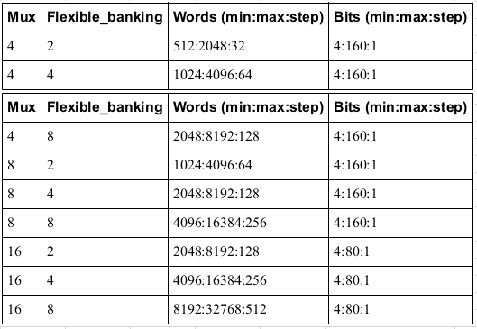 |  |  |  |  |  |  |  |  |  |  |  |  |  |  |  |  |  |  |  |  | 对于spram(regfile)： | bank默认为1
 |  | 对于tpram/asfifo/sfifo(5_2)： | 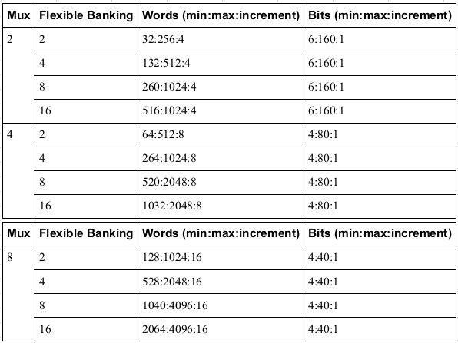 |  |  |  |  |  |  |  |  |  |  |  |  |  |  |  |  |  |  |  |  | 对于spram(sram)：
 |  |  |  |  |  |  |  |  |  |  |  |  |  |  |  |  |  |  |  |  |  |  |  | 对于tpram/asfifo/sfifo：

clockgating
为内部时钟门控
除以下两种情况均推荐开启：
1.外部已做时钟门控逻辑
2.需要做深睡的memory

