Test summary report
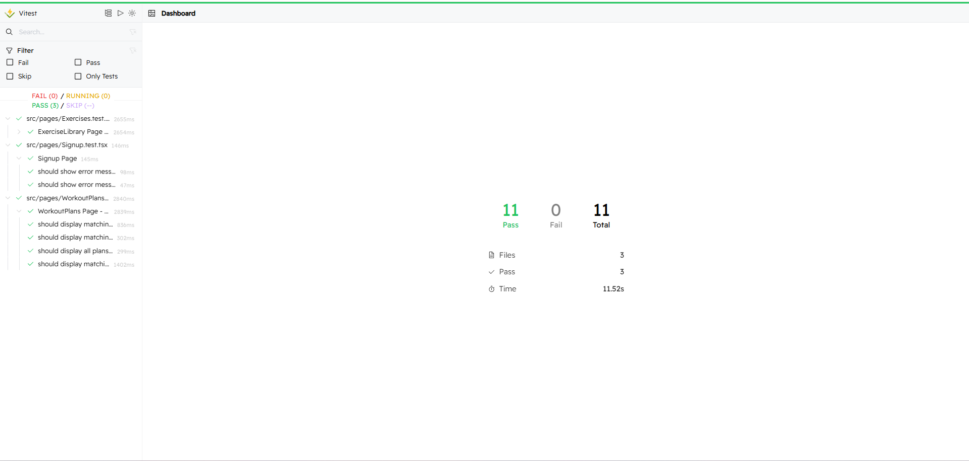
Tester | VTThiện
Date | 2018-12-31

Number of functions be automated tested: 3
Number of test cases: 11

 |  | Pass | Fail | Total test cases
Function 01: Filter exercises in exercise library |  | 5 | 0 | 5
Function 02: Search workout plans in workout plan library |  | 4 | 0 | 4
Function 03: Sign up |  | 2 | 0 | 2
 |  | 11 | 0 | 11

