Sheet1
Fill all blanks and show to teacher at the end of labs
Put here your 3.2 function code:
void delay_us(uint32_t period) {
__HAL_TIM_SET_COUNTER(&htim5, 0);
while (__HAL_TIM_GET_COUNTER(&htim5) < period) {
}
}
3.2
Measured delay (ms) | 1000.4
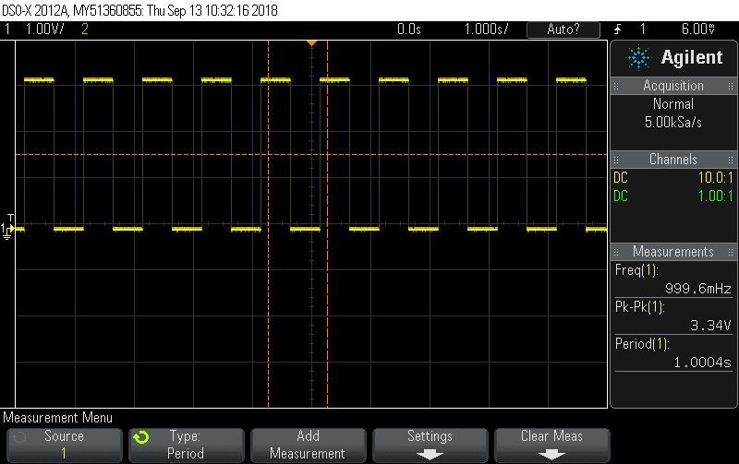
3.3
Measured delay (µs) | 20.579
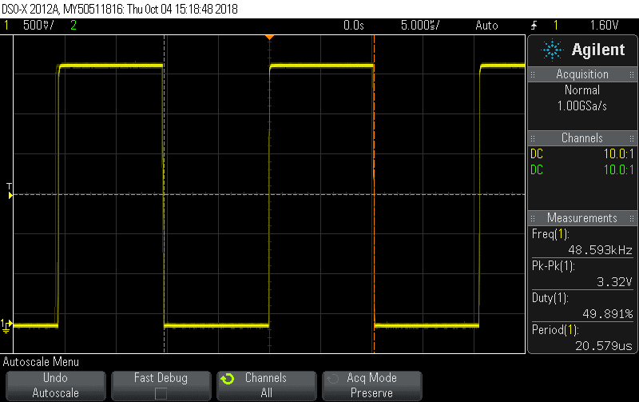
3.4.1
Calculate resistor R2 (Ω) | 10

3.4.2
Oscilloscope screen with ECHO and Trigger
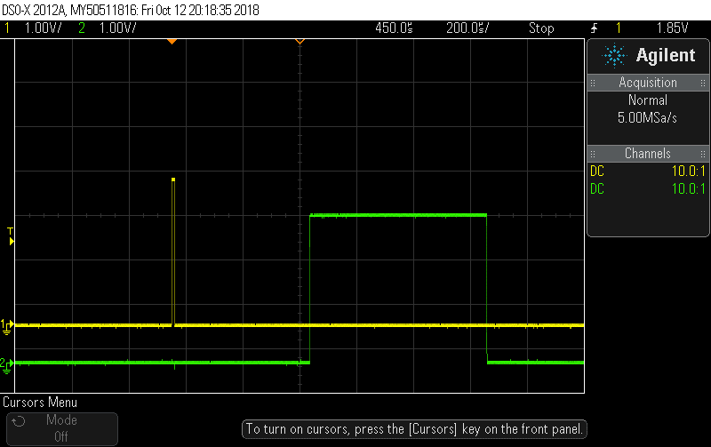
Calculated distance resolution | 0.17 mm

Sheet2
Submit last code here:
/**
******************************************************************************
* @file : main.c
* @brief : Main program body
******************************************************************************
** This notice applies to any and all portions of this file
* that are not between comment pairs USER CODE BEGIN and
* USER CODE END. Other portions of this file, whether
* inserted by the user or by software development tools
* are owned by their respective copyright owners.
*
* COPYRIGHT(c) 2018 STMicroelectronics
*
* Redistribution and use in source and binary forms, with or without modification,
* are permitted provided that the following conditions are met:
* 1. Redistributions of source code must retain the above copyright notice,
* this list of conditions and the following disclaimer.
* 2. Redistributions in binary form must reproduce the above copyright notice,
* this list of conditions and the following disclaimer in the documentation
* and/or other materials provided with the distribution.
* 3. Neither the name of STMicroelectronics nor the names of its contributors
* may be used to endorse or promote products derived from this software
* without specific prior written permission.
*
* THIS SOFTWARE IS PROVIDED BY THE COPYRIGHT HOLDERS AND CONTRIBUTORS "AS IS"
* AND ANY EXPRESS OR IMPLIED WARRANTIES, INCLUDING, BUT NOT LIMITED TO, THE
* IMPLIED WARRANTIES OF MERCHANTABILITY AND FITNESS FOR A PARTICULAR PURPOSE ARE
* DISCLAIMED. IN NO EVENT SHALL THE COPYRIGHT HOLDER OR CONTRIBUTORS BE LIABLE
* FOR ANY DIRECT, INDIRECT, INCIDENTAL, SPECIAL, EXEMPLARY, OR CONSEQUENTIAL
* DAMAGES (INCLUDING, BUT NOT LIMITED TO, PROCUREMENT OF SUBSTITUTE GOODS OR
* SERVICES; LOSS OF USE, DATA, OR PROFITS; OR BUSINESS INTERRUPTION) HOWEVER
* CAUSED AND ON ANY THEORY OF LIABILITY, WHETHER IN CONTRACT, STRICT LIABILITY,
* OR TORT (INCLUDING NEGLIGENCE OR OTHERWISE) ARISING IN ANY WAY OUT OF THE USE
* OF THIS SOFTWARE, EVEN IF ADVISED OF THE POSSIBILITY OF SUCH DAMAGE.
*
******************************************************************************
*/
/* Includes ------------------------------------------------------------------*/
#include "main.h"
#include "stm32l1xx_hal.h"
#include "stdio.h"
#include "string.h"
#include "math.h"
/* USER CODE BEGIN Includes */
/* USER CODE END Includes */
/* Private variables ---------------------------------------------------------*/
TIM_HandleTypeDef htim2;
TIM_HandleTypeDef htim5;
UART_HandleTypeDef huart2;
const uint32_t timeout = 1000;
extern uint32_t flag, ack;
/* USER CODE BEGIN PV */
/* Private variables ---------------------------------------------------------*/
/* USER CODE END PV */
/* Private function prototypes -----------------------------------------------*/
void SystemClock_Config(void);
static void MX_GPIO_Init(void);
static void MX_USART2_UART_Init(void);
static void MX_TIM2_Init(void);
static void MX_TIM5_Init(void);
/* USER CODE BEGIN PFP */
/* Private function prototypes -----------------------------------------------*/
void delay_us(uint32_t);
void delay_ms(uint32_t);
/* USER CODE END PFP */
/* USER CODE BEGIN 0 */
/* USER CODE END 0 */
/**
* @brief The application entry point.
*
* @retval None
*/
int main(void) {
/* USER CODE BEGIN 1 */
/* USER CODE END 1 */
/* MCU Configuration----------------------------------------------------------*/
/* Reset of all peripherals, Initializes the Flash interface and the Systick. */
HAL_Init();
/* USER CODE BEGIN Init */
/* USER CODE END Init */
/* Configure the system clock */
SystemClock_Config();
/* USER CODE BEGIN SysInit */
/* USER CODE END SysInit */
/* Initialize all configured peripherals */
MX_GPIO_Init();
MX_USART2_UART_Init();
MX_TIM2_Init();
MX_TIM5_Init();
/* USER CODE BEGIN 2 */
/* USER CODE END 2 */
/* Infinite loop */
/* USER CODE BEGIN WHILE */
HAL_TIM_Base_Start(&htim2);
HAL_TIM_Base_Start(&htim5);
while (1) {
flag = 1;
ack = 1;
HAL_GPIO_WritePin(GPIOA, GPIO_PIN_7, GPIO_PIN_SET);
delay_us(10);
HAL_GPIO_WritePin(GPIOA, GPIO_PIN_7, GPIO_PIN_RESET);
while (ack) {
delay_ms(timeout);
}
/* USER CODE END WHILE */
/* USER CODE BEGIN 3 */
}
/* USER CODE END 3 */
}
/**
* @brief System Clock Configuration
* @retval None
*/
void SystemClock_Config(void) {
RCC_OscInitTypeDef RCC_OscInitStruct;
RCC_ClkInitTypeDef RCC_ClkInitStruct;
/**Configure the main internal regulator output voltage
*/
__HAL_PWR_VOLTAGESCALING_CONFIG(PWR_REGULATOR_VOLTAGE_SCALE1);
/**Initializes the CPU, AHB and APB busses clocks
*/
RCC_OscInitStruct.OscillatorType = RCC_OSCILLATORTYPE_HSI;
RCC_OscInitStruct.HSIState = RCC_HSI_ON;
RCC_OscInitStruct.HSICalibrationValue = 16;
RCC_OscInitStruct.PLL.PLLState = RCC_PLL_ON;
RCC_OscInitStruct.PLL.PLLSource = RCC_PLLSOURCE_HSI;
RCC_OscInitStruct.PLL.PLLMUL = RCC_PLL_MUL6;
RCC_OscInitStruct.PLL.PLLDIV = RCC_PLL_DIV3;
if (HAL_RCC_OscConfig(&RCC_OscInitStruct) != HAL_OK) {
_Error_Handler(__FILE__, __LINE__);
}
/**Initializes the CPU, AHB and APB busses clocks
*/
RCC_ClkInitStruct.ClockType = RCC_CLOCKTYPE_HCLK | RCC_CLOCKTYPE_SYSCLK
| RCC_CLOCKTYPE_PCLK1 | RCC_CLOCKTYPE_PCLK2;
RCC_ClkInitStruct.SYSCLKSource = RCC_SYSCLKSOURCE_PLLCLK;
RCC_ClkInitStruct.AHBCLKDivider = RCC_SYSCLK_DIV1;
RCC_ClkInitStruct.APB1CLKDivider = RCC_HCLK_DIV1;
RCC_ClkInitStruct.APB2CLKDivider = RCC_HCLK_DIV1;
if (HAL_RCC_ClockConfig(&RCC_ClkInitStruct, FLASH_LATENCY_1) != HAL_OK) {
_Error_Handler(__FILE__, __LINE__);
}
/**Configure the Systick interrupt time
*/
HAL_SYSTICK_Config(HAL_RCC_GetHCLKFreq() / 1000);
/**Configure the Systick
*/
HAL_SYSTICK_CLKSourceConfig(SYSTICK_CLKSOURCE_HCLK);
/* SysTick_IRQn interrupt configuration */
HAL_NVIC_SetPriority(SysTick_IRQn, 0, 0);
}
/* TIM2 init function */
static void MX_TIM2_Init(void) {
TIM_ClockConfigTypeDef sClockSourceConfig;
TIM_MasterConfigTypeDef sMasterConfig;
htim2.Instance = TIM2;
htim2.Init.Prescaler = 64000;
htim2.Init.CounterMode = TIM_COUNTERMODE_UP;
htim2.Init.Period = 65535;
htim2.Init.ClockDivision = TIM_CLOCKDIVISION_DIV1;
if (HAL_TIM_Base_Init(&htim2) != HAL_OK) {
_Error_Handler(__FILE__, __LINE__);
}
sClockSourceConfig.ClockSource = TIM_CLOCKSOURCE_INTERNAL;
if (HAL_TIM_ConfigClockSource(&htim2, &sClockSourceConfig) != HAL_OK) {
_Error_Handler(__FILE__, __LINE__);
}
sMasterConfig.MasterOutputTrigger = TIM_TRGO_RESET;
sMasterConfig.MasterSlaveMode = TIM_MASTERSLAVEMODE_DISABLE;
if (HAL_TIMEx_MasterConfigSynchronization(&htim2, &sMasterConfig)
!= HAL_OK) {
_Error_Handler(__FILE__, __LINE__);
}
}
/* TIM5 init function */
static void MX_TIM5_Init(void) {
TIM_ClockConfigTypeDef sClockSourceConfig;
TIM_MasterConfigTypeDef sMasterConfig;
htim5.Instance = TIM5;
htim5.Init.Prescaler = 32;
htim5.Init.CounterMode = TIM_COUNTERMODE_UP;
htim5.Init.Period = 0xffff;
htim5.Init.ClockDivision = TIM_CLOCKDIVISION_DIV1;
if (HAL_TIM_Base_Init(&htim5) != HAL_OK) {
_Error_Handler(__FILE__, __LINE__);
}
sClockSourceConfig.ClockSource = TIM_CLOCKSOURCE_INTERNAL;
if (HAL_TIM_ConfigClockSource(&htim5, &sClockSourceConfig) != HAL_OK) {
_Error_Handler(__FILE__, __LINE__);
}
sMasterConfig.MasterOutputTrigger = TIM_TRGO_RESET;
sMasterConfig.MasterSlaveMode = TIM_MASTERSLAVEMODE_DISABLE;
if (HAL_TIMEx_MasterConfigSynchronization(&htim5, &sMasterConfig)
!= HAL_OK) {
_Error_Handler(__FILE__, __LINE__);
}
}
/* USART2 init function */
static void MX_USART2_UART_Init(void) {
huart2.Instance = USART2;
huart2.Init.BaudRate = 115200;
huart2.Init.WordLength = UART_WORDLENGTH_8B;
huart2.Init.StopBits = UART_STOPBITS_1;
huart2.Init.Parity = UART_PARITY_NONE;
huart2.Init.Mode = UART_MODE_TX_RX;
huart2.Init.HwFlowCtl = UART_HWCONTROL_NONE;
huart2.Init.OverSampling = UART_OVERSAMPLING_16;
if (HAL_UART_Init(&huart2) != HAL_OK) {
_Error_Handler(__FILE__, __LINE__);
}
}
/** Configure pins as
* Analog
* Input
* Output
* EVENT_OUT
* EXTI
*/
static void MX_GPIO_Init(void) {
GPIO_InitTypeDef GPIO_InitStruct;
/* GPIO Ports Clock Enable */
__HAL_RCC_GPIOC_CLK_ENABLE()
;
__HAL_RCC_GPIOH_CLK_ENABLE()
;
__HAL_RCC_GPIOA_CLK_ENABLE()
;
__HAL_RCC_GPIOB_CLK_ENABLE()
;
/*Configure GPIO pin Output Level */
HAL_GPIO_WritePin(GPIOA, LD2_Pin | GPIO_PIN_7, GPIO_PIN_RESET);
/*Configure GPIO pin : B1_Pin */
GPIO_InitStruct.Pin = B1_Pin;
GPIO_InitStruct.Mode = GPIO_MODE_IT_RISING_FALLING;
GPIO_InitStruct.Pull = GPIO_NOPULL;
HAL_GPIO_Init(B1_GPIO_Port, &GPIO_InitStruct);
/*Configure GPIO pins : LD2_Pin PA7 */
GPIO_InitStruct.Pin = LD2_Pin | GPIO_PIN_7;
GPIO_InitStruct.Mode = GPIO_MODE_OUTPUT_PP;
GPIO_InitStruct.Pull = GPIO_NOPULL;
GPIO_InitStruct.Speed = GPIO_SPEED_FREQ_LOW;
HAL_GPIO_Init(GPIOA, &GPIO_InitStruct);
/*Configure GPIO pin : PA6 */
GPIO_InitStruct.Pin = GPIO_PIN_6;
GPIO_InitStruct.Mode = GPIO_MODE_IT_RISING_FALLING;
GPIO_InitStruct.Pull = GPIO_NOPULL;
HAL_GPIO_Init(GPIOA, &GPIO_InitStruct);
/* EXTI interrupt init*/
HAL_NVIC_SetPriority(EXTI9_5_IRQn, 0, 0);
HAL_NVIC_EnableIRQ(EXTI9_5_IRQn);
HAL_NVIC_SetPriority(EXTI15_10_IRQn, 0, 0);
HAL_NVIC_EnableIRQ(EXTI15_10_IRQn);
}
/* USER CODE BEGIN 4 */
void delay_us(uint32_t period) {
__HAL_TIM_SET_COUNTER(&htim5, 0);
while (__HAL_TIM_GET_COUNTER(&htim5) < period) {
}
}
void delay_ms(uint32_t period) {
uint32_t t = period / 2;
__HAL_TIM_SET_COUNTER(&htim2, 0);
while (__HAL_TIM_GET_COUNTER(&htim2) < t) {
}
}
/* USER CODE END 4 */
/**
* @brief This function is executed in case of error occurrence.
* @param file: The file name as string.
* @param line: The line in file as a number.
* @retval None
*/
void _Error_Handler(char *file, int line) {
/* USER CODE BEGIN Error_Handler_Debug */
/* User can add his own implementation to report the HAL error return state */
while (1) {
}
/* USER CODE END Error_Handler_Debug */
}
#ifdef USE_FULL_ASSERT
/**
* @brief Reports the name of the source file and the source line number
* where the assert_param error has occurred.
* @param file: pointer to the source file name
* @param line: assert_param error line source number
* @retval None
*/
void assert_failed(uint8_t* file, uint32_t line)
{
/* USER CODE BEGIN 6 */
/* User can add his own implementation to report the file name and line number,
tex: printf("Wrong parameters value: file %s on line %d\r\n", file, line) */
/* USER CODE END 6 */
}
#endif /* USE_FULL_ASSERT */
/**
* @}
*/
/**
* @}
*/
/************************ (C) COPYRIGHT STMicroelectronics *****END OF FILE****/
/**
******************************************************************************
* @file stm32l1xx_it.c
* @brief Interrupt Service Routines.
******************************************************************************
*
* COPYRIGHT(c) 2018 STMicroelectronics
*
* Redistribution and use in source and binary forms, with or without modification,
* are permitted provided that the following conditions are met:
* 1. Redistributions of source code must retain the above copyright notice,
* this list of conditions and the following disclaimer.
* 2. Redistributions in binary form must reproduce the above copyright notice,
* this list of conditions and the following disclaimer in the documentation
* and/or other materials provided with the distribution.
* 3. Neither the name of STMicroelectronics nor the names of its contributors
* may be used to endorse or promote products derived from this software
* without specific prior written permission.
*
* THIS SOFTWARE IS PROVIDED BY THE COPYRIGHT HOLDERS AND CONTRIBUTORS "AS IS"
* AND ANY EXPRESS OR IMPLIED WARRANTIES, INCLUDING, BUT NOT LIMITED TO, THE
* IMPLIED WARRANTIES OF MERCHANTABILITY AND FITNESS FOR A PARTICULAR PURPOSE ARE
* DISCLAIMED. IN NO EVENT SHALL THE COPYRIGHT HOLDER OR CONTRIBUTORS BE LIABLE
* FOR ANY DIRECT, INDIRECT, INCIDENTAL, SPECIAL, EXEMPLARY, OR CONSEQUENTIAL
* DAMAGES (INCLUDING, BUT NOT LIMITED TO, PROCUREMENT OF SUBSTITUTE GOODS OR
* SERVICES; LOSS OF USE, DATA, OR PROFITS; OR BUSINESS INTERRUPTION) HOWEVER
* CAUSED AND ON ANY THEORY OF LIABILITY, WHETHER IN CONTRACT, STRICT LIABILITY,
* OR TORT (INCLUDING NEGLIGENCE OR OTHERWISE) ARISING IN ANY WAY OUT OF THE USE
* OF THIS SOFTWARE, EVEN IF ADVISED OF THE POSSIBILITY OF SUCH DAMAGE.
*
******************************************************************************
*/
/* Includes ------------------------------------------------------------------*/
#include "stm32l1xx_hal.h"
#include "stm32l1xx.h"
#include "stm32l1xx_it.h"
/* USER CODE BEGIN 0 */
uint32_t flag, ack, tick;
double distance;
extern TIM_HandleTypeDef htim5;
extern UART_HandleTypeDef huart2;
void send_message(char* caption, double value, char* unit){
uint8_t data[40];
int upper, lower;
lower = trunc(value * 100);
upper = lower/100;
lower = abs(lower)%100;
if (lower > 9)
sprintf(data, "%s: %3d.%d %2s \n", caption, upper, lower, unit);
else
sprintf(data, "%s: %3d.0%d %2s \n", caption, upper, lower, unit);
HAL_GPIO_WritePin(LD2_GPIO_Port, LD2_Pin, GPIO_PIN_SET);
HAL_UART_Transmit(&huart2, data, (uint16_t) strlen(data), 100);
HAL_GPIO_WritePin(LD2_GPIO_Port, LD2_Pin, GPIO_PIN_RESET);
}
/* USER CODE END 0 */
/* External variables --------------------------------------------------------*/
/******************************************************************************/
/* Cortex-M3 Processor Interruption and Exception Handlers */
/******************************************************************************/
/**
* @brief This function handles System tick timer.
*/
void SysTick_Handler(void) {
/* USER CODE BEGIN SysTick_IRQn 0 */
/* USER CODE END SysTick_IRQn 0 */
HAL_IncTick();
HAL_SYSTICK_IRQHandler();
/* USER CODE BEGIN SysTick_IRQn 1 */
/* USER CODE END SysTick_IRQn 1 */
}
/******************************************************************************/
/* STM32L1xx Peripheral Interrupt Handlers */
/* Add here the Interrupt Handlers for the used peripherals. */
/* For the available peripheral interrupt handler names, */
/* please refer to the startup file (startup_stm32l1xx.s). */
/******************************************************************************/
/**
* @brief This function handles EXTI line[9:5] interrupts.
*/
void EXTI9_5_IRQHandler(void) {
/* USER CODE BEGIN EXTI9_5_IRQn 0 */
if (flag) {
__HAL_TIM_SET_COUNTER(&htim5, 0);
flag = 0;
} else {
ack = 0;
tick = __HAL_TIM_GET_COUNTER(&htim5);
distance = (double) tick / 58;
if (distance < 1000) {
send_message("Distance: ", distance, "cm");
} else {
HAL_GPIO_WritePin(LD2_GPIO_Port, LD2_Pin, GPIO_PIN_SET);
HAL_UART_Transmit(&huart2, "Echo timeout.\n", (uint16_t) strlen("Echo timeout.\n"), 100);
HAL_GPIO_WritePin(LD2_GPIO_Port, LD2_Pin, GPIO_PIN_RESET);
}
}
/* USER CODE END EXTI9_5_IRQn 0 */
HAL_GPIO_EXTI_IRQHandler(GPIO_PIN_6);
/* USER CODE BEGIN EXTI9_5_IRQn 1 */
/* USER CODE END EXTI9_5_IRQn 1 */
}
/**
* @brief This function handles EXTI line[15:10] interrupts.
*/
void EXTI15_10_IRQHandler(void) {
/* USER CODE BEGIN EXTI15_10_IRQn 0 */
HAL_GPIO_TogglePin(GPIOA, GPIO_PIN_5);
/* USER CODE END EXTI15_10_IRQn 0 */
HAL_GPIO_EXTI_IRQHandler(GPIO_PIN_13);
/* USER CODE BEGIN EXTI15_10_IRQn 1 */
/* USER CODE END EXTI15_10_IRQn 1 */
}
/* USER CODE BEGIN 1 */
/* USER CODE END 1 */
/************************ (C) COPYRIGHT STMicroelectronics *****END OF FILE****/

