CourseDetail
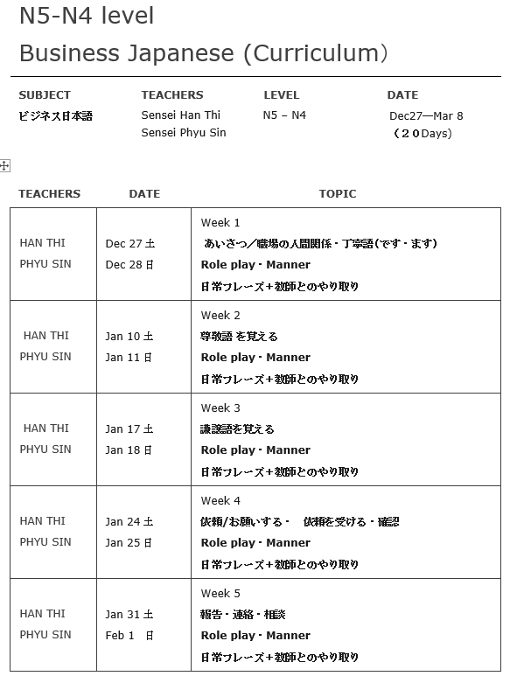
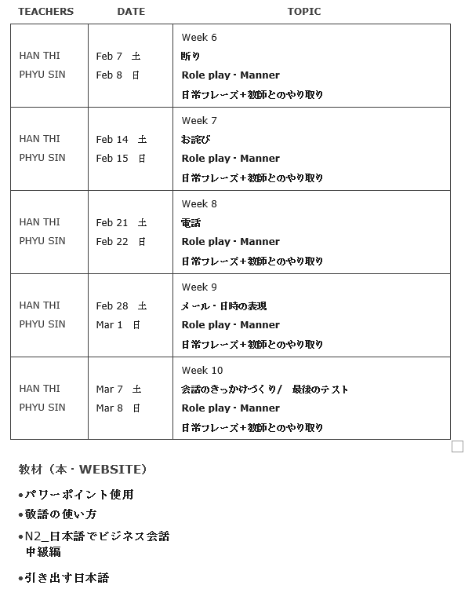
Business Conversation and Communication Batch-3 N2-N3 Level 8 students Sat 19:30-20:30 (MST) ,Sun 19:00-20:30 (MST) (2hrs per week) (Total: 20 hrs course)
Sr. | Date | Sensei | Topic (Japanese)
1 | Dec 27(Sat) | Phyu Sin | 自己紹介＋あいさつ
2 | Dec 28(Sun) | Yadana | ロールプレイ、マナー
3 | Jan 10(Sat) | Phyu Sin | わからない日本語を聞く＋表現・やり方を聞く
4 | Jan 11(Sun) | Yadana | ロールプレイ、マナー
5 | Jan 17(Sat) | Phyu Sin | 依頼＋お詫び
6 | Jan 18(Sun) | Yadana | ロールプレイ、マナー
7 | Jan 24(Sat) | Phyu Sin | 断り
8 | Jan 25(Sun) | Yadana | ロールプレイ、マナー
9 | Jan 31(Sat) | Phyu Sin | 敬語
10 | Feb 1(Sun) | Yadana | ロールプレイ、マナー
11 | Feb 7(Sat) | Phyu Sin | 連絡
12 | Feb 8(Sun) | Yadana | ロールプレイ、マナー
13 | Feb 14(Sat) | Phyu Sin | 報告する
14 | Feb 15(Sun) | Yadana | ロールプレイ、マナー
15 | Feb 21(Sat) | Phyu Sin | 訪問
16 | Feb 22(Sun) | Yadana | ロールプレイ、マナー
17 | Feb 28(Sat) | Phyu Sin | プレゼンテーションの表現
18 | Mar 1(Sun) | Yadana | ロールプレイ、マナー
19 | Mar 7(Sat) | Phyu Sin | 最終発表 I
20 | Mar 8(Sun) | Yadana | 最終発表 II
 | Total: 20 Days

