Course Information
[DAT] Staff Development Internal Improvement Training Program

Course No. | Course Name | Instructor | Duration (Hours) | No. of Sessions | Date | Time | Channel | Participants
Course No. 2. | Project Management Practices | Ko Kaung Wai Phyo | 15 Hours | 5 | 14th, 15th, 21st, 22nd February and 7th Mar 2026( 5 Days 15 Hrs Course) | 9:00AM~12:00PM | Onsite | 20
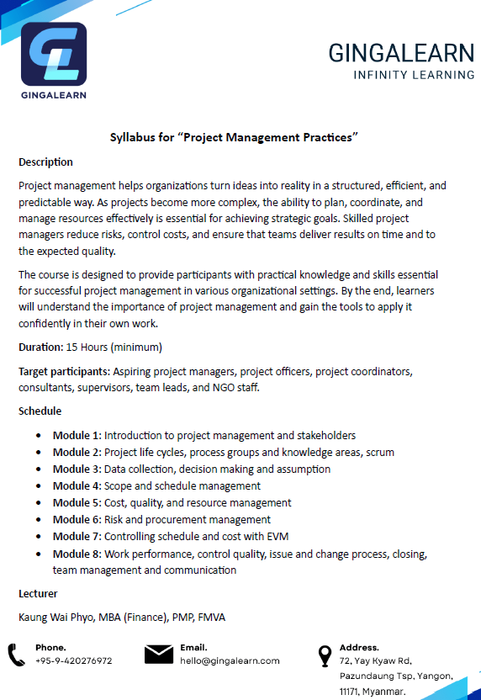
 |  |  |  | Course Detail: GL-DAT-PM1-20260211.pdf

