Approvalflow
Document type |  | Document title |  |  |  |  | Date |  |  |  |  | Author
Workflow |  | WorkFromHome Approval Workflow |  |  |  |  | Create : |  |  |  | 24-May-21 | Hein Thant Oo
 |  |  |  |  |  |  | Update : |  |  |  | 24-Jan-24 | Zun Thuzar Naing
 |  |  |  |  |  |  | Review : |  |  |  | 24-Jan-24 | Pwint Wai Hlaing
 |  | Project : |  | DAT Internal |  |  |  |  |  |  | Version | Ver 1.7

 | DAT
 | Requestor |  | Project Manager |  | Department Head | Division Head |  | CISO/Servicedesk | CEO | HR

START

Fill out
"DAT_WFH_Application Form.xls"
And take evident of WFH-PC's requirement confirmation.

1) Confirm VPN usage period.
2) Confirm AD account policy.
3)Confirm Work From Home PC requirements as checklist
4) Ledger update
add servicedesk/PM in CC
add Servicedesk/PM in CC
Submit Application Form and evident files to PM
Approve ?
Yes
Fill out Form and Request Approval to Dept head
Approve ?
YES
Fill out Form and Request Approval Form to Division head
Approve ?
Yes
Fill out Form and Request Approval Form to CISO

No
No
No

Yes
Receive Reject Information
Share Reject information to requestor
Share Reject information with comments
Share Reject information with comments
Modify ?

No

Service Desk
1) Update Security requirement.

Request Approval Form to CEO with updated ledger
Yes
Approve ?

No

add CISO/Servicedesk/PM in CC
Share Reject information with comments

send "Pre-shared Key" by email to DAT staffs who were registered in ledger

Inform to HR with CEO Aprroved Ledger
Confirm and Register in Attendence Ledger
END

{Capture Here}
MAC OS user
 | • | Type of Operating System

 |  |  | ⎾ |  | ⏋
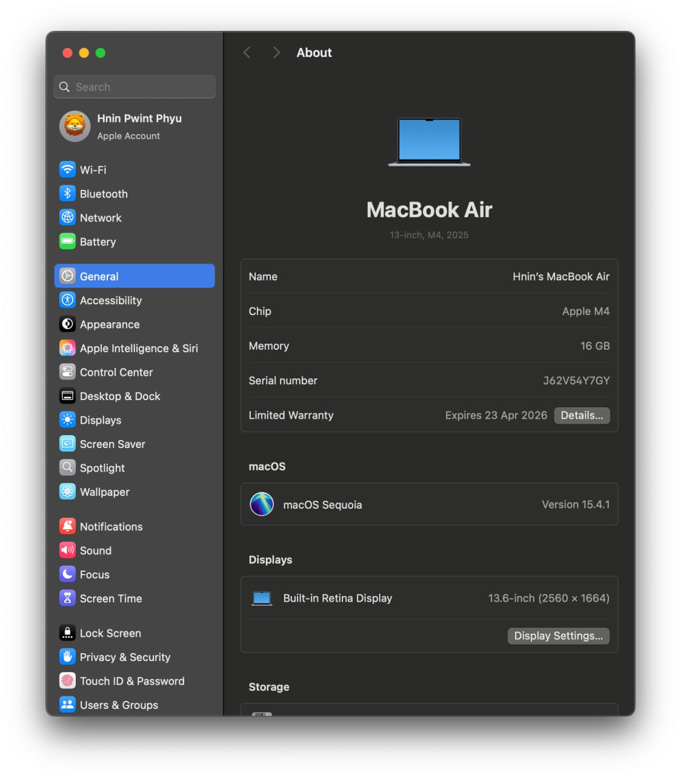

 |  |  | ⎿ |  | ⏌

 | • | MAC OS security patch update status
 | Procedure : |  |  | ➀ Apple Menu >> System Preferences>>Software Update

 |  |  | ⎾ |  | ⏋

 |  |  | ⎿ |  | ⏌

 | • | Antivirus software(built-in, open source antivirus or third party software)
 | Procedure : |  |  | ➀ Click the Apple menu > >About This Mac
 |  |  |  | ➁ Tap on System Report > Software > Installation.
 |  |  |  | ➂ Look for XProtectPlistConfigData.
 |  |  | ⎾ |  | ⏋


          

