f3_case_retrieval_services.py
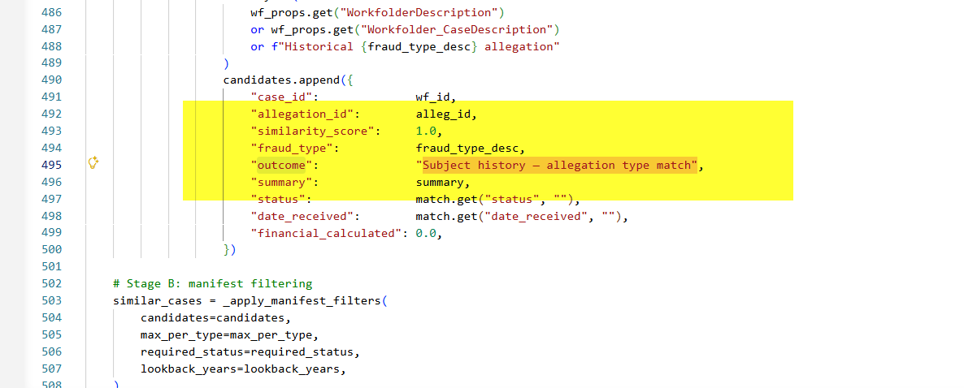

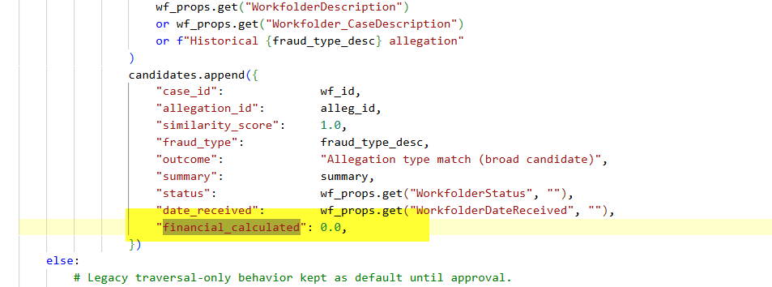

webhook.py
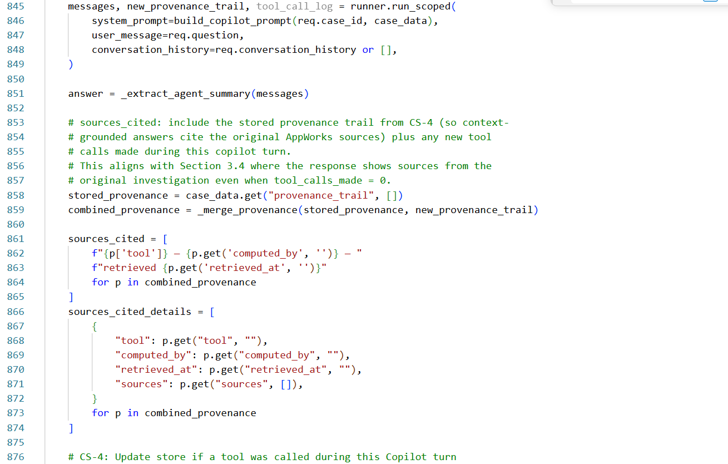

semantic_model.py
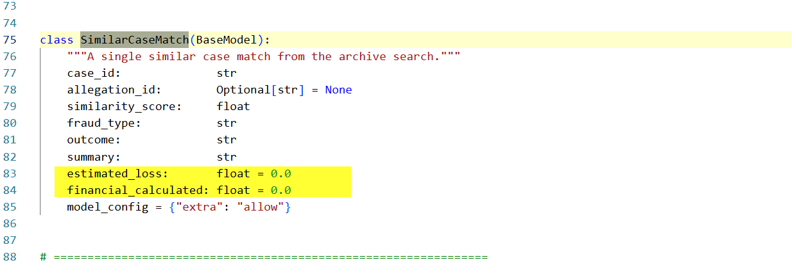

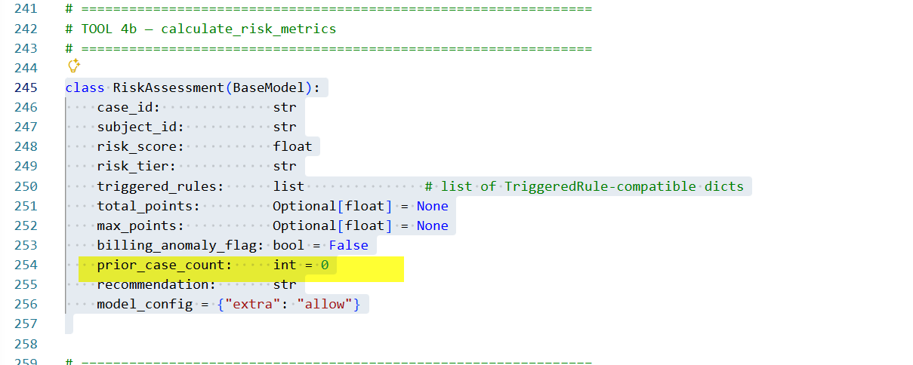

f4_risk_services.py
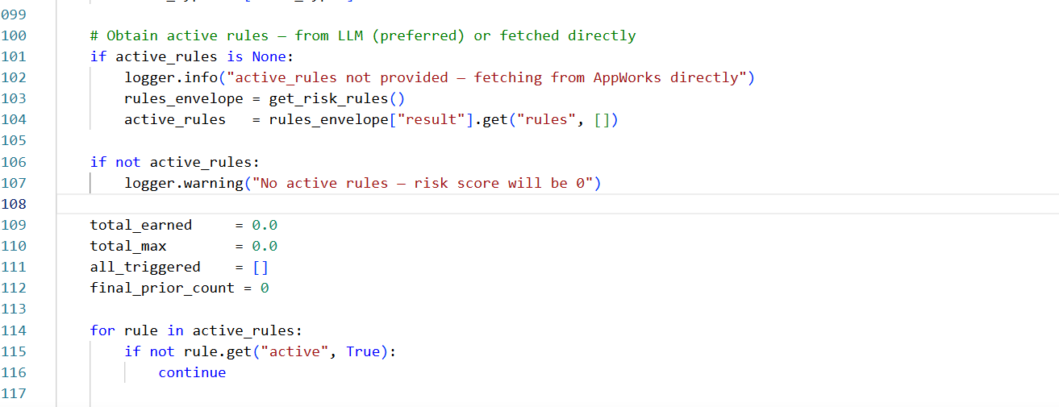

appwork_services.py
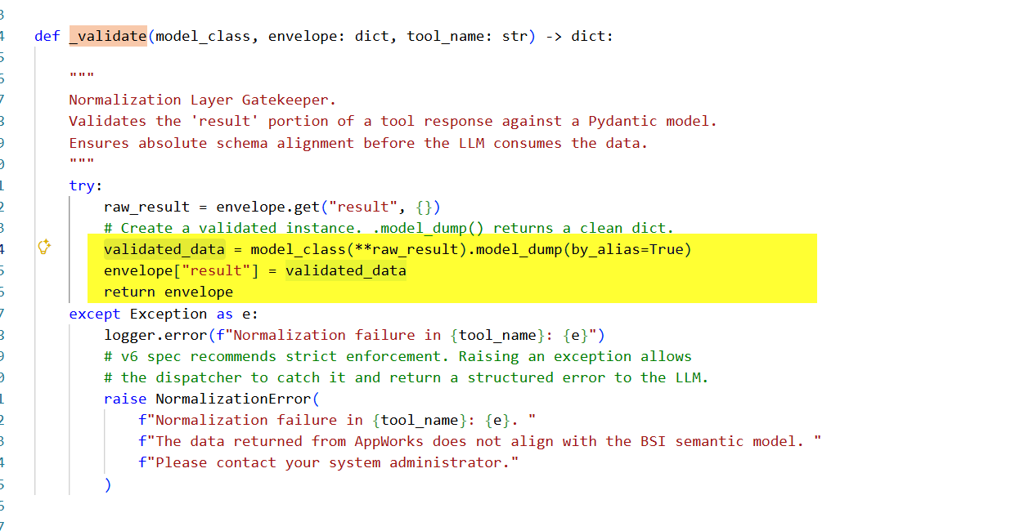

agent_runner.py
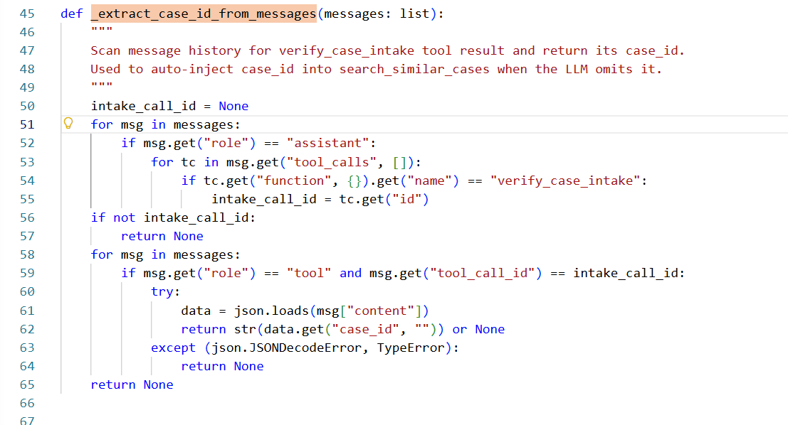
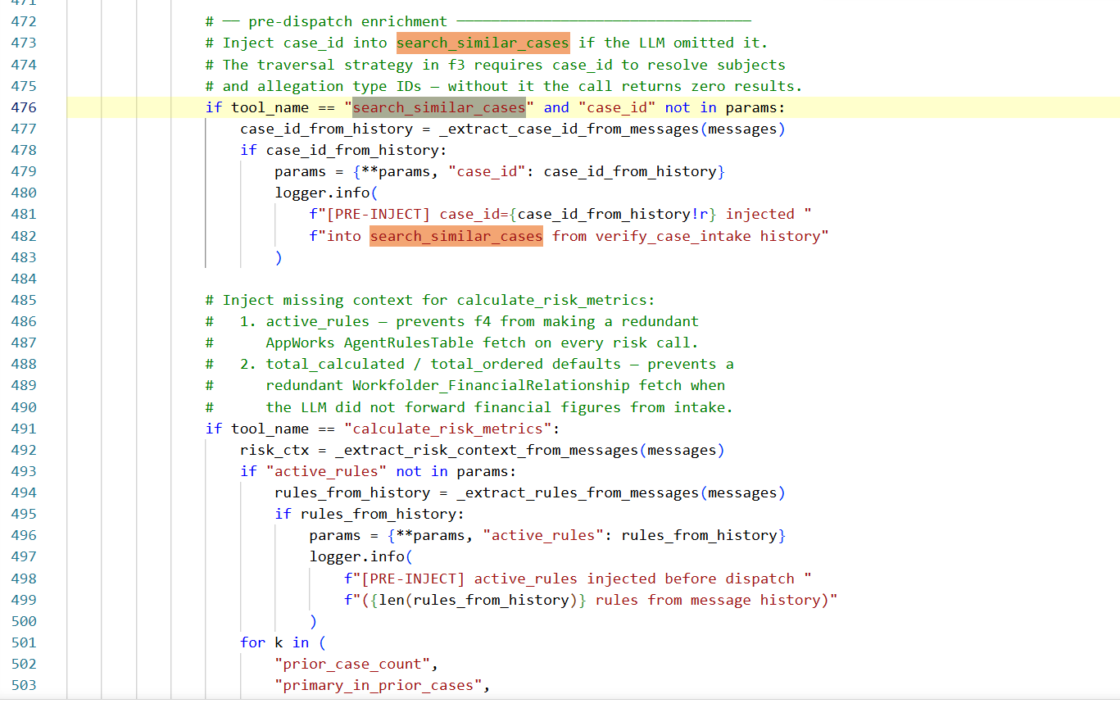
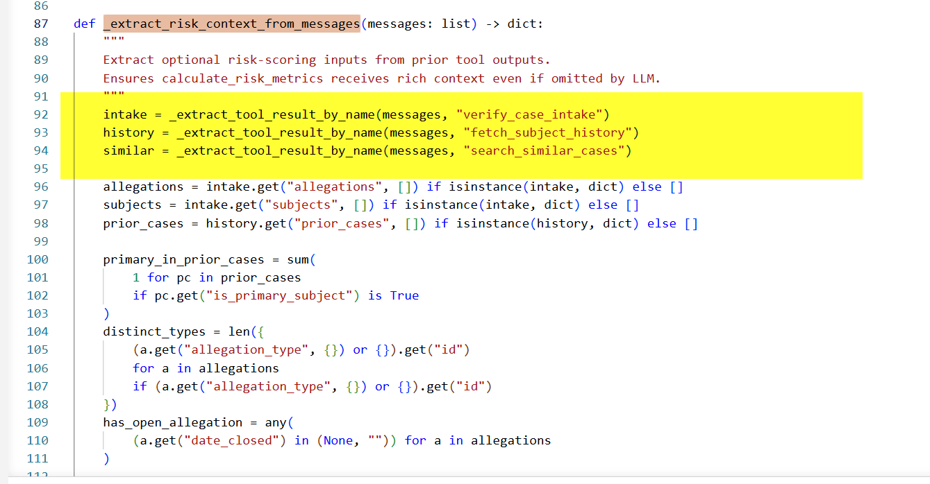
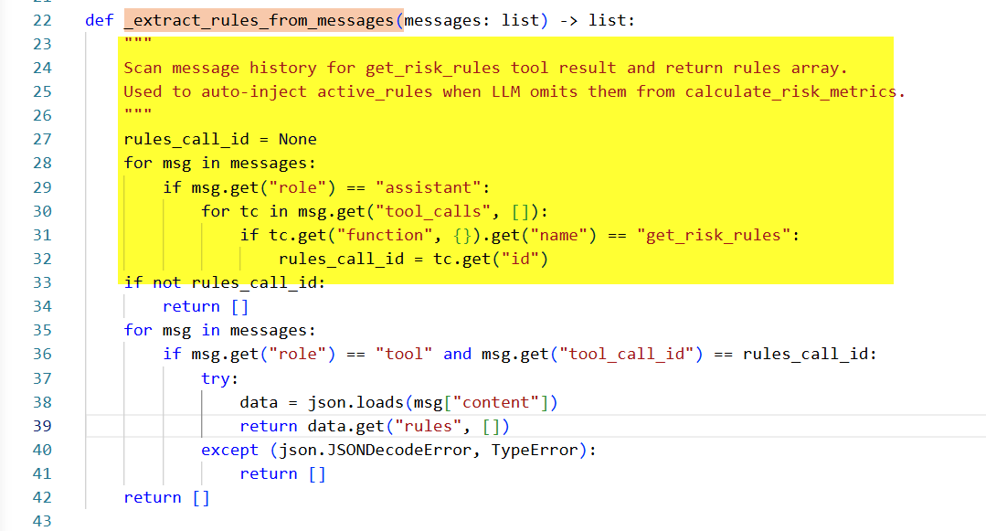 | Rework on agent_runner.py entirely.. many places have hardcoded tool check, parameter injection, etc.. Point of the semantic layer is to not inject anything externally. This should be taken care by manifest and LLM. If parameter is not found the call will be rejected will not be injected hardcoded anywhere... if tool "get_risk_rules" is renamed, calculate_risk_metrics silently receives no active_rules if tool "verify_case_inake" is renamed subsequence tool will receive corrupt data or no data

