Strong scalability
 | 12 threads |  |  | 24 threads | 48 threads
Cores | 12 threads |  | 24 threads |  | 48 threads |  | Linear | Linear time 12 (min) | Linear time 24 (min) | Linear time 48 (min)
 | Exec Time (s) | Exec Time (min) | Exec Time (s) | Exec Time (min) | Exec Time (s) | Exec Time (min)
120 | 17001.10566 | 283.351761 | 8592.487 | 143.20811667 | 4459.624 | 74.327066667 | 1 | 283.351761 | 143.20811667 | 74.327066667
240 | 8586.417 | 143.10695 | 4455.206 | 74.253433333 | 2402.737 | 40.045616667 | 2 | 141.6758805 | 71.604058333 | 37.163533333
480 | 4453.339 | 74.222316667 | 2370.263 | 39.504383333 | 1359.447 | 22.65745 | 4 | 70.83794025 | 35.802029167 | 18.581766667
960 | 2370.329 | 39.505483333 | 1353.253 | 22.554216667 | 833.234 | 13.887233333 | 8 | 35.418970125 | 17.901014583 | 9.2908833333

Weak scalability
 | Workers | Cores | Ideal | # tasks | Max Time | Exec. Time
2 | 10 | 240 | 29.160083333 | 6.002 | 1749605 | 29.160083333
2 | 20 | 480 | 29.160083333 | 12.002 | 1963899 | 32.73165
2 | 39 | 936 | 29.160083333 | 23.402 | 2378563 | 39.642716667

 | 60 s | 5 s
 | 23 k tasks | 4 k tasks

Workload scalability - #tasks
#FinishedTasks | # tasks | Relative Perfect | Ideal | Max Time | Exec. Time
6002 | 6.002 |  | 29.160083333 | 1749605 | 29.160083333
12002 | 12.002 |  | 29.160083333 | 1963899 | 32.73165
23402 | 23.402 |  | 29.160083333 | 2378563 | 39.642716667

4682 |  |  | 0 | 187170 | 3.1195
4682 |  |  | 0 | 313015 | 5.2169166667
4682 |  |  | 0 | 467057 | 7.7842833333
4678 |  | 825258 | 13.7543 | 825258 | 13.7543

23402 |  |  | 0 | 994814 | 16.580233333
23402 |  |  | 0 | 1620279 | 27.00465
23402 |  |  | 0 | 2378563 | 39.642716667
23402 |  | 3792321 | 63.20535 | 3792321 | 63.20535

4682 |  | 467057 | 7.7842833333 | 467057 | 7.7842833333
12170 |  | 1214028.9812 | 20.233816353 | 1228197 | 20.46995
23402 |  | 2334486.953 | 38.908115884 | 2378563 | 39.642716667

4682 |  | 187170 | 3.1195 | 187170 | 3.1195
12170 |  | 486514.07518 | 8.1085679197 | 499913.91454 | 8.3318985757
23402 |  | 935530.18795 | 15.592169799 | 994814 | 16.580233333

Workload scalability - task dur
Cost (sec) | Relative Perfect | Ideal | Max Time | Exec. Time
60 |  | 29.160083333 | 1749605 | 29.160083333
60 |  | 29.160083333 | 1963899 | 32.73165
60 |  | 29.160083333 | 2378563 | 39.642716667

5 | 34385.75 | 0.57309583333 | 187170 | 3.1195
30 | 206314.5 | 3.438575 | 313015 | 5.2169166667
60 | 412629 | 6.87715 | 467057 | 7.7842833333
120 | 825258 | 13.7543 | 825258 | 13.7543

5 | 158013.375 | 2.63355625 | 994814 | 16.580233333
30 | 948080.25 | 15.8013375 | 1620279 | 27.00465
60 | 1896160.5 | 31.602675 | 2378563 | 39.642716667
120 | 3792321 | 63.20535 | 3792321 | 63.20535

 | With user steering | Without user steering
 | 1 | 1

% DBMS Bottleneck
Function | Time (%)
getREADYtasks | 41.04528358
insertTasks | 30.084220518
updateTasksToFINISHED | 5.432542128
taskIDInDomain-FINISHED | 4.3116088315
storeOutputDomainData | 3.0056241456
taskIDInDomain-RUNNING | 2.3677723709
updateTasksToRUNNING | 2.3505953519
taskIDInDomain-READY | 1.5593899856
getFileFields | 1.3500782705

DBMS impact
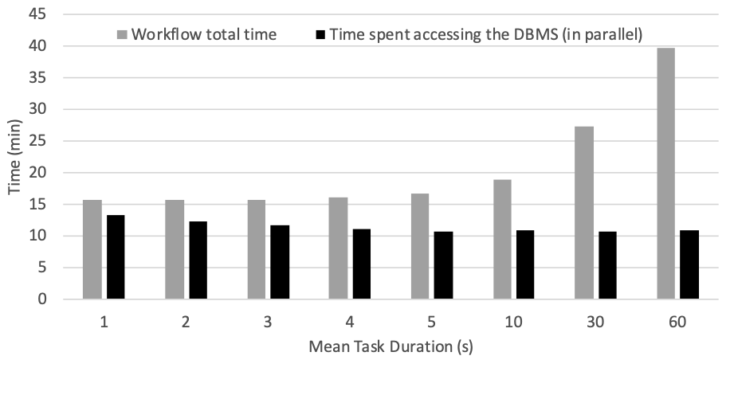
Mean task duration (s) | Total time (s) | Total time (min) | DBMS time (s) | DBMS time (min)
1 | 945 | 15.75 | 796.637 | 13.277283333
2 | 937 | 15.616666667 | 740.303 | 12.338383333
3 | 942 | 15.7 | 696.368 | 11.606133333
4 | 967 | 16.116666667 | 662.553 | 11.04255
5 | 1006 | 16.766666667 | 643.179 | 10.71965
10 | 1137 | 18.95 | 646.814 | 10.780233333
30 | 1639 | 27.316666667 | 644.531 | 10.742183333
60 | 2383 | 39.716666667 | 653.127 | 10.88545

OLAP queries
 | Workload: 23k tasks, 5s on average | 4k tasks, 120s on average
With runtime queries | 17.02 | 13.13
Without runtime queries | 16.580233 | 13.7543

 | 23 k tasks | 4 k tasks | 23 k linear | 4 k linear

d-Chiron vs. Chiron
 | 5 k tasks |  | 20 k tasks
 | 5k tasks, 1 s | 5 k, tasks 16 s | 20 k, tasks 1 s | 20 k tasks, 16 s
d-Chiron | 4.95785 | 9.470766667 | 5.512583333 | 9.51695
Chiron | 11.36838333 | 11.65471667 | 61.49271667 | 63.16705

d-Chiron and Chiron comparison in 936 cores

