Q_18
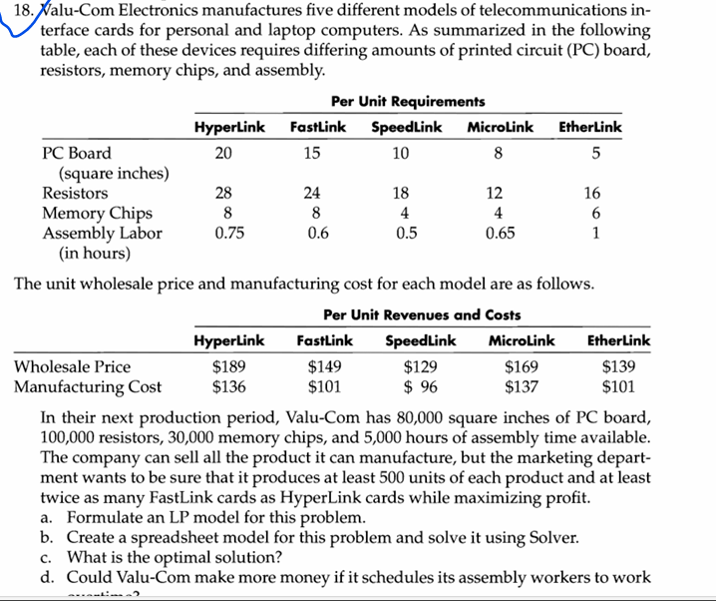
 |  |  |  | Valu-Con Electronics

 | Hyperlink | Fastlink | Speedlink | Microlink | Etherlink
Quantity made | 500 | 1000 | 1500 | 2250 | 500
Minimum Required | 500 | 500 | 500 | 500 | 500

Selling Price | $189.00 | $149.00 | $129.00 | $169.00 | $139.00
Manufacturing Cost | $136.00 | $101.00 | $96.00 | $137.00 | $101.00 | Total Profit
Profit | $53.00 | $48.00 | $33.00 | $32.00 | $38.00 | $215,000.00

Per unit requirements |  |  |  |  |  | Used | Available
PC Board(square inches) | 20 | 15 | 10 | 8 | 5 | 60500 | 80000
Resistors | 28 | 24 | 18 | 12 | 16 | 100000 | 100,000
Memory Chips | 8 | 8 | 4 | 4 | 6 | 30000 | 30,000
Assembly Labor | 0.75 | 0.6 | 0.5 | 0.65 | 1 | 3687.5 | 5000
Fast/Hyper | 2 | -1 | 0 | 0 | 0 | 0 | 0

