Sheet1
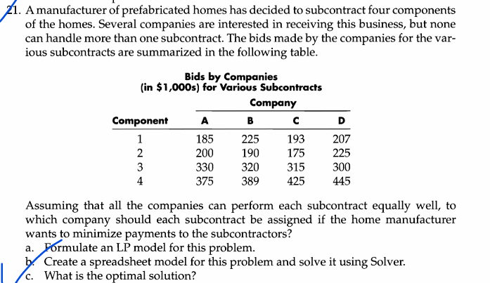
 |  |  | Manufacture of Prefabricated Homes

 |  | Company
Component | A | B | C | D | Assigned | Available
1 | 1 | 0 | 0 | 0 | 1 | 1
2 | 0 | 0 | 1 | 0 | 1 | 1
3 | 0 | 0 | 0 | 1 | 1 | 1
4 | 0 | 1 | 0 | 0 | 1 | 1
Assigned | 1 | 1 | 1 | 1
Available | 1 | 1 | 1 | 1

 | Bids of each company for various components

 | A | B | C | D |  | Total cost to minimize
1 | $185.00 | $225.00 | $193.00 | $207.00 |  | $1,049.00
2 | $200.00 | $190.00 | $175.00 | $225.00
3 | $330.00 | $320.00 | $315.00 | $300.00
4 | $375.00 | $389.00 | $425.00 | $445.00

