Sheet1
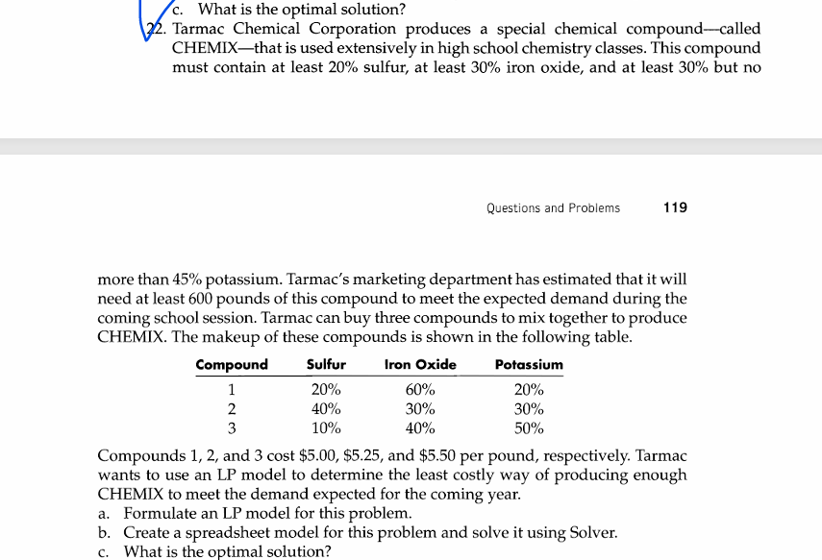
 |  |  | TARMAC CHEMICAL CORPORATION

compound | DV |  | unit cost
1 | 0.57 |  | $5.00
2 | 0.14 |  | $5.25
3 | 0.29 |  | $5.50

 |  |  |  |  | Total Cost
 | sulphur | iron oxide | potassium |  | $5.18
1 | 20% | 60% | 20%
2 | 40% | 30% | 30%
3 | 10% | 40% | 50% | total
content | 20% | 50% | 30% | 1
required | 0.2 | 0.3 | 0.3 | min
 |  |  | 0.45 | max

