Sheet1
 |  |  | RIVERSIDE OIL COMPANY

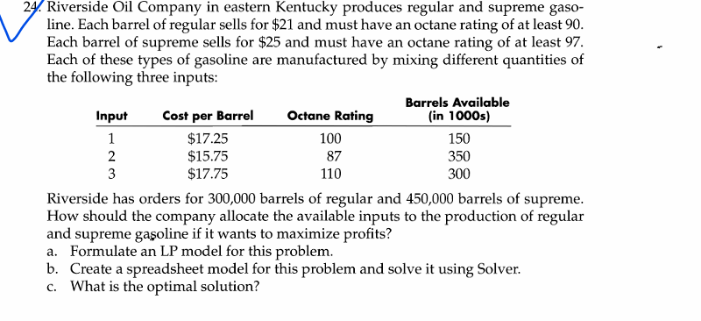
 | Input | Regular(R) | Supreme(S) | Sum(used) | Barrels available
 | 1 | 69230.769 | 80769.231 | 150000 | 150,000
 | 2 | 230769.231 | 119230.769 | 350000 | 350,000
 | 3 | 0.000 | 250000.000 | 250000 | 300,000
Octane rating constraint | Octane rating achieved | 90 | 102.111111
 | Required octane rating | 90 | 97
Demand constraint | Production | 300000 | 450000
 | Required | 300,000 | 450,000
Given: | Input | Cost per barrel | Octane rating
 | 1 | 17.25 | 100
 | 2 | 15.75 | 87
 | 3 | 17.75 | 110

 | Selling unit cost | $21.00 | $25.00
 |  |  |  | Objective (profit)

 |  |  |  | $5,012,500.00

