Sheet1
 |  | THEME PARK

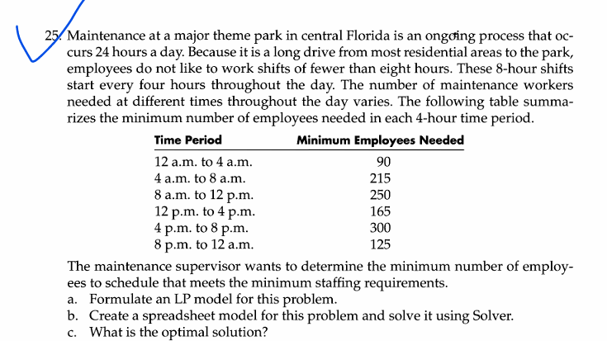

Time | Minimum employees needed | Start timing | No of employees starting | Available
12 to 4 | 90 | 0:00:00 | 90 | 90
4 to 8 | 215 | 4:00:00 | 125 | 215
8 to 12 | 250 | 8:00:00 | 125 | 250
12 to 4 | 165 | 12:00:00 | 175 | 300
4 to 8 | 300 | 16:00:00 | 125 | 300
8 to 12 | 125 | 20:00:00 | 0 | 125

 |  | objective function | 640

