Q_29
 |  | Rent-A-Dent Car
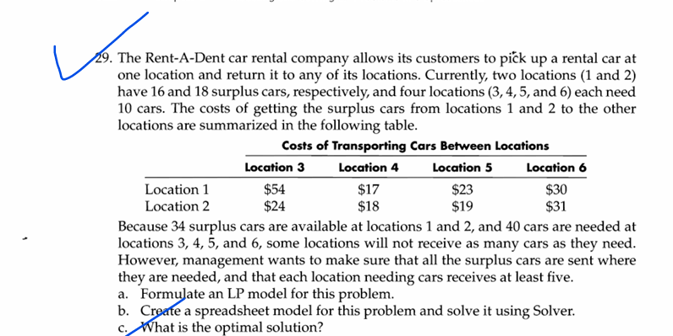
Given cost
Locations | 3 | 4 | 5 | 6
1
2

 |  | Cost of Transportation
 | $54.00 | $17.00 | $23.00 | $30.00 | Total cost | Objective function to minimize
 | $24.00 | $18.00 | $19.00 | $31.00 | $730.00

 |  | Redistribution Plan
 |  |  |  |  | Shipped | Available
1 | 0 | 10 | 1 | 5 | 16 | 16
2 | 9 | 0 | 9 | 0 | 18 | 18
Actual | 9 | 10 | 10 | 5
Min | 5 | 5 | 5 | 5
Max | 10 | 10 | 10 | 10

