Sheet1
 |  |  | Sentry Lock Corporation

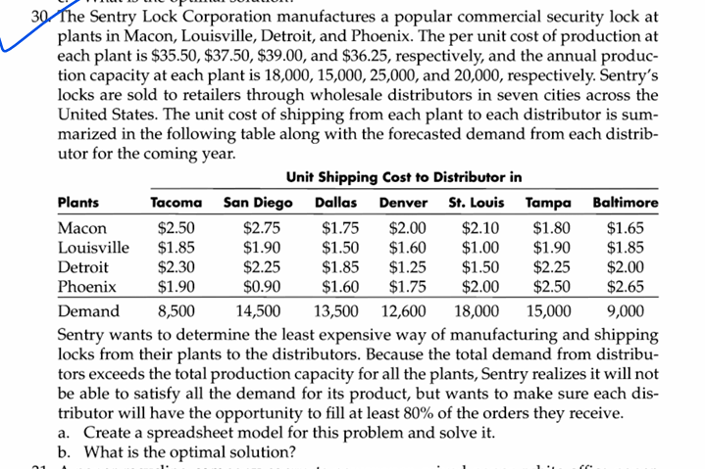
plants | Tacoma | SanDiego | Dallas | Denver | St. Louis | Tampa | Baltimore | Produced | production capacity
Macon | 0 | 0 | 0 | 0 | 0 | 12000 | 6000 | 18000 | 18000
Louisville | 600 | 0 | 0 | 0 | 14400 | 0 | 0 | 15000 | 15000
Detroit | 0 | 0 | 10800 | 13000 | 0 | 0 | 1200 | 25000 | 25000
Phoenix | 6200 | 13800 | 0 | 0 | 0 | 0 | 0 | 20000 | 20000
Demand | 8500 | 14500 | 13500 | 12600 | 18000 | 15000 | 9000

received | 6800 | 13800 | 10800 | 13000 | 14400 | 12000 | 7200
amount to be sent | 6800 | 11600 | 10800 | 10080 | 14400 | 12000 | 7200
sum2 | 78000

 |  |  | Unit Shipping Cost to Distributors

Plants | Tacoma | SanDiego | Dallas | Denver | St. Louis | Tampa | Baltimore | Cost of Production
Macon | $2.50 | $2.75 | $1.75 | $2.00 | $2.10 | $1.80 | $1.65 | $35.50
Louisville | $1.85 | $1.90 | $1.50 | $1.60 | $1.00 | $1.90 | $1.85 | $37.50
Detroit | $2.30 | $2.25 | $1.85 | $1.25 | $1.50 | $2.25 | $2.00 | $39.00
Phoenix | $1.90 | $0.90 | $1.60 | $1.75 | $2.00 | $2.50 | $2.65 | $36.25

 |  |  | Total Cost for pro and dist
Plants | Tacoma | SanDiego | Dallas | Denver | St. Louis | Tampa | Baltimore
Macon | $38.00 | $38.25 | $37.25 | $37.50 | $37.60 | $37.30 | $37.15 |  | Total Cost
Louisville | $39.35 | $39.40 | $39.00 | $39.10 | $38.50 | $39.40 | $39.35 |  | $3,011,340.00
Detroit | $41.30 | $41.25 | $40.85 | $40.25 | $40.50 | $41.25 | $41.00
Phoenix | $38.15 | $37.15 | $37.85 | $38.00 | $38.25 | $38.75 | $38.90

